Hydrology
Date | VP 19 (CS)* | VP 16 (WT, S)* | VP 14 (WT, N)* | VP 7 (TP, E)* | VP 6 (TP, W) | VP 4 (RT, N)* | VP 3 (RT, S) | Measurements are in inches.
12/3/18 | 0 | 0 | 0 | 7 | 8 | 6 | 5.5 | "Full" means the water was above the gauge, so the water level is at least over 18 inches deep.
12/10/18 | 0 | 0 | 0 | 6.75 | 7 | 5.5 | 4.5 | *Vernal pools where monthly vegetation monitoring is done
12/18/18 | 0 | 0 | 0 | 6.25 | 6 | 4.5 | 3
1/7/19 | 12.5 | 15.5 | 14 | 17.5 | 13.5 | 9 | 13
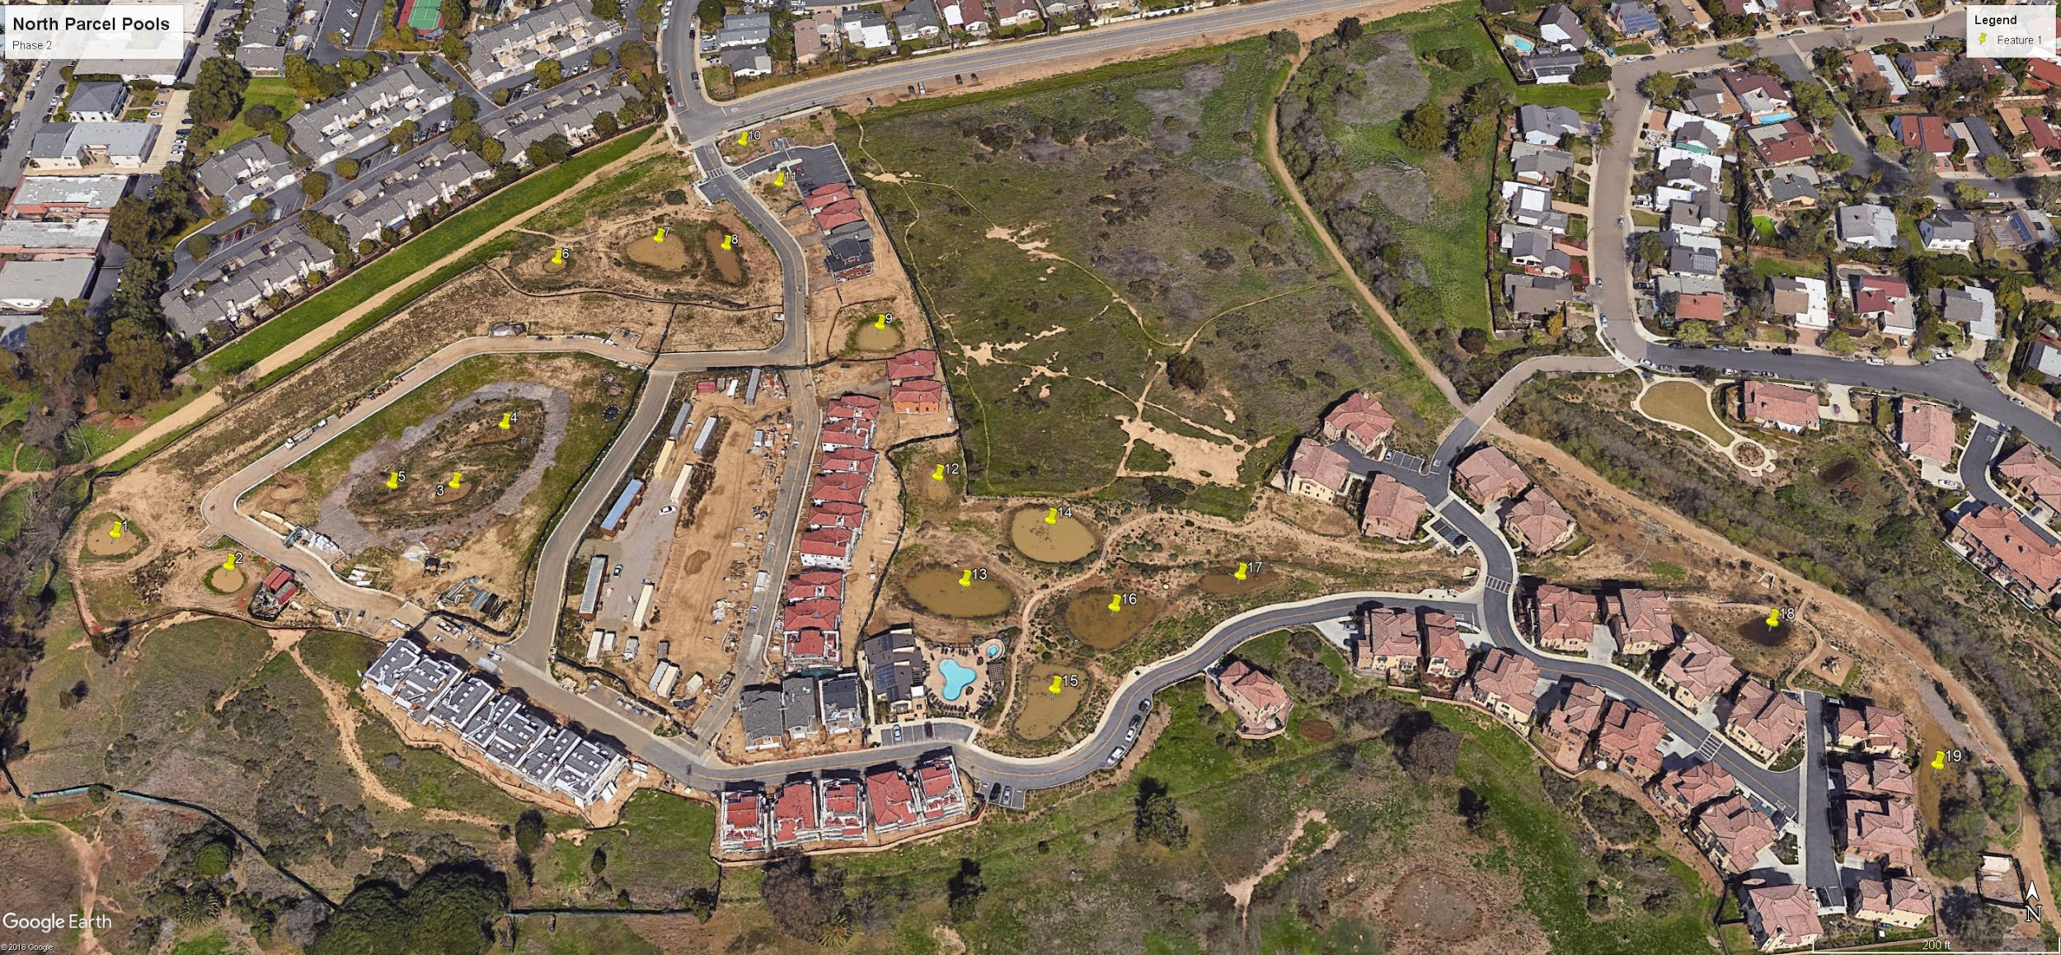
1/14/19 | 13 | 16 | 14 | Full | 13.5 | 9 | 13
1/21/19

