Sheet1
Task 6: How many states cover 50% of US air traffic?

 | There are eight states cover 50% of US air traffic
US state | Sum of flights for 2018 and 2019 | percentage of total
California | 1738254 | 10.91%
Texas | 1572078 | 9.87%
Florida | 1151221 | 7.23%
Illinois | 1008184 | 6.33%
Georgia | 841057 | 5.28%
New York | 827854 | 5.20%
North Carolina | 736077 | 4.62%
Colorado | 622430 | 3.91%
 |  | 53.35%

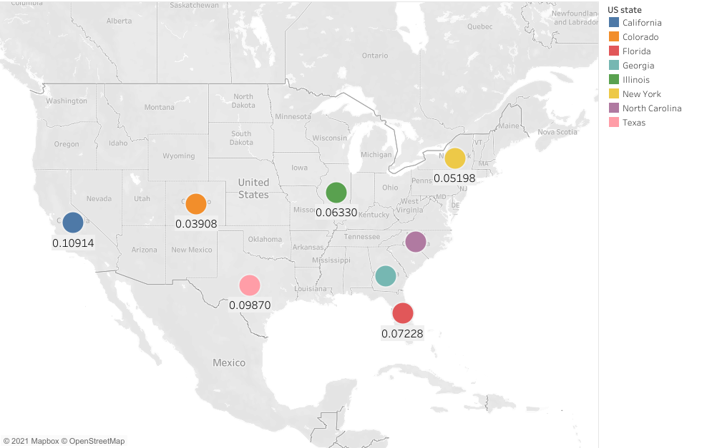

Task 8: When (which hour) do most 'LONG', 'SHORT', 'MEDIUM' haul flights take off?

6-6:30 | do most short haul filgth
7-7:30 | do most medium haul filgth
17-17:59 | do most medium long filgth

start | end | short | medium | long | Total
0 | 0:59:00 | 5721 | 28246 | 137 | 34142
1 | 1:59:00 | 4373 | 8220 | 729 | 13322
2 | 2:59:00 | 1308 | 3044 | 4 | 4356
3 | 3:59:00 | 1315 | 2105 |  | 3420
4 | 4:59:00 | 1080 | 1140 |  | 2220
5 | 5:59:00 | 334163 | 43543 | 820 | 378527
6 | 6:59:00 | 933028 | 210053 | 10129 | 1153650
7 | 7:59:00 | 815426 | 234180 | 20947 | 1071851
8 | 8:59:00 | 799195 | 229916 | 19987 | 1051054
9 | 9:59:00 | 742221 | 174311 | 17686 | 935292
10 | 10:59:00 | 794242 | 166733 | 13776 | 975327
11 | 11:59:00 | 790139 | 181920 | 15218 | 988013
12 | 12:59:00 | 822208 | 174698 | 5368 | 1002688
13 | 13:59:00 | 733910 | 162944 | 3135 | 900303
14 | 14:59:00 | 779708 | 160387 | 4991 | 945396
15 | 15:59:00 | 800135 | 159008 | 14131 | 973433
16 | 16:59:00 | 727170 | 157363 | 16664 | 901854
17 | 17:59:00 | 845613 | 179447 | 23123 | 1049071
18 | 18:59:00 | 745069 | 152762 | 21698 | 920080
19 | 19:59:00 | 694575 | 140422 | 13954 | 849526
20 | 20:59:00 | 648361 | 99774 | 10334 | 758938
21 | 21:59:00 | 389861 | 89509 | 7987 | 487602
22 | 22:59:00 | 334328 | 81461 | 1735 | 417805
23 | 23:59:00 | 31775 | 77204 | 569 | 109615
Task 9: Find the top 10 the bussiest airports. Does the biggest number of flights mean that the biggest number of passengers went through the particular airport? How much traffic do these 10 airports cover?

city | air port | flight | Passenger
Chicago, IL | ORD | 790253 | 81047662
Atlanta, GA | ATL | 785850 | 106124756
Dallas/Fort Worth, TX | DFW | 584688 | 68792565
Denver, CO | DEN | 552134 | 65570991
Charlotte, NC | CLT | 501557 | 46550788
Los Angeles, CA | LAX | 500840 | 86663992
Seattle, WA | SEA | 379367 | 49076280
San Francisco, CA | SFO | 357626 | 55930960
Phoenix, AZ | PHX | 355485 | 44522881
Houston, TX | IAH | 354379 | 43297697

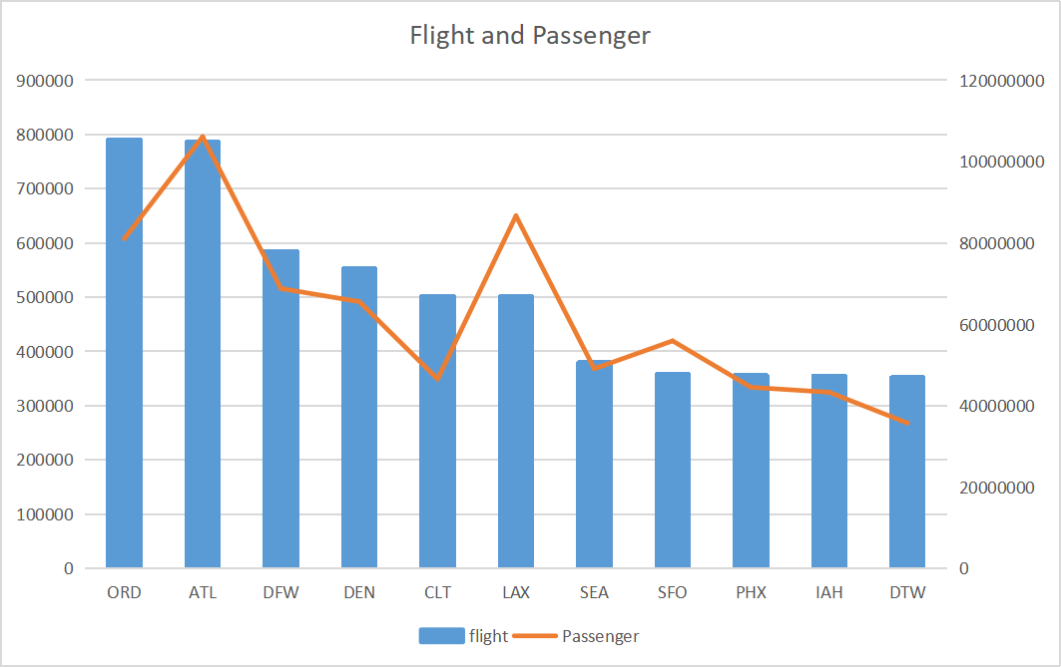

These 10 airports cover 32.4% of whole flights in US.

**Task 10**: Do bigger delays lead to bigger fuel comsumption per passenger?

