Bus Matrix
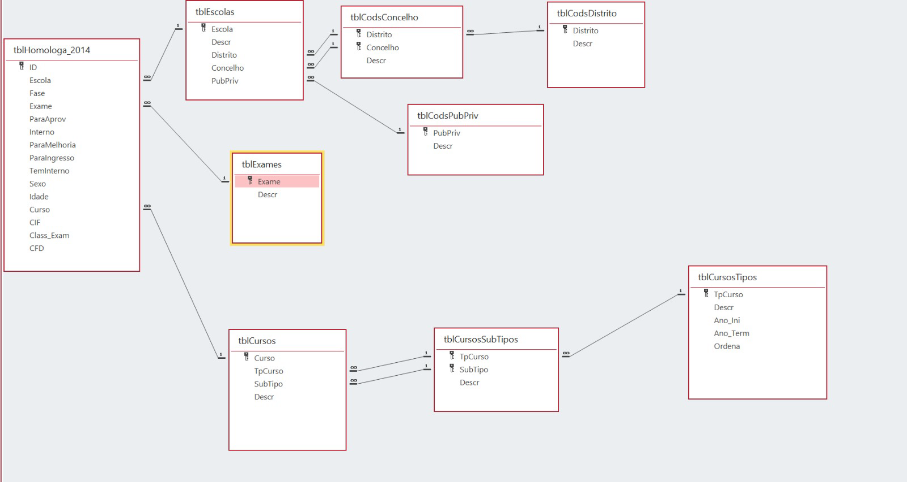
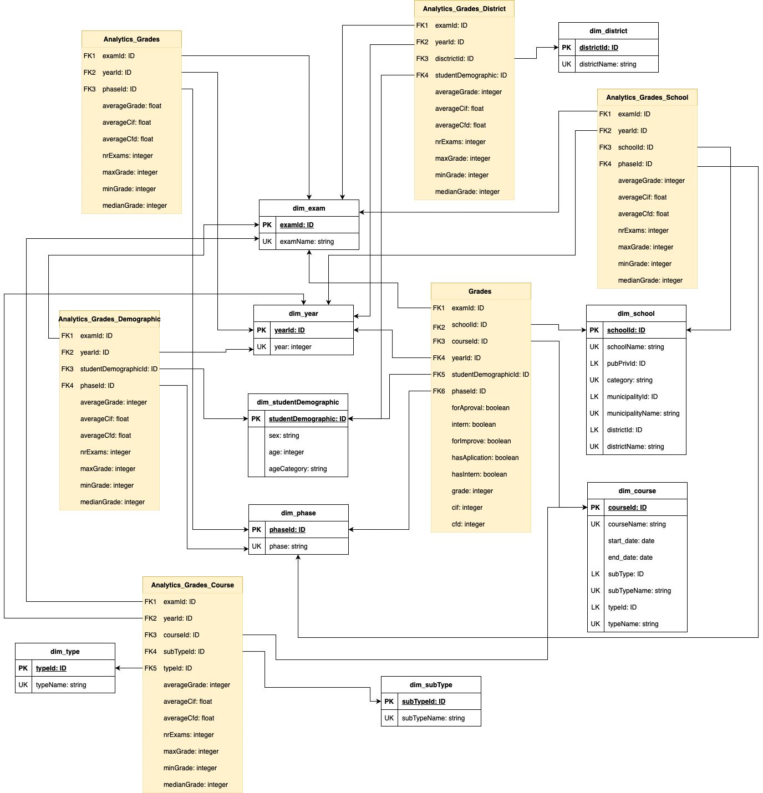
Data Mart | Star (processes) | Dimension | Exam | School | District | Course | Subtype | Type | Year | Students Demographic | Phase
Evaluation | Grades |  | x | x |  | x |  |  | x | x | x
 | Analytics_Grades |  | x |  |  |  |  |  | x |  | x
 | Analytics_Grades_School |  | x | x |  |  |  |  | x |  | x
 | Analytics_Grades_District |  | x |  | x |  |  |  | x | x
 | Analytics_Grades_Course |  | x |  |  | x | x | x | x
 | Analytics_Grades_Demographic |  | x |  |  |  |  |  | x | x | x

