UnLockCells

All cells are locked for your safety. If you would need to make some changes in the model, you should unlock cells for tab.

Dashboard
Dashboard |  |  |  |  |  | CURRENCY & DENOMINATOR |  |  |  | DEBT ASSUMPTIONS
Your Business Model Name |  |  |  |  |  |  | Currency Inputs | $ |  | Loan Name | Amount, $ | Launch | Term, M | Interest, % | Type
Go to Table of Contents |  |  |  |  |  |  | Currency Outputs | $ |  | Debt_1 | 1,000,000 | Sep-18 | 60M | 12.0% | Annuity |  |  |  |  | Min Cash, ($'000) | 1,358
 |  |  | Launch date | Sep-18 |  |  | Denomination | 1,000 |  | Debt_2 |  |  |  |  |  |  |  |  |  | Min Cash Month | Sep-18
 |  |  |  |  |  |  | Exchange rate $ / $ | 1.000 |  | Debt_3 |  |  |  |  |  |  |  |  |  | Corporate Tax | 10%

Core Inputs |  |  |  |  |  |  |  |  | Active Customers FY end - 5 Years to August 2023 |  |  |  |  |  |  |  |  |  | Profitability ($'000) - 5 Years to August 2023
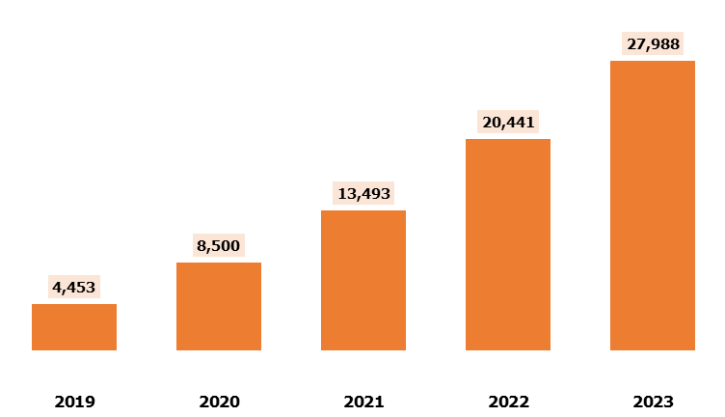
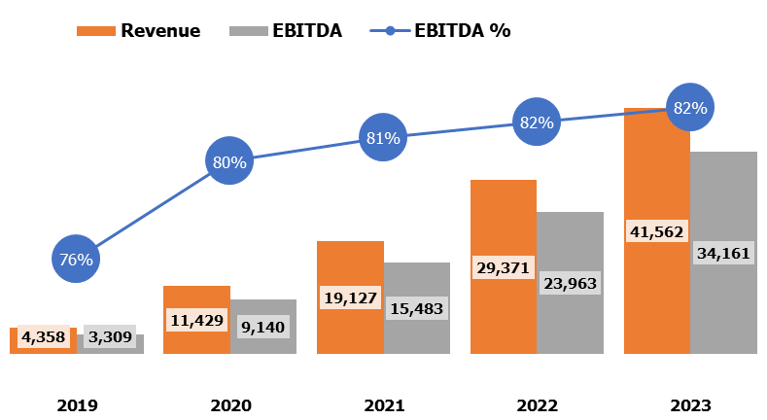
Financial Year |  |  |  | 2019 | 2020 | 2021 | 2022 | 2023
 |  |  |  | Marketing Budget & Visitors
Monthly Mktg. Budget - Online, $ |  |  |  | 10,000 | 12,500 | 15,625 | 19,531 | 20,500
Cost per visit (CPV) Online, $ |  |  |  | 0.90 | 1.00 | 1.10 | 1.20 | 1.30
Monthly Mktg. Budget - Offline, $ |  |  |  | 10,000 | 12,500 | 15,625 | 19,531 | 20,500
Cost per visit (CPV) Offline, $ |  |  |  | 50.00 | 52.00 | 54.00 | 56.00 | 58.00
Total Visitors |  |  |  | 135,733 | 152,885 | 173,927 | 199,498 | 193,472

 |  |  |  | Conversion Rates
Visitors to Sales Opps |  |  |  | 20.00% | 25.00% | 30.00% | 35.00% | 40.00%
Sales Opps to Eng Opps |  |  |  | 63.0% | 63.0% | 63.0% | 63.0% | 63.0%
Engaged Opps to Deals |  |  |  | 32.0% | 32.0% | 32.0% | 32.0% | 32.0%
Total Deals |  |  |  | 5,473 | 7,705 | 10,519 | 14,077 | 15,602

Offering |  |  |  | Deals Allocation by products
 | Monthly payment cycle |  |  | 50.0% | 50.0% | 50.0% | 50.0% | 50.0%
 | Annual payment cycle |  |  | 50.0% | 50.0% | 50.0% | 50.0% | 50.0%

Core Financials ($'000) |  |  |  |  |  |  |  |  | Cash Flow ($'000) - 5 Years to August 2023 |  |  |  |  |  |  |  |  |  | Cumulative Cash flow ($'000) - 5 Years to August 2023
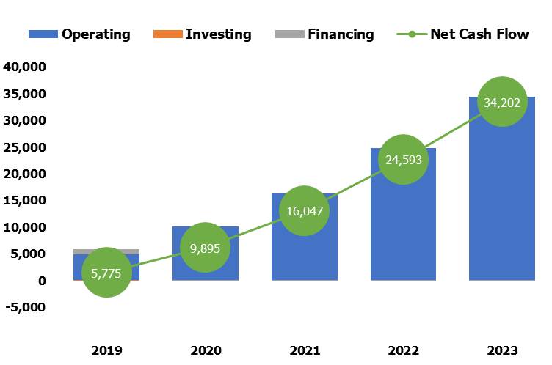
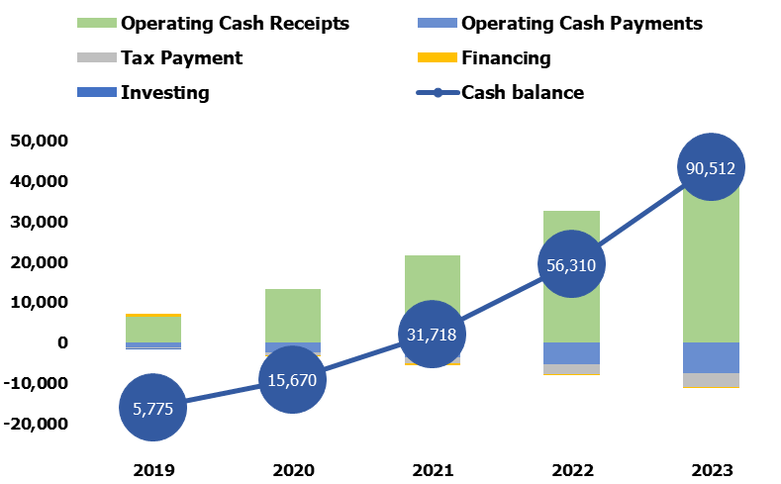
Financial Year |  |  |  | 2019 | 2020 | 2021 | 2022 | 2023

Revenue |  |  |  | 4,358 | 11,429 | 19,127 | 29,371 | 41,562
COSS |  |  |  | (436) | (1,143) | (1,913) | (2,937) | (4,156)
GROSS MARGIN |  |  |  | 3,922 | 10,286 | 17,215 | 26,434 | 37,406
GROSS MARGIN % |  |  |  | 90% | 90% | 90% | 90% | 90%
Salaries & Taxes |  |  |  | (110) | (227) | (350) | (481) | (619)
Variable Expenses |  |  |  | (458) | (871) | (1,331) | (1,937) | (2,570)
Fixed Expenses |  |  |  | (46) | (48) | (50) | (53) | (55)

Net Operating Expenses |  |  |  | (614) | (1,146) | (1,732) | (2,471) | (3,245)

EBITDA |  |  |  | 3,309 | 9,140 | 15,483 | 23,963 | 34,161
EBITDA % |  |  |  | 76% | 80% | 81% | 82% | 82%

Depreciation & Amortization |  |  |  | (0.4) | (0.4) | (0.4) | (0.4) | (0.4)
EBIT |  |  |  | 3,308 | 9,139 | 15,483 | 23,963 | 34,161
Net Interest Expense |  |  |  | (103) | (94) | (72) | (47) | (19)
Net Profit Before Tax |  |  |  | 3,205 | 9,046 | 15,411 | 23,916 | 34,142
Tax Expense |  |  |  | (321) | (905) | (1,541) | (2,392) | (3,414)
Net Profit After Tax |  |  |  | 2,885 | 8,141 | 13,870 | 21,524 | 30,728
Net Profit After Tax % |  |  |  | 66% | 71% | 73% | 73% | 74%

Operating Cash Flows |  |  |  | 4,917 | 10,068 | 16,242 | 24,813 | 34,450

Cash |  |  |  | 5,775 | 15,670 | 31,718 | 56,310 | 90,512

Dashboard Source Data

 | First Displayed Period |  |  | 1
 | Displayed Periods Description |  |  | 5 Years to August 2023
 | Linked In Data Columns Offset |  |  | -
 |  |  |  | 1 | 2 | 3 | 4 | 5
 | Financial Year |  |  | 2019 | 2020 | 2021 | 2022 | 2023 |  |  |  | m | col | sheet | date row | prefix | suffix | value row

 | Year End Date |  |  | 31-Aug-19 | 31-Aug-20 | 31-Aug-21 | 31-Aug-22 | 31-Aug-23

 | Income Statement Source Data

 | Revenue |  |  | 4,358,252 | 11,428,742 | 19,127,455 | 29,371,370 | 41,562,242 |  |  |  |  | D | IS | 10 | Total |  | 22
 | COSS |  |  | (435,825) | (1,142,874) | (1,912,745) | (2,937,137) | (4,156,224) |  |  |  |  | D | IS | 10 | Total |  | 31
 | Salaries & Wages |  |  | (100,000) | (206,000) | (318,270) | (437,091) | (562,754) |  |  |  |  | D | IS | 10 | Total |  | 56
 | Variable Expenses |  |  | (457,913) | (871,437) | (1,331,373) | (1,937,319) | (2,570,112) |  |  |  |  | D | IS | 10 | Total |  | 78
 | Fixed Expenses |  |  | (45,700) | (47,985) | (50,274) | (52,788) | (55,427) |  |  |  |  | D | IS | 10 | Total |  | 106
 | Payroll Tax |  |  | (10,000) | (20,600) | (31,827) | (43,709) | (56,275) |  |  |  |  | D | IS | 10 |  |  | 59
 | Net Operating Expenses |  |  | (613,613) | (1,146,022) | (1,731,744) | (2,470,906) | (3,244,569) |  |  |  |  | D | IS | 10 |  |  | 111
 | EBITDA |  |  | 3,308,814 | 9,139,846 | 15,482,965 | 23,963,327 | 34,161,448 |  |  |  |  | C | IS | 10 |  |  | 113
 | Depreciation & Amortization |  |  | (400) | (400) | (400) | (400) | (400) |  |  |  |  | C | IS | 10 | Total |  | 126
 | EBIT |  |  | 3,308,414 | 9,139,446 | 15,482,565 | 23,962,927 | 34,161,048 |  |  |  |  | C | IS | 10 |  |  | 128
 | Interest Expense |  |  | (103,059) | (93,681) | (71,708) | (46,949) | (19,049) |  |  |  |  | D | IS | 10 |  |  | 130
 | Net Profit Before Tax |  |  | 3,205,355 | 9,045,765 | 15,410,857 | 23,915,978 | 34,141,999 |  |  |  |  | C | IS | 10 |  |  | 132
 | Tax Expense |  |  | (320,535) | (904,577) | (1,541,086) | (2,391,598) | (3,414,200) |  |  |  |  | D | IS | 10 |  |  | 134
 | Net Profit After Tax |  |  | 2,884,819 | 8,141,189 | 13,869,772 | 21,524,381 | 30,727,799 |  |  |  |  | C | IS | 10 |  |  | 136

 | Balance Sheet Source Data

 | Cash |  |  | 5,775,355 | 15,670,435 | 31,717,502 | 56,310,051 | 90,511,781 |  |  |  |  | D | BS | 8 |  |  | 18
 | Current Assets |  |  | 5,775,355 | 15,670,435 | 31,717,502 | 56,310,051 | 90,511,781 |  |  |  |  | D | BS | 8 | Total |  | 21
 | Non-Current Assets |  |  | - | - | - | - | - |  |  |  |  | C | BS | 8 |  |  | 23
 | Total Assets |  |  | 5,776,955 | 15,671,635 | 31,718,302 | 56,310,451 | 90,511,781 |  |  |  |  | C | BS | 8 |  |  | 36
 | Current Liabilities |  |  | 2,031,765 | 3,958,509 | 6,330,629 | 9,618,383 | 13,339,798 |  |  |  |  | D | BS | 8 | Total |  | 73
 | Non-Current Liabilities |  |  | 858,370 | 685,118 | 489,893 | 269,908 | 22,024 |  |  |  |  | D | BS | 8 | Total |  | 88
 | Total Liabilities |  |  | 2,890,136 | 4,643,627 | 6,820,522 | 9,888,291 | 13,361,822 |  |  |  |  | C | BS | 8 |  |  | 90
 | Net Assets |  |  | 2,886,819 | 11,028,008 | 24,897,779 | 46,422,160 | 77,149,959 |  |  |  |  | C | BS | 8 |  |  | 92
 | Ordinary Equity |  |  | 2,000 | 2,000 | 2,000 | 2,000 | 2,000 |  |  |  |  | D | BS | 8 |  |  | 94
 | Retained Profits |  |  | 2,884,819 | 11,026,008 | 24,895,779 | 46,420,160 | 77,147,959 |  |  |  |  | D | BS | 8 |  |  | 104
 | Total Equity |  |  | 2,886,819 | 11,028,008 | 24,897,779 | 46,422,160 | 77,149,959 |  |  |  |  | C | BS | 8 |  |  | 106

 | Cash Flow Statement Source Data

 | Cash Receipts |  |  | 6,390,017 | 13,355,486 | 21,499,575 | 32,659,124 | 45,283,656 |  |  |  |  | D | CF | 10 |  |  | 20
 | Cash Payments |  |  | (1,049,438) | (2,288,896) | (3,644,489) | (5,408,043) | (7,400,793) |  |  |  |  | D | CF | 10 |  |  | 31
 | Cash Flow from Operating Activities |  |  | 4,916,984 | 10,068,332 | 16,242,292 | 24,812,534 | 34,449,614 |  |  |  |  | D | CF | 10 | Net |  | 37
 | Fixed Assets Capital Expenditure |  |  | (2,000) | - | - | - | - |  |  |  |  | D | CF | 10 |  |  | 48
 | Cash Flow from Investing Activities |  |  | (2,000) | - | - | - | - |  |  |  |  | D | CF | 10 | Net |  | 50
 | Debt Drawdowns |  |  | 1,000,000 | - | - | - | - |  |  |  |  | D | CF | 10 | Total |  | 57
 | Debt Repayments |  |  | (141,630) | (173,252) | (195,225) | (219,985) | (247,884) |  |  |  |  | D | CF | 10 | Total |  | 62
 | Ordinary Equity Raisings |  |  | 2,000 | - | - | - | - |  |  |  |  | D | CF | 10 |  |  | 64
 | Ordinary Equity Buybacks |  |  | - | - | - | - | - |  |  |  |  | D | CF | 10 |  |  | 66
 | Cash Flow from Financing Activities |  |  | 860,370 | (173,252) | (195,225) | (219,985) | (247,884) |  |  |  |  | D | CF | 10 | Net |  | 74
 | Net Increase/(Decrease) in Cash Held |  |  | 5,775,355 | 9,895,080 | 16,047,067 | 24,592,549 | 34,201,730 |  |  |  |  | D | CF | 10 |  |  | 76
 | Change in Cash (Pre-Corporate Tax & Interest on Cash) |  |  | 6,198,950 | 10,893,337 | 17,659,861 | 27,031,096 | 37,634,979 |  |  |  |  | D | CF | 10 |  |  | 84

 | Chart Data |  |  | 2019 | 2020 | 2021 | 2022 | 2023
 | 1 | Offering |  | 4,453 | 8,500 | 13,493 | 20,441 | 27,988

 | Cash-flow chart data |  |  | By years

 | Operating Cash Receipts |  |  | 6,390 | 13,355 | 21,500 | 32,659 | 45,284
 | Financing |  |  | 757 | (267) | (267) | (267) | (267)
 | Investing |  |  | (2) | - | - | - | -
 | Operating Cash Payments |  |  | (1,049) | (2,289) | (3,644) | (5,408) | (7,401)
 | Tax Payment |  |  | (321) | (905) | (1,541) | (2,392) | (3,414)
 | Cash balance |  |  | 5,775 | 15,670 | 31,718 | 56,310 | 90,512 |  |  |  |  | D | BS | 8 |  |  | 18

Summary
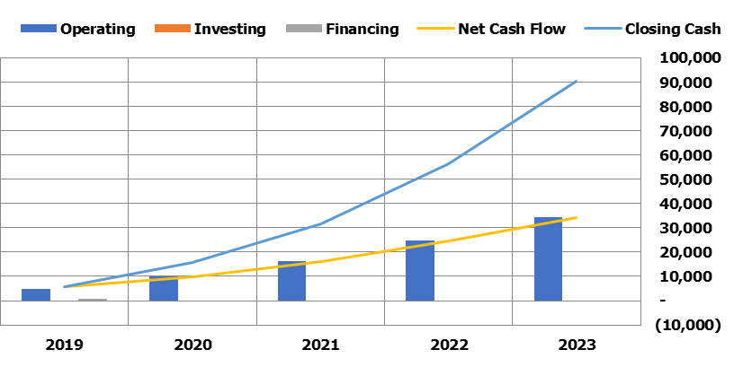
Financial Statements Summary
Your Business Model Name |  |  |  |  |  |  |  |  |  |  | Select detailed Fiscal year: | 2019
Go to Table of Contents

Income Statement ($'000) - 5 Years to August 2023 |  |  |  |  |  | Income Statement ($'000) - 2019

Financial Year | 2019 | 2020 | 2021 | 2022 | 2023 | 2018-09-30 | 2018-10-31 | 2018-11-30 | 2018-12-31 | 2019-01-31 | 2019-02-28 | 2019-03-31 | 2019-04-30 | 2019-05-31 | 2019-06-30 | 2019-07-31 | 2019-08-31
Revenue | 4,358 | 11,429 | 19,127 | 29,371 | 41,562 | 65 | 127 | 186 | 243 | 297 | 349 | 399 | 448 | 494 | 540 | 584 | 627
Growth % |  | 162% | 67% | 54% | 42% | - | 95% | 47% | 30% | 22% | 18% | 14% | 12% | 10% | 9% | 8% | 7%

COSS | (436) | (1,143) | (1,913) | (2,937) | (4,156) | (6) | (13) | (19) | (24) | (30) | (35) | (40) | (45) | (49) | (54) | (58) | (63)
% of Revenue | (10%) | (10%) | (10%) | (10%) | (10%) | (10%) | (10%) | (10%) | (10%) | (10%) | (10%) | (10%) | (10%) | (10%) | (10%) | (10%) | (10%)

GROSS MARGIN | 3,922 | 10,286 | 17,215 | 26,434 | 37,406 | 58 | 114 | 167 | 218 | 267 | 314 | 359 | 403 | 445 | 486 | 526 | 564
GROSS MARGIN % | 90% | 90% | 90% | 90% | 90% | 90% | 90% | 90% | 90% | 90% | 90% | 90% | 90% | 90% | 90% | 90% | 90%
Wages Expenses | (110) | (227) | (350) | (481) | (619) | (9) | (9) | (9) | (9) | (9) | (9) | (9) | (9) | (9) | (9) | (9) | (9)
% of Revenue | (3%) | (2%) | (2%) | (2%) | (1%) | (14%) | (7%) | (5%) | (4%) | (3%) | (3%) | (2%) | (2%) | (2%) | (2%) | (2%) | (1%)

Variable Expenses | (458) | (871) | (1,331) | (1,937) | (2,570) | (23) | (26) | (29) | (32) | (35) | (37) | (40) | (42) | (45) | (47) | (49) | (51)
% of Revenue | (11%) | (8%) | (7%) | (7%) | (6%) | (36%) | (21%) | (16%) | (13%) | (12%) | (11%) | (10%) | (9%) | (9%) | (9%) | (8%) | (8%)

Fixed Expenses | (46) | (48) | (50) | (53) | (55) | (4) | (4) | (4) | (4) | (4) | (4) | (4) | (4) | (4) | (4) | (4) | (4)
% of Revenue | (1%) | (0%) | (0%) | (0%) | (0%) | (6%) | (3%) | (2%) | (2%) | (1%) | (1%) | (1%) | (1%) | (1%) | (1%) | (1%) | (1%)

Net Operating Expenses | (614) | (1,146) | (1,732) | (2,471) | (3,245) | (37) | (39) | (42) | (45) | (48) | (50) | (53) | (55) | (58) | (60) | (62) | (64)
EBITDA | 3,309 | 9,140 | 15,483 | 23,963 | 34,161 | 22 | 75 | 125 | 173 | 219 | 264 | 306 | 348 | 387 | 426 | 463 | 500
EBITDA % | 76% | 80% | 81% | 82% | 82% | 34% | 59% | 67% | 71% | 74% | 76% | 77% | 78% | 78% | 79% | 79% | 80%

Depreciation & Amortization | (0) | (0) | (0) | (0) | (0) | (0) | (0) | (0) | (0) | (0) | (0) | (0) | (0) | (0) | (0) | (0) | (0)
EBIT | 3,308 | 9,139 | 15,483 | 23,963 | 34,161 | 22 | 75 | 125 | 173 | 219 | 264 | 306 | 348 | 387 | 426 | 463 | 500
Net Interest Expense | (103) | (94) | (72) | (47) | (19) | - | (10) | (10) | (10) | (10) | (10) | (9) | (9) | (9) | (9) | (9) | (9)
Net Profit Before Tax | 3,205 | 9,046 | 15,411 | 23,916 | 34,142 | 22 | 65 | 115 | 163 | 210 | 254 | 297 | 338 | 378 | 417 | 455 | 491
Tax Expense | (321) | (905) | (1,541) | (2,392) | (3,414) | (2) | (6) | (12) | (16) | (21) | (25) | (30) | (34) | (38) | (42) | (45) | (49)
Net Profit After Tax | 2,885 | 8,141 | 13,870 | 21,524 | 30,728 | 20 | 58 | 104 | 147 | 189 | 229 | 267 | 304 | 340 | 375 | 409 | 442
Net Profit After Tax % | 66% | 71% | 73% | 73% | 74% | 30% | 46% | 56% | 61% | 64% | 66% | 67% | 68% | 69% | 70% | 70% | 71%

Income Statement ($'000) - 5 Years to August 2023 |  |  |  |  |  | Income Statement ($'000) - 2019
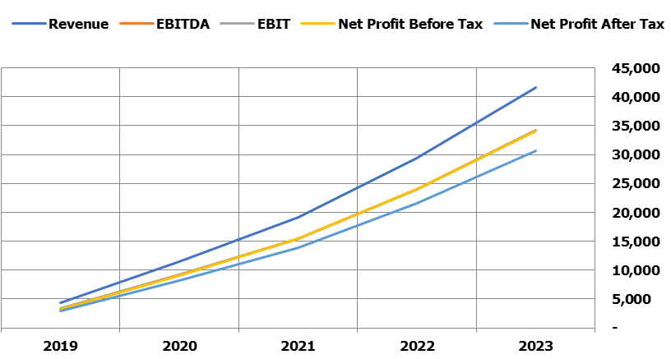

Balance Sheet ($'000) - 5 Years to August 2023 |  |  |  |  |  | Balance Sheet ($'000) - 2019

Financial Year | 2019 | 2020 | 2021 | 2022 | 2023 | 2018-09-30 | 2018-10-31 | 2018-11-30 | 2018-12-31 | 2019-01-31 | 2019-02-28 | 2019-03-31 | 2019-04-30 | 2019-05-31 | 2019-06-30 | 2019-07-31 | 2019-08-31

Current Assets | 5,775 | 15,670 | 31,718 | 56,310 | 90,512 | 1,358 | 1,712 | 2,081 | 2,462 | 2,853 | 3,254 | 3,662 | 4,077 | 4,497 | 4,920 | 5,347 | 5,775
Non-Current Assets | 2 | 1 | 1 | 0 | 0 | 2 | 2 | 2 | 2 | 2 | 2 | 2 | 2 | 2 | 2 | 2 | 2
Total Assets | 5,777 | 15,672 | 31,718 | 56,310 | 90,512 | 1,360 | 1,714 | 2,083 | 2,464 | 2,855 | 3,256 | 3,664 | 4,079 | 4,498 | 4,922 | 5,348 | 5,777

Current Liabilities | 2,032 | 3,959 | 6,331 | 9,618 | 13,340 | 339 | 646 | 924 | 1,170 | 1,385 | 1,570 | 1,724 | 1,847 | 1,939 | 2,001 | 2,032 | 2,032
Non-Current Liabilities | 858 | 685 | 490 | 270 | 22 | 1,000 | 988 | 975 | 963 | 950 | 938 | 925 | 912 | 899 | 885 | 872 | 858
Total Liabilities | 2,890 | 4,644 | 6,821 | 9,888 | 13,362 | 1,339 | 1,634 | 1,899 | 2,133 | 2,336 | 2,508 | 2,649 | 2,759 | 2,838 | 2,886 | 2,904 | 2,890

Net Assets | 2,887 | 11,028 | 24,898 | 46,422 | 77,150 | 22 | 80 | 184 | 331 | 520 | 749 | 1,016 | 1,320 | 1,660 | 2,036 | 2,445 | 2,887
Net Current Assets | 3,744 | 11,712 | 25,387 | 46,692 | 77,172 | 1,020 | 1,066 | 1,157 | 1,292 | 1,468 | 1,684 | 1,939 | 2,230 | 2,557 | 2,919 | 3,315 | 3,744

Ordinary Equity | 2 | 2 | 2 | 2 | 2 | 2 | 2 | 2 | 2 | 2 | 2 | 2 | 2 | 2 | 2 | 2 | 2
Other Equity | - | - | - | - | - | - | - | - | - | - | - | - | - | - | - | - | -
Retained Profits | 2,885 | 11,026 | 24,896 | 46,420 | 77,148 | 20 | 78 | 182 | 329 | 518 | 747 | 1,014 | 1,318 | 1,658 | 2,034 | 2,443 | 2,885
Total Equity | 2,887 | 11,028 | 24,898 | 46,422 | 77,150 | 22 | 80 | 184 | 331 | 520 | 749 | 1,016 | 1,320 | 1,660 | 2,036 | 2,445 | 2,887

Balance Sheet ($'000) - 5 Years to August 2023 |  |  |  |  |  | Balance Sheet ($'000) - 2019
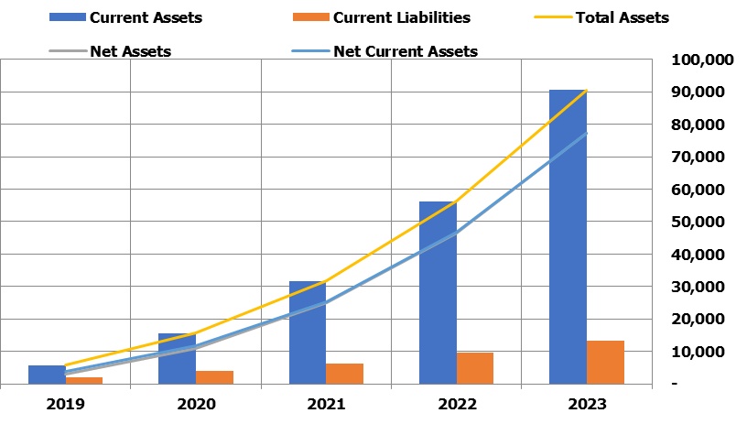

Cash Flow Statement ($'000) - 5 Years to August 2023 |  |  |  |  |  | Cash Flow Statement ($'000) - 2019

Financial Year | 2019 | 2020 | 2021 | 2022 | 2023 | 2018-09-30 | 2018-10-31 | 2018-11-30 | 2018-12-31 | 2019-01-31 | 2019-02-28 | 2019-03-31 | 2019-04-30 | 2019-05-31 | 2019-06-30 | 2019-07-31 | 2019-08-31

Cash Receipts | 6,390 | 13,355 | 21,500 | 32,659 | 45,284 | 404 | 435 | 463 | 489 | 512 | 534 | 553 | 571 | 587 | 601 | 615 | 627
Cash Payments | (1,049) | (2,289) | (3,644) | (5,408) | (7,401) | (43) | (52) | (61) | (69) | (77) | (85) | (93) | (100) | (107) | (114) | (121) | (127)
Other Operating Cash Flows | (424) | (998) | (1,613) | (2,439) | (3,433) | (2) | (16) | (21) | (26) | (31) | (35) | (39) | (43) | (47) | (51) | (54) | (58)
Operating Cash Flows | 4,917 | 10,068 | 16,242 | 24,813 | 34,450 | 358 | 366 | 381 | 393 | 404 | 414 | 421 | 428 | 433 | 437 | 440 | 442

Capital Expenditure | (2) | - | - | - | - | (2) | - | - | - | - | - | - | - | - | - | - | -
Other Investing Cash Flows | - | - | - | - | - | - | - | - | - | - | - | - | - | - | - | - | -
Investing Cash Flows | (2) | - | - | - | - | (2) | - | - | - | - | - | - | - | - | - | - | -

Debt Drawdowns/(Repayments) | 858 | (173) | (195) | (220) | (248) | 1,000.00 | (12.24) | (12.37) | (12.49) | (12.62) | (12.74) | (12.87) | (13.00) | (13.13) | (13.26) | (13.39) | (13.53)
Equity Raisings/(Buybacks) | 2 | - | - | - | - | 2 | - | - | - | - | - | - | - | - | - | - | -
Other Financing Cash Flows | - | - | - | - | - | - | - | - | - | - | - | - | - | - | - | - | -
Financing Cash Flows | 860 | (173) | (195) | (220) | (248) | 1,002 | (12) | (12) | (12) | (13) | (13) | (13) | (13) | (13) | (13) | (13) | (14)

Change in Cash Held | 5,775 | 9,895 | 16,047 | 24,593 | 34,202 | 1,358 | 354 | 369 | 381 | 392 | 401 | 408 | 415 | 420 | 424 | 427 | 429

Closing Cash | 5,775 | 15,670 | 31,718 | 56,310 | 90,512 | 1,358 | 1,712 | 2,081 | 2,462 | 2,853 | 3,254 | 3,662 | 4,077 | 4,497 | 4,920 | 5,347 | 5,775

Cash Flow Statement ($'000) - 5 Years to August 2023 |  |  |  |  |  | Cash Flow Statement ($'000) - 2019

Top_Revenue
Top Revenue
Your Business Model Name
Go to Table of Contents

Revenue Summary ($'000) - 5 Years to August 2023

Financial Year |  |  |  |  | 2019 | 2020 | 2021 | 2022 | 2023 |  |  | 2019 | 2020 | 2021 | 2022 | 2023

Offering - Monthly contracts |  |  |  |  | 1,957 | 4,719 | 7,687 | 11,674 | 16,179 |  |  | 45% | 41% | 40% | 40% | 39%
Offering - Annual contracts |  |  |  |  | 2,401 | 6,710 | 11,440 | 17,698 | 25,384 |  |  | 55% | 59% | 60% | 60% | 61%
Total Revenue |  |  |  |  | 4,358 | 11,429 | 19,127 | 29,371 | 41,562 |  |  | 100% | 100% | 100% | 100% | 100%

Revenue Summary ($'000) - 5 Years to August 2023
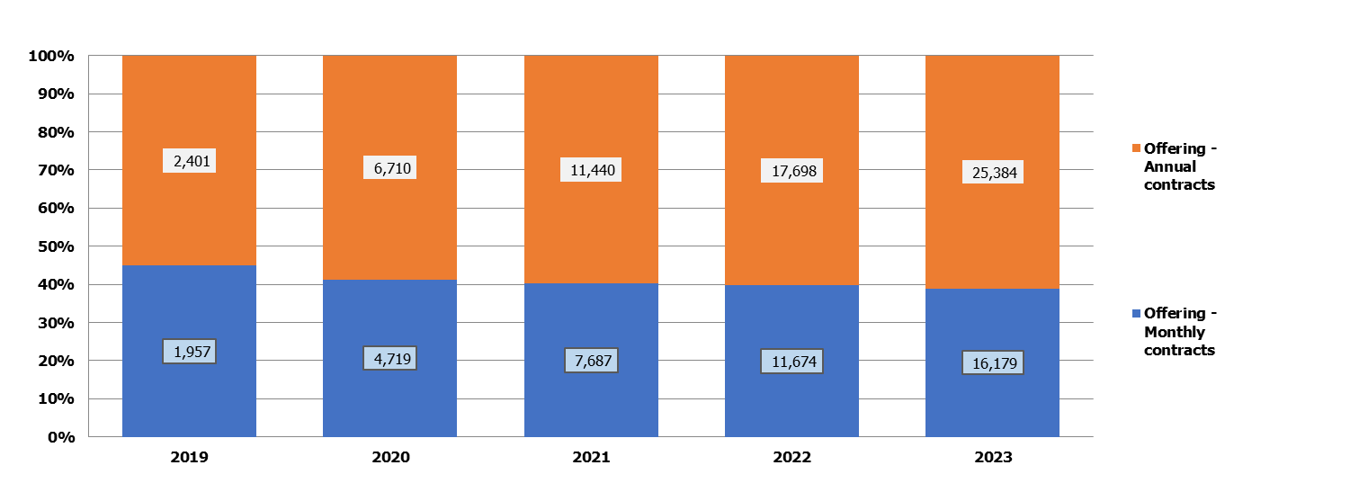
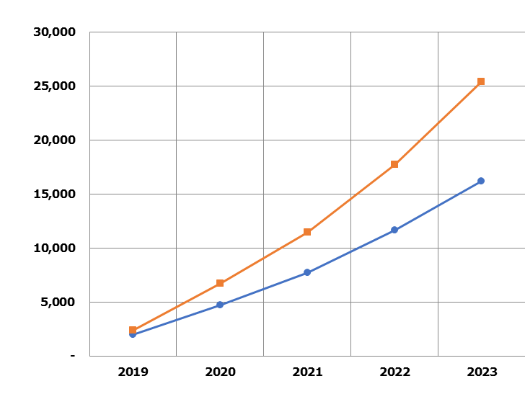

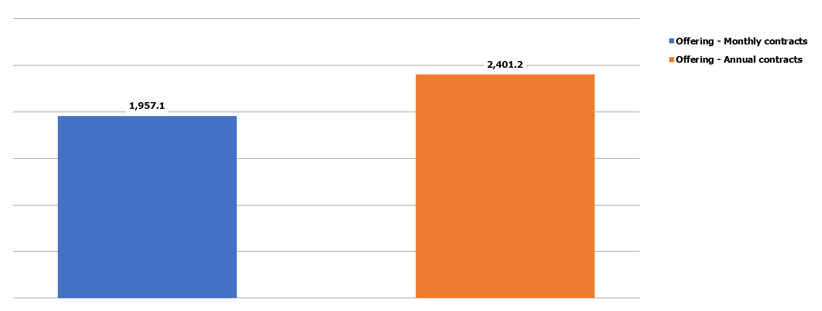
Revenue Depth ($'000) - 2019 |  |  |  |  |  |  |  |  |  |  | Monthly Run-Rate ($'000) - 2019
 |  |  |  |  |  |  |  |  |  |  |  |  |  |  |  | 2019
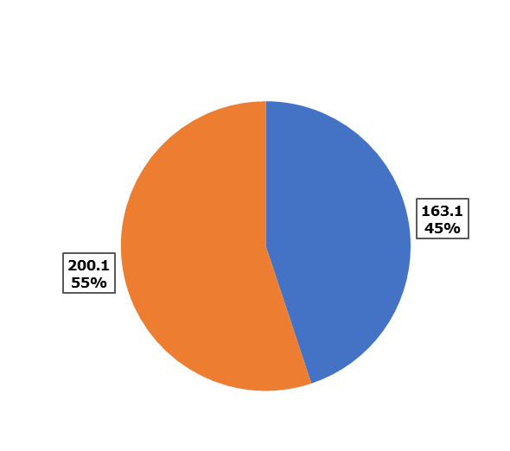

Revenue Bridge ($'000) - 2019 Total Revenue to 2023 Total Revenue
 |  |  |  |  |  |  |  |  |  |  |  |  | 2019 |  |  | 2023

Dashboard Source Data

 | Timing Information

 |  | Displayed Periods Description |  |  |  |  | 5 Years to August 2023

 |  | Central Chart End Date |  |  |  |  | 1
 |  | Central Chart Periods Description |  |  |  |  | 2019
 |  | Periods of Presentation |  |  |  |  | 1

 |  | Displayed Bridge Dates |  |  |  |  | 1 |  | 5

 |  | Financial Year |  |  | 2019 | 2020 | 2021 | 2022 | 2023

 |  | Year End Date |  |  | 31-Aug-19 | 31-Aug-20 | 31-Aug-21 | 31-Aug-22 | 31-Aug-23

 | Revenue Data

 |  | Heading |  |  | Revenue Summary

 |  | Base Categories |  |  |  |  |  |  |  |  | Total | Rank | Total | Base Categories
 |  | Offering - Monthly contracts |  |  | 1,957.1 | 4,718.7 | 7,687.3 | 11,673.6 | 16,178.6 |  | 42,215.3 | 2 | 63,632.7 | Offering - Annual contracts
 |  | Offering - Annual contracts |  |  | 2,401.2 | 6,710.0 | 11,440.2 | 17,697.8 | 25,383.6 |  | 63,632.7 | 1 | 42,215.3 | Offering - Monthly contracts
 |  | Total Revenue |  |  | 4,358.3 | 11,428.7 | 19,127.5 | 29,371.4 | 41,562.2 |  | 105,848.1 |  | 105,848.1

 |  | Summary Categories |  |  |  |  |  |  |  |  | Total |  | Monthly | 2019
 |  | Offering - Monthly contracts |  |  | 1,957.1 | 4,718.7 | 7,687.3 | 11,673.6 | 16,178.6 |  | 42,215.3 |  | 163.1 | 1,957.1
 |  | Offering - Annual contracts |  |  | 2,401.2 | 6,710.0 | 11,440.2 | 17,697.8 | 25,383.6 |  | 63,632.7 |  | 200.1 | 2,401.2
 |  | Total Revenue |  |  | 4,358.3 | 11,428.7 | 19,127.5 | 29,371.4 | 41,562.2 |  | 105,848.1

 |  |  | Error Values |  | - | - | - | - | -
 |  |  | Balance Check |  | - | - | - | - | -
 |  | Total Error Checks |  | - | - | - | - | - | -

 | Revenue Bridge
 |  |  |  |  |  |  | Positive |  |  |  | Negative |  | Total
 |  |  |  |  | Value | Cumulative | Invisible + | Green + | Invisble - | Green - | Red + | Red - | Blue
 |  | 2019 Total Revenue |  |  | 4,358.3 | 4,358.3 | - | 4,358.3 | - | - | - | - | -
 |  | Offering - Monthly contracts |  |  | 14,221.6 | 18,579.8 | 4,358.3 | 14,221.6 | - | - | - | - | -
 |  | Offering - Annual contracts |  |  | 22,982.4 | 41,562.2 | 18,579.8 | 22,982.4 | - | - | - | - | -
 |  | 2023 Total Revenue |  |  | 41,562.2 | 41,562.2 | - | - | - | - | - | - | 41,562.2

Top_Expenses
Top Expenses
Your Business Model Name
Go to Table of Contents

Top 5 Expense Categories ($'000) - 5 Years to August 2023

Financial Year |  |  |  |  | 2019 | 2020 | 2021 | 2022 | 2023 |  |  | 2019 | 2020 | 2021 | 2022 | 2023

COSS_Placeholder1 |  |  |  |  | 436 | 1,143 | 1,913 | 2,937 | 4,156 |  |  | 30% | 35% | 36% | 37% | 38%
Tax Expense |  |  |  |  | 321 | 905 | 1,541 | 2,392 | 3,414 |  |  | 22% | 28% | 29% | 30% | 32%
VC_Placeholder1 |  |  |  |  | 218 | 571 | 956 | 1,469 | 2,078 |  |  | 15% | 17% | 18% | 19% | 19%
Customer Acquisition Cost |  |  |  |  | 240 | 300 | 375 | 469 | 492 |  |  | 16% | 9% | 7% | 6% | 5%
Other |  |  |  |  | 259 | 369 | 472 | 581 | 694 |  |  | 18% | 11% | 9% | 7% | 6%
Total Expenses |  |  |  |  | 1,473 | 3,288 | 5,258 | 7,847 | 10,834 |  |  | 100% | 100% | 100% | 100% | 100%

Top 5 Expense Categories ($'000) - 5 Years to August 2023
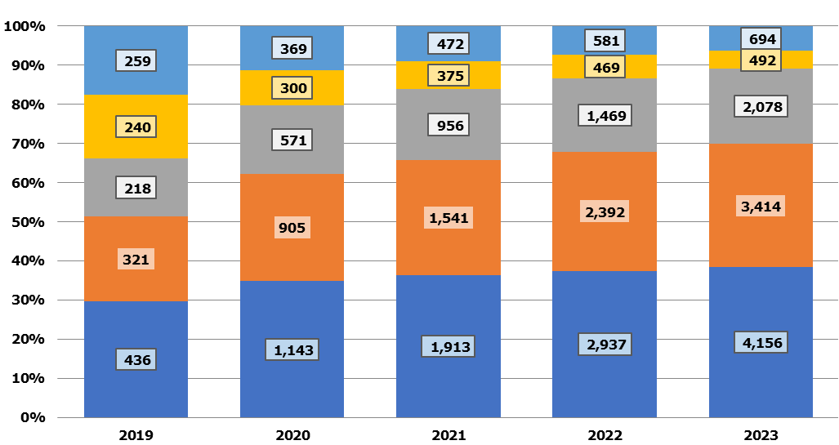
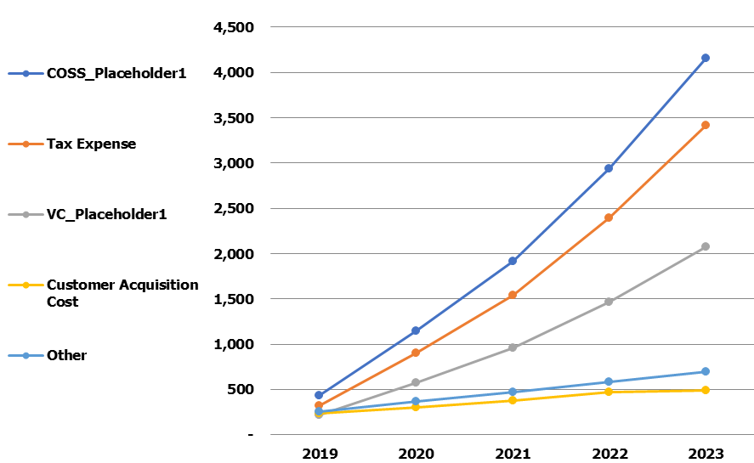

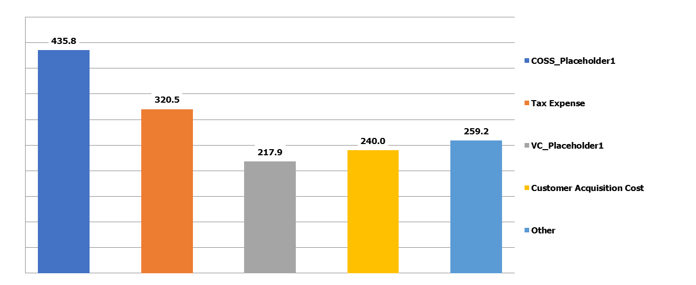
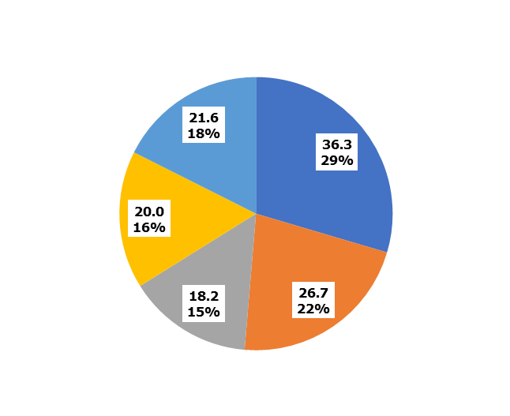
Expenses Depth ($'000) - 2019 |  |  |  |  |  |  |  |  |  |  | Monthly Run-Rate ($'000) - 2019
 |  |  |  |  |  |  |  |  |  |  |  |  |  |  |  | 2019

Expenses Bridge ($'000) - 2019 Total Expenses to 2023 Total Expenses
 |  |  |  |  |  |  |  |  |  |  |  |  | 2019 |  |  | 2023

Dashboard Source Data

 | Timing Information

 |  | Displayed Periods Description |  |  |  |  | 5 Years to August 2023

 |  | Central Chart End Date |  |  |  |  | 1
 |  | Central Chart Periods Description |  |  |  |  | 2019
 |  | Periods of Presentation |  |  |  |  | 1

 |  | Displayed Bridge Dates |  |  |  |  | 1 |  | 5

 |  | Financial Year |  |  | 2019 | 2020 | 2021 | 2022 | 2023

 |  | Year End Date |  |  | 31-Aug-19 | 31-Aug-20 | 31-Aug-21 | 31-Aug-22 | 31-Aug-23

 | Expenses Data

 |  | Heading |  |  | Top 5 Expense Categories

 |  | Base Categories |  |  |  |  |  |  |  |  | Total | Rank | Total | Base Categories
 |  | Total Salaries & Wages |  |  | 100.0 | 206.0 | 318.3 | 437.1 | 562.8 |  | 1,624.1 | 5 | 10,584.8 | COSS_Placeholder1
 |  | Payroll Tax |  |  | 10.0 | 20.6 | 31.8 | 43.7 | 56.3 |  | 162.4 | 8 | 8,572.0 | Tax Expense
 |  | COSS_Placeholder1 |  |  | 435.8 | 1,142.9 | 1,912.7 | 2,937.1 | 4,156.2 |  | 10,584.8 | 1 | 5,292.4 | VC_Placeholder1
 |  | COSS_Placeholder2 |  |  | - | - | - | - | - |  | - | 17 | 1,875.8 | Customer Acquisition Cost
 |  | COSS_Placeholder3 |  |  | - | - | - | - | - |  | - | 18 | 1,624.1 | Total Salaries & Wages
 |  | COSS_Placeholder4 |  |  | - | - | - | - | - |  | - | 19 | 334.4 | Interest Expense
 |  | COSS_Placeholder5 |  |  | - | - | - | - | - |  | - | 20 | 201.8 | FC_Placeholder2
 |  | VC_Placeholder1 |  |  | 217.9 | 571.4 | 956.4 | 1,468.6 | 2,078.1 |  | 5,292.4 | 3 | 162.4 | Payroll Tax
 |  | VC_Placeholder2 |  |  | - | - | - | - | - |  | - | 21 | 26.5 | FC_Placeholder3
 |  | VC_Placeholder3 |  |  | - | - | - | - | - |  | - | 22 | 13.3 | FC_Placeholder4
 |  | VC_Placeholder4 |  |  | - | - | - | - | - |  | - | 23 | 6.6 | FC_Placeholder5
 |  | VC_Placeholder5 |  |  | - | - | - | - | - |  | - | 24 | 2.2 | FC_Placeholder6
 |  | VC_Placeholder6 |  |  | - | - | - | - | - |  | - | 25 | 2.0 | Depreciation & Amortization
 |  | VC_Placeholder7 |  |  | - | - | - | - | - |  | - | 26 | 1.1 | FC_Placeholder7
 |  | VC_Placeholder8 |  |  | - | - | - | - | - |  | - | 27 | 0.6 | FC_Placeholder8
 |  | VC_Placeholder9 |  |  | - | - | - | - | - |  | - | 28 | 0.1 | FC_Placeholder1
 |  | VC_Placeholder10 |  |  | - | - | - | - | - |  | - | 29 | - | COSS_Placeholder2
 |  | VC_Placeholder11 |  |  | - | - | - | - | - |  | - | 30 | - | COSS_Placeholder3
 |  | VC_Placeholder12 |  |  | - | - | - | - | - |  | - | 31 | - | COSS_Placeholder4
 |  | VC_Placeholder13 |  |  | - | - | - | - | - |  | - | 32 | - | COSS_Placeholder5
 |  | VC_Placeholder14 |  |  | - | - | - | - | - |  | - | 33 | - | VC_Placeholder2
 |  | Customer Acquisition Cost |  |  | 240.0 | 300.0 | 375.0 | 468.8 | 492.0 |  | 1,875.8 | 4 | - | VC_Placeholder3
 |  | FC_Placeholder1 |  |  | 0.1 | - | - | - | - |  | 0.1 | 16 | - | VC_Placeholder4
 |  | FC_Placeholder2 |  |  | 36.5 | 38.4 | 40.2 | 42.3 | 44.4 |  | 201.8 | 7 | - | VC_Placeholder5
 |  | FC_Placeholder3 |  |  | 4.8 | 5.0 | 5.3 | 5.6 | 5.8 |  | 26.5 | 9 | - | VC_Placeholder6
 |  | FC_Placeholder4 |  |  | 2.4 | 2.5 | 2.6 | 2.8 | 2.9 |  | 13.3 | 10 | - | VC_Placeholder7
 |  | FC_Placeholder5 |  |  | 1.2 | 1.3 | 1.3 | 1.4 | 1.5 |  | 6.6 | 11 | - | VC_Placeholder8
 |  | FC_Placeholder6 |  |  | 0.4 | 0.4 | 0.4 | 0.5 | 0.5 |  | 2.2 | 12 | - | VC_Placeholder9
 |  | FC_Placeholder7 |  |  | 0.2 | 0.2 | 0.2 | 0.2 | 0.2 |  | 1.1 | 14 | - | VC_Placeholder10
 |  | FC_Placeholder8 |  |  | 0.1 | 0.1 | 0.1 | 0.1 | 0.1 |  | 0.6 | 15 | - | VC_Placeholder11
 |  | FC_Placeholder9 |  |  | - | - | - | - | - |  | - | 34 | - | VC_Placeholder12
 |  | FC_Placeholder10 |  |  | - | - | - | - | - |  | - | 35 | - | VC_Placeholder13
 |  | FC_Placeholder11 |  |  | - | - | - | - | - |  | - | 36 | - | VC_Placeholder14
 |  | FC_Placeholder12 |  |  | - | - | - | - | - |  | - | 37 | - | FC_Placeholder9
 |  | FC_Placeholder13 |  |  | - | - | - | - | - |  | - | 38 | - | FC_Placeholder10
 |  | FC_Placeholder14 |  |  | - | - | - | - | - |  | - | 39 | - | FC_Placeholder11
 |  | FC_Placeholder15 |  |  | - | - | - | - | - |  | - | 40 | - | FC_Placeholder12
 |  | FC_Placeholder16 |  |  | - | - | - | - | - |  | - | 41 | - | FC_Placeholder13
 |  | FC_Placeholder17 |  |  | - | - | - | - | - |  | - | 42 | - | FC_Placeholder14
 |  | FC_Placeholder18 |  |  | - | - | - | - | - |  | - | 43 | - | FC_Placeholder15
 |  | FC_Placeholder19 |  |  | - | - | - | - | - |  | - | 44 | - | FC_Placeholder16
 |  | FC_Placeholder20 |  |  | - | - | - | - | - |  | - | 45 | - | FC_Placeholder17
 |  | FC_Placeholder21 |  |  | - | - | - | - | - |  | - | 46 | - | FC_Placeholder18
 |  | FC_Placeholder22 |  |  | - | - | - | - | - |  | - | 47 | - | FC_Placeholder19
 |  | FC_Placeholder23 |  |  | - | - | - | - | - |  | - | 48 | - | FC_Placeholder20
 |  | FC_Placeholder24 |  |  | - | - | - | - | - |  | - | 49 | - | FC_Placeholder21
 |  | FC_Placeholder25 |  |  | - | - | - | - | - |  | - | 50 | - | FC_Placeholder22
 |  | Depreciation & Amortization |  |  | 0.4 | 0.4 | 0.4 | 0.4 | 0.4 |  | 2.0 | 13 | - | FC_Placeholder23
 |  | Interest Expense |  |  | 103.1 | 93.7 | 71.7 | 46.9 | 19.0 |  | 334.4 | 6 | - | FC_Placeholder24
 |  | Tax Expense |  |  | 320.5 | 904.6 | 1,541.1 | 2,391.6 | 3,414.2 |  | 8,572.0 | 2 | - | FC_Placeholder25
 |  | Total Expenses |  |  | 1,473.4 | 3,287.6 | 5,257.7 | 7,847.0 | 10,834.4 |  | 28,700.1 |  | 28,700.1

 |  | Summary Categories |  |  |  |  |  |  |  |  | Total |  | Monthly | 2019
 |  | COSS_Placeholder1 |  |  | 435.8 | 1,142.9 | 1,912.7 | 2,937.1 | 4,156.2 |  | 10,584.8 |  | 36.3 | 435.8
 |  | Tax Expense |  |  | 320.5 | 904.6 | 1,541.1 | 2,391.6 | 3,414.2 |  | 8,572.0 |  | 26.7 | 320.5
 |  | VC_Placeholder1 |  |  | 217.9 | 571.4 | 956.4 | 1,468.6 | 2,078.1 |  | 5,292.4 |  | 18.2 | 217.9
 |  | Customer Acquisition Cost |  |  | 240.0 | 300.0 | 375.0 | 468.8 | 492.0 |  | 1,875.8 |  | 20.0 | 240.0
 |  | Other |  |  | 259.2 | 368.7 | 472.5 | 580.9 | 693.9 |  | 2,375.1 |  | 21.6 | 259.2
 |  | Total Expenses |  |  | 1,473.4 | 3,287.6 | 5,257.7 | 7,847.0 | 10,834.4 |  | 28,700.1

 |  |  | Error Values |  | - | - | - | - | -
 |  |  | Balance Check |  | - | - | - | - | -
 |  | Total Error Checks |  | - | - | - | - | - | -

 | Expenses Bridge
 |  |  |  |  |  |  | Positive |  |  |  | Negative |  | Total
 |  |  |  |  | Value | Cumulative | Invisible + | Green + | Invisble - | Green - | Red + | Red - | Blue
 |  | 2019 Total Expenses |  |  | 1,473.4 | 1,473.4 | - | 1,473.4 | - | - | - | - | -
 |  | COSS_Placeholder1 |  |  | 3,720.4 | 5,193.8 | 1,473.4 | 3,720.4 | - | - | - | - | -
 |  | Tax Expense |  |  | 3,093.7 | 8,287.5 | 5,193.8 | 3,093.7 | - | - | - | - | -
 |  | VC_Placeholder1 |  |  | 1,860.2 | 10,147.7 | 8,287.5 | 1,860.2 | - | - | - | - | -
 |  | Customer Acquisition Cost |  |  | 252.0 | 10,399.7 | 10,147.7 | 252.0 | - | - | - | - | -
 |  | Other |  |  | 434.7 | 10,834.4 | 10,399.7 | 434.7 | - | - | - | - | -
 |  | 2023 Total Expenses |  |  | 10,834.4 | 10,834.4 | - | - | - | - | - | - | 10,834.4

BE
BreakEven Analysis
Your Business Model Name
Go to Table of Contents

Break Even Analysis ($'000)
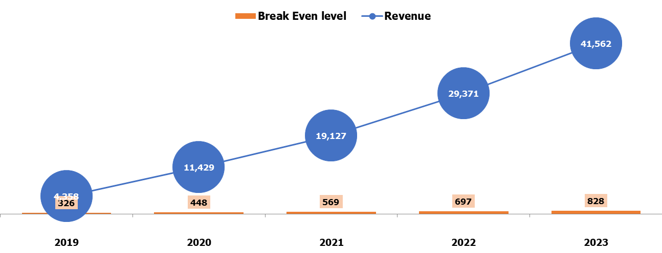

Break Even Calculation ($'000)

 | Financial Year | 2019 | 2020 | 2021 | 2022 | 2023

 | Revenue | 4,358 | 11,429 | 19,127 | 29,371 | 41,562
 | COSS | (436) | (1,143) | (1,913) | (2,937) | (4,156)
 | Gross Margin | 3,922 | 10,286 | 17,215 | 26,434 | 37,406
 | Variable Expenditure | (458) | (871) | (1,331) | (1,937) | (2,570)
 | Net Margin | 3,465 | 9,414 | 15,883 | 24,497 | 34,836
 | EBITDA | 3,309 | 9,140 | 15,483 | 23,963 | 34,161
 | Break Even level | 326 | 448 | 569 | 697 | 828
 | Net Profit Before Tax | 3,205 | 9,046 | 15,411 | 23,916 | 34,142
 | Net Profit Before Tax % | 74% | 79% | 81% | 81% | 82%
 | Net Profit After Tax | 2,885 | 8,141 | 13,870 | 21,524 | 30,728
 | Net Profit After Tax % | 66% | 71% | 73% | 73% | 74%

Burn
Cash Burn Ratio
Your Business Model Name
Go to Table of Contents

Cash Burn Ratio
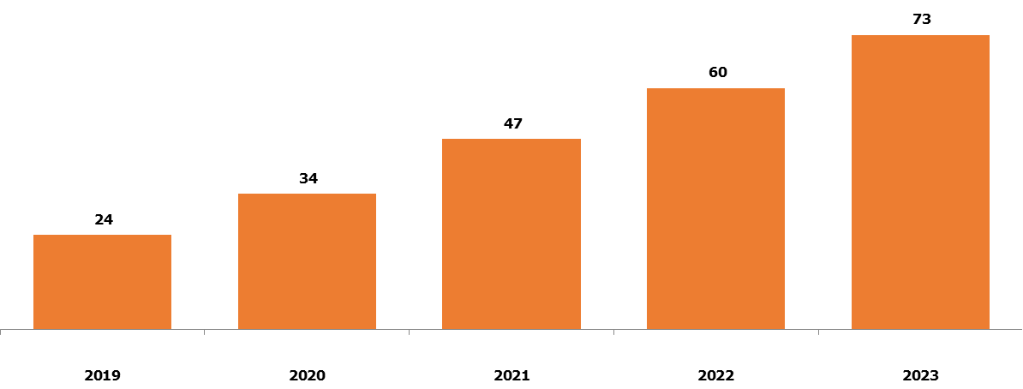

Cash Burn Ratio Calculation ($'000)

 | 31-Jan-18 | 31-Jan-19 | 31-Jan-20 | 31-Jan-21 | 31-Jan-22
Financial Year | 2019 | 2020 | 2021 | 2022 | 2023

Cash Payments | 1,049 | 2,289 | 3,644 | 5,408 | 7,401
Interest Paid | 103 | 94 | 72 | 47 | 19
Corporate Tax Paid | 321 | 905 | 1,541 | 2,392 | 3,414
Total Operating Cash Out | 1,473 | 3,287 | 5,257 | 7,847 | 10,834
Avg monthly Operating Cash Out | 123 | 274 | 438 | 654 | 903

Avg annual Cash Balance | 2,888 | 9,262 | 20,751 | 39,261 | 66,134

Cash Burn Ratio | 24 | 34 | 47 | 60 | 73

Fin_Charts
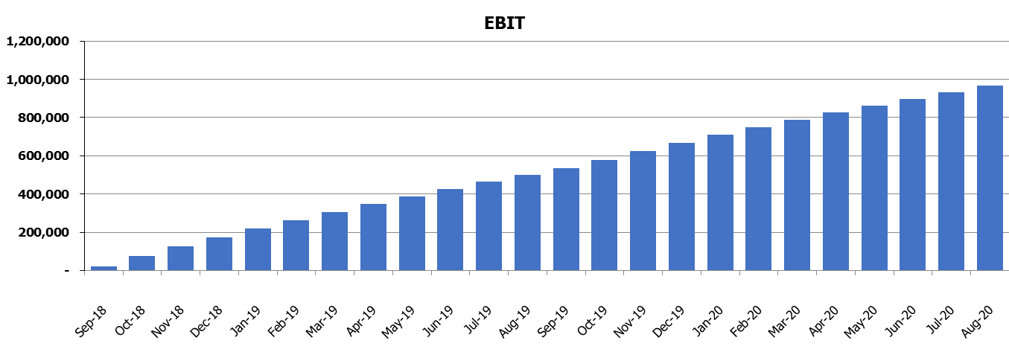
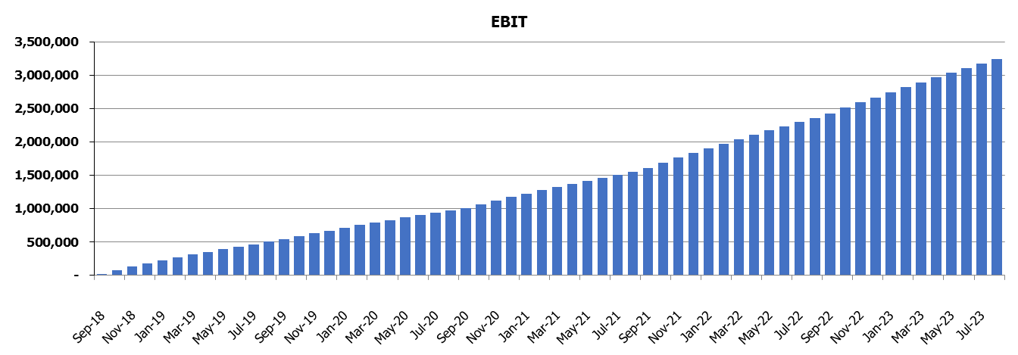
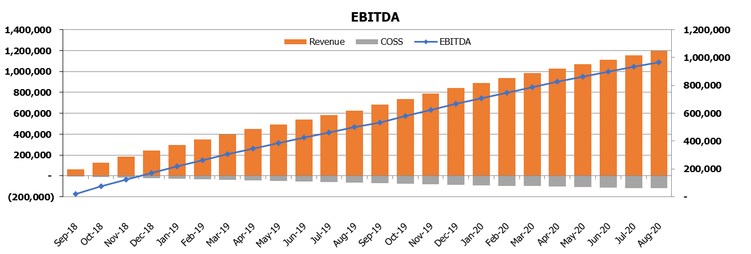
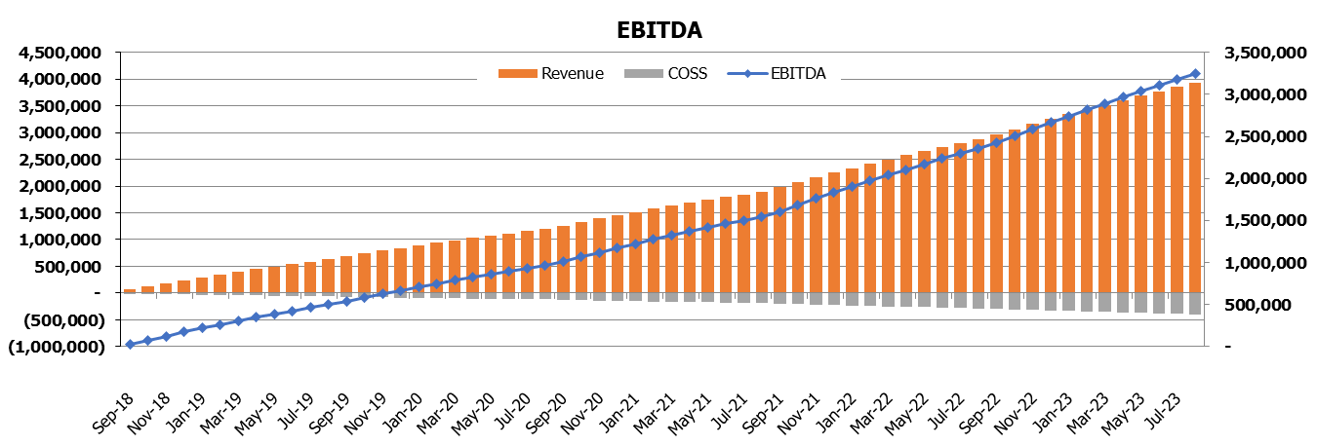
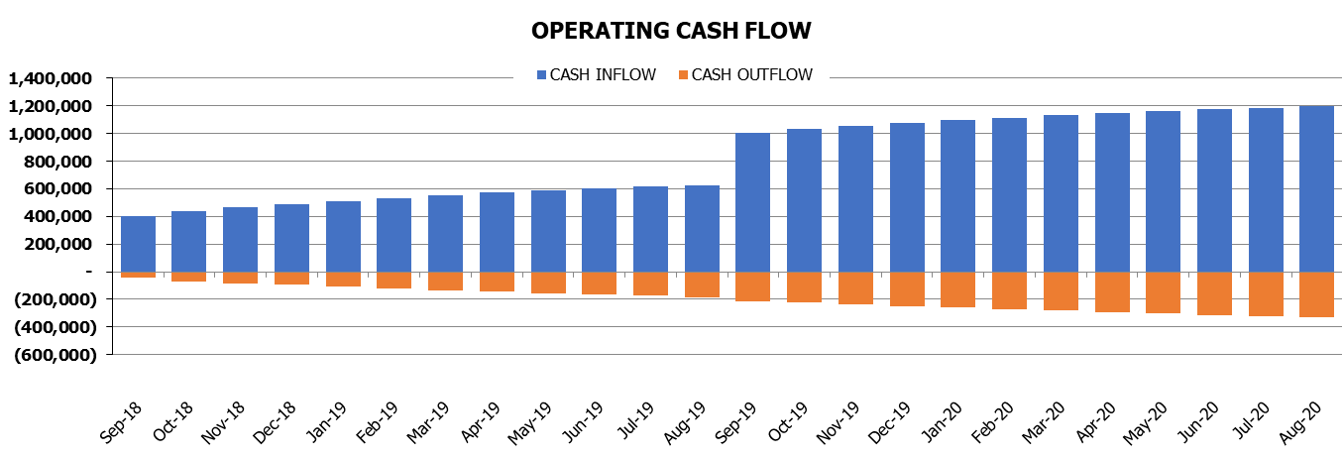
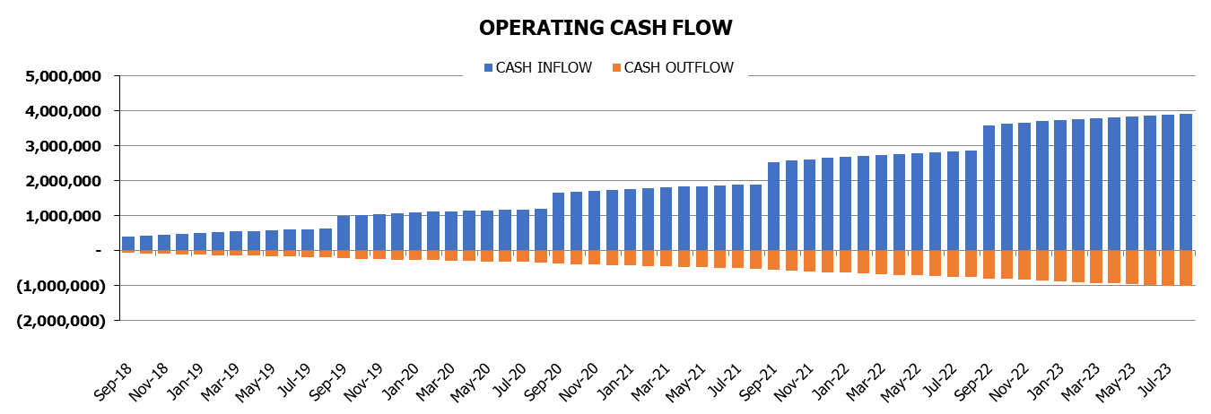
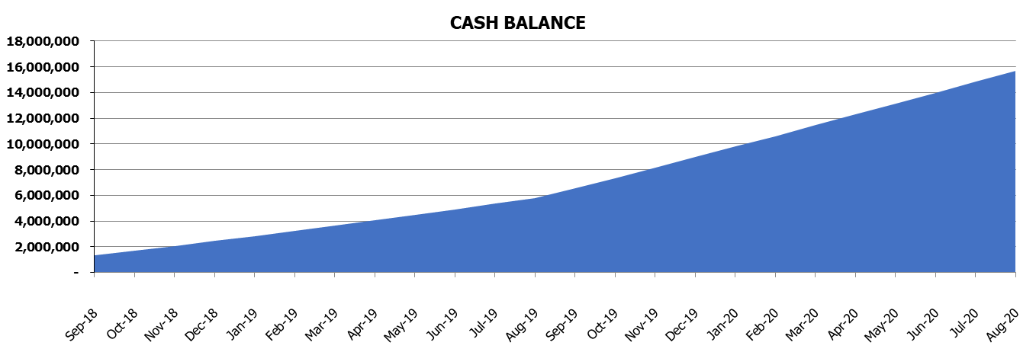
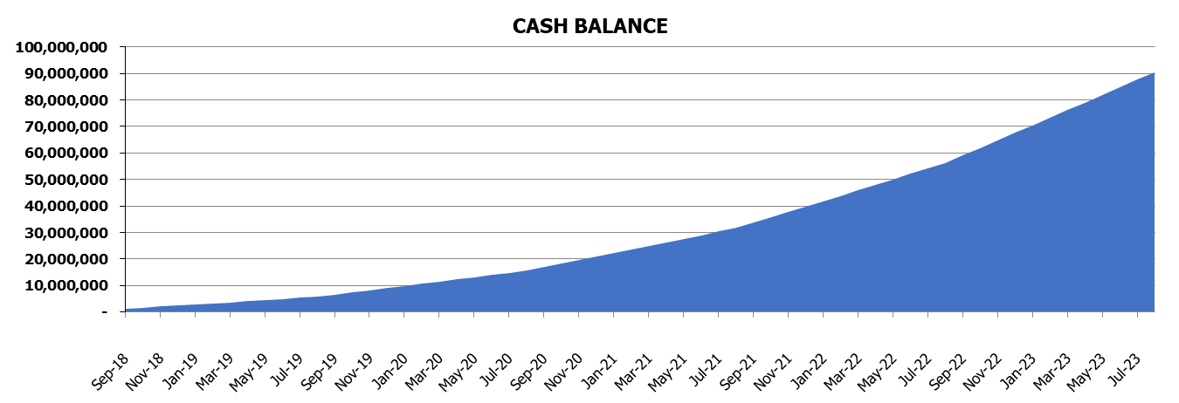
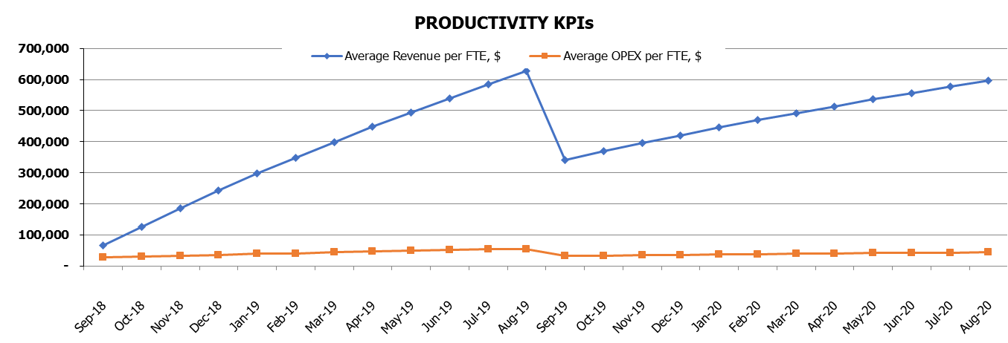
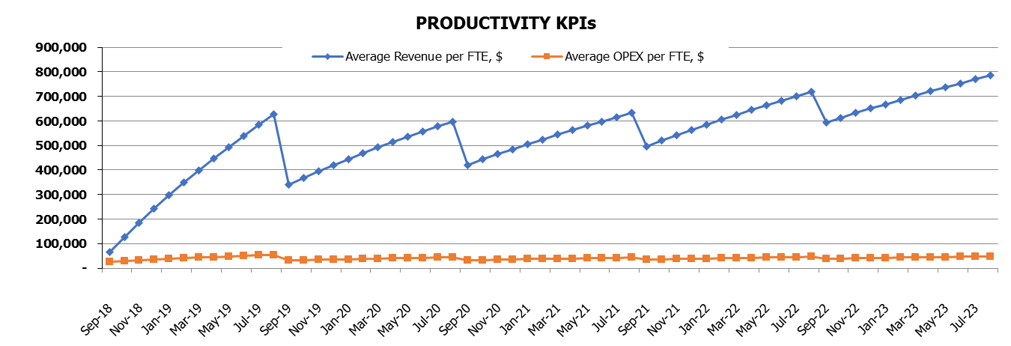
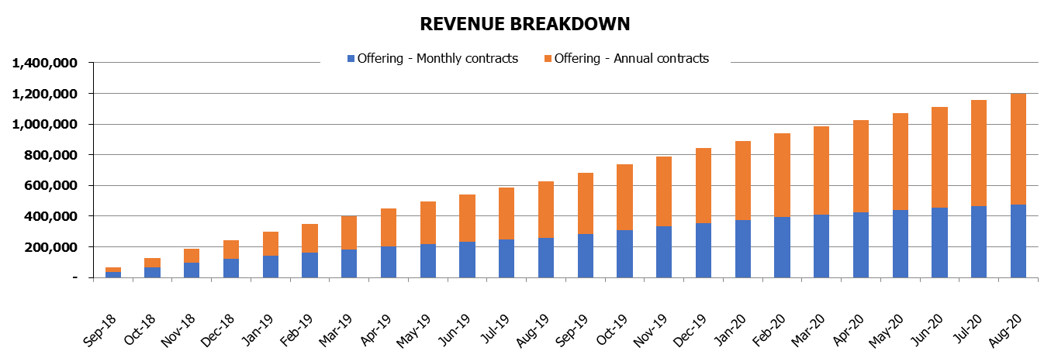
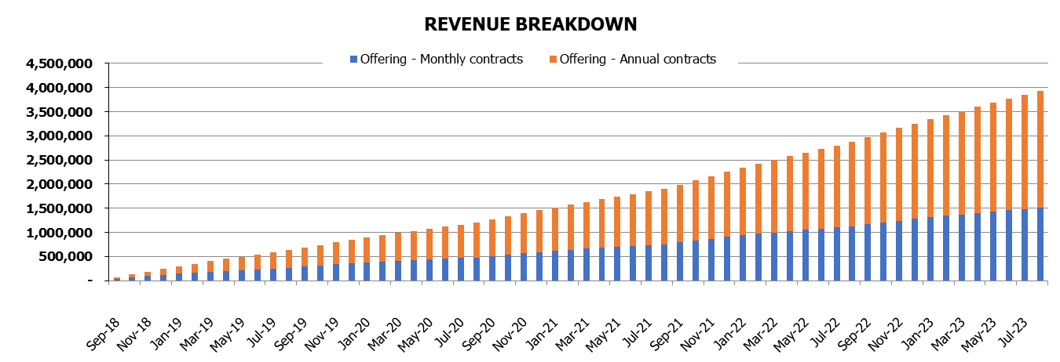
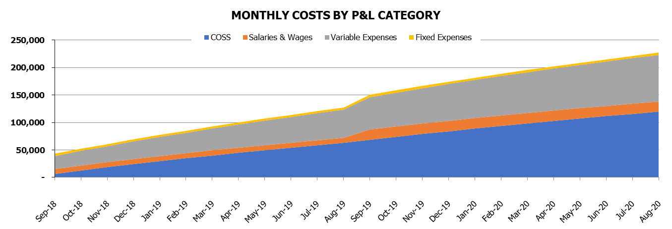
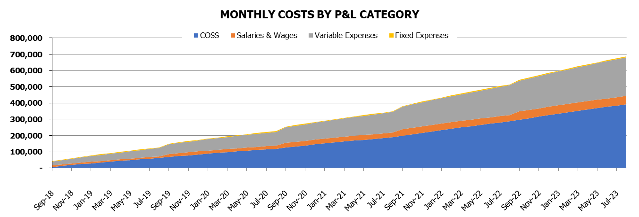
Financial Charts
Your Business Model Name
Go to Table of Contents

 | 24 months ($) | 5 years ($)

Cust_Charts
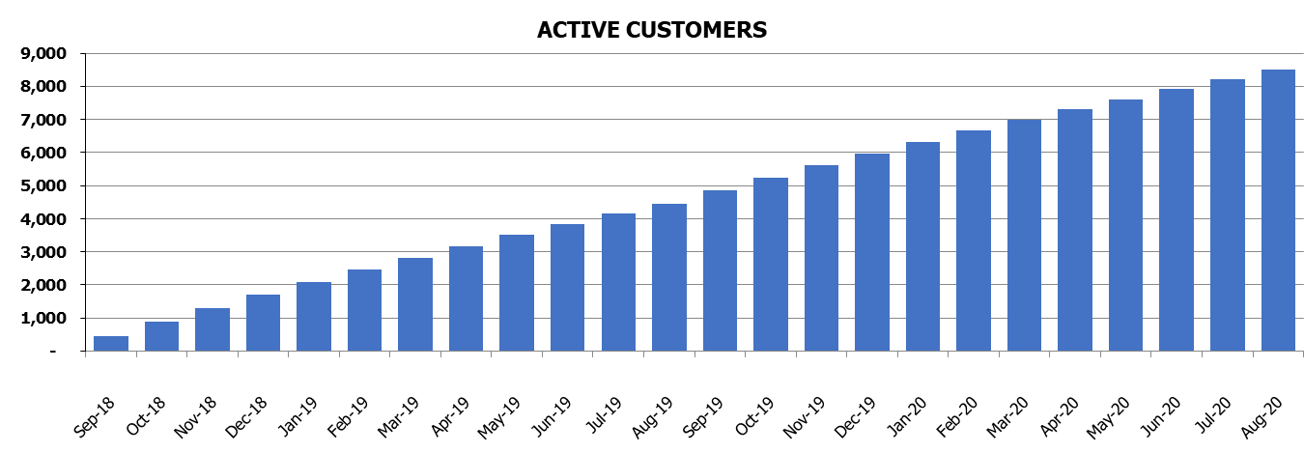
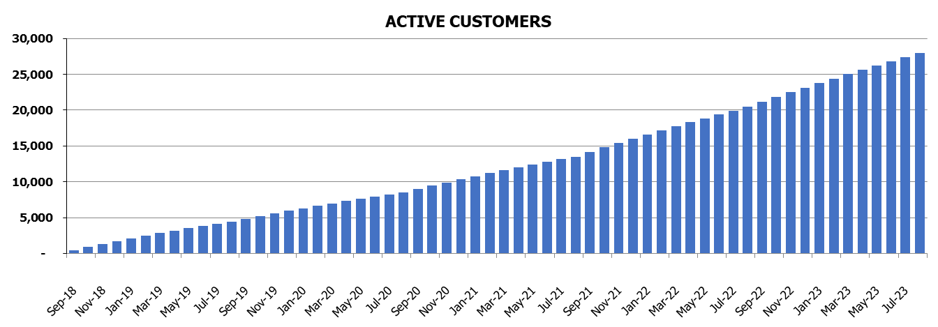
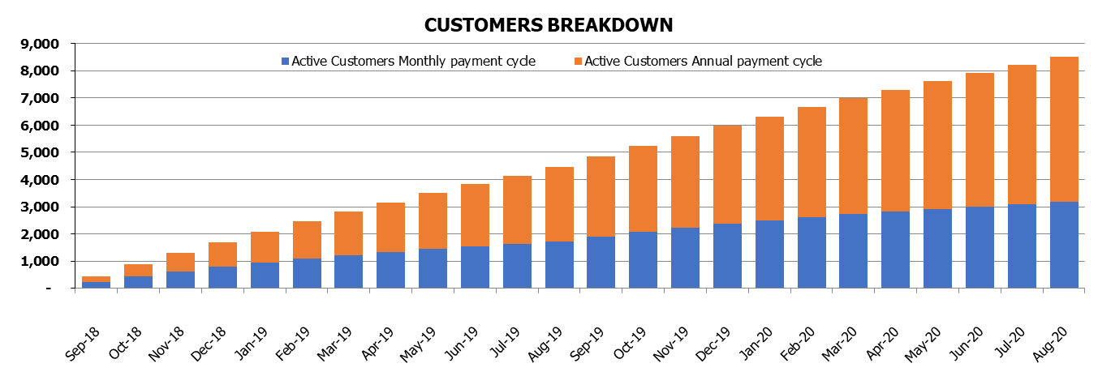
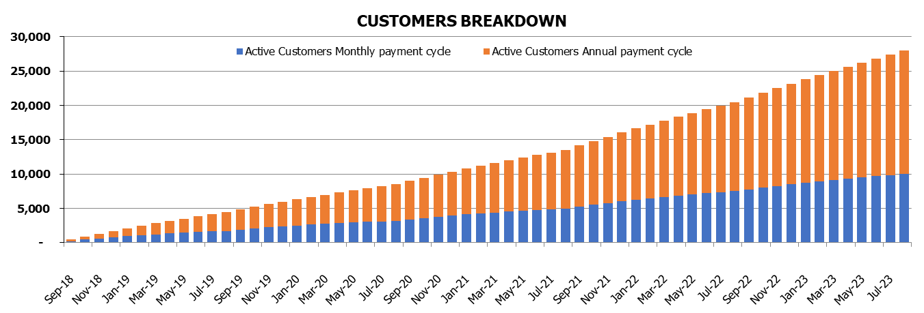
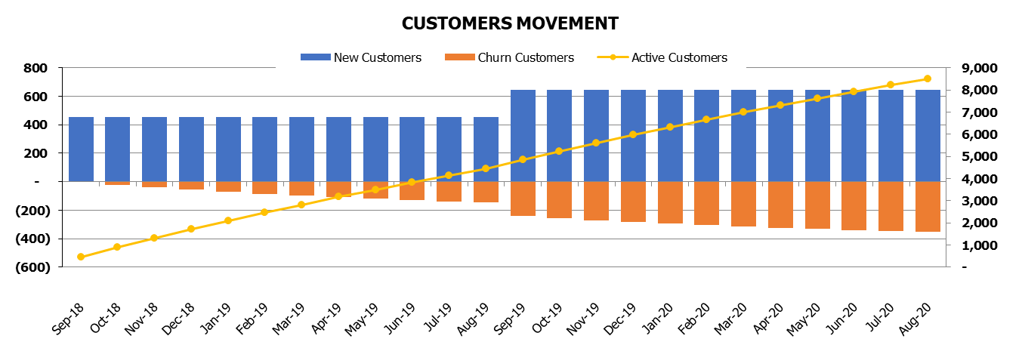
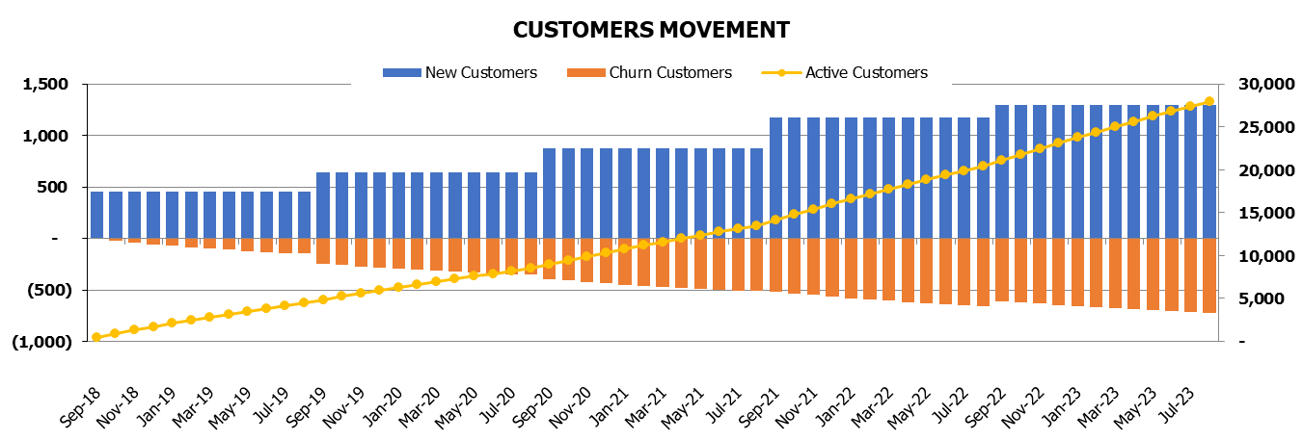
Customers Charts
Your Business Model Name
Go to Table of Contents

 | 24 months | 5 years

SaaS_Charts
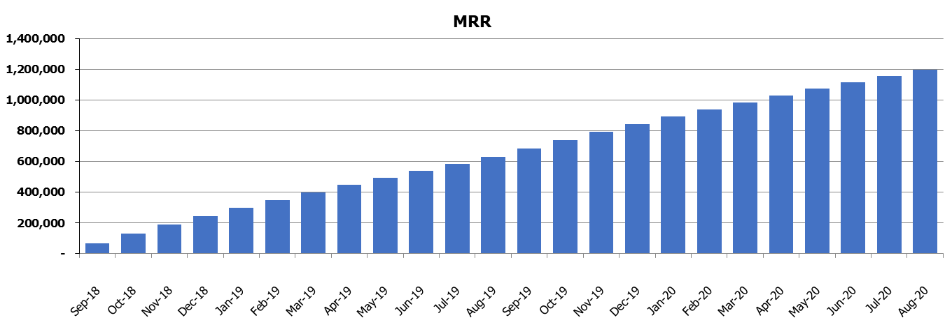
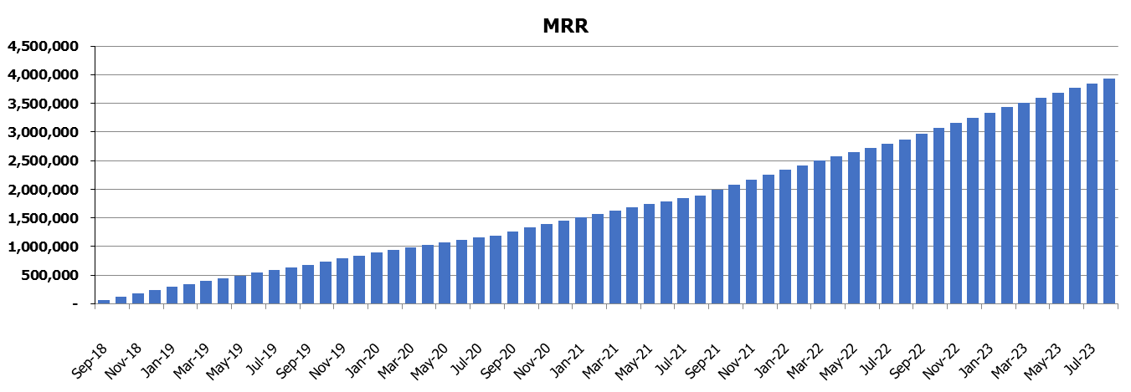
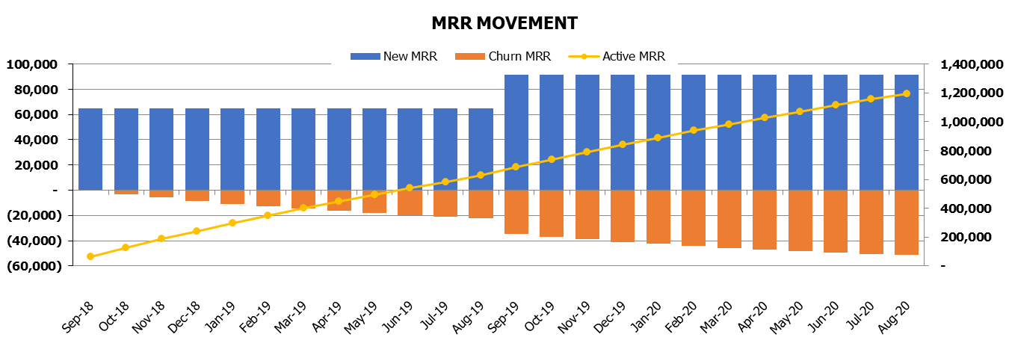
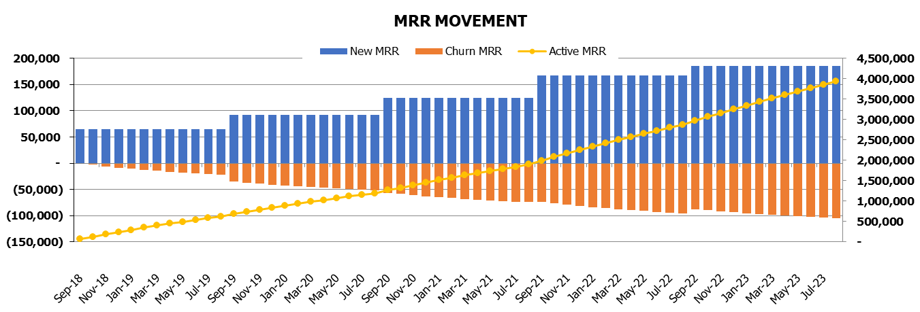
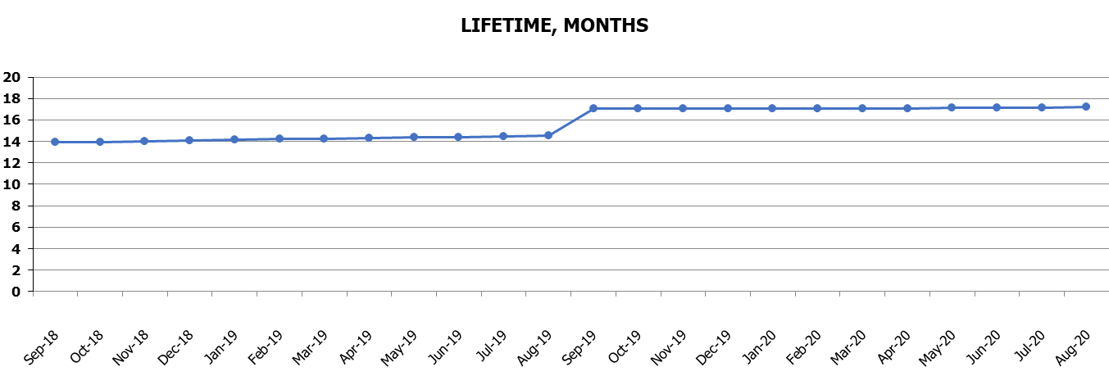
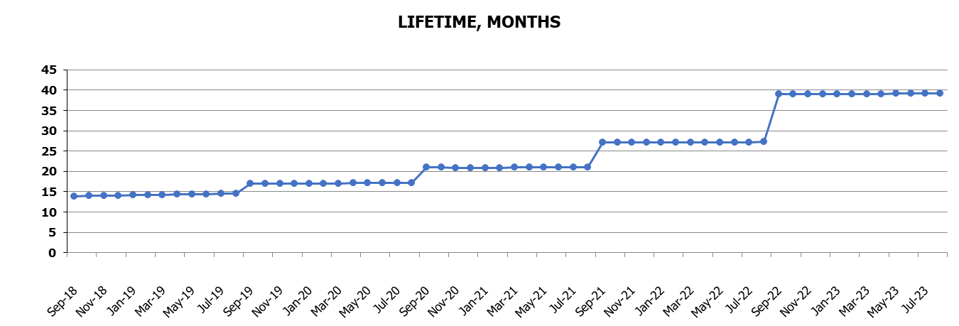
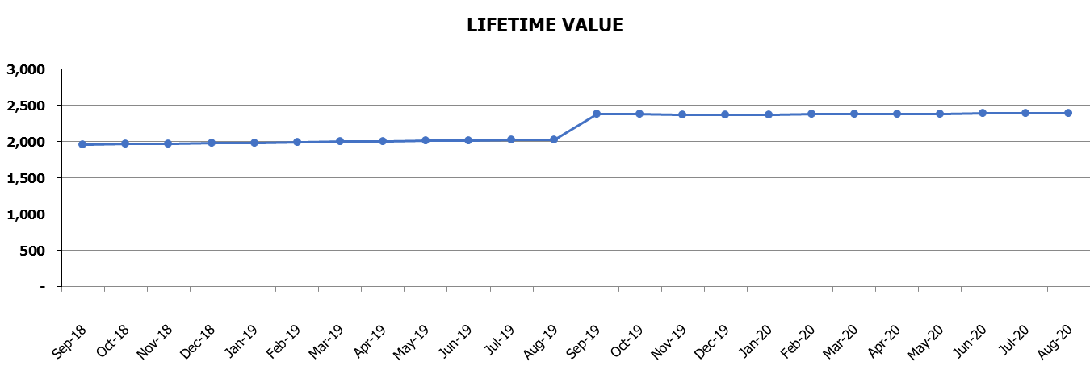
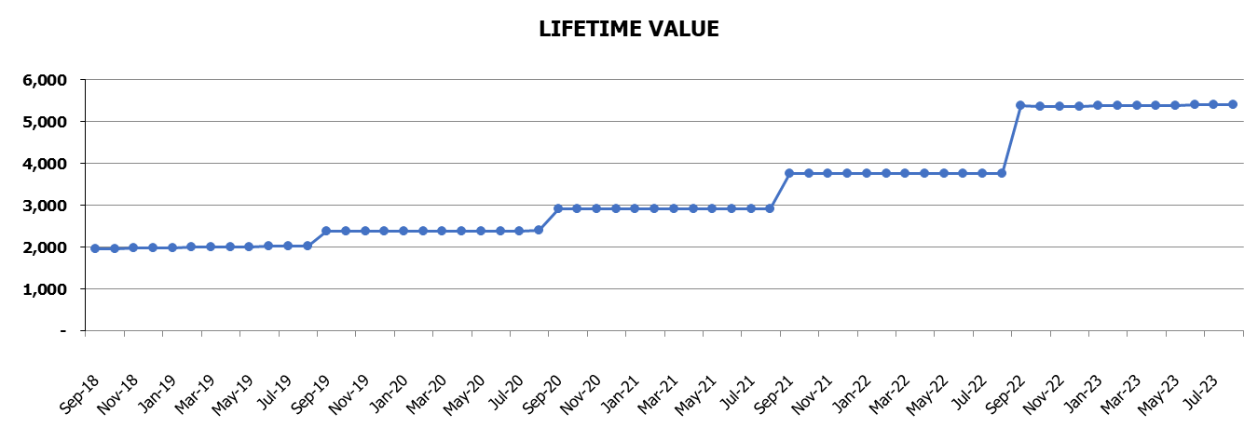
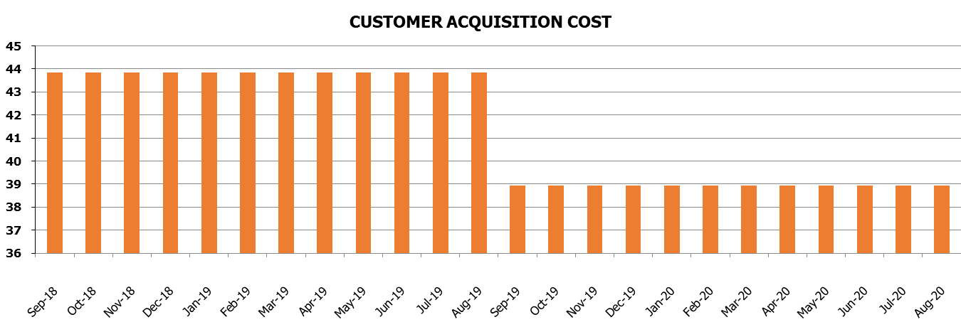
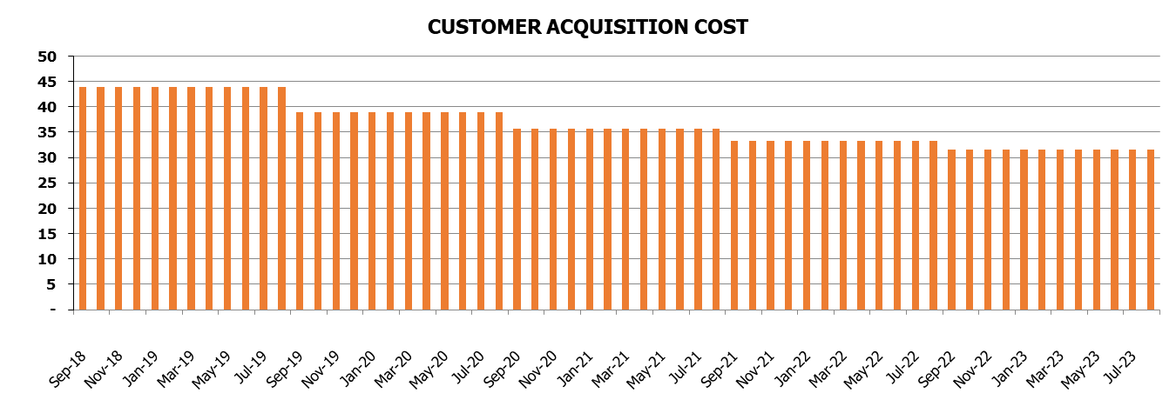
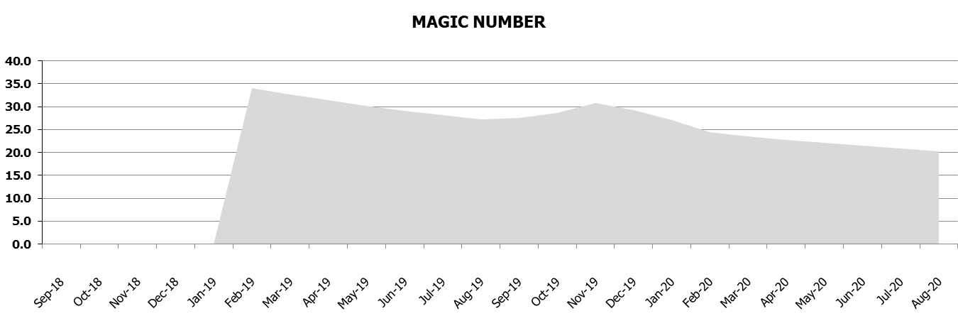
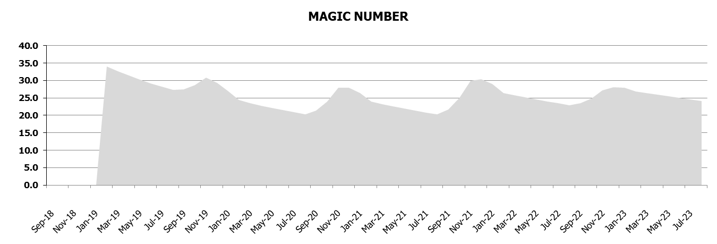
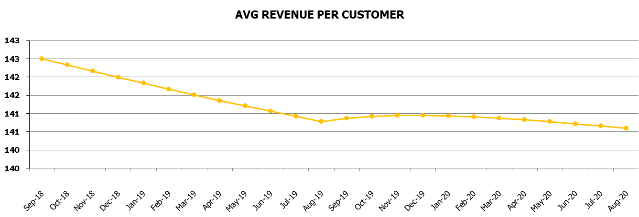









SaaS Charts
Your Business Model Name
Go to Table of Contents

 | 24 months ($) | 5 years ($)

KPI

Benchmark KPIs
Your Business Model Name
Go to the Table of Contents



KPI's |  |  |  |  |  |  | KPI's
 | Industry | 2019 | 2020 | 2021 | 2022 | 2023
LTV/CAC | 3.0 | 45.4 | 61.1 | 81.6 | 112.7 | 170.7
Churn rate, % | 6.0% | 7.3% | 6.2% | 5.1% | 4.1% | 3.1%
MoM Net MRR growth, % | 15% | 23% | 5% | 4% | 3% | 3%
Gross Margin, % | 70% | 90% | 90% | 90% | 90% | 90%
EBITDA, % | 40% | 76% | 80% | 81% | 82% | 82%


KPI's

