MIRAGE
MÓDULO | REF. | CORES | DESCRIÇÃO PORTUGUÊS | DESCRIÇÃO INGLÊS | DESCRIÇÃO ESPANHOL | MEDIDAS (LxAxP) | PESO LÍQ. (Kg) | PESO BRUTO (Kg) | VOL. | CUBAGEM (m³)
 | 33225 | N | Paneleiro simples - direito | Single high cabinet - right hinges | Despensero simple - bisagras en la derecha | 400x1940x290 | 16.84 | 18.00 | 1 | 0.0671
 | 33226 | N | Paneleiro simples - esquerdo | Single high cabinet - left hinges | Despensero simple - bisagras en la izquierda | 400x1940x290 | 16.84 | 18.00 | 1 | 0.0671
 | 33250 | S | Paneleiro simples - direito e 1 porta central com vidro | Single high cabinet - right hinges and 1 central glass door | Despensero simple - bisagras en la derecha y 1 puerta con vidrio | 400x1940x290 | 16.84 | 18.00 | 1 | 0.0671
 | 33251 | S | Paneleiro simples - esquerdo e 1 porta central com vidro | Single high cabinet - left hinges and 1 central glass door | Despensero simple - bisagras en la izquierda y 1 puerta con vidrio | 400x1940x290 | 16.84 | 18.00 | 1 | 0.0671
 | 33275 | N | Paneleiro duplo | Double high cabinet | Despensero doble | 800x1940x290 | 30.39 | 31.25 | 1 | 0.1010
 | 33300 | S | Paneleiro duplo - 2 portas centrais com vidro | Double high cabinet - 2 central glass doors | Despensero doble - 2 puertas con vidrio | 800x1940x290 | 30.49 | 31.35 | 1 | 0.1010
 | 33276 | N | Paneleiro duplo - 4 portas e 1 nicho | Double high cabinet - 4 doors and 1 niche | Despensero doble - 4 puertas y 1 nicho | 800x1840x290 | 27.00 | 29.55 | 1 | 0.0630
 | 33000 | N | Armário simples - direito | Single wall cabinet - right hinges | Medio - bisagras en la derecha | 400x550x290 | 6.00 | 6.39 | 1 | 0.0180
 | 33001 | N | Armário simples - esquerdo | Single wall cabinet - left hinges | Medio - bisagras en la izquierda | 400x550x290 | 6.00 | 6.39 | 1 | 0.0180
 | 33025 | S | Armário simples - direto e 1 porta com vidro | Single wall cabinet - right hinges and 1 glass door | Medio - bisagras en la derecha y 1 puerta con vidrio | 400x550x290 | 6.00 | 6.39 | 1 | 0.0180
 | 33026 | S | Armário simples - esquerdo e 1 porta com vidro | Single wall cabinet - left hinges and 1 glass door | Medio - bisagras en la izquierda y 1 puerta con vidrio | 400x550x290 | 6.00 | 6.39 | 1 | 0.0180
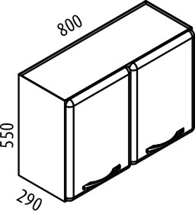 | 33100 | N | Armário duplo | Double wall cabinet | Doble medio | 800x550x290 | 10.54 | 11.14 | 1 | 0.0360
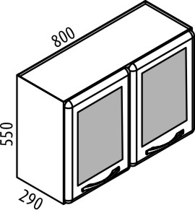 | 33125 | S | Armário duplo - 2 portas com vidro | Double wall cabinet - 2 glass doors | Doble medio - 2 puertas con vidrio | 800x550x290 | 10.57 | 11.18 | 1 | 0.0360
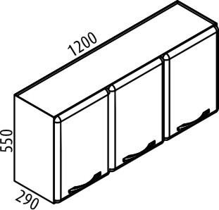 | 33150 | N | Armário triplo | Triple wall cabinet | Triple medio | 1200x550x290 | 14.26 | 15.46 | 1 | 0.0520
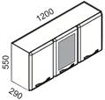 | 33200 | S | Armário triplo - 1 porta central com vidro | Triple wall cabinet - 1 central glass door | Triple medio - 1 puerta con vidrio | 1200x550x290 | 14.30 | 15.50 | 1 | 0.0520
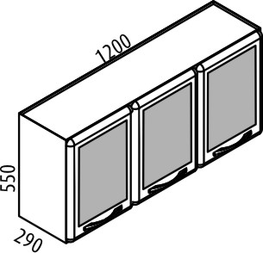 | 33201 | S | Armário triplo - 3 portas com vidro | Triple wall cabinet - 3 glass doors | Triple medio - 3 puertas con vidrio | 1200x550x290 | 14.30 | 15.50 | 1 | 0.0520
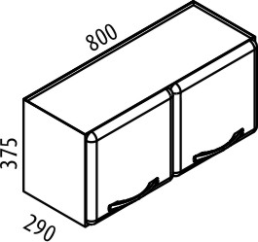 | 33101 | N | Armário duplo baixo | Low double wall cabinet | Doble bajo | 800x375x290 | 6.67 | 7.12 | 1 | 0.0270
 | 33050 | N | Armário de canto | Corner wall cabinet | Esquinero medio | 800x550x290 | 17.93 | 19.48 | 1 | 0.0600
 | 33075 | S | Armário de canto - 1 porta com vidro | Corner wall cabinet - 1 glass door | Esquinero medio - 1 puerta con vidrio | 800x550x290 | 17.93 | 19.48 | 1 | 0.0600
 | 33400 | N | Balcão simples - direito e sem tampo | Single base cabinet - right hinges and without top | Simple - bisagras en la derecha y sin tapa | 400x840x500 | 10.70 | 11.17 | 1 | 0.0390
 | 33401 | N | Balcão simples - esquerdo e sem tampo | Single base cabinet - left hinges and without top | Simple - bisagras en la izquierda y sin tapa | 400x840x500 | 10.70 | 11.17 | 1 | 0.0390
 | 33402 | N | Balcão simples - direito e com tampo | Single base cabinet - right hinges and with top | Simple - bisagras en la derecha y con tapa | 400x840x500 | 14.58 | 15.15 | 1 | 0.0490
 | 33403 | N | Balcão simples - esquerdo e com tampo | Single base cabinet - left hinges and with top | Simple - bisagras en la izquierda y con tapa | 400x840x500 | 14.58 | 15.15 | 1 | 0.0490
 | 33427 | S | Balcão simples - 2 gavetas, 1 porta baixa e sem tampo | Single base cabinet - 2 drawers, 1 low door and without top | Simple - 2 cajones, 1 puerta baja y sin tapa | 400x840x500 | 8.92 | 9.95 | 1 | 0.1780
 | 33428 | S | Balcão simples - 2 gavetas, 1 porta baixa e com tampo | Single base cabinet - 2 drawers, 1 low door and with top | Simple - 2 cajones, 1 puerta baja y con tapa | 400x840x500 | 12.62 | 13.65 | 1 | 0.1780
 | 33425 | S | Balcão simples - 5 gavetas e sem tampo | Single base cabinet - 5 drawers and without top | Simple - 5 cajones y sin tapa | 400x840x500 | 11.27 | 12.30 | 1 | 0.1780
 | 33426 | S | Balcão simples - 5 gavetas e com tampo | Single base cabinet - 5 drawers and with top | Simple - 5 cajones y con tapa | 400x840x500 | 15.12 | 16.15 | 1 | 0.1780
 | 33475 | N | Balcão duplo - sem tampo | Double base cabinet - without top | Doble - sin tapa | 800x840x500 | 13.33 | 15.03 | 1 | 0.0560
 | 33476 | N | Balcão duplo - com tampo | Double base cabinet - with top | Doble - con tapa | 800x840x500 | 20.14 | 21.82 | 1 | 0.0720
 | 33477 | N | Balcão duplo - com Cook Top | Double base cabinet - with Cook Top | Doble - con Cook Top | 800x840x500 | 22.72 | 25.10 | 2 | 0.1290
 | 33500 | S | Balcão duplo - 2 gavetas e sem tampo | Double base cabinet - 2 drawers and without top | Doble - 2 cajones y sin tapa | 800x840x500 | 16.75 | 18.73 | 1 | 0.1000
 | 33501 | S | Balcão duplo - 2 gavetas e com tampo | Double base cabinet - 2 drawers and with top | Doble - 2 cajones y con tapa | 800x840x500 | 23.55 | 25.53 | 1 | 0.1130
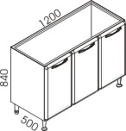
 | 33525 | N | Balcão triplo - sem tampo | Triple base cabinet - without top | Triple - sin tapa | 1200x840x500 | 19.86 | 21.42 | 1 | 0.0790
 | 33526 | N | Balcão triplo - com tampo | Triple base cabinet - with top | Triple - con tapa | 1200x840x500 | 30.96 | 32.42 | 1 | 0.0950
 | 33527 | N | Balcão triplo - com Cook Top | Triple base cabinet - with Cook Top | Triple - con Cook Top | 1200x840x500 | 33.20 | 34.10 | 2 | 0.1580
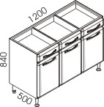 | 33550 | S | Balcão triplo - 3 gavetas e sem tampo | Triple base cabinet - 3 drawers and without top | Triple - 3 cajones y sin tapa | 1200x840x500 | 23.40 | 26.20 | 1 | 0.1630
 | 33551 | S | Balcão triplo - 3 gavetas e com tampo | Triple base cabinet - 3 drawers and with top | Triple - 3 cajones y con tapa | 1200x840x500 | 32.00 | 34.80 | 1 | 0.1634
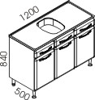 | 33552 | S | Balcão triplo - 2 gavetas e 1 frente falsa para pia 1200mm de cuba central | Triple base cabinet - 2 drawers, ready for single bowl sink 1200mm | Triple - 2 cajones, listo para lavaplatos de 1200mm | 1200x840x500 | 23.66 | 26.08 | 1 | 0.1470
 | 33553 | S | Balcão triplo - 2 gavetas e 1 frente falsa com pia 1200mm de cuba central | Triple cabinet - 2 drawers and with single bowl sink 1200mm | Triple - 2 cajones y con lavaplatos de 1200mm | 1200x840x500 | 30.66 | 33.07 | 2 | 0.2470
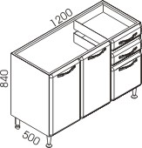
 | 33558 | S | Balcão triplo - 2 gavetas e 1 porta baixa e sem tampo | Triple base cabinet - 2 drawers, 1 low door and without top | Triple - 2 cajones, 1 puerta baja y sin tapa | 1200x840x500 | 23.79 | 26.20 | 2 | 0.1230
 | 33559 | S | Balcão triplo - 2 gavetas e 1 porta baixa e com tampo | Triple base cabinet - 2 drawers, 1 low door and with top | Triple - 2 cajones, 1 puerta baja y con tapa | 1200x840x500 | 33.50 | 36.71 | 2 | 0.1500
 | 33560 | S | Balcão triplo - 2 gavetas, 1 porta baixa e com Cook Top | Triple base cabinet - 2 drawers, 1 low door and Cook Top | Triple - 2 cajones, 1 puerta baja y con Cook Top | 1200x840x500 | 34.54 | 38.20 | 3 | 0.1920
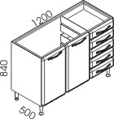
 | 33554 | S | Balcão triplo - 5 gavetas e sem tampo | Triple base cabinet - 5 drawers and without top | Triple - 5 cajones y sin tapa | 1200x840x500 | 25.89 | 27.84 | 2 | 0.1500
 | 33555 | S | Balcão triplo - 5 gavetas e com tampo | Triple base cabinet - 5 drawers and with top | Triple - 5 cajones y con tapa | 1200x840x500 | 34.49 | 36.44 | 2 | 0.1870
 | 33556 | S | Balcão triplo - 5 gavetas e com pia 1200mm de cuba central | Triple base cabinet - 5 drawers and with single bowl sink 1200mm | Triple - 5 cajones y con lavaplatos de 1200mm | 1200x840x500 | 33.01 | 34.96 | 3 | 0.2580
 | 33557 | S | Balcão triplo - 5 gavetas e com Cook Top | Triple base cabinet - 5 drawers and Cook Top | Triple - con Cook Top | 1200x840x500 | 36.28 | 39.70 | 3 | 0.2270
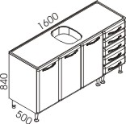 | 33561 | S | Balcão quadruplo - 5 gavetas e sem tampo | Quad base cabinet - 5 drawers and without top | Cuádruple - 5 cajones y sin tapa | 1600x840x500 | 35.68 | 39.20 | 2 | 0.2390
 | 33562 | S | Balcão quadruplo - 5 gavetas e pia 1600mm de cuba central | Quad base cabinet - 5 drawers and with single bowl sink 1600mm | Cuádruple - 5 cajones y con lavaplatos de 1600mm | 1600x840x500 | 42.68 | 46.73 | 3 | 0.3700
 | 33450 | N | Balcão de canto - sem tampo | Corner base cabinet - without top | Esquinero - sin tapa | 800x840x500 | 15.23 | 17.32 | 1 | 0.0650
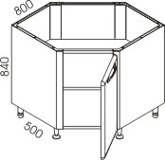 | 33451 | N | Balcão de canto - com tampo | Corner base cabinet - with top | Esquinero - con tapa | 800x840x500 | 25.56 | 28.04 | 1 | 0.1150
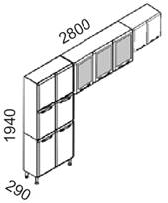 | 33800 | S | Cozinha compacta 01 33275 - Paneleiro duplo 33201 - Armário triplo - 3 portas com vidro 33101 - Armário duplo baixo | Compact kitchen 01 33275 - Double high cabinet 33201 - Triple wall cabinet - 3 glass doors 33101 - Low double wall cabinet | Cocina compacta 01 33275 - Despensero doble 33201 - Triple medio - 1 puerta con vidrio 33101 - Doble bajo | 2800x1940x290 | 51.36 | 53.87 | 3 | 0.1800
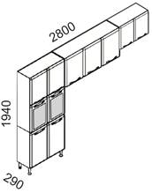 | 33801 | S | Cozinha compacta 02 33300 - Paneleiro duplo - 2 portas centrais com vidro 33150 - Armário triplo 33101 - Armário duplo baixo | Compact kitchen 02 33300 - Double high cabinet - 2 central glass doors 33150 - Triple wall cabinet 33101 - Low double wall cabinet | Cocina compacta 02 33300 - Despensero doble - 2 puertas con vidrio 33150 - Triple medio 33101 - Doble bajo | 2800x1940x290 | 51.42 | 53.93 | 3 | 0.1800
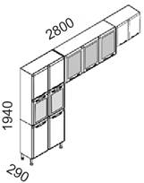 | 33802 | S | Cozinha compacta 03 33300 - Paneleiro duplo - 2 portas centrais com vidro 33201 Armário triplo - 3 portas com vidro 33101 - Armário duplo baixo | Compact kitchen 03 33300 - Double high cabinet - 2 central glass doors 33201 - Triple wall cabinet - 3 glass doors 33101 - Low double wall cabinet | Cocina compacta 03 33300 - Despensero doble - 2 puertas con vidrio 33201 - Triple medio - 1 puerta con vidrio 33101 - Doble bajo | 2800x1940x290 | 51.36 | 53.97 | 3 | 0.1800
 | 33600 | N | Kit duplo - 2 gavetas | Double Buffet & hutch - 2 drawers | Kit doble - 2 cajones | 800x1940x500 | 38.91 | 42.37 | 2 | 0.1763
 | 33601 | N | Kit duplo - 2 gavetas e cristaleira | Double Buffet & hutch - 2 drawers and sliding glass | Kit doble - 2 cajones y nicho intermedio con vidrio | 800x1940x500 | 38.91 | 42.83 | 2 | 0.1763
 | 33625 | S | Kit duplo - 2 gavetas e 2 portas com vidro | Double Buffet & hutch - 2 drawers and 2 glass doors | Kit doble - 2 cajones y 2 puertas con vidrio | 800x1940x500 | 38.91 | 42.37 | 2 | 0.1763
 | 33626 | S | Kit duplo - 2 gavetas, 2 portas com vidro e cristaleira | Double Buffet & hutch - 2 drawers, 2 glass doors and sliding glass | Kit doble - 2 cajones, 2 puertas con vidrio y nicho intermedio con vidrio | 800x1940x500 | 38.91 | 42.83 | 2 | 0.1763
 | 33701 | S | Kit triplo - 1 gaveta e 3 portas com vidro | Double Buffet & hutch - 1 drawer and 3 glass doors | Kit triple - 1 cajón y 3 puertas con vidrio | 1200x1940x500 | 51.00 | 55.00 | 3 | 0.2196
 | 33751 | S | Kit triplo - 1 gaveta, 3 portas com vidro e cristaleira | Double Buffet & hutch - 1 drawer, 3 glass doors and sliding glass | Kit triple - 1 cajón, 3 puertas con vidrio y nicho intermedio con vidrio | 1200x1940x500 | 53.20 | 57.20 | 3 | 0.2196
 | 33650 | N | Kit triplo - 3 gavetas | Triple Buffet & hutch - 3 drawers | Kit triple - 3 cajones | 1200x1940x500 | 55.41 | 57.51 | 2 | 0.2196
 | 33675 | N | Kit triplo - 3 gavetas e cristaleira | Triple Buffet & hutch - 3 drawers and sliding glass | Kit triple - 3 cajones y nicho intermedio con vidrio | 1200x1940x500 | 55.41 | 57.51 | 2 | 0.2196
 | 33651 | N | Kit triplo - 5 gavetas | Triple Buffet & hutch - 5 drawers | Kit triple - 5 cajones | 1200x1940x500 | 52.21 | 55.36 | 3 | 0.2407
 | 33676 | N | Kit triplo - 5 gavetas e cristaleira | Triple Buffet & hutch - 5 drawers and sliding glass | Kit triple - 5 cajones y nicho intermedio con vidrio | 1200x1940x500 | 54.71 | 57.86 | 3 | 0.2407
 | 33700 | S | Kit triplo - 3 gavetas e 3 portas com vidro | Double Buffet & hutch - 3 drawers and 3 glass doors | Kit triple - 3 cajones y 3 puertas con vidrio | 1200x1940x500 | 55.41 | 57.51 | 2 | 0.2190
 | 33750 | S | Kit triplo - 3 gavetas, 3 portas com vidro e cristaleira | Double Buffet & hutch - 3 drawers, 3 glass doors and sliding glass | Kit triple - 3 cajones, 3 puertas con vidrio y nicho intermedio con vidrio | 1200x1940x500 | 54.40 | 58.13 | 2 | 0.2190
 | 33702 | S | Kit triplo - 5 gavetas e 3 portas com vidro | Double Buffet & hutch - 5 drawers and 3 glass doors | Kit triple - 5 cajones y 3 puertas con vidrio | 1200x1940x500 | 52.46 | 55.61 | 3 | 0.2407
 | 33752 | S | Kit triplo - 5 gavetas, 3 portas com vidro e cristaleira | Double Buffet & hutch - 5 drawers, 3 glass doors and sliding glass | Kit triple - 5 cajones, 3 puertas con vidrio y nicho intermedio con vidrio | 1200x1940x500 | 54.96 | 58.11 | 3 | 0.2407
 | 33900 | S | Fruteira - 2 gavetas aramadas | Fruit cabinet - 2 wireframe drawers | Frutera - 2 cajones alambrados | 660x782x485 | 20.20 | 23.30 | 3 | 0.0700
 | 33901 | S | Fruteira - para microondas com 2 gavetas aramadas | Fruit cabinet - for microwave and 2 wireframe drawers | Frutera - para microondas y 2 cajones alambrados | 660x1167x485 | 27.00 | 29.80 | 3 | 0.0900
 | 33902 | S | Fruteira - 2 cestos giratórios | Fruit cabinet - 2 rotating baskets | Frutera - 2 cestas de rotación | 910x922x400 | 20.00 | 21.70 | 3 | 0.1040

NOVITÁ
MÓDULO | REF. | CORES | DESCRIÇÃO PORTUGUÊS | DESCRIÇÃO INGLÊS | DESCRIÇÃO ESPANHOL | MEDIDAS (LxAxP) | PESO LÍQ. (Kg) | PESO BRUTO (Kg) | VOL. | CUBAGEM (m³)
 | 87114 | N | Paneleiro duplo | Double high cabinet | Despensero doble | 700x1940x290 | 30.39 | 31.25 | 1 | 0.1010
 | 87115 | S | Paneleiro duplo - 2 portas centrais com vidro | Double high cabinet - 2 central glass doors | Despensero doble - 2 puertas con vidrio | 700x1940x290 | 30.39 | 31.25 | 1 | 0.1018
 | 87116 | N | Paneleiro duplo - 4 portas | Double high cabinet - 4 doors | Despensero doble - 4 puertas | 700x1600x290 | 22.40 | 24.40 | 1 | 0.0705
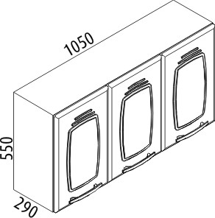 | 81188 | N | Armário triplo | Triple wall cabinet | Triple medio | 1050x550x290 | 11.60 | 12.55 | 1 | 0.0470
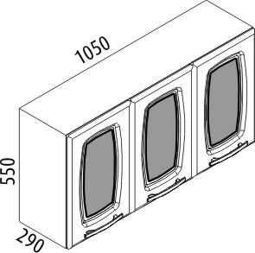 | 81189 | S | Armário triplo - 3 portas com vidro | Triple wall cabinet - 3 glass doors | Triple medio - 1 puerta con vidrio | 1050x550x290 | 11.60 | 12.55 | 1 | 0.0474
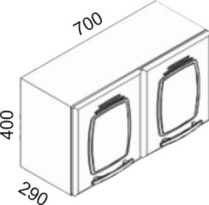 | 81186 | N | Armário duplo baixo | Low double wall cabinet | Doble bajo | 700x400x290 | 6.02 | 6.46 | 1 | 0.0270
 | 81187 | S | Armário triplo baixo | Low triple wall cabinet | Triple bajo | 1050x400x290 | 7.95 | 8.95 | 1 | 0.0420
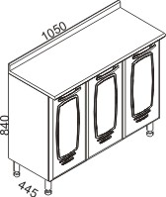
 | 82310 | N | Balcão triplo - 1 gaveta interna e sem tampo | Triple base cabinet - 1 inside drawer and without top | Triple - 1 cajón interno y sin tapa | 1050x840x445 | 15.54 | 17.40 | 2 | 0.1433
 | 82308 | N | Balcão triplo - 1 gaveta interna e com tampo | Triple base cabinet - 1 inside drawer and with top | Triple - 1 cajón interno y con tapa | 1050x840x445 | 21.52 | 23.10 | 2 | 0.1430
 | 82314 | N | Balcão triplo - 1 gaveta interna para pia 1050mm de cuba central | Triple base cabinet - 1 inside drawer, ready for single bowl sink 1050mm | Triple - 1 cajón interno, listo para lavaplatos de 1050mm | 1050x840x445 | 15.54 | 17.40 | 2 | 0.1433
 | 82316 | N | Balcão triplo - 1 gaveta interna com divisor de talheres e com tampo | Triple base cabinet - 1 inside drawer (with cutlery divider) and with top | Triple - 1 cajón interno (con divisor de cubiertos) y con tapa | 1050x840x445 | 21.06 | 22.20 | 1 | 0.1040
 | 82311 | S | Balcão triplo - 3 gavetas e sem tampo | Triple base cabinet - 3 drawers and without top | Triple - 3 cajones y sin tapa | 1050x840x445 | 15.54 | 17.40 | 2 | 0.1430
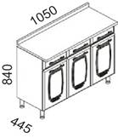 | 82309 | S | Balcão triplo - 3 gaveta e com tampo | Triple base cabinet - 3 drawers and with top | Triple - 3 cajones y con tapa | 1050x840x445 | 23.62 | 24.38 | 2 | 0.1430
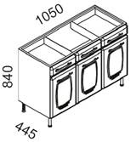 | 82315 | S | Balcão triplo - 2 gavetas e 1 frente falsa para pia 1050mm de cuba central | Triple base cabinet - 2 drawers, ready for single bowl sink 1050mm | Triple - 2 cajones, listo para lavaplatos de 1050mm | 1050x840x445 | 15.54 | 17.40 | 2 | 0.1430
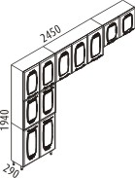 | 80124 | N | Cozinha compacta 01 87114 - Paneleiro duplo 81188 - Armário triplo 81186 - Armário duplo baixo | Compact kitchen 01 87114 - Double high cabinet 81188 - Triple wall cabinet 81186 - Low double wall cabinet | Cocina compacta 01 87114 - Despensero doble 81188 - Triple medio 81186 - Doble bajo | 2450x1940x290 | 42.18 | 44.85 | 3 | 0.1907
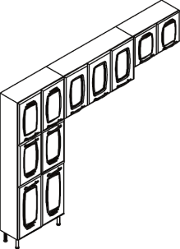 | 80125 | S | Cozinha compacta 02 87114 - Paneleiro duplo 81189 - Armário triplo - 3 portas com vidro 81186 - Armário duplo baixo | Compact kitchen 02 87114 - Double high cabinet 81189 - Triple wall cabinet - 3 glass doors 81186 - Low double wall cabinet | Cocina compacta 02 87114 - Despensero doble 81189 - Triple medio - 1 puerta con vidrio 81186 - Doble bajo | 2450x1940x290 | 42.18 | 44.85 | 3 | 0.1907
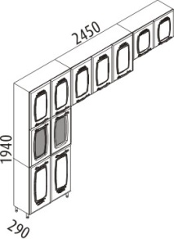 | 80126 | S | Cozinha compacta 03 87115 - Paneleiro duplo - 2 portas centrais com vidro 81188 - Armário triplo 81186 - Armário duplo baixo | Compact kitchen 03 87115 - Double high cabinet - 2 central glass doors 81188 - Triple wall cabinet 81186 - Low double wall cabinet | Cocina compacta 03 87115 - Despensero doble - 2 puertas con vidrio 81188 - Triple medio 81186 - Doble bajo | 2450x1940x290 | 42.18 | 44.85 | 3 | 0.1907
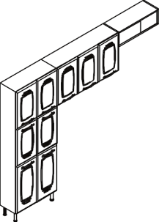 | 80127 | N | Cozinha compacta 04 87114 - Paneleiro duplo 81188 - Armário triplo 86043 - Armário nicho com vidro | Compact kitchen 04 87114 - Double high cabinet 81188 - Triple wall cabinet 86043 - Wall cabinet - niche horizontal with glass | Cocina compacta 04 87114 - Despensero doble 81188 - Triple medio 86043 - Nicho horizontal con vidrio | 2450x1940x290 | 49.07 | 50.93 | 3 | 0.1492
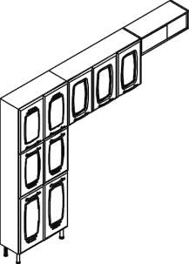 | 80128 | S | Cozinha compacta 05 87114 - Paneleiro duplo 81189 - Armário triplo - 3 portas com vidro 86043 - Armário nicho com vidro | Compact kitchen 05 87114 - Double high cabinet 81189 - Triple wall cabinet - 3 glass doors 86043 - Wall cabinet - niche horizontal with glass | Cocina compacta 05 87114 - Despensero doble 81189 - Triple medio - 1 puerta con vidrio 86043 - Nicho horizontal con vidrio | 2450x1940x290 | 49.07 | 50.93 | 3 | 0.1492
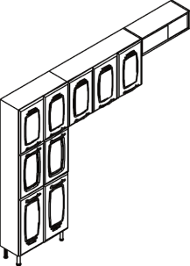 | 80129 | S | Cozinha compacta 06 87115 - Paneleiro duplo - 2 portas centrais com vidro 81188 - Armário triplo 86043 - Armário nicho com vidro | Compact kitchen 06 87115 - Double high cabinet - 2 central glass doors 81188 - Triple wall cabinet 86043 - Wall cabinet - niche horizontal with glass | Cocina compacta 06 87115 - Despensero doble - 2 puertas con vidrio 81188 - Triple medio 86043 - Nicho horizontal con vidrio | 2450x1940x290 | 49.07 | 50.93 | 3 | 0.1492
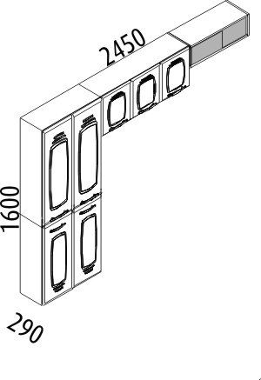 | 80130 | S | Cozinha compacta 11 87116 - Paneleiro duplo - 4 portas 81187 - Armário triplo baixo 86043 - Armário nicho com vidro | Compact kitchen 11 87116 - Double high cabinet - 4 doors 81187 - Low triple wall cabinet 86043 - Wall cabinet - niche horizontal with glass | Cocina compacta 11 87116 - Despensero doble - 4 puertas 81187 - Triple bajo 86043 - Nicho horizontal con vidrio | 2450x1600x290 | 31.32 | 33.00 | 1 | 0.1070
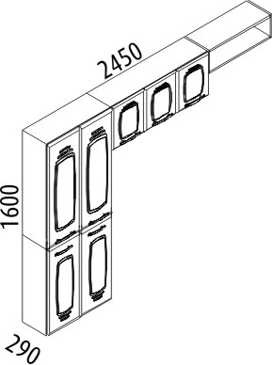 | 80131 | S | Cozinha compacta 12 87116 - Paneleiro duplo - 4 portas 81187 - Armário triplo baixo 86044 - Armário nicho sem vidro | Compact kitchen 12 87116 - Double high cabinet - 4 doors 81187 - Low triple wall cabinet 86044 - Wall cabinet - niche horizontal without glass | Cocina compacta 12 87116 - Despensero doble - 4 puertas 81187 - Triple bajo 86044 - Nicho horizontal sin vidrio | 2450x1600x290 | 31.32 | 33.00 | 1 | 0.1070
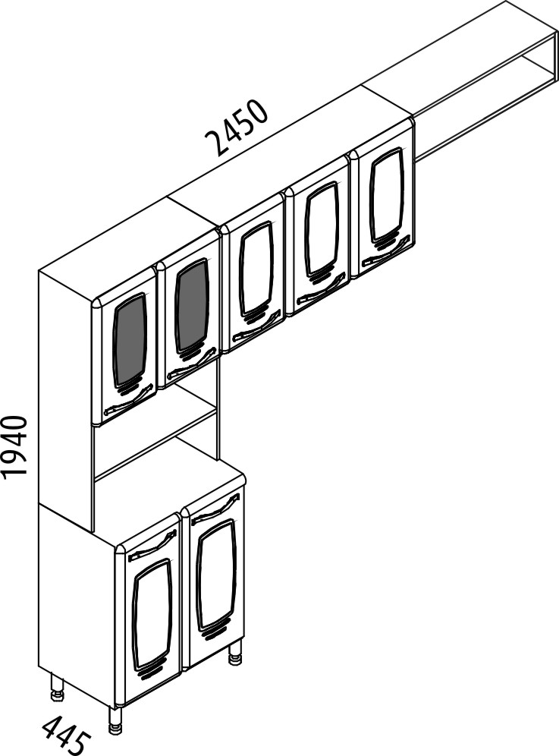 | 80136 | S | Cozinha compacta Novitá Exclusive 88186 - Kit duplo 81188 - Armário triplo 86044 - Armário nicho sem vidro | Compact kitchen Novitá Exclusive 88186 - Double Buffet & hutch 81188 - Triple wall cabinet 86044 - Wall cabinet - niche horizontal without glass | Cocina compacta Novitá Exclusive 88186 - Kit doble 81188 - Triple medio 86044 - Nicho horizontal sin vidrio | 2450x1940x445 | 42.81 | 44.87 | 2 | 0.1470
 | 88186 | S | Kit duplo - Novitá Exclusive | Double Buffet & hutch - Novitá Exclusive | Kit doble - Novitá Exclusive | 700x1940x445 | 25.52 | 28.01 | 1 | 0.1010
 | 88168 | N | Kit triplo - 1 gaveta interna | Triple Buffet & hutch - 1 inside drawer | Kit triple - 1 cajón interno | 1050x1940x445 | 38.6 | 40.90 | 3 | 0.1896
 | 88170 | N | Kit triplo - 1 gaveta interna e cristaleira | Triple Buffet & hutch - 1 inside drawer and sliding glass | Kit triple - 1 cajón interno y nicho intermedio con vidrio | 1050x1940x445 | 38.6 | 40.90 | 3 | 0.1896
 | 88169 | S | Kit triplo - 1 gaveta interna e 3 portas com vidro | Triple Buffet & hutch - 1 inside drawer and 3 doors with glass | Kit triple - 1 cajón interno y 3 puertas con vidrio | 1050x1940x445 | 38.6 | 40.90 | 3 | 0.1896
 | 88171 | S | Kit triplo - 1 gaveta interna, 3 portas com vidro e cristaleira | Triple Buffet & hutch - 1 inside drawer, 3 doors with glass and sliding glass | Kit triple - 1 cajón interno, 3 puertas con vidrio y nicho intermedio con vidrio | 1050x1940x445 | 38.6 | 40.90 | 3 | 0.1896
 | 88172 | N | Kit triplo - 1 gaveta | Triple Buffet & hutch - 1 drawer | Kit triple - 1 cajón | 1050x1940x445 | 38.6 | 40.90 | 3 | 0.1896
 | 88174 | N | Kit triplo - 1 gaveta e cristaleira | Triple Buffet & hutch - 1 drawer and sliding glass | Kit triple - 1 cajón y nicho intermedio con vidrio | 1050x1940x445 | 38.6 | 40.90 | 3 | 0.1896
 | 88173 | S | Kit triplo - 1 gaveta e 3 portas com vidro | Triple Buffet & hutch - 1 drawer and 3 doors with glass | Kit triple - 1 cajón y 3 puertas con vidrio | 1050x1940x445 | 38.6 | 40.90 | 3 | 0.1896
 | 88175 | S | Kit triplo - 1 gaveta, 3 portas com vidro e cristaleira | Triple Buffet & hutch - 1 drawer, 3 doors with glass and sliding glass | Kit triple - 1 cajón, 3 puertas con vidrio y nicho intermedio con vidrio | 1050x1940x445 | 38.6 | 40.90 | 3 | 0.1896
 | 88176 | N | Kit triplo - 3 gavetas | Triple Buffet & hutch - 3 drawer | Kit triple - 3 cajones | 1050x1940x445 | 39.68 | 42.46 | 3 | 0.1896
 | 88178 | N | Kit triplo - 3 gavetas e cristaleira | Triple Buffet & hutch - 3 drawer and sliding glass | Kit triple - 3 cajones y nicho intermedio con vidrio | 1050x1940x445 | 39.68 | 42.46 | 3 | 0.1896
 | 88177 | S | Kit triplo - 3 gavetas e 3 portas com vidro | Triple Buffet & hutch - 3 drawer and 3 doors with glass | Kit triple - 3 cajones y 3 puertas con vidrio | 1050x1940x445 | 39.68 | 42.46 | 3 | 0.1896
 | 88179 | S | Kit triplo - 3 gavetas, 3 portas com vidro e cristaleira | Triple Buffet & hutch - 3 drawer, 3 doors with glass and sliding glass | Kit triple - 3 cajones, 3 puertas con vidrio y nicho intermedio con vidrio | 1050x1940x445 | 39.68 | 42.46 | 3 | 0.1896

