Reports Vivado
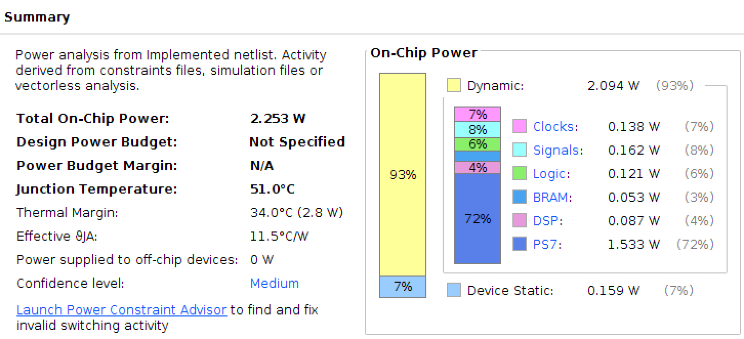

This is only valid for parallel configuration 1 with K=4

