Reports Vivado
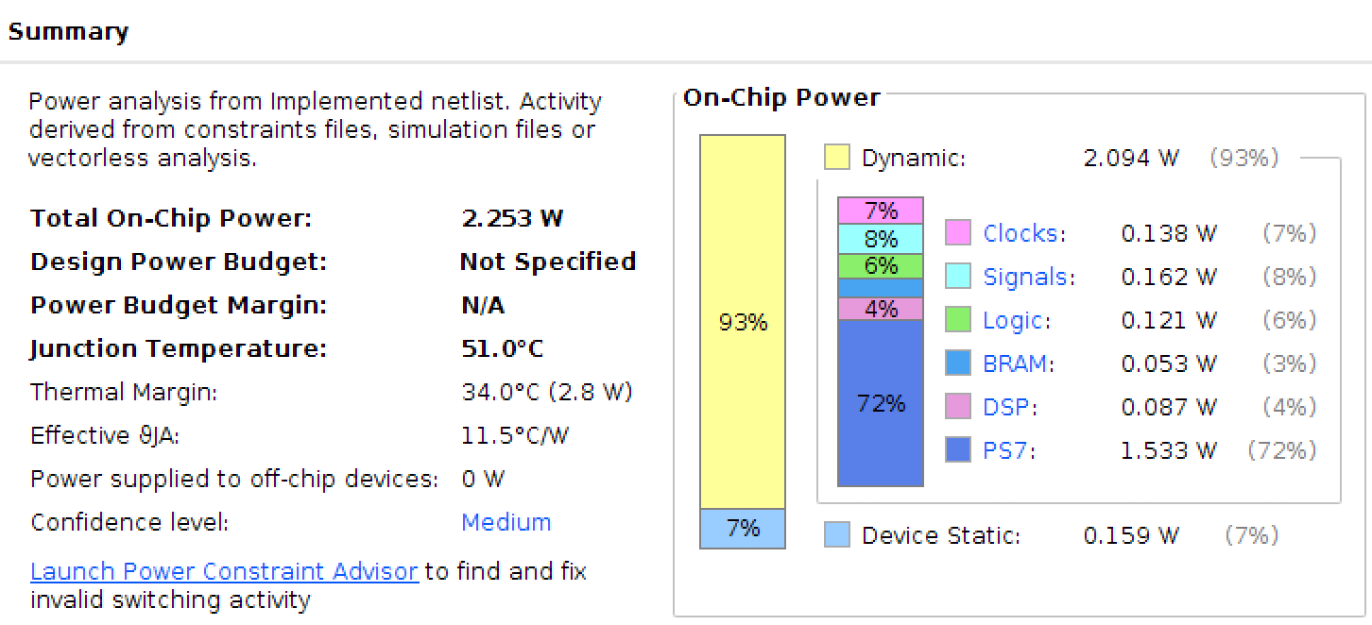

This is only valid for parallel configuration 1 with K=4

Timing Accel PCFG1
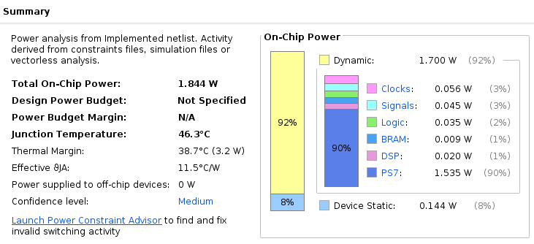
Number of Accelerators | 1 | 2 | 3 | 4
Iris | 672.88 | 825.72 | 1061.07 | 1334.12
Wine | 1709.89 | 1741.00 | 2118.09 | 2549.04
Breast Cancer Wisconsin (Diagnostic) | 25177.88 | 16935.69 | 16071.02 | 17316.20
Car Evaluation | 45735.35 | 29233.88 | 26267.29 | 26602.66
Abalone | 326890.83 | 181043.47 | 138509.92 | 122140.68
Human Activity Recognition Using Smartphones
Bank Marketing | 72885002.10 | 36678366.68 | 24715773.71 | 18795704.03
Poker Hand | 2513694259.59 | 1270599973.22 | 862477234.87 | 662028746.43
Ionosphere
Values in microseconds

