Timing Accel PCFG0
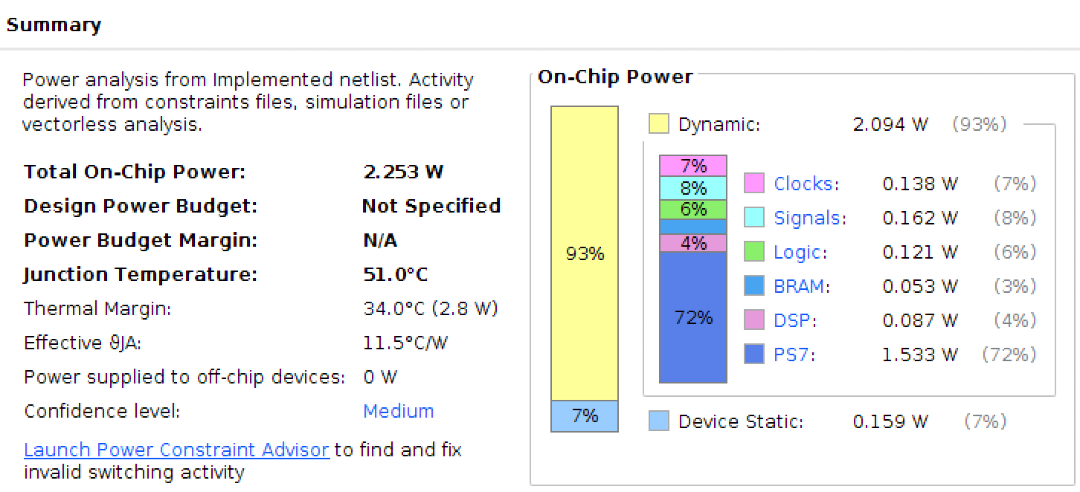
Number of Accelerators | 1 | 2 | 4 | 8 | 16 | 24
Iris | 534.06 | 348.11 | 281.85 | 258.36 | 263.83 | 293.09
Wine | 1335.12 | 765.15 | 498.24 | 388.49 | 315.04 | 332.54
Breast Cancer Wisconsin (Diagnostic) | 22905.72 | 11767.73 | 6309.23 | 3526.13 | 2130.86 | 1677.1
Car Evaluation | 43670.74 | 22845.77 | 12564.43 | 7426.75 | 4854.58 | 4014.91
Abalone | 321821.68 | 164301.25 | 86017.50 | 46884.77 | 27328.47 | 20894.65
Human Activity Recognition Using Smartphones |  |  |  |  |  | 5096021.45
Bank Marketing | 72855576.16 | 36454122.64 | 18256668.13 | 9157815.41 | 4608785.86 | 3092637.15
Poker Hand | 2510812482.75 | 1257284937.02 | 630858476.10 | 317652676.02 | 161057301.38 | 108882432.80
Ionosphere |  |  |  |  |  | 739.51
Values in microseconds

 |  |  |  | k=4

Timing Accel PCFG1
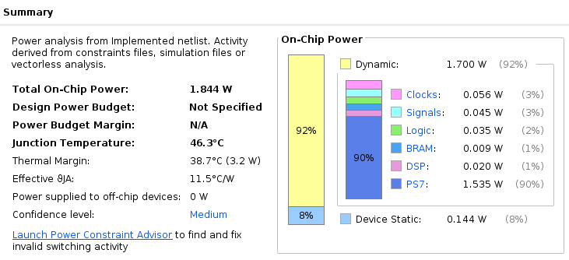
Number of Accelerators | 1 | 2 | 3 | 4
Iris | 672.88 | 825.72 | 1061.07 | 1334.12
Wine | 1709.89 | 1741.00 | 2118.09 | 2549.04
Breast Cancer Wisconsin (Diagnostic) | 25177.88 | 16935.69 | 16071.02 | 17316.20
Car Evaluation | 45735.35 | 29233.88 | 26267.29 | 26602.66
Abalone | 326890.83 | 181043.47 | 138509.92 | 122140.68
Human Activity Recognition Using Smartphones
Bank Marketing | 72885002.10 | 36678366.68 | 24715773.71 | 18795704.03
Poker Hand | 2513694259.59 | 1270599973.22 | 862477234.87 | 662028746.43
Ionosphere
Values in microseconds

 |  |  |  |  | k=4

