Graph Pizza
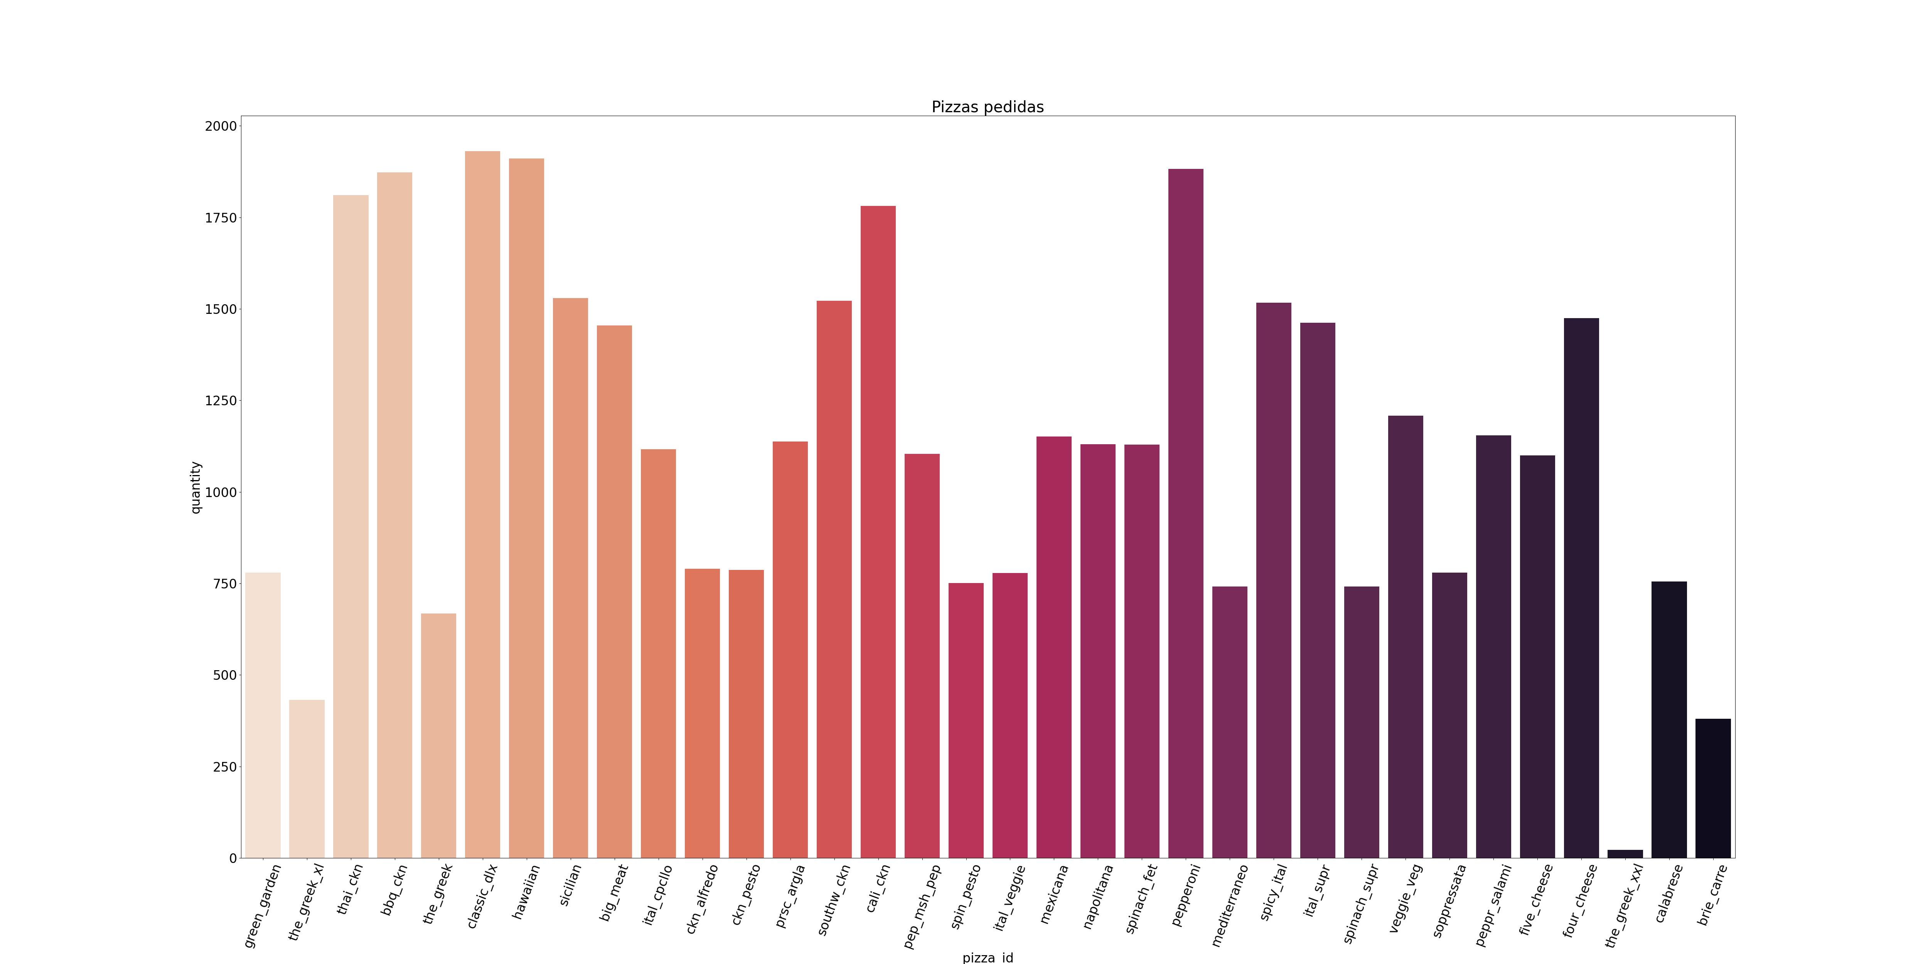
Pizzas Graph

Graph Ingredient
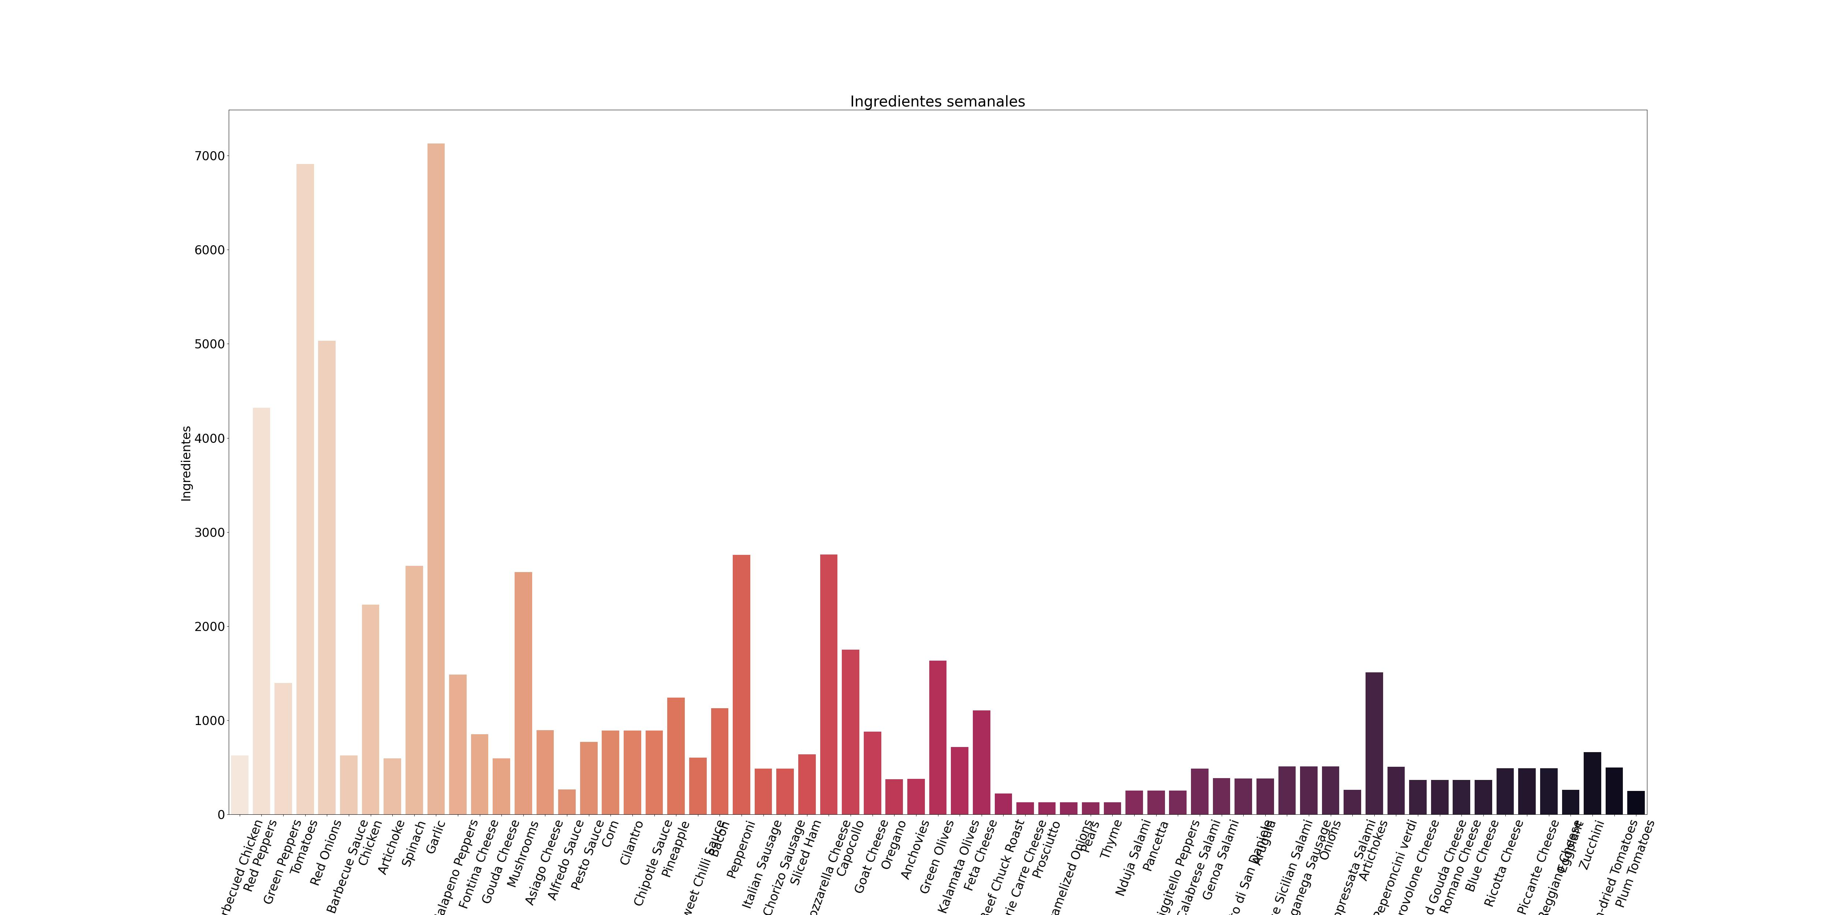
Ingredients Graph

