메인정보예시
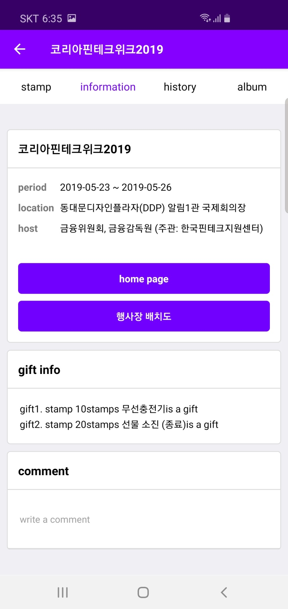

행사명 (festival name)

행사기간(festival date)
장소(location)
주최(host)

홈페이지(home page)

행사장 안내도(map)

선물 정보(gift info)

콘텐츠예시
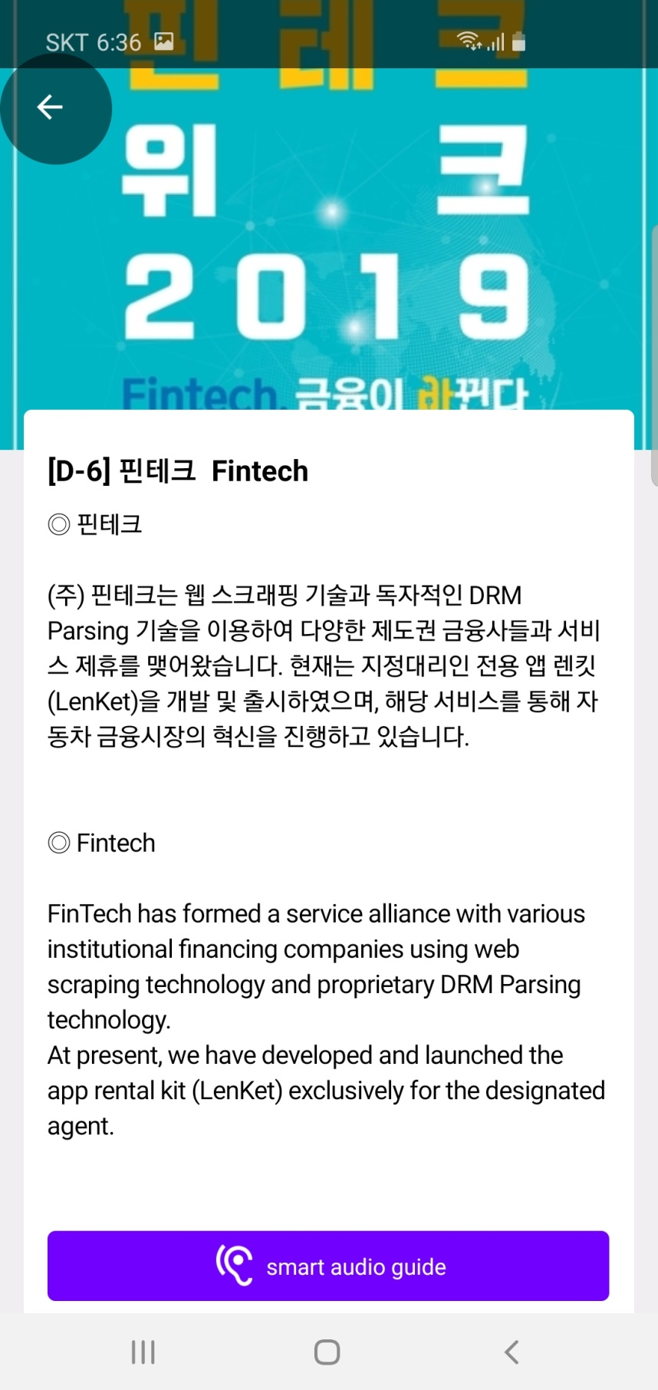

스탬프 콘텐츠 이미지 (stamp contents image)

스탬프 타이틀
(stamp title)
※ 각 스탬프 이미지는 따로 전달 (each image of stamp event)

스탬프 소개
(stamp contents)

화면예시
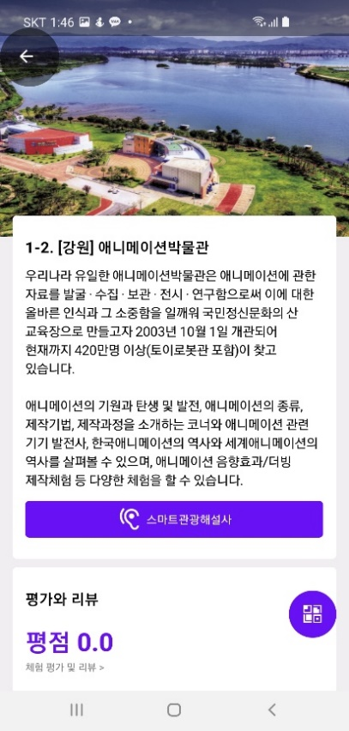
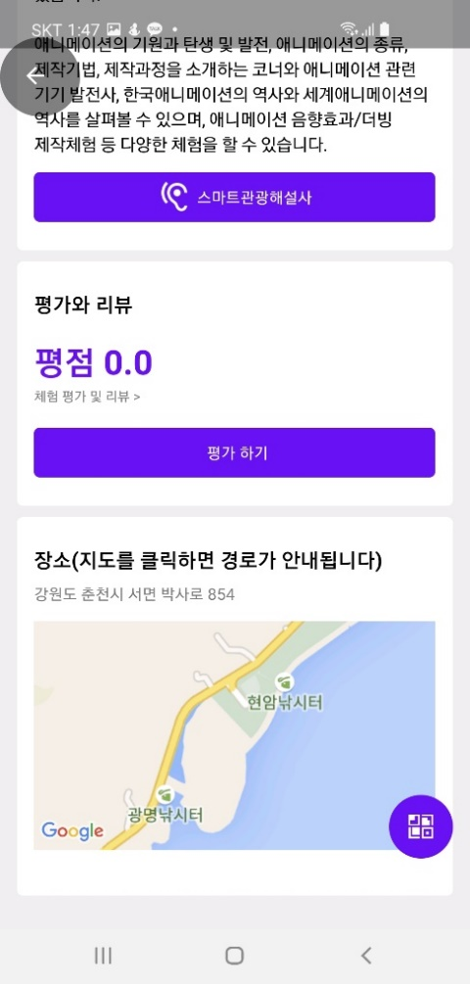

타이틀(콘텐츠제목)

소개내용

주소, 위/경도, 구글맵링크(선택)

