Kinematik
Forward kinematics
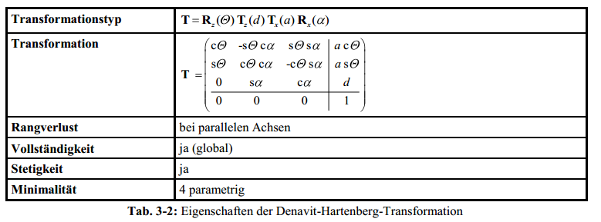
Top view WCP
 |  |  |  |  | WCP | 199.7
 |  |  |  |  |  | 10.5
 |  |  |  |  |  | 400.0

 |  |  |  |  | TCP | 339.53 | -90.0 | 30.0
 |  |  |  |  |  | 17.79 | -60.0 | 0.0
 |  |  |  |  |  | 400.00 | -87.0 | 3.0
 |  |  |  |  |  |  |  |  |  |  |  |  |  |  |  |  | Achtung: in Excel ARCTAN2(x;y) entspricht ARCTAN(y/x) (falschrum!)

Joint Angles |  |  | Inverse Kinematics
 |  |  | looking forward |  |  |  | looking backward
q0 | 3.0 ° | 0.05 RAD |  | 3.0 ° |  |  |  | -177.0 ° | switch direction when necessary to make it stetig
q1 | 0.0 ° | 0.00 RAD | 0.00 ° | 67.38 ° |  |  | -67.38 ° | 0.00 ° |  |  |  |  |  |  |  |  |  |  |  |  | Ursprung
q2 | 0.0 ° | 0.00 RAD | 0.00 ° | -180.00 ° |  |  | 0.00 ° | -180.00 ° |  |  |  |  |  |  |  |  |  |  |  |  | 0
q3 | 0.0 ° | 0.00 RAD |  |  | 0.00 ° | -180.00 ° |  |  |  |  |  |  |  |  |  |  |  |  |  |  | 0
q4 | 0.0 ° | 0.00 RAD |  |  | 0.00 ° | 0.00 ° |  |  |  |  |  |  |  |  |  |  |  |  |  |  | 0
q5 | 30.0 ° | 0.52 RAD |  |  | 30.00 ° | -150.00 ° |  |  |  |  |  |  |  |  |  |  |  |  |  |  | 1

$$T_{0}^{1}=\left(\begin{matrix}\cos{θ_{0}} & 0 & \sin{θ_{0}} & 0 \\ \sin{θ_{0}} & 0 & −\cos{θ_{0}} & 0 \\ 0 & −1 & 0 & d_{5} \\ 0 & 0 & 0 & 1\end{matrix}\right)$$
 |  | a[°] | a[RAD] | a[mm] | d[mm] | q[°] | q[RAD] |  |  |  |  |  | Transformationsmatrixi i+1 |  |  |  | Transformationsmatrix0 n |  |  |  | Gelenkpunkt | RAD | Euler ° (zyx Konvention)
Hüfte (T0-1) |  | -90 | -1.571 | 0 | 100 | 3 | 0.052 |  |  |  |  |  | 0.99863 | 0.00000 | -0.05234 | 0.00000 | 0.9986 | -0.0000 | -0.0523 | - | - | -1.57 RAD | -90.0 °
 |  |  |  |  |  |  |  |  |  |  |  |  | 0.05234 | 0.00000 | 0.99863 | 0.00000 | 0.0523 | 0.0000 | 0.9986 | - | - | 0.00 RAD | 0.0 °
 |  |  |  |  |  |  |  |  |  |  |  |  | 0.00000 | -1.00000 | 0.00000 | 100.00000 | - | -1.0000 | 0.0000 | 100.0000 | 100.0 | 0.05 RAD | 3.0 °
 |  |  |  |  |  |  |  |  |  |  |  |  | 0.00000 | 0.00000 | 0.00000 | 1.00000 | - | - | - | 1.0000 | 1.0

$$T_{1}^{2}=\left(\begin{matrix}\cos{θ_{1}} & −\sin{θ_{1}} & 0 & a_{1} \cos{θ_{1}} \\ \sin{θ_{1}} & \cos{θ_{1}} & 0 & a_{1} \sin{θ_{1}} \\ 0 & 1 & 0 & 0 \\ 0 & 0 & 0 & 1\end{matrix}\right)$$
Oberarm (T1-2) |  | 0 | 0.000 | 300 | 0 | -90 | -1.571 |  |  |  |  |  | 0.0000 | 1.0000 | 0.0000 | 0.0000 | 0.0000 | 0.9986 | -0.0523 | 0.0000 | 0.0 | -1.52 RAD | -87.0 °
 |  |  |  |  |  |  |  |  |  |  |  |  | -1.0000 | 0.0000 | 0.0000 | -300.0000 | -0.0000 | 0.0523 | 0.9986 | -0.0000 | -0.0 | -1.57 RAD | -90.0 °
 |  |  |  |  |  |  |  |  |  |  |  |  | 0.0000 | 0.0000 | 1.0000 | 0.0000 | 1.0000 | -0.0000 | 0.0000 | 400.0000 | 400.0 | 0.00 RAD | 0.0 °
 |  |  |  |  |  |  |  |  |  |  |  |  | 0.0000 | 0.0000 | 0.0000 | 1.0000 | - | - | - | 1.0000 | 1.0
$$T_{2}^{3}=\left(\begin{matrix}\cos{θ_{2}} & 0 & \sin{θ_{2}} & 0 \\ \sin{θ_{2}} & 0 & −cos{θ_{2}} & 0 \\ 0 & −1 & 0 & 0 \\ 0 & 0 & 0 & 1\end{matrix}\right)$$
Unterarm (T2-3) |  | -90 | -1.571 | 0 | 0 | 0 | 0.000 |  |  |  |  |  | 1.00000 | 0.00000 | 0.00000 | 0.00000 | 0.000 | 0.052 | 0.999 | 0.000 | 0.0 | -3.09 RAD | -177.0 °
 |  |  |  |  |  |  |  |  |  |  |  |  | 0.00000 | 0.00000 | 1.00000 | 0.00000 | -0.000 | -0.999 | 0.052 | -0.000 | -0.0 | -1.57 RAD | -90.0 °
 |  |  |  |  |  |  |  |  |  |  |  |  | 0.00000 | -1.00000 | 0.00000 | 0.00000 | 1.000 | -0.000 | -0.000 | 400.000 | 400.0 | 0.00 RAD | 0.0 °
 |  |  |  |  |  |  |  |  |  |  |  |  | 0.00000 | 0.00000 | 0.00000 | 1.00000 | - | - | - | 1.000 | 1.0

$$T_{3}^{4}=\left(\begin{matrix}\cos{θ_{3}} & 0 & \sin{θ_{3}} & 0 \\ \sin{θ_{3}} & 0 & −cos{θ_{3}} & 0 \\ 0 & 1 & 0 & d_{3} \\ 0 & 0 & 0 & 1\end{matrix}\right)$$
Ellbogen (T3-4) |  | 90 | 1.571 | 0 | 200 | 0 | 0.000 |  |  |  |  |  | 1.00 | 0.00 | 0.00 | 0.00 | 0.000 | 0.999 | -0.052 | 199.726 | 199.7 | -1.52 RAD | -87.0 °
 |  |  |  |  |  |  |  |  |  |  |  |  | 0.00 | 0.00 | -1.00 | 0.00 | -0.000 | 0.052 | 0.999 | 10.467 | 10.5 | -1.57 RAD | -90.0 °
 |  |  |  |  |  |  |  |  |  |  |  |  | 0.00 | 1.00 | 0.00 | 200.00 | 1.000 | -0.000 | 0.000 | 400.000 | 400.0 | 0.00 RAD | 0.0 °
 |  |  |  |  |  |  |  |  |  |  |  |  | 0.00 | 0.00 | 0.00 | 1.00 | - | - | - | 1.000 | 1
$$T_{4}^{5}=\left(\begin{matrix}\cos{θ_{4}} & 0 & \sin{θ_{4}} & 0 \\ \sin{θ_{4}} & 0 & −cos{θ_{4}} & 0 \\ 0 & −1 & 0 & 0 \\ 0 & 0 & 0 & 1\end{matrix}\right)$$
Handgelenk (T4-5) |  | -90 | -1.571 | 0 | 0 | 0.0 ° | 0.000 |  |  |  |  |  | 1.00 | 0.00 | 0.00 | 0.00 | 0.000 | 0.052 | 0.999 | 199.726 | 199.7 | -3.14 RAD | -180.0 °
 |  |  |  |  |  |  |  |  |  |  |  |  | 0.00 | 0.00 | 1.00 | 0.00 | 0.000 | -0.999 | 0.052 | 10.467 | 10.5 | -1.57 RAD | -90.0 °
 |  |  |  |  |  |  |  |  |  |  |  |  | 0.00 | -1.00 | 0.00 | 0.00 | 1.000 | -0.000 | -0.000 | 400.000 | 400.0 | 0.05 RAD | 3.0 °
 |  |  |  |  |  |  |  |  |  |  |  |  | 0.00 | 0.00 | 0.00 | 1.00 | - | - | - | 1.000 | 1
$$T_{5}^{6}=\left(\begin{matrix}\cos{θ_{5}} & −\sin{θ_{5}} & 0 & 0 \\ \sin{θ_{5}} & \cos{θ_{5}} & 0 & 0 \\ 0 & 0 & 1 & d_{5} \\ 0 & 0 & 0 & 1\end{matrix}\right)$$
Hand (T5-6) |  | 0 | 0.000 | 0 | 140 | 30.0 | 0.524 |  |  |  |  |  | 0.87 | -0.50 | 0.00 | 0.00 | 0.02617 | 0.04532 | 0.99863 | 339.5340 | 339.5 | -1.571 RAD | -90.0 ° | g | Roll
 |  |  |  |  |  |  |  |  |  |  |  |  | 0.50 | 0.87 | 0.00 | 0.00 | -0.49931 | -0.86484 | 0.05234 | 17.7942 | 17.8 | -1.047 RAD | -60.0 ° | b | Nick/pitch
 |  |  |  |  |  |  |  |  |  |  |  |  | 0.00 | 0.00 | 1.00 | 140.00 | 0.86603 | -0.50000 | -0.00000 | 400.0000 | 400.0 | -1.518 RAD | -87.0 ° | a | Gier
 |  |  |  |  |  |  |  |  |  |  |  |  | 0.00 | 0.00 | 0.00 | 1.00 | - | - | - | 1.0000 | 1.0
 |  | x | A | y | B | z | C
$$T_{V}{=T}_{6}^{7}=\left(\begin{matrix}\cos{θ_{5}} & −\sin{θ_{5}} & 0 & 0 \\ \sin{θ_{5}} & \cos{θ_{5}} & 0 & 0 \\ 0 & 0 & 1 & 0 \\ 0 & 0 & 0 & 1\end{matrix}\right)$$
 |  | -90 | -1.571 | -90 | -1.571 | -90 | -1.571 |  |  |  |  |  | 0.00 | 0.00 | 1.00 | 0.00 | 0.99863 | -0.04532 | 0.02617 | 339.5340 | 339.5 | 0.524 RAD | 30.0 ° | g | Roll
 |  |  |  |  |  |  |  |  |  |  |  |  | 0.00 | -1.00 | 0.00 | 0.00 | 0.05234 | 0.86484 | -0.49931 | 17.7942 | 17.8 | 0.000 RAD | 0.0 ° | b | Nick/pitch
 |  |  |  |  |  |  |  |  |  |  |  |  | 1.00 | 0.00 | 0.00 | 0.00 | -0.00000 | 0.50000 | 0.86603 | 400.0000 | 400.0 | 0.052 RAD | 3.0 ° | a | Gier
 |  |  |  |  |  |  |  |  |  |  |  |  | 0.00 | 0.00 | 0.00 | 1.00 | - | - | - | 1.0000 | 1.0

 |  |  |  |  |  |  |  |  |  |  |  |  | 0.00 | 0.00 | 1.00 | 0.00
 |  |  |  |  |  |  |  |  |  |  |  |  | 0.00 | -1.00 | 0.00 | 0.00
 |  |  |  |  |  |  |  |  |  |  |  |  | 1.00 | 0.00 | 0.00 | 0.00
Inverse Kinematik |  |  |  |  |  |  |  |  |  |  |  |  | 0 | 0 | 0 | 1.00
 |  |  |  |  |  |  |  |  |  |  |  |  |  |  |  |  | 1 |  | 0.97947348333 | 0.97947348333 | 0.97947348333
 |  | Punkt | Orientierung aus Sicht TCP |  |  | Orientierung aus Sicht World |  |  |  |  |  |  |  |  |  |  | 1 |  | 0.41785974741 | 0.41785974741 | 0.41785974741
TCP |  | 339.5 | -1.57 RAD | -90.0 ° | 1.57 RAD | 1.57 RAD | 90.0 ° |  |  |  |  |  | 339.53404182 | 0.5235987756 |  |  | 1 |  | 1.3660252293 | 1.3660252293 | 1.3660252293
 |  | 17.8 | -1.05 RAD | -60.0 ° | 0.52 RAD | 0.52 RAD | 30.0 ° |  |  |  |  |  | 17.794225123 | 1.7453292523E-07 |  |  | 0 |  | 0 | 0 | 0
 |  | 400.0 | -1.52 RAD | -87.0 ° | -1.52 RAD | -1.52 RAD | -87.0 ° |  |  |  |  |  | 399.99997557 | 0.05235987756
 |  | 1.0 |  |  |  |  |  |  |  |  |  |  | 1

$\left(T_{0}^{6}\right)$=
$\left(T_{0}^{6}\right)$=
$\left(T_{0}^{6}\right)$=
$\left(T_{0}^{6}\right)$=
$\left(T_{0}^{6}\right)$=
$\left(T_{0}^{6}\right)$=
Modell zy'x'' |  |  |  |  | Orientierung aus Sicht TCP |  |  | Orientierung aus Sicht World
 | 0.026168 | 0.045324 | 0.998630 | 339.5340 | -1.571 RAD | -90.0 | 1.57 RAD | 1.57 RAD | 90.0 ° |  |  | 0.998630 | -0.045324 | 0.026168 | 339.5340 | 0.02617 | 0.04532 | 0.99863 | 339.53404
 | -0.499315 | -0.864839 | 0.052336 | 17.7942 | -1.047 RAD | -60.0 | 0.52 RAD | 0.52 RAD | 30.0 ° |  |  | 0.052336 | 0.864839 | -0.499315 | 17.7942 | -0.49931 | -0.86484 | 0.05234 | 17.79423
 | 0.866025 | -0.500000 | -0.000000 | 400.0000 | -1.518 RAD | -87.0 | -1.52 RAD | -1.52 RAD | -87.0 ° |  |  | -0.000000 | 0.500000 | 0.866025 | 400.0000 | 0.86603 | -0.50000 | 0.00000 | 399.99998
 | - | - | - | 1.0000 |  |  |  |  |  |  |  | - | - | - | 1.0000 | 0.00000 | 0.00000 | 0.00000 | 1.00000
Berechnung WCP
WCP und TCP unterscheiden sich nur durch Translation von d5. Also kann aus TCP WCP direkt errechnet werden

$\left(\begin{matrix}0 \\ 0 \\ d_{5} \\ 1\end{matrix}\right)$ =
$\left(T_{0}^{6}\right) {WCP}_{TCP}$=
WCPTCP (WCP aus Perspektive von TCP) = |  |  |  |  | 0 |  |  | 199.7 | 199.7 | 199.7 | 199.7
 |  |  |  |  | 0 |  |  | 10.5 | 10.5 | 10.5 | 10.5
 |  |  |  |  | -140 |  |  | 400.0 | 400.0 | 400.0 | 400.0
 |  |  |  |  | 1 |  |  | 1.0 | 1.0 | 1.0 | 1.0
WCP = TCP+WCPTCP=T0-6*WCPTCP
TCP = T0-6 | => | WCP = T0-6 * WCPTCP

Berechnung q0
two variants, look forward and look backward
$θ_{0}=atan2({WCP}_{x};{WCP}_{y})$ =
 | 199.72591 |  |  | => |  |  | 0.05 RAD | 3.0 °
WCP | 10.4672 |  |  |  |  |  | -3.09 RAD | -177.0 °
 | 400.0000 |  |  | Look forward |  | 0.05 RAD | 3.0 ° | OK
 | 1 |  |  | Look backward |  | -3.09 RAD | -177.0 ° | NOT OK!
forward/back | 1

Berechnung q1,q2
$$a^{2}=b^{2}+c^{2}−2b c cos{a}$$
Build Triangle of joint 1,2/3,WCP, compute angles with cosine sentence

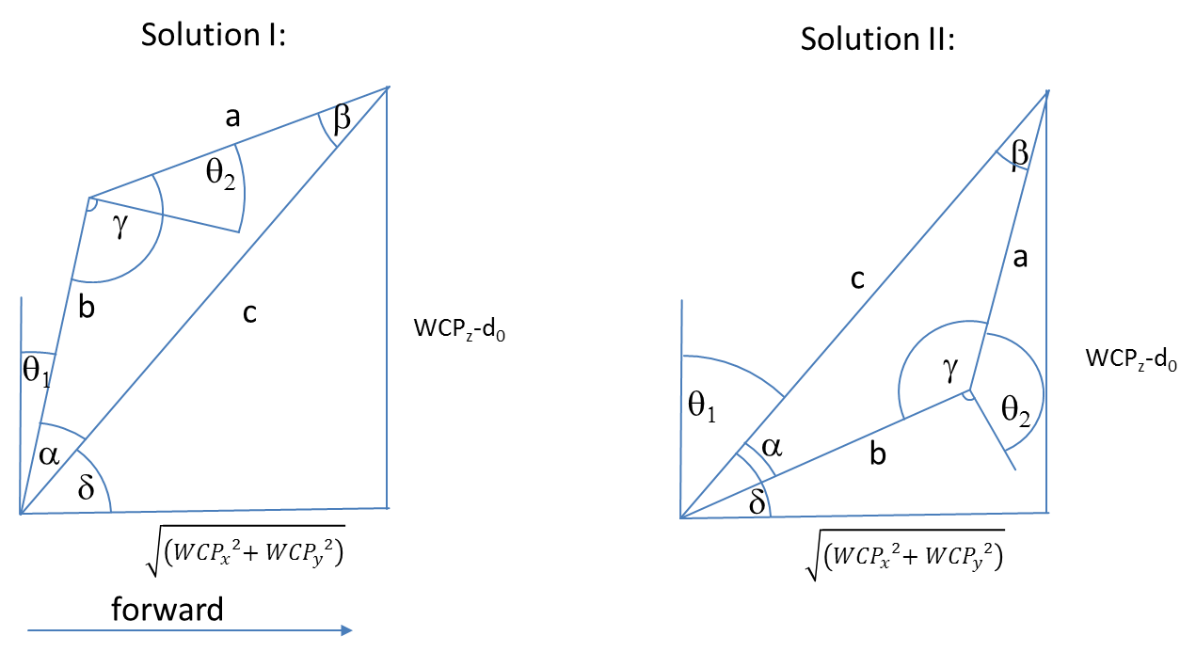

 |  |  |  |  |  |  |  |  | Diagramm | 0 | 200
 |  |  |  |  |  |  |  |  |  | 0 | 300.0

$${WCP}_{z}−d_{0}$$

$$a= \cos^{−1}\left(\frac{a^{2}−b^{2}−c^{2}}{−2bc}\right)=$$
 |  |  |  | 300.0 |  |  |  |  |  |  |  | 0.588 RAD | 33.7 °
$$\sqrt{\left({{WCP}_{x}}^{2}{{+ WCP}_{y}}^{2}\right)}$$
$c^{2}=a^{2}+b^{2}−2a b cos{γ} \underset{⇒}{} γ=\cos^{−1}\left(\frac{c^{2}−a^{2}−b^{2}}{−2ab}\right)=$
 |  |  |  | 200.0 |  |  |  |  |  |  |  | 1.57080 RAD | 90.0 °

$$δ=ARCTAN2\left(WCPz,\sqrt{\left({{WCP}_{x}}^{2}{{+ WCP}_{y}}^{2}\right)}\right)=$$
 |  |  |  |  |  |  |  |  |  |  |  | Look Forward |  |  |  | Look Backward
 | triangle side c |  |  | 360.6 |  |  |  |  |  |  | FlipFlag | 1 |  |  |  | -1
 | triangle side b |  |  | 300.0 |  |  |  |  |  |  | choose between solution I and II | 0.982794 RAD | 56.3 ° |  |  | 2.16 RAD | 123.7 °
 | triangle side a |  |  | 200.0

$$θ_{1}=90° −(γ+ a)=$$
$$θ_{2}=90° −γ=$$
 |  |  |  | Solution I |  |  |  |  |  |  |  | 0.000000 RAD | 0.0 ° | OK |  | -1.18 RAD | -67.4 ° | OK
 |  |  |  |  |  |  |  |  |  |  |  | 0.00 RAD | 0.0 ° | OK |  | 0.00 RAD | 0.0 ° | OK

$$θ_{1}=90° −(γ−a)=$$
$$θ_{2}= 270° −γ =$$
 |  |  |  | Solution II |  |  |  |  |  |  |  | 1.18 RAD | 67.4 ° | NOT OK! |  | 0.00 RAD | 0.0 ° | NOT OK!
 |  |  |  |  |  |  |  |  |  |  |  | -3.14 RAD | -180.0 ° | NOT OK! |  | -3.14 RAD | -180.0 ° | NOT OK!

$$R_{3}^{6}=\left(\begin{matrix}\cos{θ_{3}\cos{θ_{4}}\cos{θ_{4}−}}\sin{θ_{3}\sin{θ_{5}}} & −\cos{θ_{3}\cos{θ_{4}}\sin{θ_{5}}}−\sin{θ_{3}}\cos{θ_{5}} & −cos{θ_{3}}sin{θ_{4}} \\ \sin{θ_{3}\cos{θ_{4}}\cos{θ_{5}+}}\cos{θ_{3}}\sin{θ_{5}} & −\sin{θ_{3}}\cos{θ_{4}}\sin{θ_{5}}+\cos{θ_{3}\cos{θ_{5}}} & −{\sin{θ_{3}}\sin{θ_{4}}} \\ \sin{θ_{4}}\cos{θ_{5}} & −\sin{θ_{4}}\sin{θ_{5}} & \cos{θ_{4}}\end{matrix}\right)$$
Berechnung q3,q4,q5
 |  |  |  |  |  |  |  |  | Ist |  |  | Soll
 |  |  |  |  |  |  |  |  | 0.86603 | -0.50000 | 0.00000 | 0.86603 | -0.50000 | 0.00000
 |  |  |  |  |  |  |  |  | 0.50000 | 0.86603 | 0.00000 | 0.50000 | 0.86603 | 0.00000
 |  |  |  |  |  |  |  |  | 0.00000 | 0.00000 | 1.00000 | 0.00000 | 0.00000 | 1.00000

$R_{0}^{3}=$
${\left(R_{0}^{3}\right)}^{−1}={\left(R_{0}^{3}\right)}^{T}=$
$R_{0}^{6}=$
$\left(R_{3}^{6}\right)={\left(R_{0}^{3}\right)}^{−1}R_{0}^{6}=$
 | 0.00000 | 0.05234 | 0.99863 |  |  |  | 0.00000 | 0.00000 | 1.00000 |  |  | 0.02617 | 0.04532 | 0.99863 |  |  |  | 0.8660254038 | -0.5000000000 | -0.0000001745
 | 0.00000 | -0.99863 | 0.05234 |  |  |  | 0.05234 | -0.99863 | 0.00000 |  |  | -0.49931 | -0.86484 | 0.05234 |  |  |  | 0.5000000000 | 0.8660254038 | 0.0000000000
 | 1.00000 | 0.00000 | 0.00000 |  |  |  | 0.99863 | 0.05234 | 0.00000 |  |  | 0.86603 | -0.50000 | 0.00000 |  |  |  | 0.0000001511 | -0.0000000873 | 1.0000000000
$\left(R_{3}^{6}\right)={\left(R_{0}^{3}\right)}^{−1}R_{0}^{6}$

$\cos{θ_{4}}={\left(R_{0}^{3}\right) }_{33}$=
$$θ_{4}=$$
$$θ_{5}=$$
$$θ_{5}=$$
$$θ_{5}=$$
$$θ_{3}=$$
$$θ_{3}=$$
$$θ_{3}=$$
$$−\sin{θ_{4}}\sin{θ_{5}}= {\left(R_{0}^{3}\right) }_{32}$$
 |  |  | 1.000000000 |  |  | 0.00 RAD | 0.0 ° |  | 0.52 RAD | 30.00 ° |  |  | 1.9878460641E-10 | 0.00 °
 |  |  |  |  |  | 0.00 RAD | 0.0 ° |  | -2.62 RAD | -150.00 ° |  |  | -3.1415926534 | -180.00 °
 |  |  | -0.000000087
$$\sin{θ_{4}}\cos{θ_{5}}= {\left(R_{0}^{3}\right) }_{31}$$
 |  |  | 0.000000151
$$−{\sin{θ_{3}}\sin{θ_{4}}}= {\left(R_{0}^{3}\right) }_{23}$$
 |  |  | 0.000000000
$$−cos{θ_{3}}sin{θ_{4}}= {\left(R_{0}^{3}\right) }_{13}$$
 |  |  | -0.000000175

 |  |  | =

Theory Sources
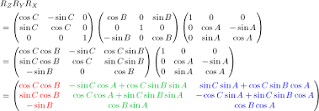
Rotation und Translation von homogenen Koordinaten | Denavit Hartenberg Transformation
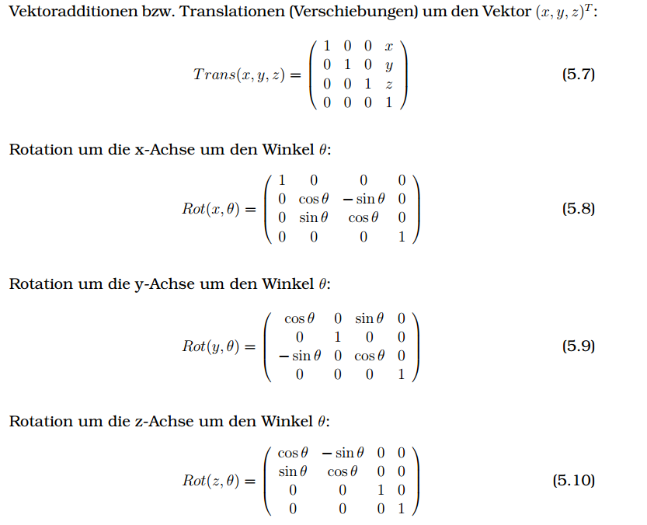

 | https://de.wikipedia.org/wiki/Roll-Nick-Gier-Winkel
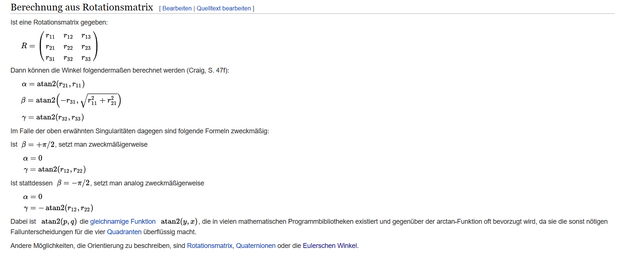

 | a | Gier
http://kos.informatik.uni-osnabrueck.de/download/diplom/node26.html | b | Nick
 | g | Roll
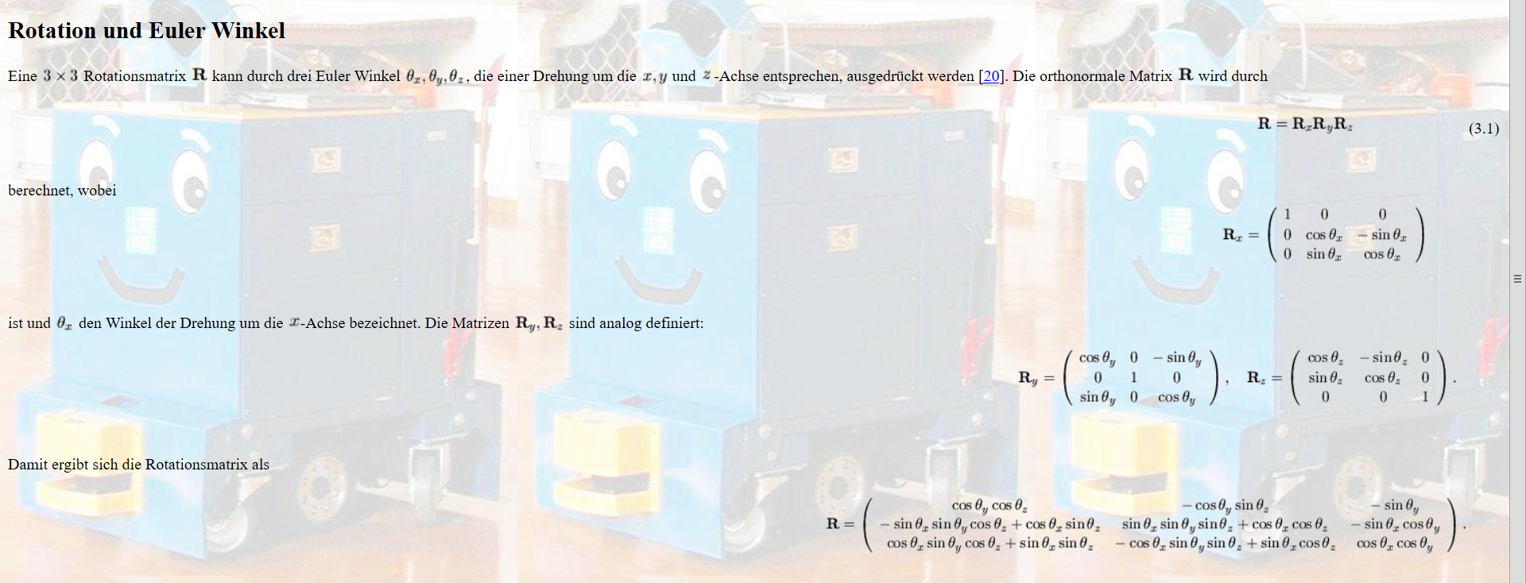

http://www-home.htwg-konstanz.de/~bittel/ain_robo/Vorlesung/02_PositionUndOrientierung.pdf

Trajectory Speed profile
Speed Profile v(t)
Speed Profile

v0 | 0.2161 | [mm/ms]
v1 | 0.2 | [mm/ms]
distance | 273.8 | [mm]
tges | 1600 | [ms]
a | 0.002 | [mm/ms2]

vaverage | 0.171125 | [mm/ms]
u |  |  |  | 8.05 | 8.05 | 8.05 | 8.05
c |  |  |  | 71.90 | 72.0248025 | -272.1251975 | -275.4748025 |  |  |  | -0.570949605
b |  |  |  | 3.1839 | 3.2161 | 0.4322 | 0.4322 |  |  |  | 0.2161
a |  |  |  | -0.002 | 0.002 | 0.002 | -0.002 |  |  |  | 0.5

 |  |  |  |  |  |  |  |  |  |  | time | 0 | 22.4 | 1585.655 | 1600
Monoton |  |  | pos Trapez |  | neg Trapez | peak | peakdown | Ramp-Up |  |  | v monotron | 0.2161 | 0.171 | 0.171 | 0.2
t0 | -22.40 | [ms] | t0 | -22.269 | -22.716 | 276.316 | #NUM! | -8.05 |  |  | Trapez | 0 | 22.3 | 1585.781 | 1600
t1 | 14.345 | [ms] | t1 | 14.219 | 14.666 | -284.37 | #NUM! | 0.00 |  |  | v Trapez | 0.2161 | 0.172 | 0.172 | 0.2
tges |  |  |  |  |  | 560.68 | #NUM!
vs | 0.171 | [mm/ms] | vs | 0.172 | 0.171 | 0.76873246647 | #NUM! | 0.200 |  |  | time | 0 | 8.0 | 1600.000 | 1600
d = | 274.80 | [mm] | d = | 275.20 | 273.80 | 273.80 | #NUM! | 320.0648025 | rampup tges | 1369.3240125 | Ramp Up | 0.2161 | 0.200 | 0.200 | 0.200
v1 | 0.2 | [mm/ms] | v1 | 0.200 | 0.200 | 0.200 | #NUM! | 0.200 | max v rampup | 1.069
min tg | 1266.706143 |  |  | 1267.3058885 |  |  |  |  | min v ramp up | #NUM!

tabs,0 | 22.40 | [ms] |  | 22.27 | 22.72 | 276.32 | #NUM! | 8.05
tabs,1 | 1585.65 | [ms] |  | 1585.78 | 1585.33 | 276.32 | #NUM! | 1600.00
s0 (t) | `v0*t + 0,5*a*t*t |  |  |  |  |  |  |  | 0 | 32 | 64 | 96 | 128 | 160 | 192 | 224 | 256 | 288 | 320 | 352 | 384 | 416 | 448 | 480 | 512 | 544 | 576 | 608 | 640 | 672 | 704 | 736 | 768 | 800 | 832 | 864 | 896 | 928 | 960 | 992 | 1024 | 1056 | 1088 | 1120 | 1152 | 1184 | 1216 | 1248 | 1280 | 1312 | 1344 | 1376 | 1408 | 1440 | 1472 | 1504 | 1536 | 1568 | 1600
s1 (t) | (t-t0)*vs + s0(t0) |  |  |  |  |  |  | v(t) | 0.22 | 0.17 | 0.17 | 0.17 | 0.17 | 0.17 | 0.17 | 0.17 | 0.17 | 0.17 | 0.17 | 0.17 | 0.17 | 0.17 | 0.17 | 0.17 | 0.17 | 0.17 | 0.17 | 0.17 | 0.17 | 0.17 | 0.17 | 0.17 | 0.17 | 0.17 | 0.17 | 0.17 | 0.17 | 0.17 | 0.17 | 0.17 | 0.17 | 0.17 | 0.17 | 0.17 | 0.17 | 0.17 | 0.17 | 0.17 | 0.17 | 0.17 | 0.17 | 0.17 | 0.17 | 0.17 | 0.17 | 0.17 | 0.17 | 0.17 | 0.20
s2 (t) | s1(t-(tg-t2)) + 0,5*a*(t-(tg-t2))*(t-(tg-t2)) |  |  |  |  |  |  | x(t) | 0 | 5.9834545735 | 11.465369738 | 16.947284902 | 22.429200067 | 27.911115231 | 33.393030395 | 38.87494556 | 44.356860724 | 49.838775888 | 55.320691053 | 60.802606217 | 66.284521381 | 71.766436546 | 77.24835171 | 82.730266874 | 88.212182038 | 93.694097203 | 99.176012367 | 104.65792753 | 110.1398427 | 115.62175786 | 121.10367302 | 126.58558819 | 132.06750335 | 137.54941852 | 143.03133368 | 148.51324885 | 153.99516401 | 159.47707917 | 164.95899434 | 170.4409095 | 175.92282467 | 181.40473983 | 186.886655 | 192.36857016 | 197.85048533 | 203.33240049 | 208.81431565 | 214.29623082 | 219.77814598 | 225.26006115 | 230.74197631 | 236.22389148 | 241.70580664 | 247.1877218 | 252.66963697 | 258.15155213 | 263.6334673 | 269.11538246 | 274.80307882
 |  |  |  |  |  |  |  | vTrapez(t)
 |  |  |  |  |  |  |  | xMonoton(t)
Speed Profile v(t)
Position Profile x(t)

