工作表1
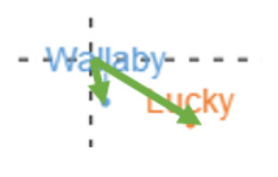
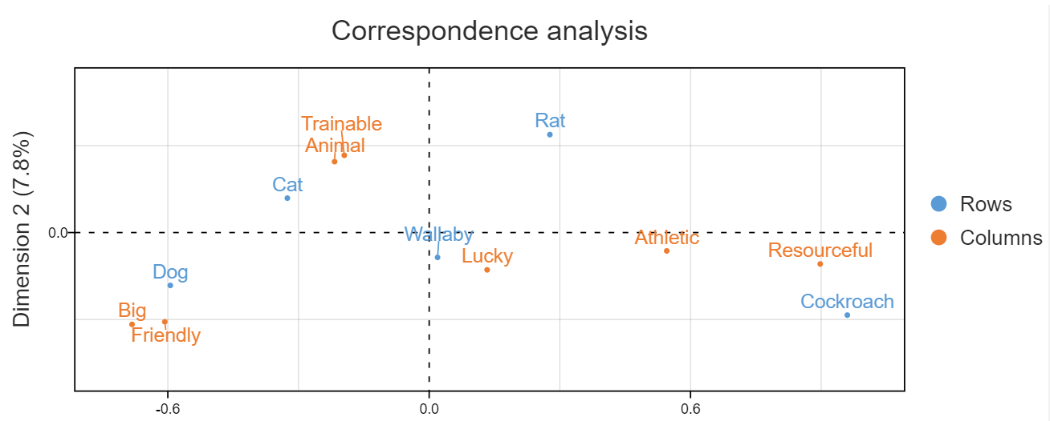
Step 1: Compute row and column averages
 | Big | Athletics | Friendly | Trainable | Resourceful | Animal | Lucky | Average
Dog | 80 | 20 | 90 | 90 | 5 | 100 | 40 | 61
Cat | 50 | 40 | 40 | 70 | 10 | 100 | 40 | 50
Rat | 10 | 70 | 20 | 90 | 80 | 99 | 40 | 58
Cockroach | 0 | 80 | 2 | 20 | 95 | 20 | 40 | 37
Wallaby | 35 | 52 | 38 | 47 | 48 | 80 | 40 | 49
Average | 35 | 52 | 38 | 63 | 48 | 80 | 40 | 51
 | 35*61/52
 |  | 19 | 45
Step 2: Compute the expected values
 | Big | Athletics | Friendly | Trainable | Resourceful | Animal | Lucky

強度
Dog | 42 | 63 | 45 | 76 | 57 | 95 | 48 |  | Step 5: Interpreting the relationship between row and column labels
Cat | 34 | 51 | 37 | 62 | 47 | 78 | 39
Rat | 40 | 60 | 44 | 73 | 55 | 92 | 46
Cockroach | 25 | 38 | 27 | 46 | 34 | 58 | 29
Wallaby | 33 | 50 | 36 | 61 | 45 | 76 | 38
 | 38=80-42
Step 3: Compute the residuals
方向
Dog | 38 | -43 | 45 | 14 | -52 | 5 | -8
Cat | 16 | -11 | 3 | 8 | -37 | 22 | 1
Rat | -30 | 10 | -24 | 17 | 25 | 7 | -6
Cockroach | -25 | 42 | -25 | -26 | 61 | -38 | 11
Wallaby | 2 | 2 | 2 | -14 | 3 | 4 | 2

Step 4: Plotting labels with similar residuals close together

