vehicles
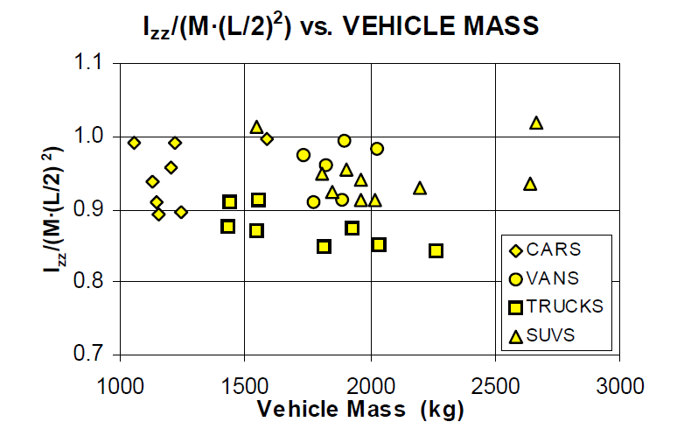
Variable | v1 | v2 | label | index
Make | Chrysler | Chrysler | make | 0
Model | Pacifica | Pacifica | model | 1 | Convert to metric for Heydinger relationship
weight (lb) | 4305 | 4305 | weight | 2 |  | v1 | v2
steering ratio | 16.5 | 16.9 | steer_ratio | 3 | Heydinger Chart | 0.9 | 0.9
initial x position (ft) | 0 | 0 | init_x_pos | 4 | mass (kg) | 1953 | 1953
initial y position (ft) | 0 | 0 | init_y_pos | 5 | wheelbase (m) | 3 | 3
heading angle (deg) | 0 | 0 | head_angle | 6 | Izz (kg-m^2) | 4213 | 4213
vehicle width (ft) | 6 | 8 | v_width | 7 | Izz (slug-ft^2) | 3108 | 3108
vehicle length (ft) | 16.9 | 16.9 | v_length | 8
cg height (ft) | 2 | 2 | hcg | 9
cg to front axle (ft) | 4.6 | 4.6 | lcgf | 10
cg to rear axle (ft) | 5.6 | 5.6 | lcgr | 11
wheelbase (ft) | 10.2 | 10.2 | wb | 12 | mm | in | ft
track width (ft) | 5.6 | 5.6 | track | 13 | 1430.0 | 56.299243 | 4.6916035833
front overhang (ft) | 3.1 | 3.1 | f_hang | 14
rear overhang (ft) | 3.7 | 3.7 | r_hang | 15
tire diameter (ft) | 2.4 | 2.4 | tire_d | 16 |  | in | ft
tire width (ft) | 0.8 | 0.8 | tire_w | 17 |  | 67.7 | 5.6416666667
izz (slug - ft^2) | 3108 | 3108 | izz | 18
front wheel drive | 1 | 1 | fwd | 19
rear wheel drive | 0 | 0 | rwd | 20
all wheel drive | 0 | 0 | awd | 21
A | 681 | 347 | A
B | 281 | 136 | B
Initial Velocity (mph) | 10 | 0 | v_initial

vehicles (2)
inputs | v1 | v2 |  |  | Draw Vehicle
make | Dodge | Dodge | 0 |  | steer_angle | 1.72 | 0.03
model | Journey | Journey | 1 |  | heading_angle | 2.89 | 0.050440015383
weight (lb) | 3500 | 3500 | 2 |  | Velocity | 5 |  |  |  | DX | DY
steering ratio | 16.5 | 16.5 | 3 |  | Velocity Angle | 0.01 | 0.0001745329252 |  |  | 0 | 0
initial x position (ft) | 0 | 0 | 4 |  |  | forward | left |  | cg | 3.0 | 3.00
initial y position (ft) | 0 | 0 | 5 |  |  | x | y | Body | left front corner | 7.2 | 3.37 | 10.2 | 6.4
heading angle (deg | 0 | 0 | 6 |  | cg | 0 | 0 |  | right front corner | 7.5 | -2.62 | 10.5 | 0.4
initial yaw (deg/s) | 0 | 0 | 7 |  | left front corner | 7.4 | 3 |  | Right rear corner | -8.4 | -3.43 | -5.4 | -0.4
vehicle width (ft) | 6 | 6 | 8 |  | right front corner | 7.4 | -3 |  | left rear corner | -8.7 | 2.56 | -5.7 | 5.6
vehicle length (ft) | 16.0 | 16.0 | 9 |  | Right rear corner | -8.6 | -3 |  | left front corner | 7.2 | 3.37 | 10.2 | 6.4
cg to front axle (ft) | 4.1 | 4.1 | 10 |  | left rear corner | -8.6 | 3 |  | left front wheel | 4.0 | 2.85 | 7.0 | 5.9
cg to rear axle (ft) | 5.4 | 5.4 | 11 |  | left front corner | 7.4 | 3 | LF | left front wheel a | 5.1 | 3.30 | 8.1 | 6.3
wheelbase (ft) | 9.5 | 9.5 | 12 |  | left front wheel | 4.1 | 2.7 |  | left front wheel b | 5.2 | 2.60 | 8.2 | 5.6
front overhang (ft) | 3.3 | 3.3 | 13 | LF | left front wheel a | 5.3 | 3.0 |  | left front wheel c | 2.8 | 2.41 | 5.8 | 5.4
rear overhang (ft) | 3.2 | 3.2 | 14 |  | left front wheel b | 5.3 | 2.3 |  | left front wheel d | 2.7 | 3.11 | 5.7 | 6.1
tire diameter (ft) | 2.4 | 2.4 | 15 |  | left front wheel c | 2.9 | 2.3 |  | left front wheel a | 5.1 | 3.30 | 8.1 | 6.3
tire width (ft) | 0.7 | 0.7 | 16 |  | left front wheel d | 2.9 | 3.0 |  | right front wheel | 4.2 | -2.44 | 7.2 | 0.6
izz | 1.0 | 1.0 | 17 |  | left front wheel a | 5.3 | 3.0 | RF | right front wheel a | 5.4 | -2.00 | 8.4 | 1.0
 |  |  |  | RF | right front wheel | 4.1 | -2.7 |  | right front wheel b | 5.4 | -2.69 | 8.4 | 0.3
 |  |  |  |  | right front wheel a | 5.3 | -2.3 |  | right front wheel c | 3.1 | -2.88 | 6.1 | 0.1
 |  |  |  |  | right front wheel b | 5.3 | -3.0 |  | right front wheel d | 3.0 | -2.19 | 6.0 | 0.8
 |  |  |  |  | right front wheel c | 2.9 | -3.0 |  | right front wheel a | 5.4 | -2.00 | 8.4 | 1.0
 |  |  |  |  | right front wheel d | 2.9 | -2.3 |  | right rear wheel | -5.3 | -2.92 | -2.3 | 0.1
 |  |  |  |  | right front wheel a | 5.3 | -2.3 | RR | right rear wheel a | -4.1 | -2.51 | -1.1 | 0.5
 |  |  |  | RR | right rear wheel | -5.4 | -2.7 |  | right rear wheel b | -4.1 | -3.21 | -1.1 | -0.2
 |  |  |  |  | right rear wheel a | -4.2 | -2.3 |  | right rear wheel c | -6.4 | -3.33 | -3.4 | -0.3
 |  |  |  |  | right rear wheel b | -4.2 | -3.0 |  | right rear wheel d | -6.5 | -2.63 | -3.5 | 0.4
 |  |  |  |  | right rear wheel c | -6.6 | -3.0 |  | right rear wheel a | -4.1 | -2.51 | -1.1 | 0.5
 |  |  |  |  | right rear wheel d | -6.6 | -2.3 |  | left rear wheel | -5.5 | 2.37 | -2.5 | 5.4
 |  |  |  |  | right rear wheel a | -4.2 | -2.3 | LR | left rear wheel a | -4.4 | 2.78 | -1.4 | 5.8
 |  |  |  | LR | left rear wheel | -5.4 | 2.7 |  | left rear wheel b | -4.3 | 2.08 | -1.3 | 5.1
 |  |  |  |  | left rear wheel a | -4.2 | 3 |  | left rear wheel c | -6.7 | 1.96 | -3.7 | 5.0
 |  |  |  |  | left rear wheel b | -4.2 | 2.3 |  | left rear wheel d | -6.7 | 2.66 | -3.7 | 5.7
 |  |  |  |  | left rear wheel c | -6.6 | 2.3 |  | left rear wheel a | -4.4 | 2.78 | -1.4 | 5.8
 |  |  |  |  | left rear wheel d | -6.6 | 3 |  | X-axis | 0.0 | 0.00 | 3.0 | 3.0
 |  |  |  |  | left rear wheel a | -4.2 | 3 |  |  | 8.0 | 0.40 | 11.0 | 3.4
 |  |  |  |  | X-axis | 0 | 0 |  | Y-axis | 0.0 | 0.00 | 3.0 | 3.0
 |  |  |  |  |  | 8 | 0 |  |  | -0.2 | 3.99 | 2.8 | 7.0
 |  |  |  |  | Y-axis | 0.0 | 0.0 |  | Velocity Vector | 0.0 | 0.00 | 3.0 | 3.0
 |  |  |  |  |  | 0.0 | 4 |  |  | 5.0 | 0.25 | 8.0 | 3.3
 |  |  |  |  | Velocity Vector | 0.0 | 0.0
 |  |  |  |  |  | 5.0 | 0.0

Heading
-5 | 0.00
-4.9 | 1.47
-4.8 | 2.89
-4.7 | 4.30
-4.6 | 5.73
-4.5 | 7.16
-4.4 | 8.65
-4.3 | 10.19
-4.2 | 11.84
-4.1 | 13.78
-4 | 15.89
-3.9 | 18.00
-3.8 | 20.13
-3.7 | 22.27
-3.6 | 24.45
-3.5 | 26.81
-3.4 | 29.64
-3.3 | 32.82
-3.2 | 36.16
-3.1 | 39.50
-3 | 42.92
-2.9 | 46.68
-2.8 | 50.63
-2.7 | 54.57
-2.6 | 58.35
-2.5 | 62.13
-2.4 | 66.07
-2.3 | 56.07
-2.2 | 46.07
-2.1 | 35.97
-2 | 25.97
-1.9 | 15.98
-1.8 | 5.98
-1.7 | 8.48
-1.6 | 10.31
-1.5 | 11.46
-1.4 | 12.01
-1.3 | 12.23
-1.2 | 12.62
-1.1 | 13.11
-1 | 13.60
-0.9 | 14.30
-0.8 | 15.05
-0.7 | 15.62
-0.6 | 15.98
-0.5 | 16.23
-0.4 | 16.18
-0.3 | 16.04
-0.2 | 15.75
-0.1 | 15.66

X-Y
 | global frame
0.00 | 0.00
14.36 | 0.55
28.70 | 1.45
43.02 | 2.71
57.45 | 4.34
71.83 | 6.33
86.15 | 8.70
100.41 | 11.45
114.57 | 14.64
128.75 | 18.37
142.78 | 22.64
156.64 | 27.43
170.45 | 32.79
184.05 | 38.65
197.41 | 45.04
210.49 | 51.99
223.31 | 59.71
235.65 | 68.16
247.46 | 77.33
258.72 | 87.18
269.26 | 97.58
279.06 | 108.69
287.96 | 120.34
296.05 | 132.57
303.32 | 145.30
309.75 | 158.48
315.23 | 172.08
324.43 | 183.47
335.48 | 193.09
348.17 | 200.70
361.84 | 205.94
376.22 | 208.73
390.87 | 208.98
405.32 | 211.45
419.70 | 214.31
433.90 | 217.34
448.09 | 220.43
462.27 | 223.53
476.43 | 226.75
490.41 | 230.07
504.37 | 233.51
518.13 | 237.11
531.70 | 240.85
544.96 | 244.63
557.92 | 248.38
570.58 | 252.10
582.84 | 255.65
594.96 | 259.12
606.97 | 262.47
618.69 | 265.75

