Sheet1
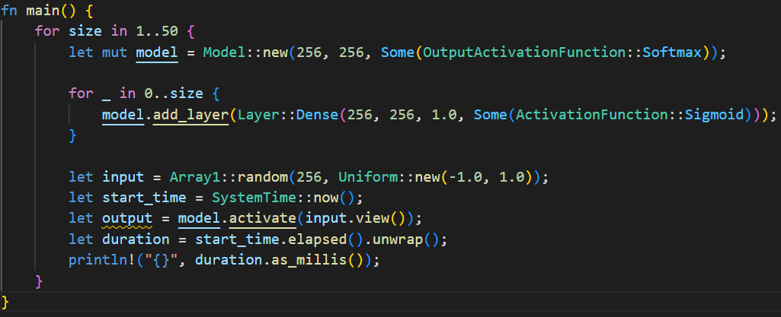

 | ArrayView |  |  |  | Reference
 | Run 1 | Run 2 | Run 3 | Mean | Run 1 | Run 2 | Run 3 | Mean
1 | 25 | 25 | 35 | 28.33 | 58 | 24 | 28 | 36.67
2 | 49 | 48 | 47 | 48.00 | 100 | 44 | 44 | 62.67
3 | 96 | 93 | 93 | 94.00 | 69 | 67 | 65 | 67.00
4 | 126 | 95 | 96 | 105.67 | 87 | 87 | 85 | 86.33
5 | 117 | 122 | 118 | 119.00 | 140 | 134 | 107 | 127.00
6 | 147 | 148 | 145 | 146.67 | 130 | 162 | 161 | 151.00
7 | 152 | 153 | 162 | 155.67 | 153 | 151 | 153 | 152.33
8 | 185 | 170 | 174 | 176.33 | 176 | 174 | 175 | 175.00
9 | 194 | 194 | 196 | 194.67 | 195 | 195 | 209 | 199.67
10 | 216 | 226 | 231 | 224.33 | 221 | 217 | 215 | 217.67
11 | 248 | 236 | 238 | 240.67 | 241 | 237 | 239 | 239.00
12 | 285 | 259 | 259 | 267.67 | 271 | 260 | 261 | 264.00
13 | 289 | 281 | 278 | 282.67 | 281 | 282 | 278 | 280.33
14 | 305 | 300 | 300 | 301.67 | 319 | 300 | 312 | 310.33
15 | 337 | 322 | 323 | 327.33 | 324 | 329 | 322 | 325.00
16 | 346 | 357 | 351 | 351.33 | 362 | 346 | 344 | 350.67
17 | 372 | 366 | 366 | 368.00 | 369 | 376 | 374 | 373.00
18 | 395 | 390 | 398 | 394.33 | 386 | 391 | 388 | 388.33
19 | 411 | 418 | 418 | 415.67 | 418 | 410 | 416 | 414.67
20 | 432 | 435 | 431 | 432.67 | 434 | 443 | 445 | 440.67
21 | 461 | 453 | 451 | 455.00 | 453 | 458 | 452 | 454.33
22 | 483 | 483 | 481 | 482.33 | 504 | 478 | 476 | 486.00
23 | 500 | 505 | 507 | 504.00 | 504 | 495 | 494 | 497.67
24 | 516 | 527 | 523 | 522.00 | 531 | 519 | 528 | 526.00
25 | 538 | 545 | 539 | 540.67 | 546 | 548 | 543 | 545.67
26 | 564 | 559 | 560 | 561.00 | 567 | 572 | 570 | 569.67
27 | 607 | 585 | 582 | 591.33 | 587 | 590 | 599 | 592.00
28 | 611 | 604 | 626 | 613.67 | 610 | 611 | 624 | 615.00
29 | 628 | 637 | 636 | 633.67 | 630 | 634 | 636 | 633.33
30 | 645 | 662 | 655 | 654.00 | 658 | 655 | 655 | 656.00
31 | 679 | 684 | 675 | 679.33 | 679 | 666 | 676 | 673.67
32 | 700 | 696 | 714 | 703.33 | 727 | 689 | 694 | 703.33
33 | 715 | 719 | 715 | 716.33 | 725 | 720 | 727 | 724.00
34 | 745 | 735 | 734 | 738.00 | 737 | 750 | 743 | 743.33
35 | 757 | 767 | 760 | 761.33 | 770 | 766 | 768 | 768.00
36 | 784 | 783 | 784 | 783.67 | 786 | 777 | 782 | 781.67
37 | 805 | 798 | 797 | 800.00 | 811 | 808 | 817 | 812.00
38 | 825 | 828 | 856 | 836.33 | 827 | 826 | 828 | 827.00
39 | 845 | 848 | 851 | 848.00 | 840 | 855 | 857 | 850.67
40 | 864 | 872 | 873 | 869.67 | 874 | 869 | 871 | 871.33
41 | 893 | 888 | 893 | 891.33 | 891 | 925 | 884 | 900.00
42 | 911 | 910 | 915 | 912.00 | 914 | 924 | 920 | 919.33
43 | 941 | 940 | 936 | 939.00 | 927 | 938 | 945 | 936.67
44 | 963 | 960 | 956 | 959.67 | 958 | 958 | 955 | 957.00
45 | 985 | 983 | 1017 | 995.00 | 975 | 983 | 984 | 980.67
46 | 999 | 1005 | 995 | 999.67 | 999 | 998 | 1000 | 999.00
47 | 1040 | 1020 | 1020 | 1026.67 | 1048 | 1060 | 1022 | 1043.33
48 | 1045 | 1043 | 1046 | 1044.67 | 1039 | 1047 | 1046 | 1044.00
49 | 1068 | 1073 | 1070 | 1070.33 | 1065 | 1062 | 1063 | 1063.33
50 | 1091 | 1081 | 1099 | 1090.33 | 1083 | 1091 | 1091 | 1088.33

