Original
 |  | Date-time | SampRepresentation_Code | pinterp:00060Value | p80154Value | p80154Usable
 |  | MM/d/yyyy HH:mm:ss | code | val | val | bol
Date | Time | Date-time |  | Flow (cfs) | SSC (mg/L) |  | Flow (cfs) | SSC (mg/L) | comments
 |  | 11/30/12 | xSec | 151 | 370 | TRUE | 151 | 370
 |  | 12/3/12 | xSec | 1940 | 975 | TRUE | 1940 | 975
 |  | 12/17/12 | sVrt | 92 | 13 | TRUE | 92 | 13
 |  | 12/19/12 | sVrt | 117 | 47 | TRUE | 117 | 47
 |  | 12/23/12 | xSec | 1970 | 573 | TRUE | 1970 | 573
 |  | 12/26/12 | sVrt | 1700 | 363 | TRUE | 1700 | 363
 |  | 12/28/12 | sVrt | 1570 | 399 | TRUE | 1570 | 399
 |  | 1/2/13 | sVrt | 1360 | 131 | TRUE | 1360 | 131
 |  | 1/10/13 | sVrt | 189 | 35 | TRUE | 189 | 35
 |  | 1/11/13 | sVrt | 176 | 31 | TRUE | 176 | 31
 |  | 1/14/13 | sVrt | 139 | 123 | TRUE | 139 | 123
 |  | 1/16/13 | sVrt | 125 | 54 | TRUE | 125 | 54
 |  | 1/17/13 | sVrt | 124 | 53 | TRUE | 124 | 53
 |  | 1/22/13 | sVrt | 107 | 11 | TRUE | 107 | 11
 |  | 1/23/13 | sVrt | 108 | 9 | TRUE | 108 | 9
 |  | 1/29/13 | sVrt | 101 | 17 | TRUE | 101 | 17
 |  | 2/1/13 | sVrt | 92 | 20 | TRUE | 92 | 20
 |  | 2/5/13 | sVrt | 85 | 11 | TRUE | 85 | 11
 |  | 2/8/13 | sVrt | 85 | 16 | TRUE | 85 | 16
 |  | 2/12/13 | sVrt | 80 | 7 | TRUE | 80 | 7
 |  | 2/15/13 | sVrt | 78 | 31 | TRUE | 78 | 31
 |  | 2/19/13 | sVrt | 77 | 24 | TRUE | 77 | 24
 |  | 2/21/13 | sVrt | 73 | 25 | TRUE | 73 | 25
 |  | 2/26/13 | sVrt | 62 | 40 | TRUE | 62 | 40
 |  | 3/6/13 | sVrt | 59 | 46 | TRUE | 59 | 46
 |  | 3/8/13 | sVrt | 74 | 43 | TRUE | 74 | 43
 |  | 3/11/13 | sVrt | 58 | 42 | TRUE | 58 | 42
 |  | 3/13/13 | sVrt | 51 | 24 | TRUE | 51 | 24
 |  | 3/19/13 | sVrt | 6.6 | 47 | TRUE | 6.6 | 47
 |  | 2/11/14 | xSec | 6.9 | A10 | TRUE | 6.9 | 10
 |  | 3/1/14 | xSec | 76 | A581 | TRUE | 76 | 581
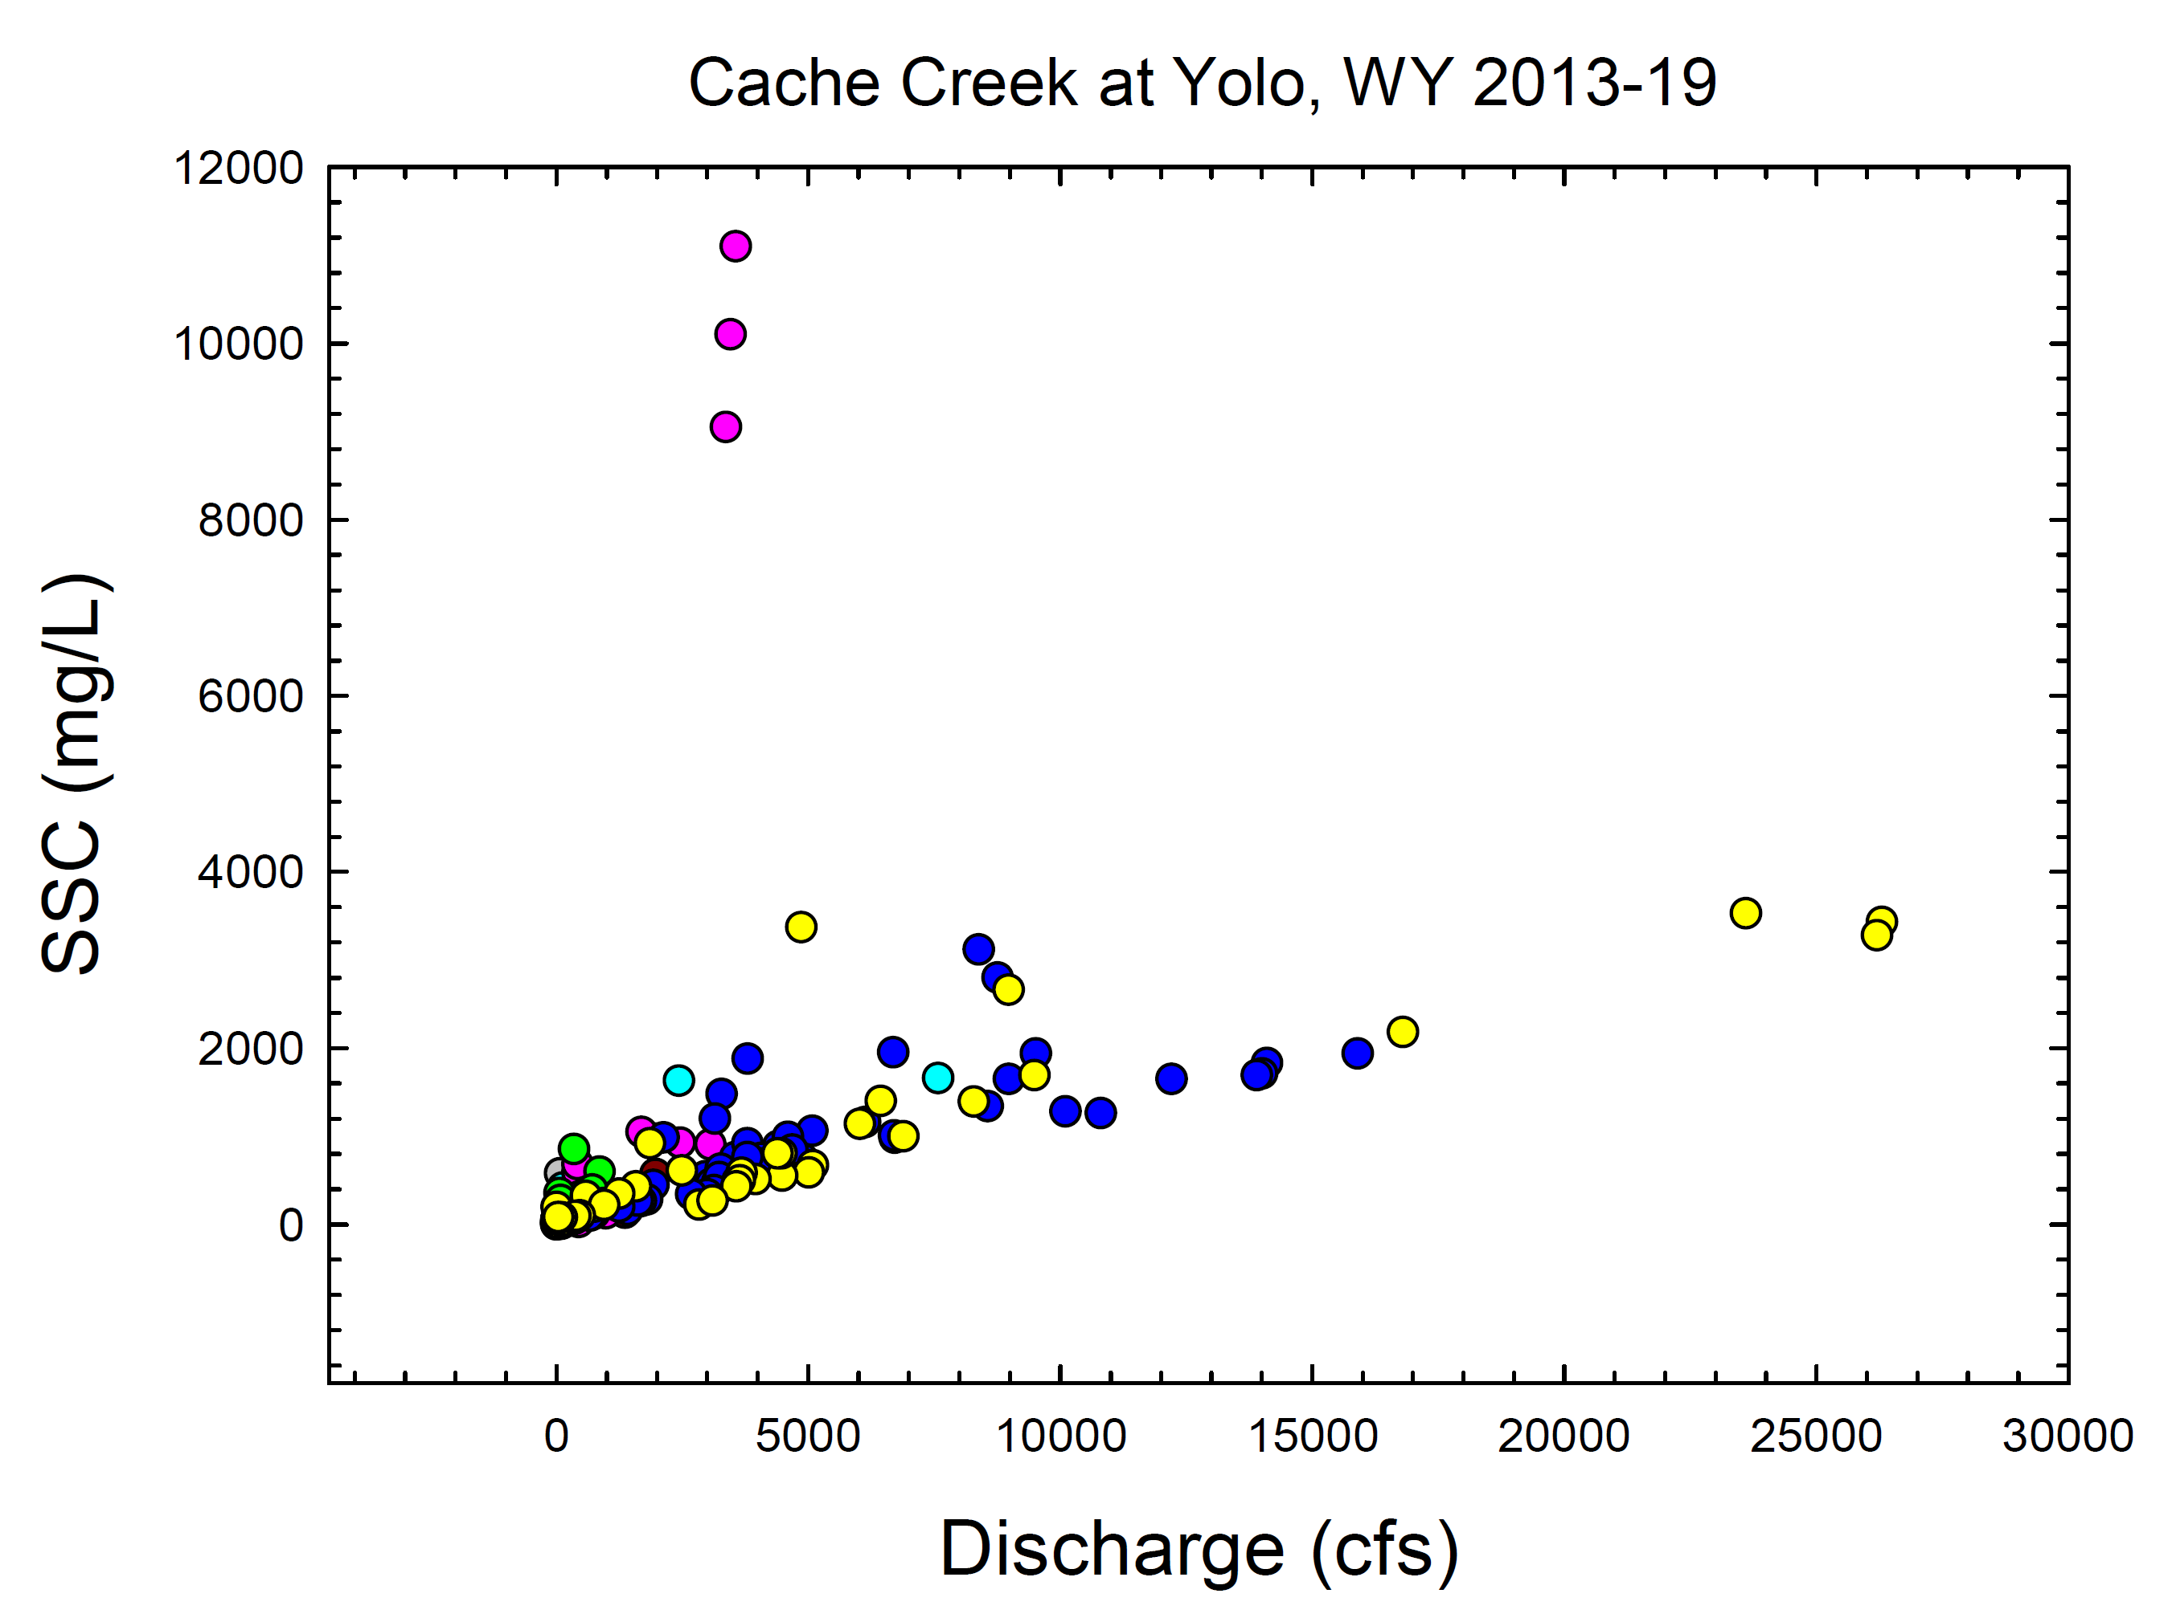
 |  | 3/7/14 | sVrt | 81 | A22 | TRUE | 81 | 22
 |  | 4/2/14 | xSec | 128 | A62 | TRUE | 128 | 62
 |  | 4/4/14 | sVrt | 121 | A39 | TRUE | 121 | 39
 |  | 4/4/14 | xSec | 121 | A25 | TRUE | 121 | 25
 |  | 12/5/14 | xSec | 134 | A416 | TRUE | 134 | 416
 |  | 12/12/14 | xSec | 7570 | A1660 | TRUE | 7570 | 1660
 |  | 12/22/14 | sVrt | 685 | A104 | TRUE | 685 | 104
 |  | 12/24/14 | sVrt | 367 | A64 | TRUE | 367 | 64
 |  | 12/29/14 | sVrt | 126 | A17 | TRUE | 126 | 17
 |  | 12/31/14 | sVrt | 97 | A18 | TRUE | 97 | 18
 |  | 1/5/15 | sVrt | 54 | A12 | TRUE | 54 | 12
 |  | 1/8/15 | sVrt | 25 | A11 | TRUE | 25 | 11
 |  | 2/9/15 | sVrt | 2430 | A1630 | TRUE | 2430 | 1630
 |  | 2/11/15 | sVrt | 580 | 199 | TRUE | 580 | 199
 |  | 2/17/15 | sVrt | 119 | A34 | TRUE | 119 | 34
2016-01-07 | 11:50:00 | 1/7/16 | sVrt | 441 | A26 | TRUE | 441 | 26
2016-01-07 | 13:28:00 | 1/7/16 | xSec | 424 | A590 | TRUE | 424 | 590
2016-01-07 | 13:48:00 | 1/7/16 | xSec | 422 | A681 | TRUE | 422 | 681
2016-01-12 | 10:13:00 | 1/12/16 | sVrt | 5.7 | A9 | TRUE | 5.7 | 9
2016-01-13 | 10:32:00 | 1/13/16 | sVrt | 4.7 | A8 | TRUE | 4.7 | 8
2016-01-20 | 11:46:00 | 1/20/16 | sVrt | 1690 | A1050 | TRUE | 1690 | 1050
2016-01-22 | 10:39:00 | 1/22/16 | sVrt | 361 | A132 | TRUE | 361 | 132
2016-01-25 | 10:49:00 | 1/25/16 | sVrt | 270 | A90 | TRUE | 270 | 90
2016-01-28 | 10:17:00 | 1/28/16 | sVrt | 129 | A16 | TRUE | 129 | 16
2016-02-02 | 9:31:00 | 2/2/16 | sVrt | 84 | A10 | TRUE | 84 | 10
2016-02-04 | 8:57:00 | 2/4/16 | sVrt | 55 | A22 | TRUE | 55 | 22
2016-02-08 | 10:40:00 | 2/8/16 | sVrt | 25 | A21 | TRUE | 25 | 21
2016-02-10 | 9:56:00 | 2/10/16 | sVrt | 17 | A16 | TRUE | 17 | 16
2016-02-18 | 10:20:00 | 2/18/16 | sVrt | 4.7 | A32 | TRUE | 4.7 | 32
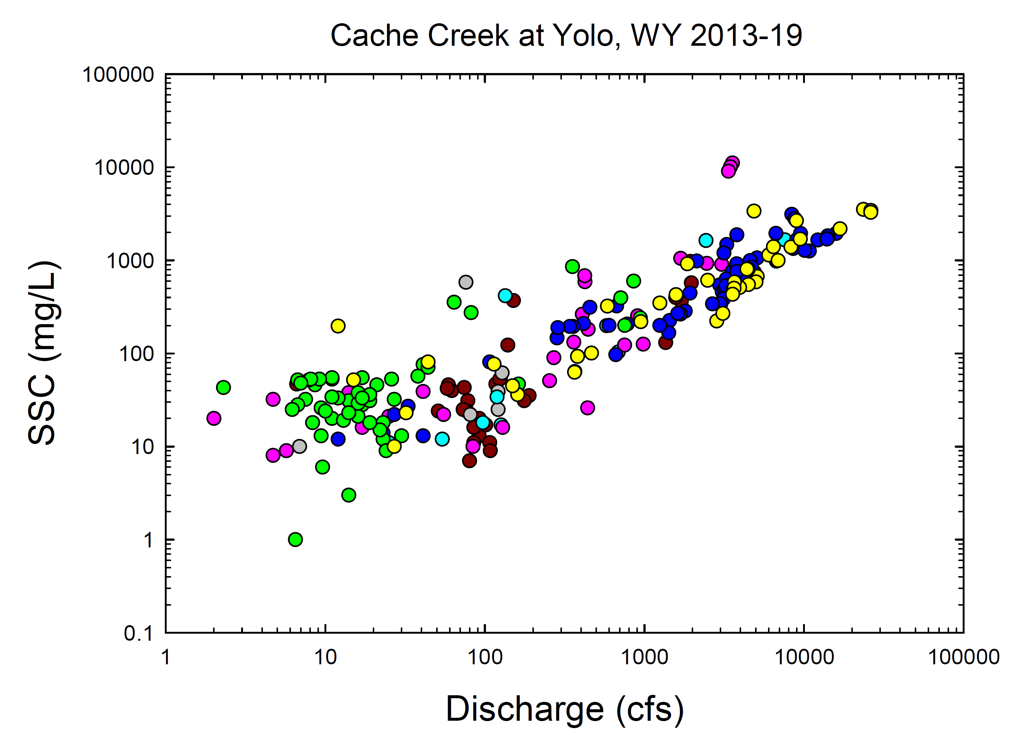
2016-02-19 | 15:22:00 | 2/19/16 | sVrt | 14 | A38 | TRUE | 14 | 38
2016-02-22 | 13:12:00 | 2/22/16 | sVrt | 41 | 39 | TRUE | 41 | 39
2016-02-25 | 11:14:00 | 2/25/16 | sVrt | 17 | A31 | TRUE | 17 | 31
2016-03-01 | 11:45:00 | 3/1/16 | sVrt | 2 | A20 | TRUE | 2 | 20
2016-03-05 | 6:52:00 | 3/5/16 | xSec | 0.47 | 0 | TRUE | 0.47 | 0
2016-03-06 | 16:49:00 | 3/6/16 | sVrt | 3560 | A11100 | TRUE | 3560 | 11100
2016-03-06 | 17:16:00 | 3/6/16 | xSec | 3460 | A10100 | TRUE | 3460 | 10100
2016-03-06 | 17:39:00 | 3/6/16 | unsp | 3360 | A9050 | TRUE | 3360 | 9050
2016-03-10 | 8:18:00 | 3/10/16 | sVrt | 408 | A264 | TRUE | 408 | 264
2016-03-14 | 14:03:00 | 3/14/16 | xSec | 3050 | A905 | TRUE | 3050 | 905
2016-03-16 | 10:23:00 | 3/16/16 | sVrt | 2460 | A928 | TRUE | 2460 | 928
2016-03-24 | 9:48:00 | 3/24/16 | sVrt | 906 | 253 | TRUE | 906 | 253
2016-03-31 | 13:56:00 | 3/31/16 | xSec | 984 | A126 | TRUE | 984 | 126
2016-04-01 | 10:11:00 | 4/1/16 | sVrt | 751 | 123 | TRUE | 751 | 123
2016-04-05 | 10:11:00 | 4/5/16 | xSec | 444 | A182 | TRUE | 444 | 182
2016-04-07 | 10:37:00 | 4/7/16 | sVrt | 254 | A51 | TRUE | 254 | 51
2016-12-11 | 15:48:00 | 12/11/16 | xSec | 415 | 210 | TRUE | 415 | 210
2016-12-13 | 13:46:00 | 12/13/16 | sVrt | 33 | A27 | TRUE | 33 | 27
2016-12-16 | 11:19:00 | 12/16/16 | xSec | 3280 | A1480 | TRUE | 3280 | 1480
2016-12-16 | 12:40:00 | 12/16/16 | xSec | 3150 | 1200 | TRUE | 3150 | 1200
2016-12-17 | 11:40:00 | 12/17/16 | xSec | 780 | 207 | TRUE | 780 | 207
2016-12-21 | 10:29:00 | 12/21/16 | sVrt | 41 | A13 | TRUE | 41 | 13
2016-12-22 | 9:36:00 | 12/22/16 | sVrt | 27 | A22 | TRUE | 27 | 22
2016-12-27 | 10:53:00 | 12/27/16 | sVrt | 23 | A14 | TRUE | 23 | 14
2016-12-29 | 10:24:00 | 12/29/16 | sVrt | 12 | A12 | TRUE | 12 | 12
2017-01-04 | 16:40:00 | 1/4/17 | xSec | 2130 | 986 | TRUE | 2130 | 986
2017-01-06 | 9:44:00 | 1/6/17 | sVrt | 283 | A147 | TRUE | 283 | 147
2017-01-08 | 14:30:00 | 1/8/17 | xSec | 3800 | 1880 | TRUE | 3800 | 1880
2017-01-09 | 13:30:00 | 1/9/17 | xSec | 12200 | 1650 | TRUE | 12200 | 1650
2017-01-09 | 15:53:00 | 1/9/17 | xSec | 8980 | A1650 | TRUE | 8980 | 1650
2017-01-11 | 12:00:00 | 1/11/17 | xSec | 15900 | 1940 | TRUE | 15900 | 1940
2017-01-13 | 9:58:00 | 1/13/17 | sVrt | 4400 | A889 | TRUE | 4400 | 889
2017-01-14 | 12:10:00 | 1/14/17 | xSec | 3550 | 761 | TRUE | 3550 | 761
2017-01-17 | 10:19:00 | 1/17/17 | sVrt | 2960 | A544 | TRUE | 2960 | 544
2017-01-19 | 10:30:00 | 1/19/17 | xSec | 8380 | 3120 | TRUE | 8380 | 3120
2017-01-19 | 11:11:00 | 1/19/17 | sVrt | 8750 | A2800 | TRUE | 8750 | 2800
2017-01-19 | 14:30:00 | 1/19/17 | xSec | 9510 | 1940 | TRUE | 9510 | 1940
2017-01-20 | 13:30:00 | 1/20/17 | xSec | 6680 | 1950 | TRUE | 6680 | 1950
2017-01-21 | 11:40:00 | 1/21/17 | xSec | 6710 | 983 | TRUE | 6710 | 983
2017-01-23 | 12:43:00 | 1/23/17 | sVrt | 6700 | A1010 | TRUE | 6700 | 1010
2017-01-24 | 11:00:00 | 1/24/17 | xSec | 4890 | 743 | TRUE | 4890 | 743
2017-01-26 | 12:33:00 | 1/26/17 | sVrt | 3790 | A919 | TRUE | 3790 | 919
2017-01-30 | 12:10:00 | 1/30/17 | sVrt | 3260 | A631 | TRUE | 3260 | 631
2017-02-02 | 10:30:00 | 2/2/17 | xSec | 3190 | 477 | TRUE | 3190 | 477
2017-02-02 | 12:19:00 | 2/2/17 | sVrt | 3230 | A535 | TRUE | 3230 | 535
2017-02-06 | 12:33:00 | 2/6/17 | sVrt | 5080 | A1060 | TRUE | 5080 | 1060
2017-02-08 | 10:30:00 | 2/8/17 | xSec | 8560 | 1340 | TRUE | 8560 | 1340
2017-02-10 | 11:10:00 | 2/10/17 | xSec | 10800 | 1260 | TRUE | 10800 | 1260
2017-02-10 | 12:37:00 | 2/10/17 | xSec | 10100 | A1280 | TRUE | 10100 | 1280
2017-02-13 | 11:55:00 | 2/13/17 | sVrt | 4600 | A992 | TRUE | 4600 | 992
2017-02-16 | 12:20:00 | 2/16/17 | sVrt | 4060 | A753 | TRUE | 4060 | 753
2017-02-21 | 11:00:00 | 2/21/17 | xSec | 14100 | 1830 | TRUE | 14100 | 1830
2017-02-21 | 12:42:00 | 2/21/17 | sVrt | 14000 | A1710 | TRUE | 14000 | 1710
2017-02-21 | 13:23:00 | 2/21/17 | sVrt | 13900 | A1690 | TRUE | 13900 | 1690
2017-02-23 | 12:23:00 | 2/23/17 | sVrt | 6120 | A1160 | TRUE | 6120 | 1160
2017-02-27 | 12:20:00 | 2/27/17 | sVrt | 4680 | A849 | TRUE | 4680 | 849
2017-03-02 | 12:06:00 | 3/2/17 | sVrt | 4010 | A694 | TRUE | 4010 | 694
2017-03-06 | 12:35:00 | 3/6/17 | pt. | 3790 | A759 | TRUE | 3790 | 759
2017-03-09 | 9:29:00 | 3/9/17 | pt. | 3600 | A493 | TRUE | 3600 | 493
2017-03-13 | 11:30:00 | 3/13/17 | pt. | 3130 | A387 | TRUE | 3130 | 387
2017-03-16 | 9:50:00 | 3/16/17 | xSec | 3000 | 336 | TRUE | 3000 | 336 | Projects has time 10:45 | PST/PDT problem? | Projects time in NWIS is 10:50 PDT (SBW-399) - slrose, 6/18/20
2017-03-16 | 11:01:00 | 3/16/17 | pt. | 2990 | 342 | TRUE | 2990 | 342
2017-03-20 | 11:18:00 | 3/20/17 | pt. | 2670 | A341 | TRUE | 2670 | 341
2017-03-23 | 11:36:00 | 3/23/17 | pt. | 1930 | A446 | TRUE | 1930 | 446
2017-03-27 | 11:36:00 | 3/27/17 | pt. | 1800 | A285 | TRUE | 1800 | 285
2017-03-29 | 12:12:00 | 3/29/17 | pt. | 1680 | A265 | TRUE | 1680 | 265
2017-04-03 | 11:51:00 | 4/3/17 | pt. | 669 | A323 | TRUE | 669 | 323
2017-04-04 | 10:30:00 | 4/4/17 | Proj |  | 97 |  | 661 | 97
2017-04-05 | 11:21:00 | 4/5/17 | pt. | 455 | A314 | TRUE | 455 | 314
2017-04-10 | 10:56:00 | 4/10/17 | pt. | 1440 | A226 | TRUE | 1440 | 226
2017-04-13 | 11:35:00 | 4/13/17 | pt. | 1420 | A167 | TRUE | 1420 | 167
2017-04-17 | 11:40:00 | 4/17/17 | pt. | 1620 | A269 | TRUE | 1620 | 269
2017-04-20 | 11:17:00 | 4/20/17 | pt. | 1250 | A200 | TRUE | 1250 | 200
2017-04-24 | 11:37:00 | 4/24/17 | pt. | 600 | A200 | TRUE | 600 | 200
2017-04-26 | 9:30:00 | 4/26/17 | xSec | 358 | 195 | TRUE | 358 | 195 | Projects has time as 10:30 | PDT/PST issue | Projects time in NWIS is 10:30 PDT (SBW-410) - slrose, 6/18/20
2017-04-27 | 10:01:00 | 4/27/17 | pt. | 341 | 195 | TRUE | 341 | 195
2017-05-01 | 9:58:00 | 5/1/17 | pt. | 286 | 189 | TRUE | 286 | 189
2017-05-03 | 9:08:00 | 5/3/17 | xSec | 107 | A81 | TRUE | 107 | 81
2017-10-01 | 9:29:00 | 10/1/17 | sVrt | 30 | A13 | TRUE | 30 | 13
2017-10-04 | 10:13:00 | 10/4/17 | sVrt | 17 | A28 | TRUE | 17 | 28
2017-10-09 | 10:42:00 | 10/9/17 | sVrt | 23 | A12 | TRUE | 23 | 12
2017-10-13 | 13:23:00 | 10/13/17 | sVrt | 14 | 31 | TRUE | 14 | 31
2017-10-16 | 9:39:00 | 10/16/17 | sVrt | 19 | A31 | TRUE | 19 | 31
2017-10-19 | 9:42:00 | 10/19/17 | sVrt | 16 | 21 | TRUE | 16 | 21
2017-10-23 | 10:35:00 | 10/23/17 | sVrt | 23 | A18 | TRUE | 23 | 18
2017-10-26 | 9:54:00 | 10/26/17 | sVrt | 22 | A15 | TRUE | 22 | 15
2017-10-30 | 9:55:00 | 10/30/17 | sVrt | 19 | A18 | TRUE | 19 | 18
2017-11-01 | 9:25:00 | 11/1/17 | sVrt | 16 | 29 | TRUE | 16 | 29
2017-11-05 | 11:20:00 | 11/5/17 | sVrt | 27 | 32 | TRUE | 27 | 32
2017-11-07 | 12:40:00 | 11/7/17 | sVrt | 11 | 20 | TRUE | 11 | 20
2017-11-14 | 13:23:00 | 11/14/17 | sVrt | 8.3 | A18 | TRUE | 8.3 | 18
2017-11-17 | 13:58:00 | 11/17/17 | sVrt | 13 | A19 | TRUE | 13 | 19
2017-11-20 | 11:20:00 | 11/20/17 | sVrt | 14 | A23 | TRUE | 14 | 23
2017-11-22 | 10:52:00 | 11/22/17 | sVrt | 9.4 | A26 | TRUE | 9.4 | 26
2017-11-27 | 10:37:00 | 11/27/17 | sVrt | 10 | A24 | TRUE | 10 | 24
2017-12-02 | 10:48:00 | 12/2/17 | sVrt | 11 | A53 | TRUE | 11 | 53
2017-12-04 | 11:36:00 | 12/4/17 | sVrt | 11 | A55 | TRUE | 11 | 55
2017-12-07 | 11:09:00 | 12/7/17 | sVrt | 8.6 | A46 | TRUE | 8.6 | 46
2017-12-11 | 10:48:00 | 12/11/17 | sVrt | 7.9 | A52 | TRUE | 7.9 | 52
2017-12-13 | 11:00:00 | 12/13/17 | sVrt | 9.2 | A53 | TRUE | 9.2 | 53
2017-12-18 | 11:39:00 | 12/18/17 | sVrt | 6.7 | A52 | TRUE | 6.7 | 52
2017-12-21 | 9:49:00 | 12/21/17 | sVrt | 8.1 | A53 | TRUE | 8.1 | 53
2017-12-25 | 13:48:00 | 12/25/17 | sVrt | 7.5 | A32 | TRUE | 7.5 | 32
2017-12-28 | 9:52:00 | 12/28/17 | sVrt | 6.7 | 28 | TRUE | 6.7 | 28
2018-01-01 | 10:46:00 | 1/1/18 | sVrt | 7 | 48 | TRUE | 7 | 48
2018-01-04 | 10:42:00 | 1/4/18 | sVrt | 11 | A34 | TRUE | 11 | 34
2018-01-09 | 11:36:00 | 1/9/18 | sVrt | 64 | A355 | TRUE | 64 | 355
2018-01-09 | 15:40:00 | 1/9/18 | xSec | 82 | 274 | TRUE | 82 | 274
2018-01-10 | 9:20:00 | 1/10/18 | xSec | 41 | 76 | TRUE | 41 | 76
2018-01-10 | 10:32:00 | 1/10/18 | sVrt | 44 | A71 | TRUE | 44 | 71
2018-01-12 | 14:35:00 | 1/12/18 | xSec | 38 | A57 | TRUE | 38 | 57
2018-01-16 | 10:33:00 | 1/16/18 | sVrt | 21 | A46 | TRUE | 21 | 46
2018-01-19 | 14:46:00 | 1/19/18 | sVrt | 16 | A38 | TRUE | 16 | 38
2018-01-23 | 11:21:00 | 1/23/18 | sVrt | 17 | A55 | TRUE | 17 | 55
2018-01-26 | 11:06:00 | 1/26/18 | sVrt | 26 | A53 | TRUE | 26 | 53
2018-02-08 | 14:20:00 | 2/8/18 | sVrt | 12 | A33 | TRUE | 12 | 33
2018-02-12 | 13:30:00 | 2/12/18 | xSec | 9.4 | 13 | TRUE | 9.4 | 13
2018-02-20 | 12:55:00 | 2/20/18 | sVrt | 6.2 | 25 | TRUE | 6.2 | 25
2018-03-02 | 12:50:00 | 3/2/18 | xSec | 19 | A36 | TRUE | 19 | 36
2018-03-07 | 13:00:00 | 3/7/18 | Proj |  |  |  | 24 | 9
2018-03-15 | 9:29:00 | 3/15/18 | sVrt | 17 | 33 | TRUE | 17 | 33
2018-03-23 | 10:56:00 | 3/23/18 | xSec | 856 | A598 | TRUE | 856 | 598
2018-03-23 | 13:45:00 | 3/23/18 | xSec | 711 | 396 | TRUE | 711 | 396 | Projects has time as 14:45 | PDT/PST issue | Projects time in NWIS is 14:45 PDT (SBW-423) - slrose, 6/18/20
2018-03-25 | 9:36:00 | 3/25/18 | sVrt | 159 | A44 | TRUE | 159 | 44
2018-04-07 | 13:15:00 | 4/7/18 | xSec | 354 | 857 | TRUE | 354 | 857 | Projects has time as 14:15 | PDT/PST issue | Projects time in NWIS is 14:15 PDT (SBW-424) - slrose, 6/18/20
2018-04-07 | 18:05:00 | 4/7/18 | xSec | 944 | 241 | TRUE | 944 | 241 | Projects has time as 19:00 | PDT/PST issue | Projects time in NWIS is 19:05 PDT (SBW-425) - slrose, 6/18/20
2018-04-08 | 10:00:00 | 4/8/18 | xSec | 752 | 200 | TRUE | 752 | 200 | Projects has time as 11:00 | PDT/PST issue | Projects time in NWIS is 11:00 PDT (SBW-426) - slrose, 6/18/20
2018-04-10 | 9:40:00 | 4/10/18 | sVrt | 162 | A47 | TRUE | 162 | 47
2018-04-16 | 8:44:00 | 4/16/18 | sVrt | 11 | A34 | TRUE | 11 | 34
2018-04-29 | 10:13:00 | 4/29/18 | sVrt | 2.3 | A43 | TRUE | 2.3 | 43
2018-10-02 | 10:00:00 | 10/2/18 | sVrt | 9.6 | 6 | TRUE | 9.6 | 6
2018-10-03 | 9:50:00 | 10/3/18 | sVrt | 14 | A3 | TRUE | 14 | 3
2018-10-09 | 11:11:00 | 10/9/18 | sVrt | 6.5 | A1 | TRUE | 6.5 | 1
2018-11-30 | 11:55:00 | 11/30/18 | xSec | 32 | A23 | TRUE | 32 | 23
2018-11-30 | 15:30:00 | 11/30/18 | Proj |  |  |  | 27 | 10
2018-12-04 | 11:18:00 | 12/4/18 | sVrt | 15 | 52 | TRUE | 15 | 52
2018-12-20 | 10:30:00 | 12/20/18 | sVrt | 12 | 197 | TRUE | 12 | 197
2019-01-17 | 10:50:00 | 1/17/19 | xSec | 8970 | 2660 | TRUE | 8970 | 2660
2019-01-18 | 10:30:00 | 1/18/19 | xSec | 2490 | 611 | TRUE | 2490 | 611
2019-01-30 | 15:14:00 | 1/30/19 | xSec | 160 | A36 | TRUE | 160 | 36
2019-01-31 | 11:24:00 | 1/31/19 | sVrt | 149 | A45 | TRUE | 149 | 45
2019-02-03 | 10:57:00 | 2/3/19 | xSec | 1860 | A919 | TRUE | 1860 | 919
2019-02-05 | 12:00:00 | 2/5/19 | xSec | 1580 | 429 | TRUE | 1580 | 429
2019-02-07 | 10:21:00 | 2/7/19 | sVrt | 587 | 322 | TRUE | 587 | 322
2019-02-12 | 12:40:00 | 2/12/19 | sVrt | 365 | A63 | TRUE | 365 | 63
2019-02-13 | 15:00:00 | 2/13/19 | Proj |  |  |  | 4860 | 3370
2019-02-14 | 11:56:00 | 2/14/19 | xSec | 16800 | A2180 | TRUE | 16800 | 2180
2019-02-15 | 10:30:00 | 2/15/19 | xSec | 8280 | 1390 | TRUE | 8280 | 1390
2019-02-22 | 13:55:00 | 2/22/19 | sVrt | 2840 | 223 | TRUE | 2840 | 223
2019-02-27 | 12:30:00 | 2/27/19 | xSec | 23600 | 3530 | TRUE | 23600 | 3530 | 25366.666667
2019-02-27 | 17:02:00 | 2/27/19 | xSec | 26300 | A3430 | TRUE | 26300 | 3430
2019-02-27 | 17:30:00 | 2/27/19 | Proj |  |  |  | 26200 | 3280
2019-02-28 | 11:30:00 | 2/28/19 | xSec | 9480 | 1690 | TRUE | 9480 | 1690
2019-03-01 | 12:43:00 | 3/1/19 | sVrt | 6020 | 1140 | TRUE | 6020 | 1140
2019-03-05 | 11:50:00 | 3/5/19 | xSec | 5090 | 672 | TRUE | 5090 | 672
2019-03-06 | 12:19:00 | 3/6/19 | sVrt | 6430 | 1400 | TRUE | 6430 | 1400
2019-03-07 | 10:30:00 | 3/7/19 | xSec | 6880 | 998 | TRUE | 6880 | 998
2019-03-12 | 11:21:00 | 3/12/19 | sVrt | 5010 | A588 | TRUE | 5010 | 588
2019-03-14 | 11:50:00 | 3/14/19 | sVrt | 4480 | 550 | TRUE | 4480 | 550
2019-03-22 | 9:25:00 | 3/22/19 | sVrt | 3950 | 512 | TRUE | 3950 | 512
2019-03-25 | 11:22:00 | 3/25/19 | sVrt | 3670 | A584 | TRUE | 3670 | 584
2019-03-28 | 9:10:00 | 3/28/19 | xSec | 4470 | 806 | TRUE | 4470 | 806 | GCLAS has time as 10:00 | PDT/PST issue | Projects time in NWIS is 10:10 PDT (SBW-471) - slrose, 6/18/20
2019-03-28 | 10:18:00 | 3/28/19 | sVrt | 4390 | A805 | TRUE | 4390 | 805
2019-04-03 | 13:15:00 | 4/3/19 | xSec | 3640 | A501 | TRUE | 3640 | 501
2019-04-04 | 11:37:00 | 4/4/19 | sVrt | 3570 | A431 | TRUE | 3570 | 431
2019-04-09 | 13:03:00 | 4/9/19 | sVrt | 3100 | 269 | TRUE | 3100 | 269
2019-04-15 | 12:40:00 | 4/15/19 | sVrt | 1250 | A348 | TRUE | 1250 | 348
2019-04-17 | 11:00:00 | 4/17/19 | Proj |  |  |  | 950 | 220
2019-04-23 | 12:48:00 | 4/23/19 | xSec | 466 | 101 | TRUE | 466 | 101
2019-04-25 | 10:08:00 | 4/25/19 | sVrt | 381 | 93 | TRUE | 381 | 93
2019-04-30 | 11:20:00 | 4/30/19 | xSec | 114 | A77 | TRUE | 114 | 77
2019-05-06 | 10:39:00 | 5/6/19 | xSec | 44 | A81 | TRUE | 44 | 81

