NOTES
2019-03-01 | The image below is from the CDEC site for the general data download: | http//cdec.water.ca.gov/dynamicapp/wsSensorData
-slrose
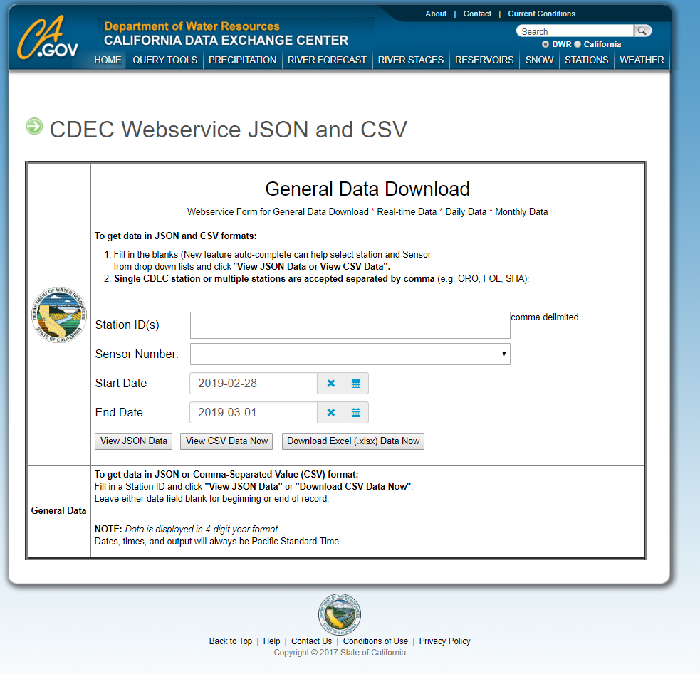
 |  |  | I emailed DWR asking them to verify the time zone in which they report their data.
 |  |  |  | Gurmeet Hanjra insisted that the data was in PST.

 |  |  |  | After my conversation with him, I decided to use the General Data website
 |  |  |  |  | instead of the Historical Data Selector because there seemed to
 |  |  |  |  | be glitches involved with the Historical Data option.
 |  |  |  |  | (It repeated the 11/2/14 01:00:00 PST entry, and it skipped the
 |  |  |  |  | 3/8/15 02:00:00 PST entry, which seemed odd if it was all in PST.)

 |  |  |  | I also decided to use the JSON format and then bring it into Excel, but CSV and Excel
 |  |  |  |  | also appear to be good options on the General Data Download page.

 |  |  |  |  | The hourly flow data for all three formats skips the 02:00:00 PST entry
 |  |  |  |  |  | for 3/8/2015 (when CA changes from PST to PDT).

