Ex1
Plot Example
Iterations
Start | 10 | 10
#1 | 5.57 | 6.67
#2 | 5.23 | 6.74
#3 | 5.10 | 6.75
#4
#5

Iteration #1
X | Y | W | Xi * wi | dki | Top | Bottom |  | Yi * wi | dki | Top | Bottom
1 | 2 | 3 | 3 | 12.04 | 0.25 | 0.25 |  | 6 | 12.04 | 0.50 | 0.25
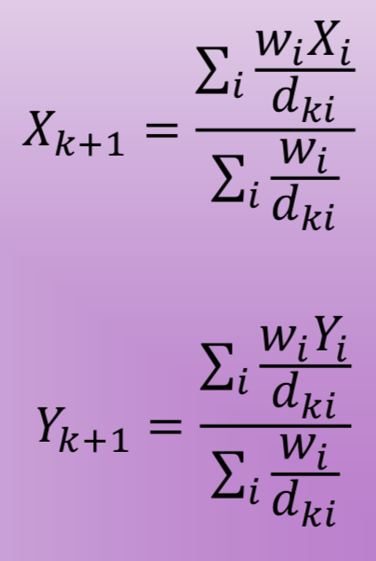
2 | 2 | 1 | 2 | 11.31 | 0.18 | 0.09 |  | 2 | 11.31 | 0.18 | 0.09
6 | 9 | 4 | 24 | 4.12 | 5.82 | 0.97 |  | 36 | 4.12 | 8.73 | 0.97
1 | 8 | 2 | 2 | 9.22 | 0.22 | 0.22 |  | 16 | 9.22 | 1.74 | 0.22
9 | 5 | 3 | 27 | 5.10 | 5.30 | 0.59 | Xk+1 | 15 | 5.10 | 2.94 | 0.59 | Yk+1
 |  |  |  |  | 11.76 | 2.11 | 5.57 |  |  | 14.08 | 2.11 | 6.67

Iteration #2
X | Y | W | Xi * wi | dki | Top | Bottom |  | Yi * wi | dki | Top | Bottom
1 | 2 | 3 | 3 | 6.53 | 0.46 | 0.46 |  | 6 | 6.53 | 0.92 | 0.46
2 | 2 | 1 | 2 | 5.87 | 0.34 | 0.17 |  | 2 | 5.87 | 0.34 | 0.17
6 | 9 | 4 | 24 | 2.37 | 10.11 | 1.68 |  | 36 | 2.37 | 15.16 | 1.68
1 | 8 | 2 | 2 | 4.76 | 0.42 | 0.42 |  | 16 | 4.76 | 3.36 | 0.42
9 | 5 | 3 | 27 | 3.82 | 7.07 | 0.79 | Xk+1 | 15 | 3.82 | 3.93 | 0.79 | Yk+1
 |  |  |  |  | 18.40 | 3.52 | 5.23 |  |  | 23.71 | 3.52 | 6.74

Iteration #3
X | Y | W | Xi * wi | dki | Top | Bottom |  | Yi * wi | dki | Top | Bottom
1 | 2 | 3 | 3 | 6.35 | 0.47 | 0.47 |  | 6 | 6.35 | 0.95 | 0.47
2 | 2 | 1 | 2 | 5.73 | 0.35 | 0.17 |  | 2 | 5.73 | 0.35 | 0.17
6 | 9 | 4 | 24 | 2.39 | 10.03 | 1.67 |  | 36 | 2.39 | 15.04 | 1.67
1 | 8 | 2 | 2 | 4.41 | 0.45 | 0.45 |  | 16 | 4.41 | 3.63 | 0.45
9 | 5 | 3 | 27 | 4.15 | 6.50 | 0.72 | Xk+1 | 15 | 4.15 | 3.61 | 0.72 | Yk+1
 |  |  |  |  | 17.80 | 3.49 | 5.10 |  |  | 23.57 | 3.49 | 6.75

Ex2
Plot Example
Iterations | X | Y
Start | 10 | 10
#1 | 6.14 | 5.48
#2 | 5.59 | 4.63
#3 | 5.29 | 4.25
#4
#5

X | Y | W | Xi * wi | dki | Top | Bottom |  | Yi * wi | dki | Top | Bottom
2 | 2 | 3 | 6 | 11.31 | 0.53 | 0.27 |  | 6 | 11.31 | 0.53 | 0.27
1 | 9 | 4 | 4 | 9.06 | 0.44 | 0.44 |  | 36 | 9.06 | 3.98 | 0.44
4 | 4 | 2 | 8 | 8.49 | 0.94 | 0.24 |  | 8 | 8.49 | 0.94 | 0.24
9 | 1 | 6 | 54 | 9.06 | 5.96 | 0.66 |  | 6 | 9.06 | 0.66 | 0.66
8 | 8 | 3 | 24 | 2.83 | 8.49 | 1.06 | Xk+1 | 24 | 2.83 | 8.49 | 1.06 | Yk+1
 |  |  |  |  | 16.36 | 2.67 | 6.14 |  |  | 14.60 | 2.67 | 5.48

