Compare1
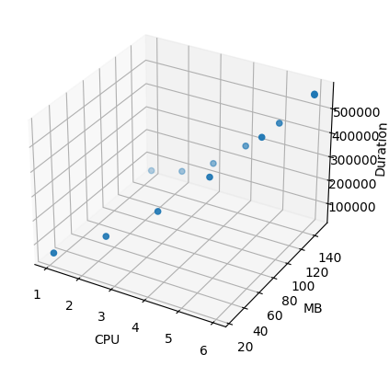
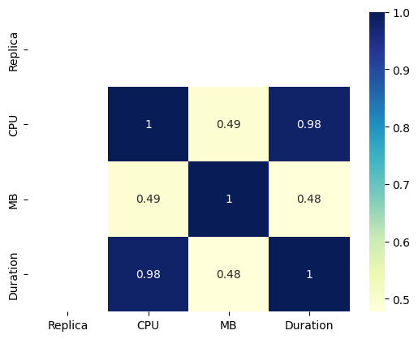
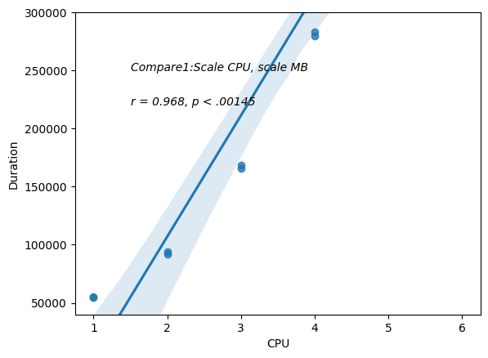
Scale CPU, scale MB
Replica | CPU | MB | Duration
1 | 1 | 25 | 54496
1 | 1 | 150 | 55307
1 | 2 | 50 | 93780
1 | 2 | 150 | 91711
1 | 3 | 75 | 168795
1 | 3 | 150 | 165702
1 | 4 | 100 | 283411
1 | 4 | 150 | 279632
1 | 5 | 125 | 420107
1 | 5 | 150 | 413353
1 | 6 | 150 | 569118
1 | 6 | 150 | 565887

Compare2
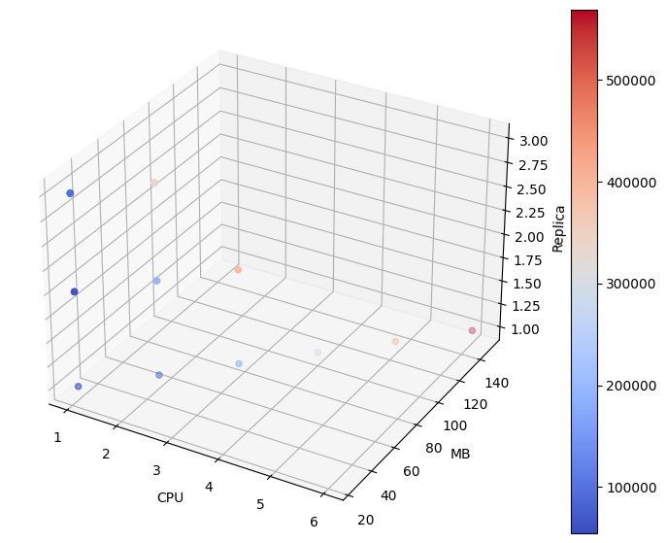
Combine everything together, and sort Replica, CPU, and MB
Replica | CPU | MB | Duration
1 | 1 | 25 | 54496
1 | 2 | 50 | 93780
1 | 3 | 75 | 168795
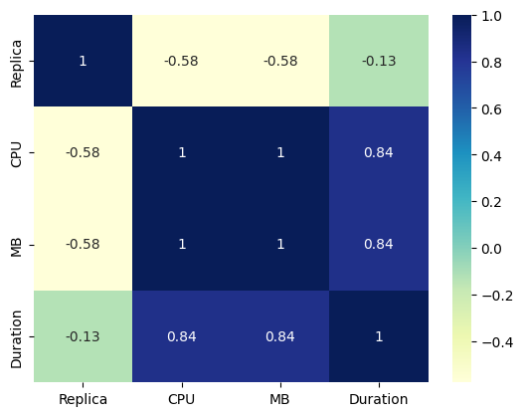
1 | 4 | 100 | 283411
1 | 5 | 125 | 420107
1 | 6 | 150 | 569118
1 | 1 | 150 | 55307
1 | 2 | 150 | 91711
1 | 3 | 150 | 165702
1 | 4 | 150 | 279632
1 | 5 | 150 | 413353
1 | 6 | 150 | 565887
1 | 1 | 20 | 53131
1 | 1 | 40 | 55108
1 | 1 | 60 | 56662
1 | 1 | 80 | 56650
1 | 1 | 100 | 55591
1 | 1 | 1000 | 47552
1 | 1 | 150 | 53718
2 | 1 | 25 | 59832
2 | 1 | 25 | 58763
2 | 2 | 50 | 190606
2 | 2 | 50 | 190294
2 | 3 | 75 | 390624
2 | 3 | 75 | 390229
2 | 1 | 150 | 58229
2 | 1 | 150 | 58680
2 | 2 | 150 | 187855
2 | 2 | 150 | 188304
2 | 3 | 150 | 388782
2 | 3 | 150 | 387330
2 | 1 | 150 | 59543
3 | 1 | 25 | 99050
3 | 1 | 25 | 99786
3 | 1 | 25 | 98173
3 | 2 | 50 | 331810
3 | 2 | 50 | 335212
3 | 2 | 50 | 331619
3 | 1 | 150 | 102429
3 | 1 | 150 | 103916
3 | 1 | 150 | 102102
3 | 2 | 150 | 328814
3 | 2 | 150 | 331627
3 | 2 | 150 | 329905
3 | 1 | 150 | 99679
4 | 1 | 150 | 153015
5 | 1 | 150 | 219554
6 | 1 | 150 | 303009

Scale everything 1 replica
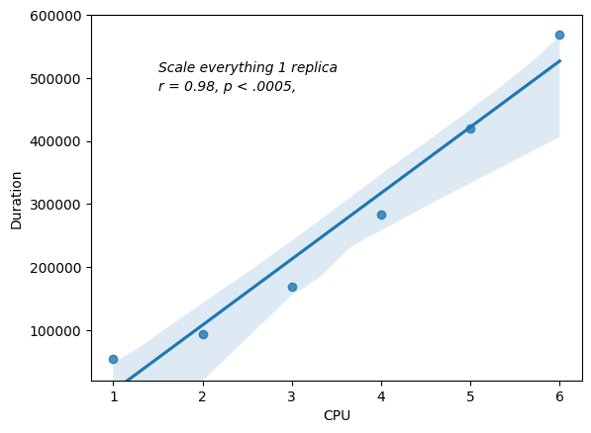
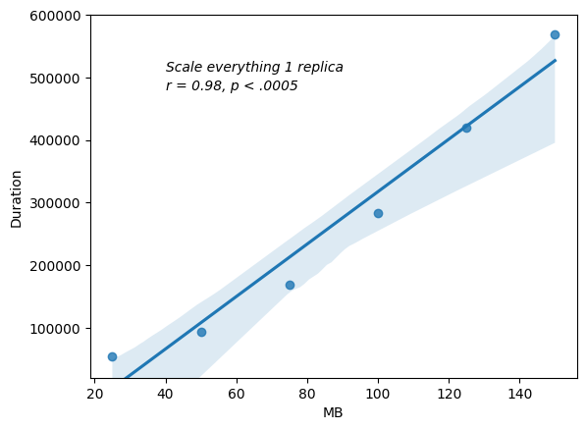
Replica | CPU | MB | Duration
1 | 1 | 25 | 54,496
1 | 2 | 50 | 93,780
1 | 3 | 75 | 168,795
1 | 4 | 100 | 283,411
1 | 5 | 125 | 420,107
1 | 6 | 150 | 569,118

scale cpu 1 replica

Replica | CPU | MB | Duration
1 | 1 | 150 | 55307
1 | 2 | 150 | 91711
1 | 3 | 150 | 165702
1 | 4 | 150 | 279632
1 | 5 | 150 | 413353
1 | 6 | 150 | 565887

scaling memory
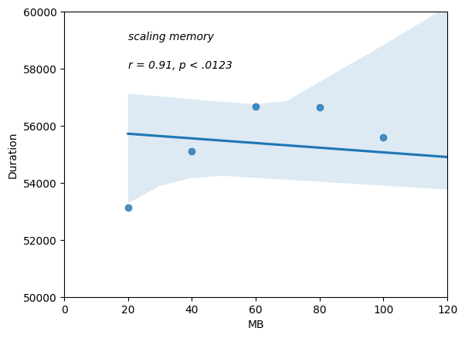
Replica | CPU | MB | Duration
1 | 1 | 20 | 53131
1 | 1 | 40 | 55108
1 | 1 | 60 | 56662
1 | 1 | 80 | 56650
1 | 1 | 100 | 55591
1 | 1 | 1000 | 47552

scale everything 2 replicas
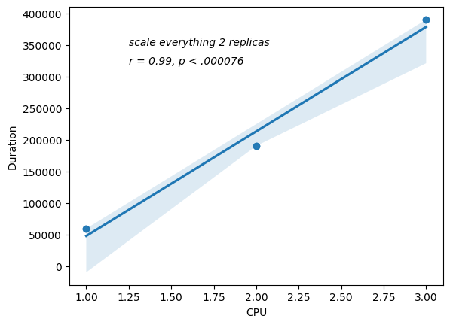
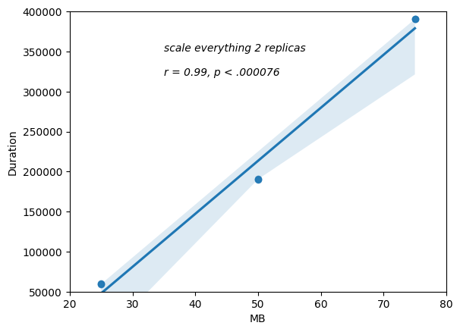
Replica | CPU | MB | Duration
2 | 1 | 25 | 59832
2 | 1 | 25 | 58763
2 | 2 | 50 | 190606
2 | 2 | 50 | 190294
2 | 3 | 75 | 390624
2 | 3 | 75 | 390229

scale cpu 2 replicas
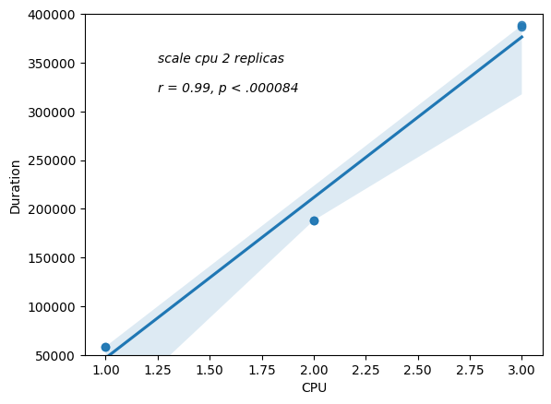
Replica | CPU | MB | Duration
2 | 1 | 150 | 58229
2 | 1 | 150 | 58680
2 | 2 | 150 | 187855
2 | 2 | 150 | 188304
2 | 3 | 150 | 388782
2 | 3 | 150 | 387330

scale everything 3 replicas
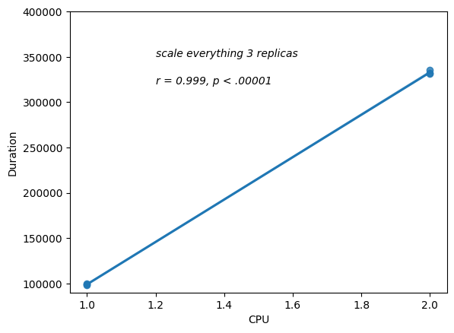
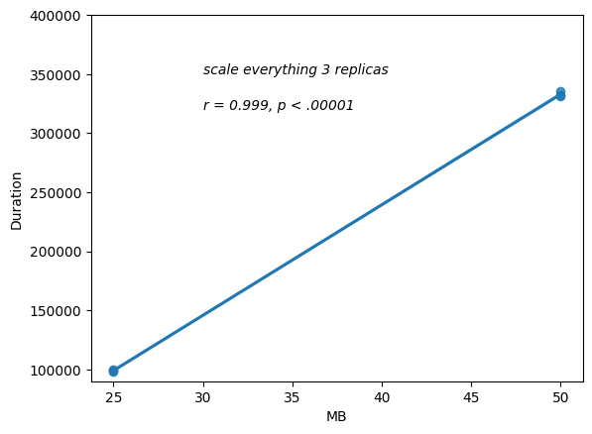
Replica | CPU | MB | Duration
3 | 1 | 25 | 99050
3 | 1 | 25 | 99786
3 | 1 | 25 | 98173
3 | 2 | 50 | 331810
3 | 2 | 50 | 335212
3 | 2 | 50 | 331619

scale cpu 3 replicas
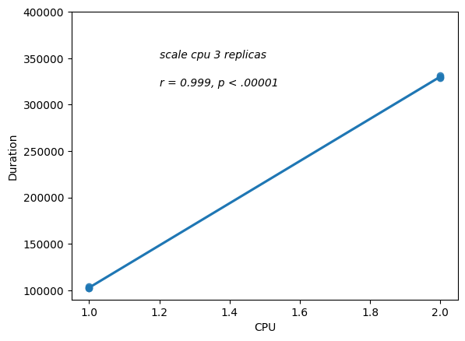
Replica | CPU | MB | Duration
3 | 1 | 150 | 102429
3 | 1 | 150 | 103916
3 | 1 | 150 | 102102
3 | 2 | 150 | 328814
3 | 2 | 150 | 331627
3 | 2 | 150 | 329905

scale replicas
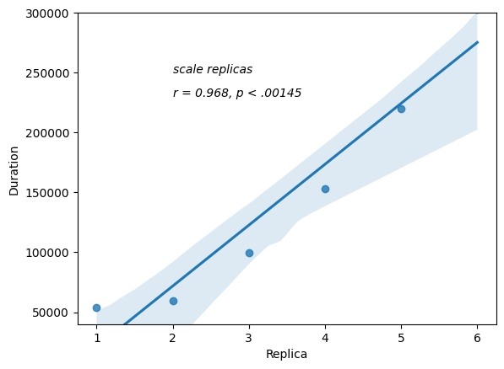
Replica | CPU | MB | Duration
1 | 1 | 150 | 53718
2 | 1 | 150 | 59543
3 | 1 | 150 | 99679
4 | 1 | 150 | 153015
5 | 1 | 150 | 219554
6 | 1 | 150 | 303009

