index
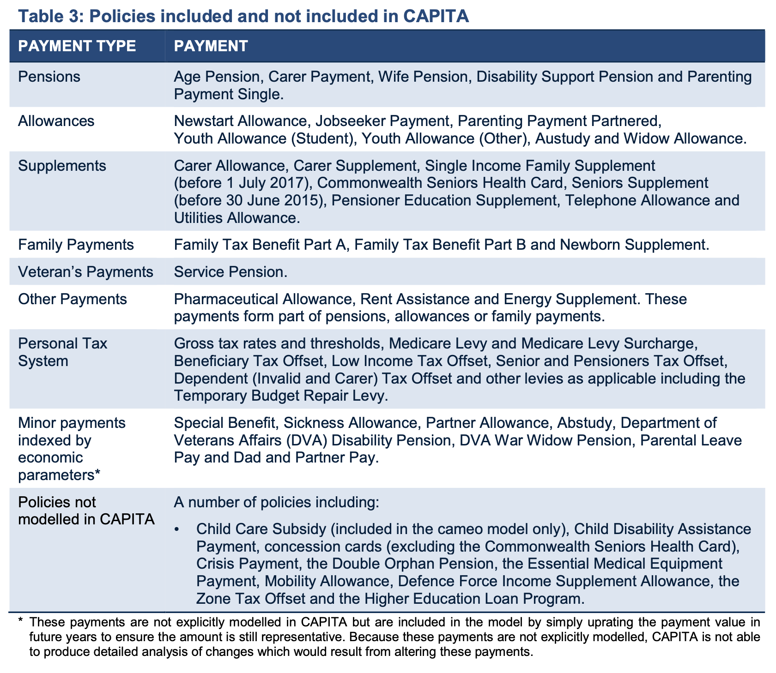
tax_type | sheet | tax_name | description |  | CAPITA baseline
tax | income_tax | Income Tax | Tax rates are progressive, ranging from 0% to 45% based on income.
tax | income_tax | Medicare Levy | A 2% levy on most taxable incomes to fund public healthcare.
tax | medicare_levy_surcharge | Medicare Levy Surcharge | An additional surcharge, up to 1.5%, for high-income earners without adequate private health insurance.
tax | fringe_benefits_tax | Fringe Benefits Tax (FBT) | A tax on non-cash benefits provided by employers to employees.
tax | superannuation_contributions_tax | Superannuation Contributions Tax | Tax on superannuation contributions made by employers and individuals.
tax | budget_repair_levy | Budget Repair Levy (no longer in effect) | A temporary 2% levy on taxable incomes over $180,000 to assist with budget repair (no longer applicable).
tax | hecs | HECS (Higher Education Contribution Scheme) | A scheme for Australian citizens and residents to defer payment of their tertiary education fees until their income reaches a certain threshold.
offset | tax_offsets | Low-Income Tax Offset (LITO) | A tax offset designed to reduce the tax liability of low-income individuals.
offset | tax_offsets | Low and Middle Income Tax Offset (LMITO) | A tax offset for individuals with low to middle incomes, providing tax relief.
offset | super_tax_offset | Low Income Super Tax Offset | If you earn up to $37,000 a year, you may be eligible to receive a low income super tax offset (LISTO) payment of up to $500. | https://www.ato.gov.au/Individuals/Super/Growing-and-keeping-track-of-your-super/How-to-save-more-in-your-super/Government-super-contributions/Low-income-super-tax-offset/
offset | beneficiary_tax_offset | Beneficiary Tax Offset | A tax offset available to certain government beneficiaries to reduce their tax liability.
offset | senior_and_pensioners_tax_offset | Senior and Pensioners Tax Offset | A tax offset for eligible seniors and pensioners to lower their tax burden.
offset | dependent_tax_offset | Dependent (Invalid and Carer) Tax Offset | A tax offset for individuals who financially support dependents with disabilities, providing tax relief.

medicare_levy_surcharge
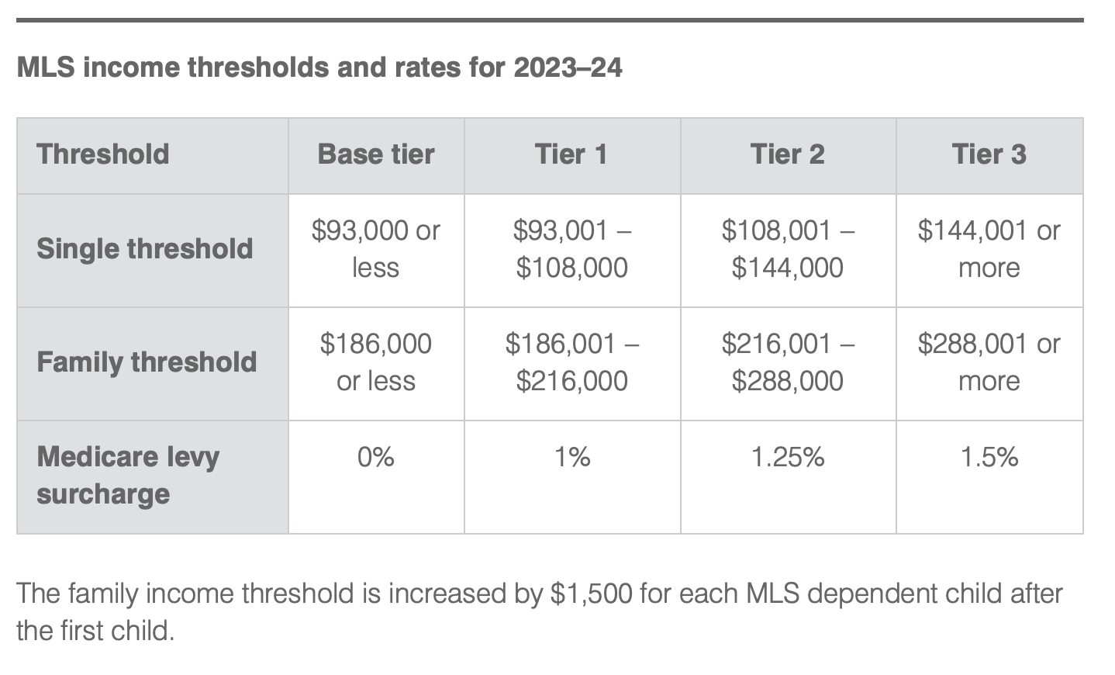
year | single | threshold | rate | https://www.ato.gov.au/Individuals/Medicare-and-private-health-insurance/Medicare-levy-surcharge/medicare-levy-surcharge-Income,-thresholds-and-rates/
2023 | T | 0 | 0
2023 | T | 93001 | 0.01
2023 | T | 108001 | 0.0125
2023 | T | 144001 | 0.015
2023 | F | 0 | 0
2023 | F | 186001 | 0.01
2023 | F | 216001 | 0.0125
2023 | F | 288001 | 0.015

 |  |  |  | Income for Medicare levy surcharge purposes
 |  |  |  | Income for Medicare levy surcharge (MLS) purposes is used to work out whether you have to pay the MLS and the rate you will pay.
 |  |  |  | If you have a spouse, we will use your combined income for MLS purposes.
 |  |  |  | Your income for MLS purposes is the sum of the following items for you (and your spouse, if you have one):

 |  |  |  | Taxable income
 |  |  |  | include the net amount on which family trust distribution tax has been paid
 |  |  |  | don't include any assessable first home super saver (FHSS) released amount for the income year under the FHSS scheme.

 |  |  |  | Reportable fringe benefits.
 |  |  |  | Total net investment losses – the sum of
 |  |  |  | net financial investment losses
 |  |  |  | net rental property losses.

 |  |  |  | Reportable super contributions – the sum of
 |  |  |  | reportable employer super contributions
 |  |  |  | deductible personal super contributions.

tax_offsets
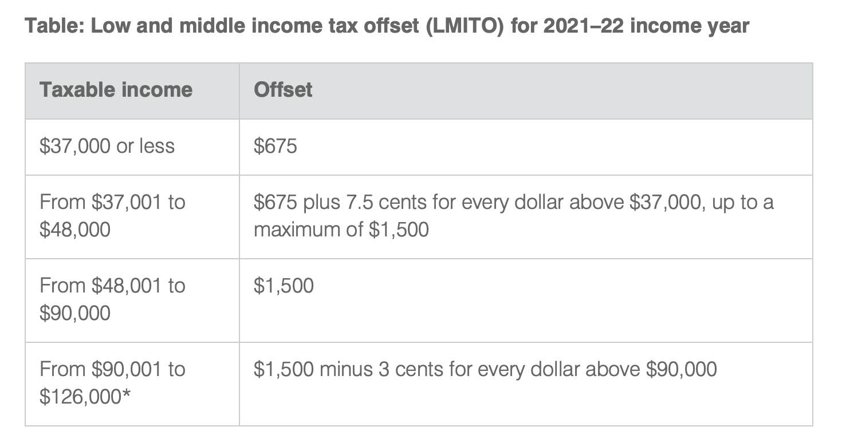
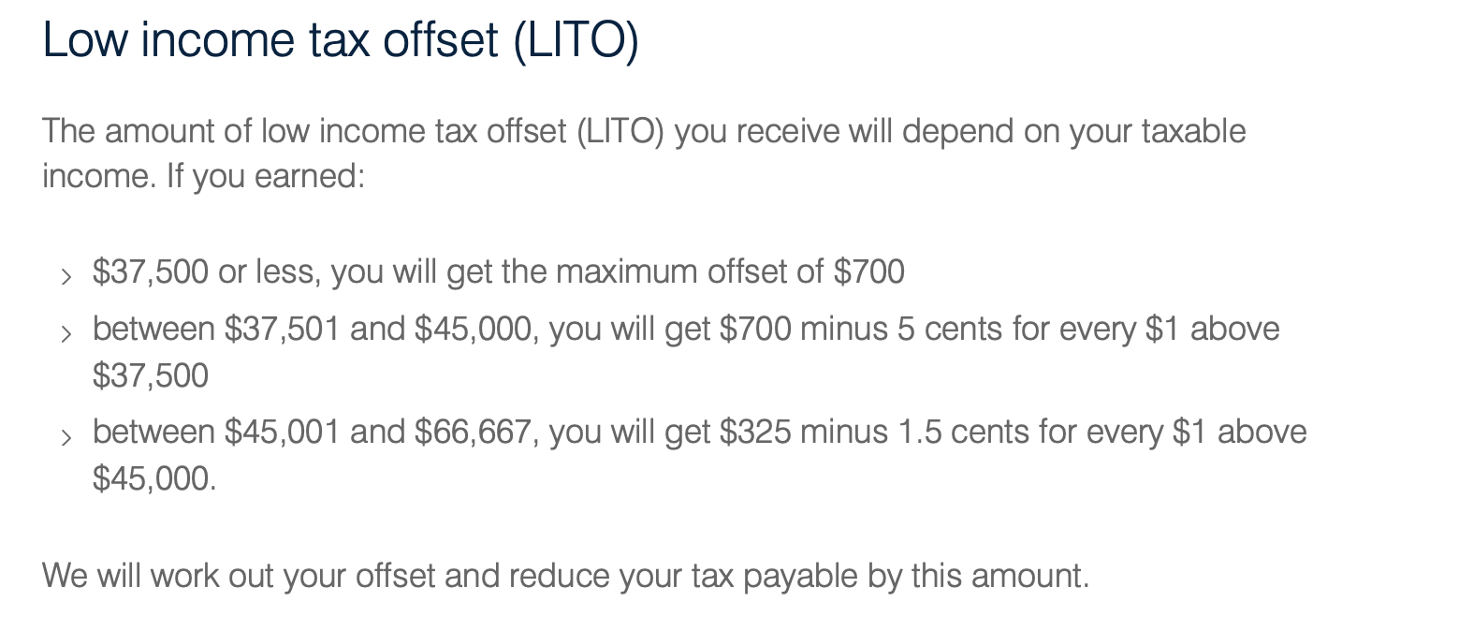
year | name | threshold | lump | rate
2022 | lmito | 0 | 675
2022 | lmito | 37000 | 675 | 0.075
2022 | lmito | 48000 | 1500
2022 | lmito | 90000 | 1500 | -0.03
2022 | lito | 0 | 700
2022 | lito | 37500 | 700 | -0.05
2022 | lito | 45000 | 325 | -0.015

