index
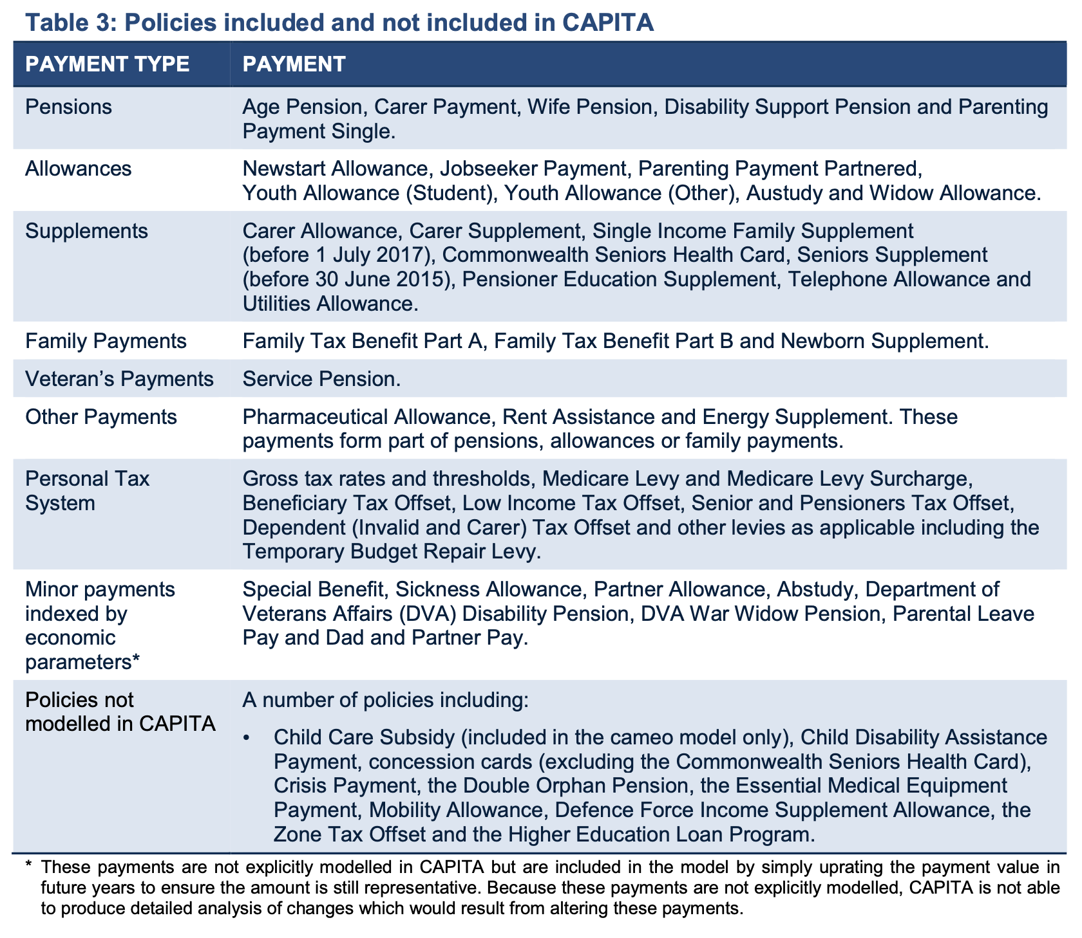
payment_type | sheet | payment_name | description | conditions | CAPITA baseline
pensions | age_pension | Age Pension | Means-tested pension for individuals aged 66-67 or older | - Age eligibility (66-67) - Residence requirements - Income and asset tests
pensions | carer_payment | Carer Payment | Payment for full-time caregivers | - Providing care to a person with a severe disability or medical condition - Eligibility for both caregiver and care recipient - Income and asset tests
pensions | disability_support_pension | Disability Support Pension | Payment for individuals with disabilities | - Medical condition preventing work - Income and asset tests - Medical assessments may be required
pensions | parenting_payment_single | Parenting Payment Single | Payment for single parents with at least one dependent child | - Income and asset tests
pensions | wife_pension | Wife Pension | Means-tested pension for eligible women | - Income and asset tests
allowances | austudy_payment | Austudy Payment | Payment for full-time students and apprentices | - Full-time student or apprentice status - Age restrictions - Residence requirements - Income and assets tests
allowances | jobseeker_payment | JobSeeker Payment (formerly Newstart Allowance) | Payment for unemployed job seekers | - Unemployment status - Income and asset tests - Mutual obligation requirements
allowances | parenting_payment_partnered | Parenting Payment Partnered | Payment for partnered parents with at least one dependent child | - Income and asset tests
allowances | rent_assistance | Rent Assistance | Additional support for renters receiving income support | - Receiving certain income support payments - Renting privately - Varies based on family situation and rent paid
allowances | widow_allowance | Widow Allowance | Payment for eligible widows and female divorcees | - Income and asset tests
allowances | youth_allowance | Youth Allowance | Payment for young people for various purposes | - Age-based eligibility - Income and assets tests - Student, apprentice, or job seeker status
family_payments | child_care_subsidy | Child Care Subsidy (CCS) | Subsidy for approved childcare services | - Using approved childcare services - Activity test (income and work/study requirements) - Means-tested with annual caps
family_payments | family_tax_benefit | Family Tax Benefit (FTB) | Financial assistance for families with children | - Family composition and income - Immunization and health check requirements
family_payments | newborn_supplement | Newborn Supplement | Additional support for families with newborns | - Paid as part of Family Tax Benefit Part A
supplements | carer_allowance | Carer Allowance | Additional support for eligible carers | - Providing daily care to a person with a disability or medical condition - Income and asset tests
supplements | carer_supplement | Carer Supplement | Annual payment for eligible carers | - Providing ongoing care for someone with a disability or medical condition
supplements | commonwealth_seniors_health_card | Commonwealth Seniors Health Card | Card for older Australians not receiving the Age Pension | - Generally for older Australians - Income requirements
supplements | energy_supplement | Energy Supplement | Payment to assist with energy bills | - Received by certain income support recipients
supplements | low_income_health_care_card | Low Income Health Care Card | Card for low-income individuals and families | - Available to low-income individuals and families - Income requirements
supplements | pensioner_concession_card | Pensioner Concession Card | Card for eligible pensioners providing discounts | - Generally granted to eligible pensioners
supplements | pensioner_education_supplement | Pensioner Education Supplement | Supplement for eligible pensioners pursuing education | - Enrolled in an approved course - Meets other requirements
supplements | schoolkids_bonus | Schoolkids Bonus | Payment to help with education expenses | - Eligibility based on family and income - Income test
supplements | seniors_supplement | Seniors Supplement (before 30 June 2015) | Supplement for eligible seniors | - No longer available after June 30, 2015 - Income requirements
supplements | single_income_family_supplement | Single Income Family Supplement | Supplement for eligible families with one main income earner | - Income eligibility criteria
supplements | telephone_allowance | Telephone Allowance | Payment to assist with telephone expenses | - Received by eligible pensioners
supplements | utilities_allowance | Utilities Allowance | Payment to assist with utility bills | - Received by eligible pensioners
veteran_payments | dva_war_widow_pension | DVA War Widow Pension | Pension for eligible war widows | - Eligibility criteria for war widows - Income and asset tests may apply
veteran_payments | service_pension | Service Pension | Pension for eligible veterans | - Eligibility criteria for veterans - Income and asset tests
minor_payments | abstudy | Abstudy | Payment for eligible Indigenous Australian students | - Indigenous Australian background - Enrolled in an approved course
minor_payments | dad_and_partner_pay | Dad and Partner Pay | Payment for eligible working fathers or partners | - Work and income requirements - Must be caring for a newborn or recently adopted child
minor_payments | dva_disability_pension | Department of Veterans Affairs (DVA) Disability Pension | Pension for eligible veterans | - Eligibility criteria for veterans - Medical assessments may be required
minor_payments | double_orphan_pension | Double Orphan Pension | Pension for eligible orphaned children | - Must be an eligible orphaned child - Income and assets may be considered
minor_payments | sickness_allowance | Sickness Allowance | Payment for individuals temporarily unable to work | - Medically certified as unfit for work - Income and assets tests may apply
minor_payments | special_benefit | Special Benefit | Payment for individuals in financial hardship | - Unable to support yourself and family financially - Income and assets may be considered
additional_payments | child_disability_assistance_payment | Child Disability Assistance Payment | Payment for families with a child with a disability | - Eligibility based on the child's disability and care needs
additional_payments | crisis_payment | Crisis Payment | Payment for individuals in extreme circumstances | - Specific crisis or extreme circumstances - May be income and asset tested
additional_payments | defence_force_income_supplement_allowance | Defence Force Income Supplement Allowance | Supplement for eligible members of the Australian Defence Force | - Eligibility criteria for ADF members - May be income and asset tested
additional_payments | essential_medical_equipment_payment | Essential Medical Equipment Payment | Payment for eligible individuals with specific medical needs | - Must have specific medical needs and equipment requirements
additional_payments | higher_education_loan_program | Higher Education Loan Program | Government loans for eligible higher education students | - Enrolled in an eligible course at an approved provider - Meet other requirements
additional_payments | mobility_allowance | Mobility Allowance | Payment for individuals with a disability who can't use public transport | - Must have a disability and meet mobility criteria
other_payments | pharmaceutical_allowance | Pharmaceutical Allowance | Additional support for eligible recipients of certain payments | - Received as part of eligible income support payments

