WORKING_DATA_EXPLANATION
WORKING DATA EXPLANATION This document chronicles all changes made to the RAW_DATA table to arrive at the WORKING_DATA table. For the purposes of functions WORKING_DATA has been set to the named range DATA. This page documents all changes made to the data prior to analysis.

2024-08-30
1. Copied data from original source
2. Pasted into new workbook on sheet RAW_DATA
3. Copied this data to new sheet WORKING DATA as values only
4. Deleted data outside the one year mark(July 2023 – July 2024)
5. Converted data to a table. The table is named DATA.
6. Deleted unnecessary columns
 | CC TIPS, TIPOUT , WITHELD, CASH CLAIMED, NET CC TIPS, HOURS, MINUTES, HOURLY | PAY, GROSS
7. Converted data to a table
8. Set correct format for each column:
 | DATE = Short Date AM/PM = Text MONTH = Short Date DOW = Short Date SALES = | Currency CASH = Currency CONVERTED = Number ACTUAL GROSS = Currency | COUNT = Number
 | AM SHIFTS = Number PM SHIFTS = Number SINGLE/DOUBLE = Text
9. Created 2 new calculated columns:
 | SALES_PER_HOUR = [@SALES]/{@CONVERTED], formatted as Currency | INCOME_PER_HOUR = [@ACTUAL GROSS]/[@CONVERTED], formatted as Currency | WEEKEND = | IFERROR(IF([@CONVERTED]0,0,SWITCH([@DOW],"FRI",IF([@[AM/PM]]="PM",1,0),
 | "SAT",1,"SUN",1)),0), formatted as Number.
 | This function tells us if a shift occurred on the weekend. The weekend is defined as Friday | PM & Saturday & Sunday AM & PM.
2024-09-01
1. Created RODEO table. Contains concert dates and artists for the 2023 Houston Livestock Show & Rodeo. These events are considered to have a seasonal effect on business where I work.
2. Created WEATHER table. Contains the high temperature and rainfall near my business. I'll be examining the effect of these two variables on sales and income.
3. Created HOLIDAYS table. Contains common holidays falling during the time frame of this analysis (7/2023 - 7/2024).
2024-09-02
1. Created ASTROS table. Contains the dates of Houston Astros home games falling between 2023 & 2024. Baseball games have been known to have an effect on our business.

2024-09-03
1. Converted DATA table back to a range for further manipulation.
2. Performed analysis on SALES, INCOME, SALES_PER_HOUR & INCOME_PER_HOUR. Looked at the average and variance values for these variables to determine which variables would be used as the basline variables & excluded as new binary indicator columns. Determined Tuesday was the most appropriate day of the week & July, the best month. Results can be seen on the EDA_1 sheet
EDA_1

3. Created binary indicators for MONTH, DOW, AM/PM & WEEKEND
4. Created binary indicators for ASTROS & RODEO

2024-09-05
1. Restructured the data into 3 separate tables
a. MASTER_DATA contains all variables bot binary and categorical.
I did this so I could use the categorical data to generate the values for the binary data.
The Astros home schedule, weather data & rodeo concert data were pulled in using xlookup based on the date column present in all associated tables.
b. DATA_CAT contains the categorical data & was constructed by copying MASTER_DATA and pasting it as values only on a new sheet.
Then the binary columns were deleted, the remaining columns were organized & the data converted to a table.
This was done to facilitate EDA and the creation of charts and graphs in a more human friendly format.
c. DATA_BIN contains binary data for the purpose of regression analysis and data modeling.
It was created in similar fashion to DATA_CAT where MASTER_DATA was copied and pasted into a new sheet, the uneccasary columns deleted
and then converted into a table.

EDA_2_UNIVARIATE
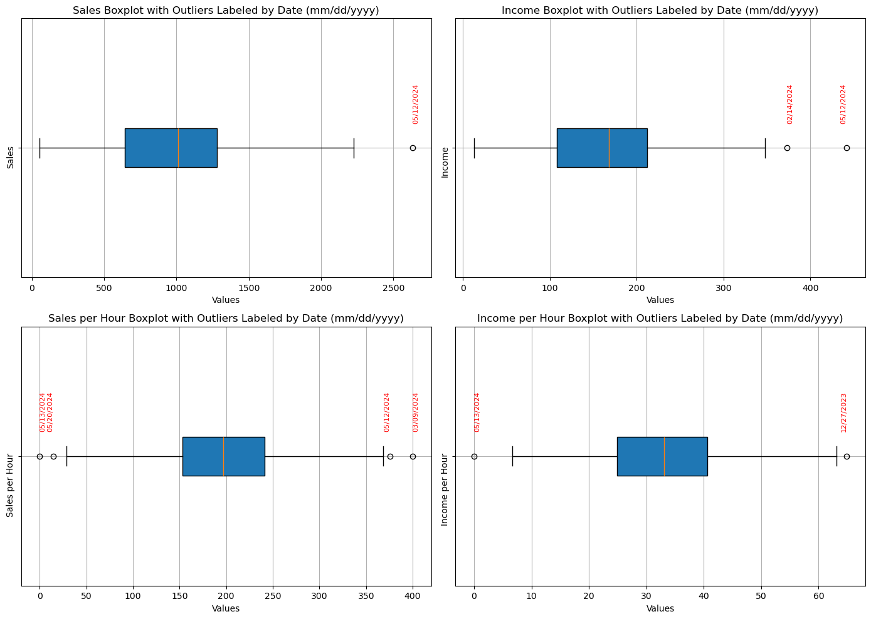
OUTLIER INVESTIGATION

Outlier(s) from SALES data
DATE | Holiday +- 3 days? | HOME GAME? | RODEO? | TEMPERATURE? | RAIN?
2024-05-12 | Mother's Day | No Game | No shows | Hot | Light rain
Outlier(s) from INCOME data
DATE | Holiday +- 3 days? | HOME GAME? | RODEO? | TEMPERATURE? | RAIN?
2024-02-14 | Valentine's Day | No Game | No shows | Cool | No rain
Outlier(s) from SALES_PER_HOUR data
DATE | Holiday +- 3 days? | HOME GAME? | RODEO? | TEMPERATURE? | RAIN?
2024-03-09 | No Holiday | No Game | Lainey Wilson | Cool | No rain
2024-05-12 | Mother's Day | No Game | No shows | Hot | Light rain
2024-05-13 | Mother's Day | vs Oakland Athletics | No shows | Hot | Medium rain
Outlier(s) from INCOME_PER_HOUR data
DATE | Holiday +- 3 days? | HOME GAME? | RODEO? | TEMPERATURE? | RAIN?
2024-05-13 | Mother's Day | vs Oakland Athletics | No shows | Hot | Medium rain
2023-12-27 | Christmas Eve, Christmas Day | No Game | No shows | Cool | No rain
DETERMINATION

Since all these dates can be tied to at least one event, be it a Holiday or an Astros game, they do not in fact appear to be true outliers. This being the case these rows will not be removed from the data set prior to continuing analysis.

Sheet2
0 |  | SALES_WED |  | 0
 |  | 1227.5
 |  | 836.5
 |  | 892
 |  | 997
 |  | 763
 |  | 477
 |  | 1060.27
 |  | 728.5
 |  | 1652
 |  | 524
 |  | 857.5
 |  | 787
 |  | 954.5
 |  | 223
 |  | 731
 |  | 648
 |  | 350
 |  | 212.5
 |  | 1018
 |  | 351
 |  | 731
 |  | 306
 |  | 698.5
 |  | 695
 |  | 1065.5
 |  | 1625.5
 |  | 1426.5
 |  | 1140.5
 |  | 454
 |  | 1000
 |  | 1320
 |  | 980
 |  | 1491.5
 |  | 2119
 |  | 992
 |  | 1484
 |  | 1915
 |  | 365
 |  | 591
 |  | 368
 |  | 319
 |  | 856
 |  | 421
 |  | 801.5
 |  | 724
 |  | 968.5
 |  | 570.5
 |  | 904
 |  | 1368
 |  | 1027
 |  | 966.5
 |  | 753
 |  | 997

 |  |  | test ordered
SALES | SALES | SORTED |  | Sales Range | Actual Count | Expected Count
1537 | 1537 | 55 |  |  | 16 | 13.843007509
963 | 963 | 57 |  |  | 44 | 33.251651751
1227.5 | 1227.5 | 99 |  |  | 48 | 57.367043537
1315.5 | 1315.5 | 131 |  |  | 73 | 71.097322284
1166.5 | 1166.5 | 190 |  |  | 68 | 63.301746922
1261 | 1261 | 207 |  |  | 38 | 40.48866548
1123 | 1123 | 212.5 |  |  | 14 | 18.601353717
1161 | 1161 | 223 |  |  | 5 | 6.1368366331
836.5 | 836.5 | 240 |  |  | 4 | 1.4534226461
1286 | 1286 | 245 |  |  | 1 | 0.24701001377
764.5 | 764.5 | 281
662 | 662 | 283.5
892 | 892 | 298
1455 | 1455 | 306
1817.5 | 1817.5 | 306.5
1036 | 1036 | 309
967 | 967 | 319
997 | 997 | 322 |  |  |  |  | line only | combo
1281.51 | 1281.51 | 323.5 | Sales Range | Actual Count | Expected Count
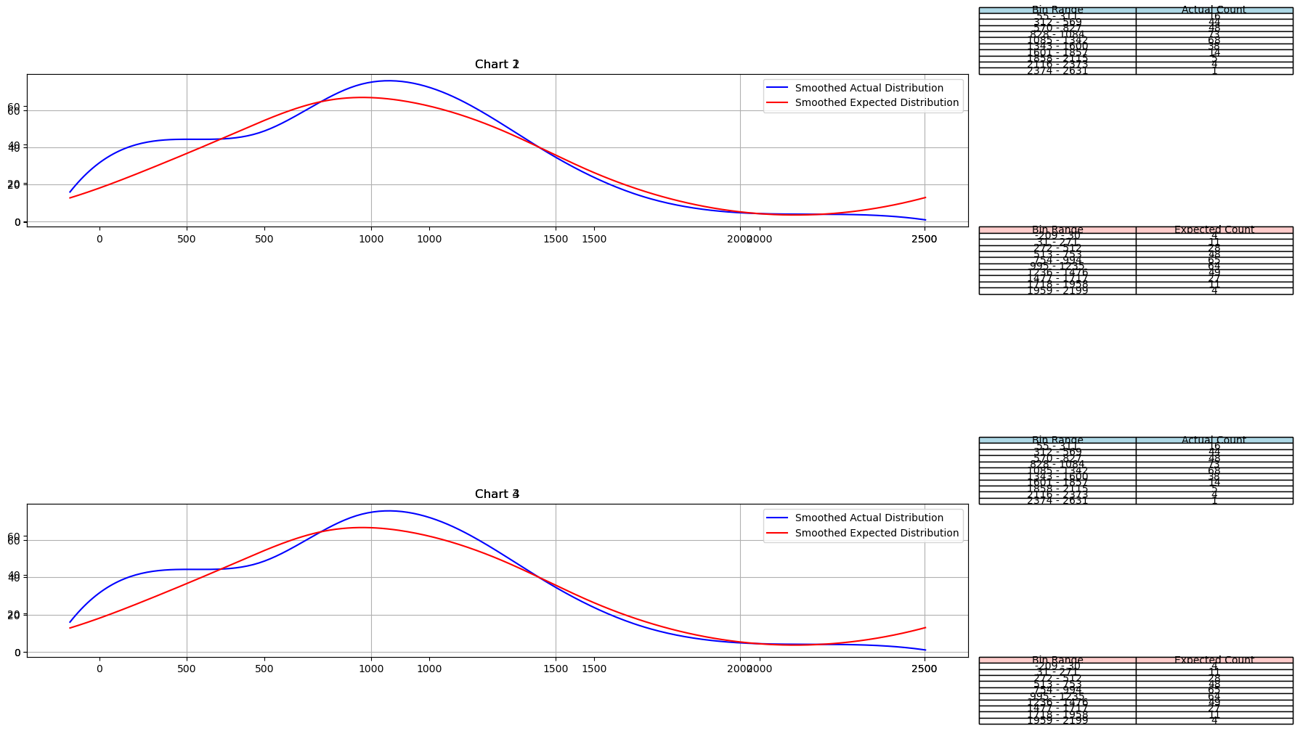
1011.49 | 1011.49 | 334 | (1085.6, 1343.25] | 68 | 13.843007509
804 | 804 | 341.5 | (1343.25, 1600.9] | 38 | 33.251651751
1304.5 | 1304.5 | 349 | (1600.9, 1858.55] | 14 | 57.367043537
706.5 | 706.5 | 350 | (1858.55, 2116.2] | 5 | 71.097322284
763 | 763 | 351 | (2116.2, 2373.85] | 4 | 63.301746922
477 | 477 | 357.5 | (2373.85, 2631.5] | 1 | 40.48866548
1016.33 | 1016.33 | 365 | (312.65, 570.3] | 44 | 18.601353717
1194 | 1194 | 368 | (54.999, 312.65] | 16 | 6.1368366331
1669.5 | 1669.5 | 369 | (570.3, 827.95] | 48 | 1.4534226461
518.5 | 518.5 | 369.5 | (827.95, 1085.6] | 73 | 0.24701001377
1184 | 1184 | 390.5
697 | 697 | 405
1060.27 | 1060.27 | 410
1187 | 1187 | 410
1928 | 1928 | 410
646.5 | 646.5 | 421
369 | 369 | 430
652.5 | 652.5 | 438.5
728.5 | 728.5 | 451.5
1652 | 1652 | 454
1152.5 | 1152.5 | 460
1761.5 | 1761.5 | 465
910 | 910 | 468
942 | 942 | 477
405 | 405 | 481
524 | 524 | 491.5
857.5 | 857.5 | 498
1320.5 | 1320.5 | 508
510 | 510 | 509
1345.5 | 1345.5 | 510
1029.75 | 1029.75 | 513
1029.75 | 1029.75 | 518.5
281 | 281 | 524
131 | 131 | 525
787 | 787 | 535
954.5 | 954.5 | 538
1714 | 1714 | 558
1227.5 | 1227.5 | 562
1301.5 | 1301.5 | 566
950 | 950 | 567
223 | 223 | 568
1417 | 1417 | 570.5
589 | 589 | 571
819.25 | 819.25 | 578.58
819.25 | 819.25 | 586
349 | 349 | 589
430 | 430 | 591
731 | 731 | 591.5
649.5 | 649.5 | 593
862.5 | 862.5 | 594
1203 | 1203 | 600
1018 | 1018 | 602.5
1018 | 1018 | 602.5
309 | 309 | 603
498 | 498 | 613.5
933 | 933 | 615.5
931 | 931 | 615.5
931 | 931 | 621
1011.5 | 1011.5 | 640
648 | 648 | 646.5
848 | 848 | 648
1323 | 1323 | 649.5
978.25 | 978.25 | 652.5
978.25 | 978.25 | 659
838.5 | 838.5 | 662
350 | 350 | 677
892 | 892 | 677
1409 | 1409 | 695
1222.5 | 1222.5 | 697
1012 | 1012 | 698.5
212.5 | 212.5 | 706.5
306.5 | 306.5 | 724
1403.5 | 1403.5 | 728.5
1422.48 | 1422.48 | 731
836 | 836 | 731
245 | 245 | 753
1018 | 1018 | 761
955 | 955 | 763
1040.5 | 1040.5 | 764.5
1279 | 1279 | 766.5
640 | 640 | 770.5
558 | 558 | 779
351 | 351 | 782
1010 | 1010 | 787
1353 | 1353 | 801.5
593 | 593 | 804
410 | 410 | 815.5
603 | 603 | 819.25
1618.5 | 1618.5 | 819.25
1228.5 | 1228.5 | 835.5
1127.25 | 1127.25 | 836
591.5 | 591.5 | 836.5
947.5 | 947.5 | 838.5
1505 | 1505 | 848
1098 | 1098 | 856
1284 | 1284 | 857.5
568 | 568 | 858
988 | 988 | 862.5
731 | 731 | 872
1036.5 | 1036.5 | 892
1264 | 1264 | 892
1271 | 1271 | 904
410 | 410 | 908
1448 | 1448 | 908.5
306 | 306 | 910
835.5 | 835.5 | 913
535 | 535 | 919
509 | 509 | 931
438.5 | 438.5 | 931
1084.5 | 1084.5 | 933
1199 | 1199 | 942
465 | 465 | 943.5
698.5 | 698.5 | 943.5
1617 | 1617 | 946.5
322 | 322 | 947.5
1072 | 1072 | 950
1044.5 | 1044.5 | 953.5
695 | 695 | 954.5
659 | 659 | 955
1181 | 1181 | 963
1390 | 1390 | 966.5
1140 | 1140 | 967
1102 | 1102 | 968.5
1445 | 1445 | 975
1427 | 1427 | 975
1065.5 | 1065.5 | 978.25
1625.5 | 1625.5 | 978.25
1304 | 1304 | 980
1261 | 1261 | 988
298 | 298 | 992
946.5 | 946.5 | 997
1426.5 | 1426.5 | 997
1373.5 | 1373.5 | 1000
1280 | 1280 | 1010
1389.5 | 1389.5 | 1011.49
491.5 | 491.5 | 1011.5
1140.5 | 1140.5 | 1012
1276.5 | 1276.5 | 1016.33
1227 | 1227 | 1017.5
454 | 454 | 1018
919 | 919 | 1018
1417 | 1417 | 1018
1544 | 1544 | 1027
283.5 | 283.5 | 1027.5
1000 | 1000 | 1029.75
1739 | 1739 | 1029.75
1224 | 1224 | 1036
1188.5 | 1188.5 | 1036.5
1192.5 | 1192.5 | 1040.5
908 | 908 | 1041.5
1320 | 1320 | 1044
1451.5 | 1451.5 | 1044.5
1462 | 1462 | 1060
207 | 207 | 1060.27
1094.5 | 1094.5 | 1062
334 | 334 | 1065.5
1044 | 1044 | 1066.5
980 | 980 | 1072
1491.5 | 1491.5 | 1072.5
1198 | 1198 | 1078
908.5 | 908.5 | 1084.5
513 | 513 | 1085
55 | 55 | 1087
1041.5 | 1041.5 | 1089
2119 | 2119 | 1094.5
1197 | 1197 | 1098
1085 | 1085 | 1102
1526.5 | 1526.5 | 1112
779 | 779 | 1112
1245 | 1245 | 1121
566 | 566 | 1123
1027.5 | 1027.5 | 1123.5
1762 | 1762 | 1127.25
1062 | 1062 | 1140
451.5 | 451.5 | 1140.5
975 | 975 | 1152.5
992 | 992 | 1161
1078 | 1078 | 1165
1060 | 1060 | 1165
600 | 600 | 1166.5
2022 | 2022 | 1181
562 | 562 | 1184
1687 | 1687 | 1184
1484 | 1484 | 1187
1644 | 1644 | 1188.5
410 | 410 | 1192.5
2225.5 | 2225.5 | 1193.5
481 | 481 | 1194
1184 | 1184 | 1197
2178.5 | 2178.5 | 1198
1915 | 1915 | 1198
1924.5 | 1924.5 | 1198.335
567 | 567 | 1198.335
1429 | 1429 | 1199
357.5 | 357.5 | 1203
578.58 | 578.58 | 1204.5
1089 | 1089 | 1205.5
365 | 365 | 1216
1565.5 | 1565.5 | 1222.5
913 | 913 | 1224
341.5 | 341.5 | 1227
1253.5 | 1253.5 | 1227.5
2191.5 | 2191.5 | 1227.5
953.5 | 953.5 | 1228.5
815.5 | 815.5 | 1245
1087 | 1087 | 1253.5
770.5 | 770.5 | 1261
858 | 858 | 1261
1193.5 | 1193.5 | 1264
591 | 591 | 1271
368 | 368 | 1276.5
1198 | 1198 | 1278.25
975 | 975 | 1278.25
99 | 99 | 1279
594 | 594 | 1280
319 | 319 | 1281.51
856 | 856 | 1284
369.5 | 369.5 | 1286
1566.5 | 1566.5 | 1295.25
1278.25 | 1278.25 | 1295.25
1278.25 | 1278.25 | 1300.5
2054.5 | 2054.5 | 1301.5
677 | 677 | 1304
677 | 677 | 1304.5
421 | 421 | 1313.5
801.5 | 801.5 | 1314.5
602.5 | 602.5 | 1315.5
602.5 | 602.5 | 1320
1313.5 | 1313.5 | 1320.5
1112 | 1112 | 1323
1112 | 1112 | 1345.5
240 | 240 | 1351
1526 | 1526 | 1353
1427 | 1427 | 1368
1427 | 1427 | 1373.5
1798.5 | 1798.5 | 1385.5
538 | 538 | 1389.5
766.5 | 766.5 | 1390
724 | 724 | 1397.5
968.5 | 968.5 | 1403.5
1715.5 | 1715.5 | 1409
1198.335 | 1198.335 | 1417
1198.335 | 1198.335 | 1417
1314.5 | 1314.5 | 1422.48
1397.5 | 1397.5 | 1426.5
570.5 | 570.5 | 1427
1527.5 | 1527.5 | 1427
1165 | 1165 | 1427
1165 | 1165 | 1429
2631.5 | 2631.5 | 1434.5
390.5 | 390.5 | 1435
904 | 904 | 1445
1066.5 | 1066.5 | 1448
1385.5 | 1385.5 | 1451.5
1555 | 1555 | 1455
525 | 525 | 1462
1435 | 1435 | 1484
57 | 57 | 1491.5
1368 | 1368 | 1505
1300.5 | 1300.5 | 1515
571 | 571 | 1526
1434.5 | 1434.5 | 1526.5
943.5 | 943.5 | 1527.5
943.5 | 943.5 | 1537
613.5 | 613.5 | 1544
872 | 872 | 1555
782 | 782 | 1565.5
586 | 586 | 1566.5
1027 | 1027 | 1617
1121 | 1121 | 1618.5
1216 | 1216 | 1625.5
1351 | 1351 | 1644
615.5 | 615.5 | 1652
615.5 | 615.5 | 1669.5
966.5 | 966.5 | 1687
761 | 761 | 1714
460 | 460 | 1715.5
1515 | 1515 | 1739
1295.25 | 1295.25 | 1761.5
1295.25 | 1295.25 | 1762
753 | 753 | 1798.5
323.5 | 323.5 | 1817.5
1123.5 | 1123.5 | 1915
621 | 621 | 1924.5
1017.5 | 1017.5 | 1928
508 | 508 | 2022
997 | 997 | 2054.5
468 | 468 | 2119
1204.5 | 1204.5 | 2178.5
190 | 190 | 2191.5
1205.5 | 1205.5 | 2225.5
1072.5 | 1072.5 | 2631.5

