WORKING_DATA_EXPLANATION
WORKING DATA EXPLANATION This document chronicles all changes made to the RAW_DATA table to arrive at the WORKING_DATA table. For the purposes of functions WORKING_DATA has been set to the named range DATA. This page documents all changes made to the data prior to analysis.

2024-08-30
1. Copied data from original source
2. Pasted into new workbook on sheet RAW_DATA
3. Copied this data to new sheet WORKING DATA as values only
4. Deleted data outside the one year mark(July 2023 – July 2024)
5. Converted data to a table. The table is named DATA.
6. Deleted unnecessary columns
 | CC TIPS, TIPOUT , WITHELD, CASH CLAIMED, NET CC TIPS, HOURS, MINUTES, HOURLY | PAY, GROSS
7. Converted data to a table
8. Set correct format for each column:
 | DATE = Short Date AM/PM = Text MONTH = Short Date DOW = Short Date SALES = | Currency CASH = Currency CONVERTED = Number ACTUAL GROSS = Currency | COUNT = Number
 | AM SHIFTS = Number PM SHIFTS = Number SINGLE/DOUBLE = Text
9. Created 2 new calculated columns:
 | SALES_PER_HOUR = [@SALES]/{@CONVERTED], formatted as Currency | INCOME_PER_HOUR = [@ACTUAL GROSS]/[@CONVERTED], formatted as Currency | WEEKEND = | IFERROR(IF([@CONVERTED]0,0,SWITCH([@DOW],"FRI",IF([@[AM/PM]]="PM",1,0),
 | "SAT",1,"SUN",1)),0), formatted as Number.
 | This function tells us if a shift occurred on the weekend. The weekend is defined as Friday | PM & Saturday & Sunday AM & PM.
2024-09-01
1. Created RODEO table. Contains concert dates and artists for the 2023 Houston Livestock Show & Rodeo. These events are considered to have a seasonal effect on business where I work.
2. Created WEATHER table. Contains the high temperature and rainfall near my business. I'll be examining the effect of these two variables on sales and income.
3. Created HOLIDAYS table. Contains common holidays falling during the time frame of this analysis (7/2023 - 7/2024).
2024-09-02
1. Created ASTROS table. Contains the dates of Houston Astros home games falling between 2023 & 2024. Baseball games have been known to have an effect on our business.

2024-09-03
1. Converted DATA table back to a range for further manipulation.
2. Performed analysis on SALES, INCOME, SALES_PER_HOUR & INCOME_PER_HOUR. Looked at the average and variance values for these variables to determine which variables would be used as the basline variables & excluded as new binary indicator columns. Determined Tuesday was the most appropriate day of the week & July, the best month. Results can be seen on the EDA_1 sheet
EDA_1

3. Created binary indicators for MONTH, DOW, AM/PM & WEEKEND
4. Created binary indicators for ASTROS & RODEO

2024-09-05
1. Restructured the data into 3 separate tables
a. MASTER_DATA contains all variables bot binary and categorical.
I did this so I could use the categorical data to generate the values for the binary data.
The Astros home schedule, weather data & rodeo concert data were pulled in using xlookup based on the date column present in all associated tables.
b. DATA_CAT contains the categorical data & was constructed by copying MASTER_DATA and pasting it as values only on a new sheet.
Then the binary columns were deleted, the remaining columns were organized & the data converted to a table.
This was done to facilitate EDA and the creation of charts and graphs in a more human friendly format.
c. DATA_BIN contains binary data for the purpose of regression analysis and data modeling.
It was created in similar fashion to DATA_CAT where MASTER_DATA was copied and pasted into a new sheet, the uneccasary columns deleted
and then converted into a table.

EDA_2_UNIVARIATE
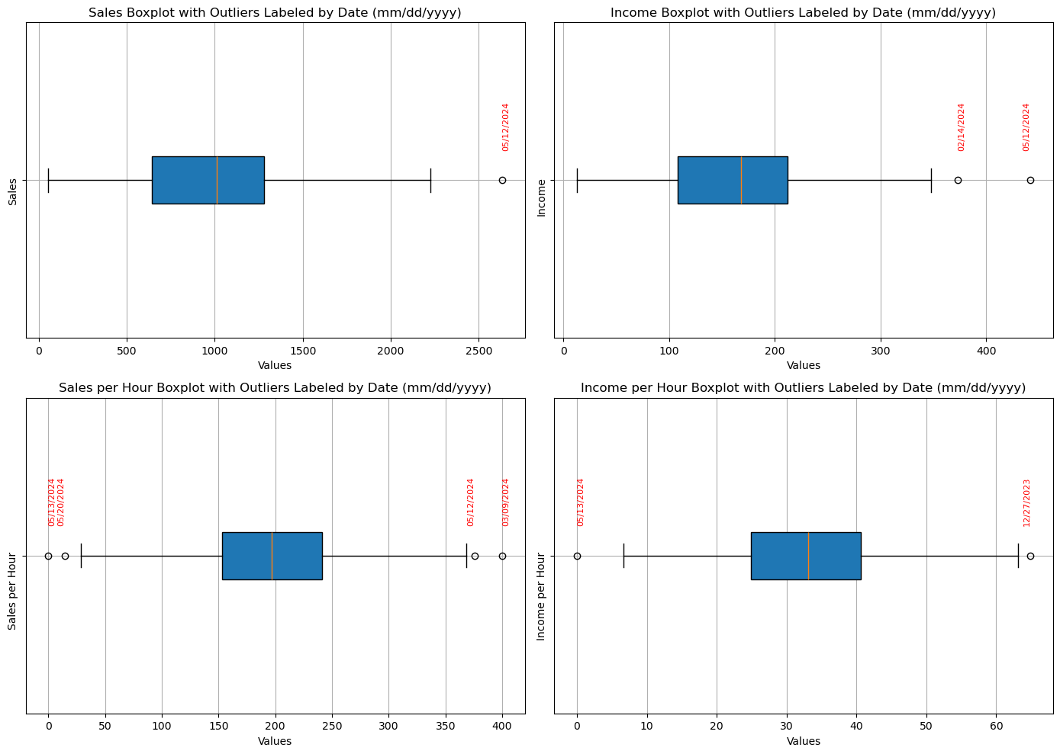
OUTLIERS FOR SALES

2024-05-12 | No Holiday Within 3 Days

2024-02-14 | No Holiday Within 3 Days

