Dual Output
UCC1424x-Q1 DESIGN CALCULATOR TOOL: DUAL OUTPUT (Ver. 8)
Disclaimer
This product is designed as an aid for customers of Texas Instruments. No warranties, either expressed or implied, with respect to this software or its fitness for any particular purpose, are claimed by Texas Instruments or the author. The software is licensed solely on an "as is" basis. The entire risk as to its quality and performance is with the customer.

UCC1424x-Q1 2.0-W, 24-V VIN, High-Efficiency, Isolated DC/DC Module
CLEAR ALL USER INPUT CELLS BEFORE STARTING A NEW DESIGN
ALL GREEN CELLS ARE USER INPUTS; CELLS INTO RED MEANS ERROR ON USER INPUTS
WHERE APPLICABLE, A RECOMMENDED VALUE IS GIVEN THAT WILL BE THE BEST CHOICE TO MEET THE GIVEN SPECIFICATION. IT IS IN THE BEST INTEREST OF THE USER TO USE A VALUE AS CLOSE AS POSSIBLE TO THE RECOMMENDED VALUE. FOR ACCURATE RESULTS, THE USER MUST ENTER THE ACTUAL VALUE USED IN THE APPROPRIATE CELL.
Dual Output Application Functional Schematic configured for (COM-VEE) regulation < 2.5V
Dual Output Application Schematic configured for (COM-VEE) regulation = 2.5V
Dual Output Application Schematic configured for (COM-VEE) regulation > 2.5V
DESIGN REQUIREMENTS

Differential voltage between VDD and VEE, VDD - VEE = | 15.0 | V |  | 0.00
Differential voltage between COM and VEE, COM - VEE = | 4.0 | V | If COM-VEE > 2.5V, then use FBVEE feedback resistor divider between VEE and COM | 11.00 | VDD-COM
Total gate charge of power switch, Qgtot = | 0.16 | µC |  | 0.17 | Desired AC gate-switching ripple between VDD and COM
Switching frequency of gate driver load, fSW = | 60 | kHz
Quiescent current of the gate driver from (VDD – COM), IQ_DRIVER_VDD | 0 | mA | Includes the operating current of gate driver without switching
Quiescent current of the gate driver from (COM – VEE), IQ_DRIVER_VEE | 0 | mA
Quiescent current of other load on (VDD – COM) except gate driver, IQ_OTHER_VDD | 0 | mA
Quiescent current of other load on (COM – VEE) except gate driver, IQ_OTHER_VEE | 0 | mA
Total quiescent current from (VDD-COM), IQ_VDD-COM | 0 | mA
Total quiescent current from (COM-VEE), IQ_COM-VEE | 0 | mA
Bottom feedback resistor between FBVDD and VEE, RFBVDD_VEE | 10 | kΩ
COM_VEE > 2.5V: Bottom feedback resistor between FBVEE and VEE, RFBVEE_VEE | 50 | kΩ
Desired AC gate-switching ripple percentage between VDD and COM, %VPP_MAX | 1.5 | % | Respect to VDD-COM
Max. component tolerance of COUT2 | 15 | %
Min. component tolerance of COUT2 | -15 | %
Max. component tolerance of COUT3 | 15 | %
Min. component tolerance of COUT3 | -15 | %
Max. RLIM current to overcome capacitance variation, IRLM_CAP | -0.5 | mA | Positive means out of RLIM pin Negative means into RLIM pin | 0.38 | mA | ILIM out of RLIM pin to compensate the capacitor mismatch
 |  |  |  | -0.46 | mA | ILIM into RLIM pin to compensate the capacitor mismatch
Max. RLIM current to overcome capacitance variation & differential IQ | -0.5 | mA | Positive means out of RLIM pin Negative means into RLIM pin | 0.38 | mA | Total ILIM considering Min. pull-up capability of RLIM regulator
 |  |  |  | -0.46 | mA | Total ILIM considering Min. pull-down capability of RLIM regulator
Output power contribution from gate driver switching | 0.144 | W
Output power contribution from gate driver quiescent current | 0 | W
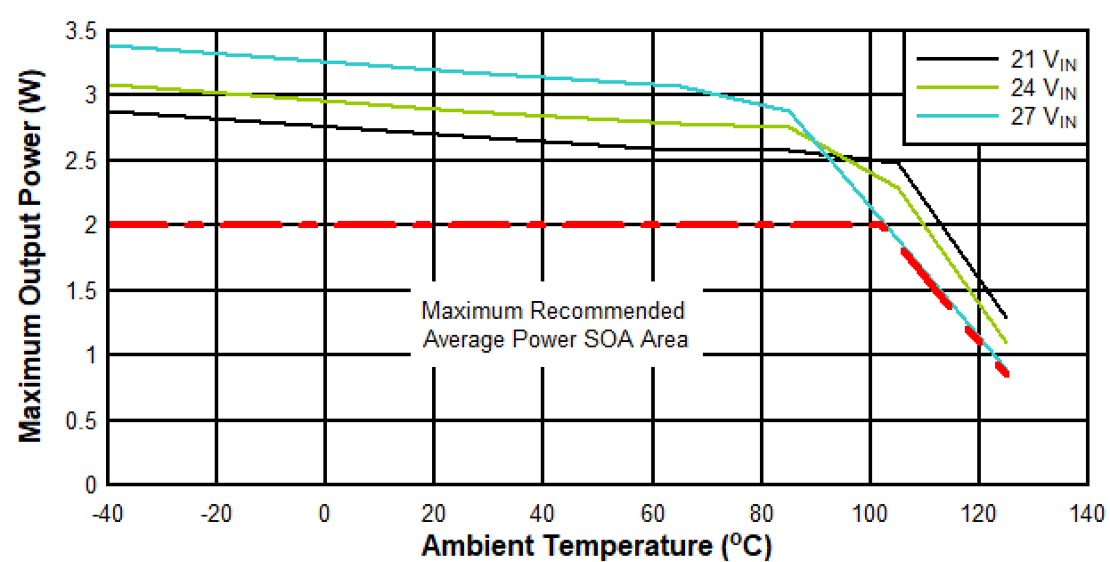
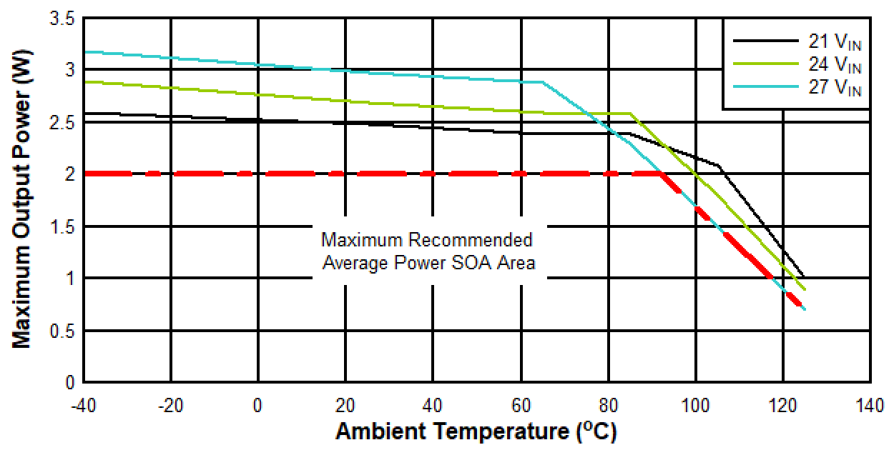
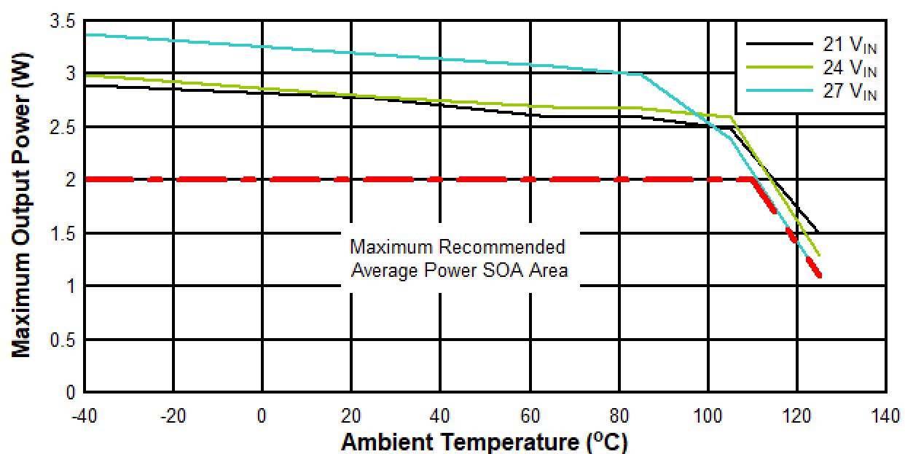
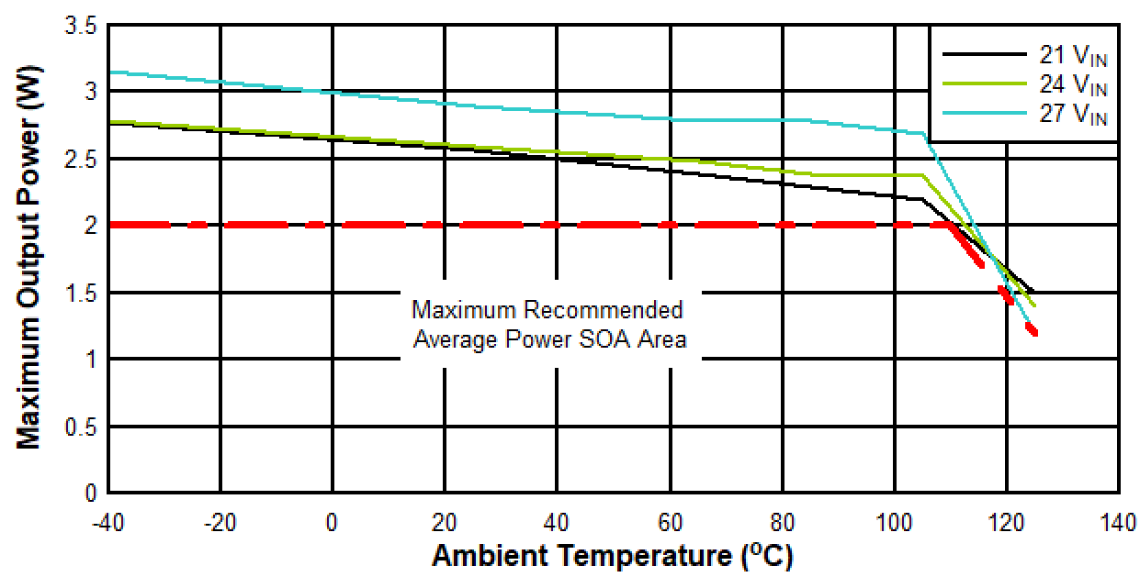
SOA Curves: VDD-VEE = 18V, COM-VEE = 5V
SOA Curves: VDD-VEE = 15V, COM-VEE = 5V
SOA Curves: VDD-VEE = 22V, COM-VEE = 4V
SOA Curves: VDD-VEE = 25V, COM-VEE = 5V
Output power contribution from capacitor mismatch current (IRLM_CAP) | 0.00 | W
Max. Avg power capability based on provided SOA and TAMB, PAVG = | 2.00 | W | Refer to the Maximum Recommended Average Power Area in SOA figure. Note (2).
Total output power requirement without RLIM regulator loss, PO = | 0.14 | W | < Max. AVG power capability based on provided SOA & TAMB
Max. transient power capability based on provided SOA and TAMB, PMAX = | 3.00 | W | Use maximum power at 25oC ambient temperature in the SOA figure. | 0.20 | A | I_MAX_POWER
Max. transient output current capability with gate driver load, IMAX_POWER = | 0.20 | A

RECOMMENDED COMPONENT VALUE FROM DESIGN REQUIREMENTS

Resistor Divider Design for VVDD-VEE and VCOM-VEE
Top feedback resistor between VDD and FBVDD, RFBVDD_VDD = | 50 | kΩ
COM_VEE > 2.5V: Top feedback resistor between FBVEE and COM, RFBVEE_COM = | 30.00 | kΩ
Decoupling Capacitor Design Close to Output Load (COUT1B, COUT2, and COUT3)
Recommended energy-storage capacitance between VDD and VEE, COUT1B, at Gate Driver | 0.815 | uF
Selected energy-storage capacitance between VDD and VEE, COUT1B, at Gate Driver | 20.0 | uF | Choose closest stardard value. but higher than COUT1B(MIN). Place close to gate driver. Note (1)
Min. energy-storage capacitance between VDD and COM, COUT2(MIN) = | 0.265 | µF |  | 2.75 |  | K23
Selected energy-storage capacitance between VDD and COM, COUT2 = | 4.7 | µF | Choose closest stardard value but higher than COUT2(MIN). Place close to gate driver. Note (1) | 11.31 |  | K23^2+K23+1
Min. decoupling capacitance between COM and VEE, COUT3(MIN) = | 12.9 | µF
Selected COUT3 value, COUT3 = | 22.0 | µF | Choose closest stardard value but higher than COUT3(MIN). Place close to gate driver. Note (1)
RLIM Pin : Single RLIM Resistor Option (Without DLIM and RLIM2)
Max. RLIM resistance RLIM(MAX) = | 1155.8 | Ω |  | 2900.16 | Ω | RLIM(MAX) considering Min. pull-up capability of RLIM regulator
 |  |  |  | 8615.01 | Ω | RLIM(MAX) considering Min. pull-down capability of RLIM regulator
 |  |  |  | 1155.77 | Ω | RLIM(MAX) considering Min. pull-down to clear startup overshoot below OVP within 1.5ms
Selected RLIM value, RLIM = | 400 | Ω | Choose closest standard value but lower than RLIM(MAX). Note (3).
Power loss rating of RLIM = | 0.100 | W | < Max. power limit of RLIM
RLIM Pin : RDR Option (With DLIM and RLIM2)
Max. RLIM1 resistance RLIM1(MAX) = | 2900.2 | Ω |  | 0.00160 | A | current
Selected RLIM1 value, RLIM1 = | 2500 | Ω | Choose closest standard value but lower than RLIM1(MAX), and not more than 3kΩ. Note (3). | 0.00778 | A | current
Power loss rating of RLIM1 | 0.016 | W | < Max. power limit of RLIM1 | 0.17062 |  | current ratio
Max. RLIM2 resistance RLIM2(MAX) = | 1681.3 | Ω
Selected RLIM2 value, RLIM2 = | 450 | Ω | Choose closest standard value but lower than RLIM2(MAX). Note (3).
Power loss rating of RLIM2 = | 0.000 | W | < Max. power limit of RLIM2 | 0.82938 |  | current ratio

OTHER RECOMMENDED COMPONENT VALUE

Filter capacitor between FBVDD and VEE, CFBVDD = | 330 | pF | Place close to UCC1424x-Q1.
Filter capacitor between FBVEE and VEE, CFBVEE = | 330 | pF
Decoupling capacitor between VDD and VEE, COUT1 = | 2.2 // 0.1 | µF
Decoupling capacitor between VIN and GNDP, CIN = | 10 // 0.1 | µF

Note (1): Achieve the minimum required capacitance, careful attention should be paid to the applied DC voltage vs. capacitor rated working voltage, temperature, tolerance and dielectric type.
Note (2): The maximum recommended average power SOA area at each Vin is determined by the lower value of the 2.0W limit (dotted line) and the corresponding thermal derating curve (solid line) at that input voltage. The part is not recommeded to operate at an ambient temperature higher than 125 deg C.
Note (3): RLIM regulator efficiency will be impaired if RLIM is chosen much lower than RLIM(MAX).
Note (4): Some gate driver datasheets only specify IVDD-to-VEE, so user may need to check with gate driver manufacturers for IQ_DRIVER_VDD and IQ_DRIVER_VEE. Alternatively, user may directly measure the current w/o switching.

Single Output
Single Output Application Schematic
UCC1424x-Q1 DESIGN CALCULATOR TOOL: SINGLE OUTPUT (Ver. 8)
Disclaimer
This product is designed as an aid for customers of Texas Instruments. No warranties, either expressed or implied, with respect to this software or its fitness for any particular purpose, are claimed by Texas Instruments or the author. The software is licensed solely on an "as is" basis. The entire risk as to its quality and performance is with the customer.

UCC1424x-Q1 2.5-W, 24-V VIN, High-Efficiency, Isolated DC/DC Module
CLEAR ALL USER INPUT CELLS BEFORE STARTING A NEW DESIGN
ALL GREEN CELLS ARE USER INPUTS; CELLS INTO RED MEANS ERROR ON USER INPUTS
WHERE APPLICABLE, A RECOMMENDED VALUE IS GIVEN THAT WILL BE THE BEST CHOICE TO MEET THE GIVEN SPECIFICATION. IT IS IN THE BEST INTEREST OF THE USER TO USE A VALUE AS CLOSE AS POSSIBLE TO THE RECOMMENDED VALUE. FOR ACCURATE RESULTS, THE USER MUST ENTER THE ACTUAL VALUE USED IN THE APPROPRIATE CELL.
DESIGN REQUIREMENTS

Differential voltage between VDD and VEE, VDD - VEE = | 14.3 | V
Total gate charge of power switch, Qgtot = | 0.16 | µC | No gate drive sets as 0µC
Switching frequency of gate driver load, fSW = | 50 | kHz | No gate drive sets as 0kHz
Quiescent current of the gate driver from (VDD – VEE), IQ_DRIVER_VDD | 0 | mA | No gate drive sets as 0mA
Quiescent current of other load on (VDD – VEE) except gate driver, IQ_OTHER_VDD | 0 | mA
Total quiescent current from (VDD-VEE), IQ_VDD-VEE | 0 | mA
Step load transient of other load from (VDD – VEE), ISTEP = | 0 | mA | No step load sets as 0A
Max. Avg power capability based on provided SOA and TAMB, PAVG = | 2.00 | W | Refer to the Maximum Recommended Average Power Area in SOA figure. Note(2).
Total output power requirement, PO = | 0.1144 | W | < Max. AVG power capability based on provided SOA & TAMB
Bottom feedback resistor between FBVDD and VEE, RFBVDD_VEE | 10 | kΩ
Desired AC ripple percentage between VDD and VEE, %VPP_MAX | 1.5 | % | Respect to VDD-VEE

SOA Curves: VDD-VEE = 18V, COM-VEE = 5V
SOA Curves: VDD-VEE = 15V, COM-VEE = 5V
SOA Curves: VDD-VEE = 22V, COM-VEE = 4V
SOA Curves: VDD-VEE = 25V, COM-VEE = 5V
RECOMMENDED COMPONENT VALUE FROM DESIGN REQUIREMENTS

Top feedback resistor between VDD and FBVDD, RFBVDD_VDD = | 47.2 | kΩ
Min. energy-storage capacitance between VDD and VEE, COUT2(MIN) | 0.746 | µF | Based on above parameters
Selected energy-storage capacitance between VDD and VEE, COUT2 | 2.4 | µF | Choose ≥ COUT2(MIN). Place close to gate driver. Note (1)

OTHER RECOMMENDED COMPONENT VALUE

Filter capacitor between FBVDD and VEE, CFBVDD = | 330 | pF | Place close to UCC1424x-Q1.
Decoupling capacitor between VDD and VEE, COUT1 = | 2.2 // 0.1 | µF
Decoupling capacitor between VIN and GNDP, CIN = | 10 // 0.1 | µF
Min. RLIM resistance, RLIM(MIN) = | 1000 | Ω | Optional

Note (1): Achieve the minimum required capacitance, careful attention should be paid to the applied DC voltage vs. capacitor rated working voltage, temperature, tolerance and dielectric type.
Note (2): The maximum recommended average power SOA area at each Vin is determined by the lower value of the 2.0W limit (dotted line) and the corresponding thermal derating curve (solid line) at that input voltage. The part is not recommeded to operate at an ambient temperature higher than 125 deg C.

