pcode decoder
POSTCODE DECODER

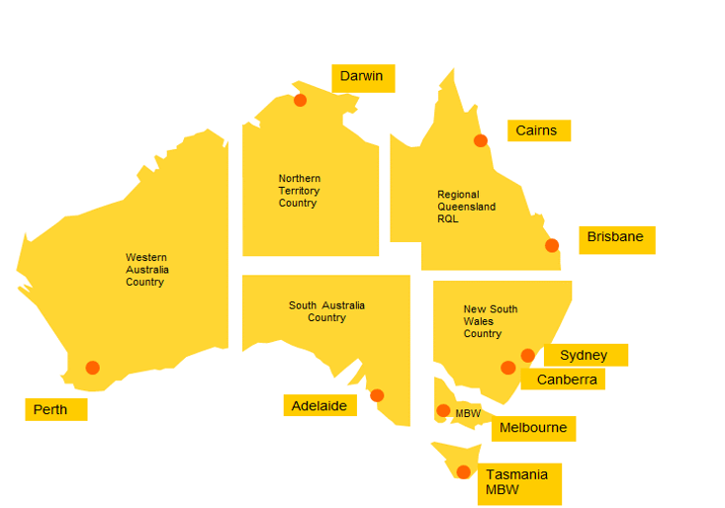

Origin/Destination SERVICE AREA | POST CODE RANGE
SYD | 1215-2081, 2084-2104, 2106-2156, 2158, 2160-2171, 2173-2229, 2230-2234, 2557-2560, 2564-2567, 2570, 2629, 2745-2751, 2753, 2754, 2756-2784, 2786, 2838
NSW | 2081-2083, 2105, 2157-2159, 2172, 2230, 2233, 2250-2478, 2479-2484, 2486, 2487, 2489-2556, 2560, 2563, 2568-2594, 2621-2633, 2640, 2642-2646, 2648-2653, 2655-2656, 2658-2660, 2663, 2665-2675, 2680, 2681, 2700-2703, 2705-2708, 2710-2711, 2715, 2717-2745, 2752-2755, 2780, 2785-2836, 2839-2899
CBR | 0200-0221, 2580, 2600-2621, 2630, 2900-2914
DRW | 0800-0886, 6740-6743, 6770
MEL | 2640-2642, 2646, 2647, 2650-2652, 2655, 2658, 2659, 2661, 2665, 2678-2681, 2700, 2705, 2710, 2712-2714, 2716, 2731, 2735, 3000-3996, 7030, 7109, 7116-7140, 7151, 7175-7176, 7182, 7209, 7210, 7212-7214, 7255-7257, 7263-7265, 7315, 7330, 7466-7469, 8001-8511
MBW | 7000-7027, 7050-7055, 7112-7113, 7150, 7155-7174, 7177-7209, 7210-7212, 7214-7254, 7258-7262, 7267-7310, 7316-7325, 7331, 7467-7470
BNE | 2479, 2481, 2483, 2485-2488, 4000-4022, 4029-4124, 4127-4179, 4205-4227, 4230, 4300-4306, 4343, 4345, 4350, 4352, 4500-4503, 4504-4506, 4508-4510, 4513, 4516, 4518-4519, 4550-4575, 9600-9726
RQL | 4025, 4069, 4125, 4183-4184, 4207, 4213, 4228, 4270-4287, 4306-4342, 4343-4344, 4346-4347, 4350, 4352-4498, 4500, 4503, 4506-4507, 4511-4512, 4513-4515, 4517, 4519-4521, 4550, 4552, 4553, 4554, 4560, 4563, 4570, 4571, 4574, 4580-4805, 4825
CNS | 4806-4824, 4828-4895
ADL | 5000-5950
PER | 0872, 6000-6733, 6751-6765, 6798-6997

Terms & Conditions
1. The post code ranges are subject to change without prior notice.
2. In cases where a postcode covers multiple service areas, DHL reserves the right to determine the service area for origin or destination based on factors such as the address's proximity to DHL's nearest facility and other relevant considerations.

DHL Express (Australia) Pty Limited ABN 62 001 112 929
Australia Wide Customer Service 13 14 06
www.dhl.com.au

