index
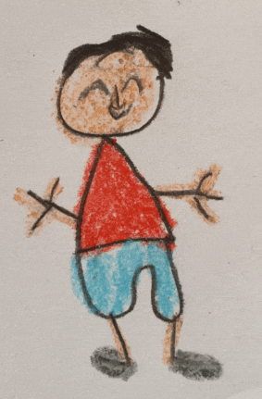
 | NOAH | GABRIEL | ODIN

 |  | Click on the link above to access courses

NGO Home School

Grade 7
 | Grade 7 subjects | HOME
Mathematics

Natural Science
Technology

EMS
NGO Home School

Grade 6
 | Grade 6 subjects | HOME
Mathematics

Natural Science & Technology

NGO Home School

EMS G7 T1
EMS TERM 1 (Grade 7) | Section 1 | Section 2 | Section 3 | Section 4 | Section 5 | Section 6 | Section 7 | Section 8 | Section 9 | Section 10
Topic, concepts, skills and values | ECONOMY HISTORY OF MONEY | ECONOMY HISTORY OF MONEY | ECONOMY HISTORY OF MONEY | ECONOMY NEEDS AND WANTS | ECONOMY NEEDS AND WANTS | ECONOMY GOODS AND SERVICES | ECONOMY GOODS AND SERVICES | ECONOMY INEQUALITY AND POVERTY | ECONOMY INEQUALITY AND POVERTY | ECONOMY INEQUALITY AND POVERTY
Requisite pre-knowledge | What is money | Way we trade | Types of money | What is a need and a want | Differences between needs and wants | Examples of goods and services | Producers and consumers | Causes of socio-economic imbalances | Inequality in South Africa | Creating sustainable job opportunities
Return

NS G6 T1
Natural Science TERM 1 (Grade 6) | Section 1 | Section 2 | Section 3 | Section 4 | Section 5 | Section 6 | Section 7 | Section 8 | Section 9
Topic, concepts, skills and values | Science Process Skills Life and Living | Photosynthesis | Photosynthesis | Nutrients in food | Balanced diets | Need for processing food | Methods for processing food | Ecosystems and food webs | Food Webs
Requisite pre-knowledge | Gr. 4: Life processes | Gr. 4: Energy and Energy transfer | Gr. 4: Energy and Energy transfer | Gr.5: Food chains | Gr.5: Food chains | Gr.5: Food chains | Gr.5: Food chains | Gr.5: Food chains | Gr.5: Food chains
Return

Maths G7 T1
MATHS TERM 1 (Grade 7) | Section 1 | Section 2 | Section 3 | Section 4 | Section 5 | Section 6 | Section 7
Topic, concepts, skills and values
Requisite pre-knowledge

Return

Maths G6 T1
MATHS TERM 1 (Grade 6) | Section 1 | Section 2 | Section 3 | Section 4 | Section 5 | Section 6 | Section 7
Topic, concepts, skills and values
Requisite pre-knowledge

Return

Techn G7 T1
TECHNOLOGY TERM 1 (Grade 7) | Section 1 | Section 2 | Section 3 | Section 4 | Section 5 | Section 6 | Section 7 | Section 8 | Section 9
Topic, concepts, skills and values | Introducing Technology | Graphic communication | Mechanical Systems: Simple Mechanisms | Graphic techniques | Mechanical Systems: Simple Mechanisms | Design | Make / Evaluate | Term 1 PAT 1: Assignment: 70 Marks Design (30) Make (40) Term Weighting: 100% SBA Weighting 10%
Requisite pre-knowledge | Investigate, Design, Make, Evaluate. Design considerations | Introduce Purpose of graphics, Conventions, Sketching, working drawings | Introduce Levers; 1st class lever; mechanical advantage | 3D Oblique; 3D artistic | Demonstrate: 2nd class lever; 3rd class lever; demo mechanical advantage in hydraulics | Design Brief; Specifications; Draw 3D oblique design; working drawing template | Plan, Cut, bend, join, assemble. Process evaluation; product evaluation
Return

NS G7 T1
NATURAL SCIENCE TERM 1 (Grade 7) | Section 1 | Section 2 | Section 5 | Section 6 | Section 7 | Section 8 | Section 9
Topic, concepts, skills and values
Requisite pre-knowledge
Return

