Sheet 1
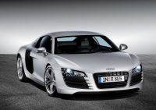 Price calculation
This Excel sheet is used as an example for PHPExcel (www.phpexcel.net). Data represented on this sheet is fictitious!

Prices last updated on: | 2008-03-26
Price calculation date: | 2008-03-28

Car base price: | € 46,300.00
Automatic transmission: | No | € 1,199.00
Car color: | Black | € 765.00
Leather seats: | No | € 930.00
Sports seats and suspension: | No | € 1,540.00

Total price: | € 47,065.00
Discount: | 5%

Grand total: | € 44,711.75

