information
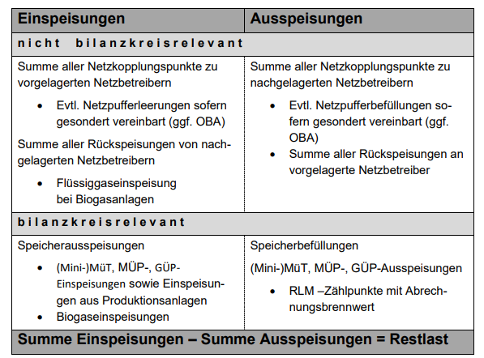
The residual load curve results from the sum of all measured inputs minus all measured offtakes in a network. The calculated residual load curve represents approximatly the actual gas consumption of the SLP-customers. The values ​​listed in the "data sheet" tab are summed up for all network operators in the market area. The data up to October 1st, 2021 is assembled formed from the sum of the two market areas Gaspool and NetConnect Germany.

