Pivot Tables
Total number of Goals
Row Labels | Goals
Messi | 644
Ronaldo | 656
Grand Total | 1300

Goals | Column Labels
Row Labels | Champions League | Champions League Qualifying | Club World Cup | Copa del Rey | Coppa Italia | EFL Cup | FA Cup | LaLiga | Liga NOS | Premier League | Serie A | Supercopa | Supercoppa Italiana | Taça de Portugal Placard | UEFA Super Cup | (blank) | Grand Total
Messi | 74 |  | 4 | 37 |  |  |  | 285 |  |  |  | 10 |  |  | 2 | 232 | 644
Ronaldo | 88 | 1 | 5 | 16 | 2 | 4 | 12 | 183 | 3 | 63 | 49 | 4 | 1 | 2 | 1 | 222 | 656
Grand Total | 162 | 1 | 9 | 53 | 2 | 4 | 12 | 468 | 3 | 63 | 49 | 14 | 1 | 2 | 3 | 454 | 1300

Goals Per Competetion
 | Champions League | Champions League Qualifying | Club World Cup | Copa del Rey | Coppa Italia | EFL Cup | FA Cup | LaLiga | Liga NOS | Premier League | Serie A | Supercopa
Messi | 74 |  | 4 | 37 |  |  |  | 285 |  |  |  | 10
Ronaldo | 88 | 1 | 5 | 16 | 2 | 4 | 12 | 183 | 3 | 63 | 49 | 4
Home vs Away Goals
 |  |  |  |  |  |  |  |  |  | Row Labels | Goals
 |  |  |  |  |  |  |  |  |  | Messi | 644
 |  |  |  |  |  |  |  |  |  | A | 170
 |  |  |  |  |  |  |  |  |  | H | 242
 |  |  |  |  |  |  |  |  |  | (blank) | 232
 |  |  |  |  |  |  |  |  |  | Ronaldo | 656
 |  |  |  |  |  |  |  |  |  | A | 196
 |  |  |  |  |  |  |  |  |  | H | 238
 |  |  |  |  |  |  |  |  |  | (blank) | 222
 |  |  |  |  |  |  |  |  |  | Grand Total | 1300

Row Labels | Count of Player
Messi | 644
Ronaldo | 656 |  |  |  |  |  | Count of Player | Column Labels
Grand Total | 1300 |  |  |  |  |  | Row Labels | Chest | Counter attack goal | Deflected shot on goal | Direct free kick | Header | Left-footed shot | Long distance kick | Penalty | Penalty rebound | Right-footed shot | Solo run | Tap-in | (blank) | Grand Total
 |  |  |  |  |  |  | Messi | 1 |  | 2 | 47 | 23 | 394 |  | 80 | 3 | 80 | 4 | 9 | 1 | 644
 |  |  |  |  |  |  | Ronaldo |  | 3 | 2 | 46 | 103 | 102 | 9 | 122 | 2 | 235 | 1 | 13 | 18 | 656
 |  |  |  |  |  |  | Grand Total | 1 | 3 | 4 | 93 | 126 | 496 | 9 | 202 | 5 | 315 | 5 | 22 | 19 | 1300

 | Chest | Counter attack goal | Deflected shot on goal | Direct free kick | Header | Left-footed shot | Long distance kick | Penalty | Penalty rebound | Right-footed shot | Solo run | Tap-in
Messi | 1 |  | 2 | 47 | 23 | 394 |  | 80 | 3 | 80 | 4 | 9
Ronaldo |  | 3 | 2 | 46 | 103 | 102 | 9 | 122 | 2 | 235 | 1 | 13

Total Assists
Row Labels | Goals
Ronaldo | 144
Karim Benzema | 44
Gareth Bale | 29
Mesut Özil | 26
Marcelo | 23
Ángel Di María | 22
Grand Total | 144

Total Assists
Row Labels | Goals
Messi | 192
Luis Suárez | 48
Dani Alves | 42
Andrés Iniesta | 39
Xavi | 34
Pedro | 29
Grand Total | 192

Dashboard
Messi vs Ronaldo Dashboard | Messi vs Ronaldo

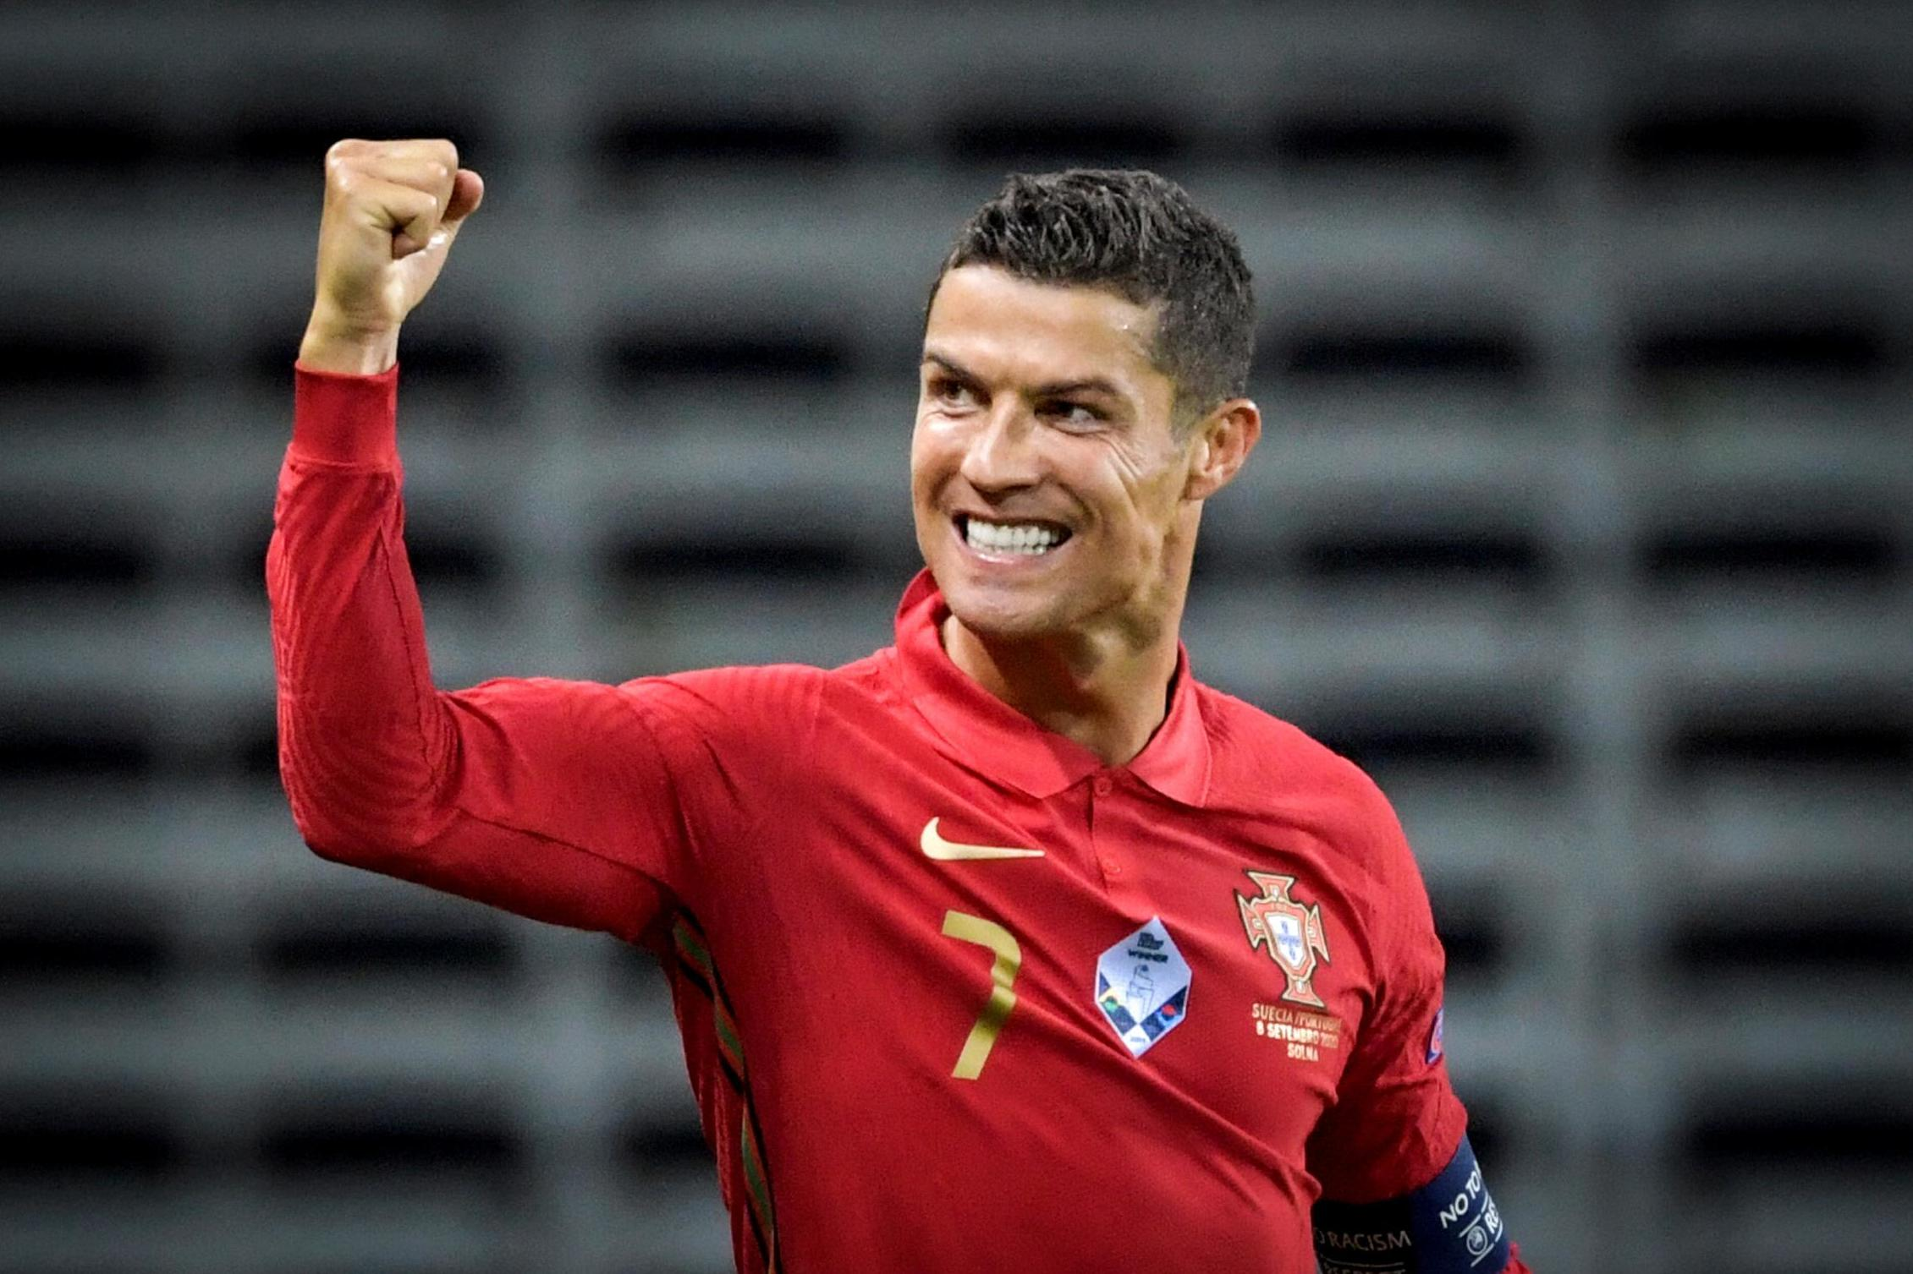
Total number of Goals
 | Total
Messi | 644
Ronaldo | 656
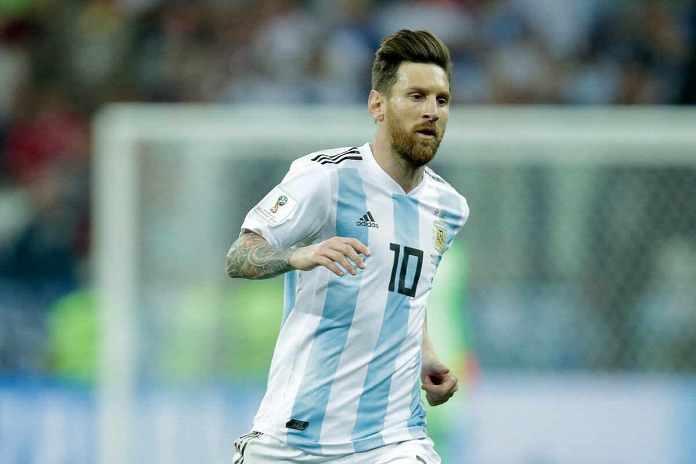

Goals Per Competetion
 | Champions League | Champions League Qualifying | Club World Cup | Copa del Rey | Coppa Italia | EFL Cup | FA Cup | LaLiga | Liga NOS | Premier League | Serie A | Supercopa
Messi | 74 |  | 4 | 37 |  |  |  | 285 |  |  |  | 10
Ronaldo | 88 | 1 | 5 | 16 | 2 | 4 | 12 | 183 | 3 | 63 | 49 | 4
Type of Goals
 | Chest | Counter attack goal | Deflected shot on goal | Direct free kick | Header | Left-footed shot | Long distance kick | Penalty | Penalty rebound | Right-footed shot | Solo run | Tap-in
Messi | 1 |  | 2 | 47 | 23 | 394 |  | 80 | 3 | 80 | 4 | 9
Ronaldo |  | 3 | 2 | 46 | 103 | 102 | 9 | 122 | 2 | 235 | 1 | 13

Total Assists for ronaldo
 | Total
Karim Benzema | 44
Gareth Bale | 29
Mesut Özil | 26
Marcelo | 23
Ángel Di María | 22
Home vs Away Goals
 | Total
A | 170
H | 242
(blank) | 232
A | 196
H | 238
(blank) | 222
Total Assists for messi
 | Total
Luis Suárez | 48
Dani Alves | 42
Andrés Iniesta | 39
Xavi | 34
Pedro | 29

