Base Rating
 |  |  |  |  |  |  | Base Rating

 |  |  |  |  |  |  |  |  |  |  | Limit
 |  |  |  |  |  |  | Assumed Loss Ratio | 100.0% |  |  | Excess

Hide Average Rate Calculation
 |  |  |  |  |  |  |  |  |  |  | Rate
 |  |  |  |  |  |  |  |  |  |  | Curve

 |  |  |  |  |  |  |  |  |  |  | Gross Premium | 0 | 0 | 0 | 0 | 0 | 0
 |  |  |  |  |  |  |  |  |  |  | Net Premium | 0 | 0 | 0 | 0 | 0 | 0

 |  |  |  |  |  |  |  |  |  |  | Gross RoL | 0.00% | 0.00% | 0.00% | 0.00% | 0.00% | 0.00%
 |  |  |  |  |  |  |  |  |  |  | Net RoL | 0.00% | 0.00% | 0.00% | 0.00% | 0.00% | 0.00%

 |  |  |  |  |  |  |  |  |  |  | Pays (net)
 |  |  |  |  |  |  |  |  |  |  | % difference | 0.00% | 0.00% | 0.00% | 0.00% | 0.00% | 0.00%
Values |  |  | Rate
PD | BI | Other | PD | BI | Other | Average Rate | Number of buildings | Value | Rate | Curve |  | Layer Cost | Layer Cost | Layer Cost | Layer Cost | Layer Cost | Layer Cost

Locations Summary
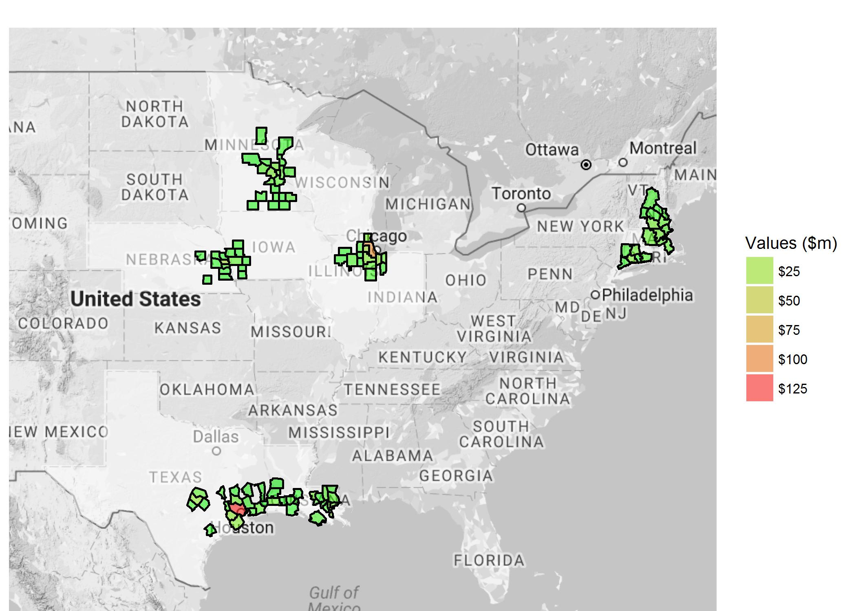
Assured | BRICKPOINT | Locations
Inception Date | 2016-12-06 | Buildings
Expiry Date | 2016-12-05
 |  | Buildings Value
Map Level | County | Contents Value
 |  | BI Value
Locations not mapped | 9 | TIV
Values not mapped | 6,185,118

Pricing Summary
 | Overview

 | Assured | BRICKPOINT |  | Locations | 138 |  |  | Geocoding
 |  |  |  | Buildings | 138 |  |  | Occupancy | Very good
 | Inception Date | 2016-12-06 |  | Buildings Value | 261,421,713 |  |  | Construction | Fair
 |  |  |  | Contents Value | 100,000 |  |  | Year Built
 |  |  |  | BI Value | 18,821,679 |  |  | Num Of Stories
 |  |  |  | TIV | 280,343,392 |  |  | Secondary Modifiers

 | Results

Calculate Results
 |  |  |  | AOP Deductible | 10,000
 |  |  |  |  |  |  | Selected Fire | Base Rates
 |  |  |  |  |  |  | Selected Cat model | RMS

 | Risk reference | Limit | Excess | Fire AAL (Model) | Fire AAL (Base Rates) | Fire AAL (Experience) | RMS Cat AAL | AIR Cat AAL | Selected AAL
1 |  | 1,000,000,000 | 1,000,000
2
3
4
5

 | Notes

 | Historic Pricing Results

 | TBD

Wind Seasons
 | # of hurricanes/typhoons per month (not weighted by strength)

 |  | Jan | Feb | Mar | Apr | May | Jun | Jul | Aug | Sep | Oct | Nov | Dec
 | NE Pacific | 0% | 0% | 0% | 0% | 3% | 8% | 19% | 27% | 24% | 17% | 1% | 0%
 | NW Pacific | 3% | 1% | 2% | 3% | 4% | 6% | 13% | 16% | 19% | 17% | 11% | 6%
 | North Atlantic | 0% | 0% | 0% | 0% | 0% | 3% | 4% | 28% | 41% | 19% | 4% | 0%
 | North Indian | 0% | 0% | 0% | 6% | 18% | 6% | 0% | 0% | 6% | 24% | 29% | 12%
 | Australia/SE Indian | 22% | 25% | 24% | 9% | 0% | 0% | 0% | 0% | 0% | 2% | 4% | 15%
 | Australia/SW Pacific | 14% | 19% | 29% | 15% | 1% | 0% | 0% | 0% | 0% | 4% | 6% | 10%
 | SW Indian | 34% | 20% | 16% | 12% | 3% | 0% | 0% | 0% | 0% | 3% | 1% | 12%

 |  | Jan | Feb | Mar | Apr | May | Jun | Jul | Aug | Sep | Oct | Nov | Dec
North Atlantic |  | 0% | 0% | 0% | 0% | 0% | 3% | 4% | 28% | 41% | 19% | 4% | 0%

