Dashboard
FASTFOOD CHAIN DASHBOARD

Questions |  |  |  | Best Selling Product |  | Revenue
1) What is our best selling product? | Burgers
2) What is our total revenue? | $117,136.00 |  |  | Product | Sum of Quanity | Payment Method | Sum of Revenue | Percetange
3) What is the revenue breakdown by payment method? | Revenue |  |  | Burgers | 34534 | Cash | $264,781.86 | 29.92%
 | Method | Sum of Revenue | Percetange | Fries | 29115 | Credit Card | $440,876.46 | 49.82%
 | Cash | $264,781.86 | 29.92% | Sides & Other | 25999 | Gift Card | $179,269.32 | 20.26%
 | Credit Card | $440,876.46 | 49.82% | Beverages | 16851 | Grand Total | $884,927.64 | 100.00%
 | Gift Card | $179,269.32 | 20.26% | Chicken Sandwiches | 10637
 | Grand Total | $884,927.64 | 100.00% | Grand Total | 117136

MANAGER
COUNTRY

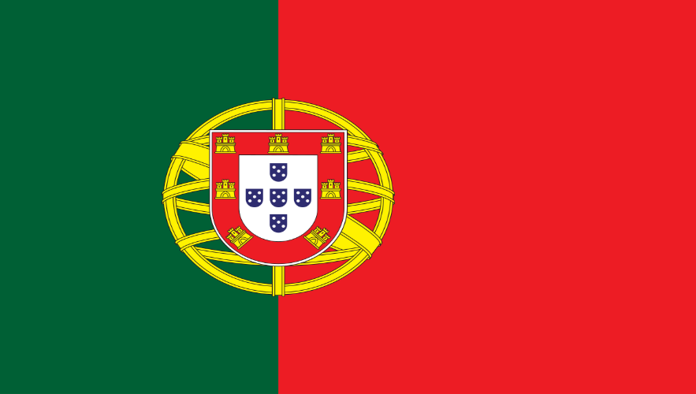
Manager | Joao Silva

 | Sum of Revenue
Portugal | $303,929.65
Lisbon | $303,929.65
Beverages | $36,550.41
Burgers | $141,682.98
Chicken Sandwiches | $33,887.30
Fries | $46,132.42
Sides & Other | $45,676.54
PORTUGAL
Grand Total | $303,929.65

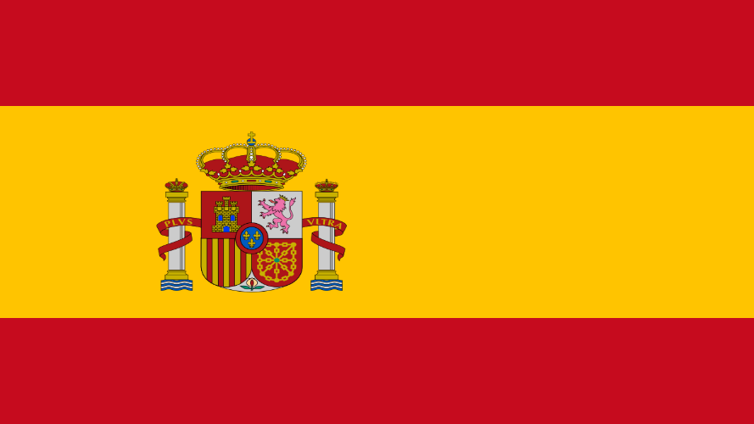
Manager | Pablo Perez

 | Sum of Revenue
Spain | $145,687.36
Madrid | $145,687.36
Beverages | $16,797.30
Burgers | $80,862.75
Chicken Sandwiches | $18,079.15
Fries | $16,629.85
Sides & Other | $13,318.31
SPAIN
Grand Total | $145,687.36

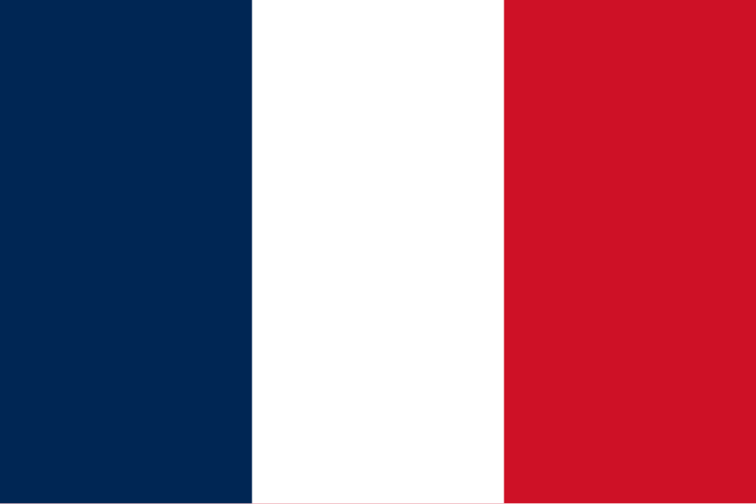
Manager | Remy Monet

 | Sum of Revenue
France | $95,400.11
Paris | $95,400.11
Beverages | $4,383.70
Burgers | $53,895.51
Chicken Sandwiches | $12,009.65
Fries | $10,944.64
Sides & Other | $14,166.61
FRANCE
Grand Total | $95,400.11

Manager | Tom Jackson

 | Sum of Revenue
United Kingdom | $245,189.41
London | $245,189.41
Beverages | $8,342.60
Burgers | $128,575.02
Chicken Sandwiches | $35,710.55
Fries | $29,427.68
Sides & Other | $43,133.56
UNITED KINGDOM
Grand Total | $245,189.41


Manager | Walter Muller

 | Sum of Revenue
Germany | $94,721.11
Berlin | $94,721.11
Beverages | $4,159.50
Burgers | $51,440.40
Chicken Sandwiches | $10,009.70
Fries | $12,365.07
Sides & Other | $16,746.44
GERMANY
Grand Total | $94,721.11

by: John Cañero |  | https://johncanero.com/

Pivot_Table
MANAGER

Manager | Joao Silva | Manager | Pablo Perez | Manager | Remy Monet

 | Sum of Revenue |  | Sum of Revenue |  | Sum of Revenue
Portugal | $303,929.65 | Spain | $145,687.36 | France | $95,400.11
Lisbon | $303,929.65 | Madrid | $145,687.36 | Paris | $95,400.11
Beverages | $36,550.41 | Beverages | $16,797.30 | Beverages | $4,383.70
Burgers | $141,682.98 | Burgers | $80,862.75 | Burgers | $53,895.51
Chicken Sandwiches | $33,887.30 | Chicken Sandwiches | $18,079.15 | Chicken Sandwiches | $12,009.65
Fries | $46,132.42 | Fries | $16,629.85 | Fries | $10,944.64
Sides & Other | $45,676.54 | Sides & Other | $13,318.31 | Sides & Other | $14,166.61
Grand Total | $303,929.65 | Grand Total | $145,687.36 | Grand Total | $95,400.11

Manager | Tom Jackson | Manager | Walter Muller

 | Sum of Revenue |  | Sum of Revenue
United Kingdom | $245,189.41 | Germany | $94,721.11
London | $245,189.41 | Berlin | $94,721.11
Beverages | $8,342.60 | Beverages | $4,159.50
Burgers | $128,575.02 | Burgers | $51,440.40
Chicken Sandwiches | $35,710.55 | Chicken Sandwiches | $10,009.70
Fries | $29,427.68 | Fries | $12,365.07
Sides & Other | $43,133.56 | Sides & Other | $16,746.44
Grand Total | $245,189.41 | Grand Total | $94,721.11

