Graph and Stats
Expected Uniques vs. Safari Runs
Expected Unique Sparkling Critters | Safari Runs | 37/37 Probability | Required Runs
20 | 441 | 50% | 3,839
21 | 478 | 75% | 5,304
22 | 519 | 90% | 7,164
23 | 563 | 95% | 8,559
24 | 612 | 99% | 11,798
25 | 665 | 99.9% | 16,457
26 | 724
27 | 791
28 | 866
29 | 953
30 | 1,056
31 | 1,179
32 | 1,333
33 | 1,534
34 | 1,816
35 | 2,263
36 | 3,175
37 | 4,366
Standard Deviation | 2,152

CalculationsNotesTests
Rockmite Trials (W/ 10 Tracking Perk) |  |  | AVG Mounds/Run | 14.574
Run | # of Mounds | # of Rockmites | AVG Rockmites/Run | 4.139 | Link to photo
1 | 12 | 4
2 | 17 | 3 | Minimum Mounds/Run | 10
3 | 13 | 4 | Maximum Mounds/Run | 20
4 | 15 | 5
5 | 10 | 4 | Minimum Rockmites/Run | 0
6 | 18 | 9 | Maximum Rockmites/Run | 9
7 | 15 | 3
8 | 11 | 1 | Experimental Rockmite Chance/Mound | 28.40%
9 | 12 | 5 | Theoretical Rockmite Chance/Mound | 27.50%
10 | 12 | 0
11 | 17 | 6 | Assumed Mounds/Run | 15.000
12 | 17 | 4 | Assumed Rockmites/Run | 4.125
13 | 12 | 4
14 | 20 | 6 |  |  |  | Blubird Overall Chance |  | Parakeet Overall Chance |  | Macaw Overall Chance
15 | 19 | 3 |  |  |  | Weight | Chance | Weight | Chance | Weight w/ Tracking | Chance | Weight Total for each Bird Food
16 | 11 | 5 | Total Runs Tracked |  | Yogi Berry | 18 | 71.40% | 6 | 23.80% | 1.21 | 4.80% | 25.21
17 | 10 | 3 |  |  | Wriggleworm | 12 | 54.03% | 9 | 40.52% | 1.21 | 5.45% | 22.21
18 | 19 | 4 | 115 |  | Bag of Seeds | 12 | 60.56% | 6 | 30.28% | 1.815 | 9.16% | 19.815
19 | 11 | 3 |  |  | Avg Chance |  | 62.00% |  | 31.53% |  | 6.47%
20 | 17 | 2 |  |  |  |  |  |  |  | *It is believed that the tracking on Macaws counts twice since there are 2 macaws that spawn
21 | 19 | 3
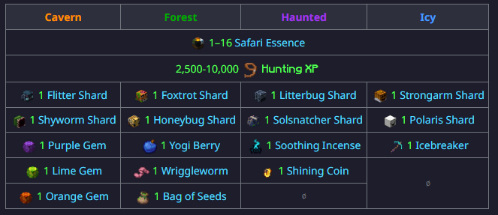
22 | 11 | 5 |  |  | Link to photo
23 | 19 | 7
24 | 19 | 7
25 | 13 | 3
26 | 15 | 3
27 | 10 | 2
28 | 13 | 5
29 | 13 | 3
30 | 13 | 5
31 | 18 | 9
32 | 18 | 5
33 | 10 | 3
34 | 11 | 3
35 | 16 | 4
36 | 18 | 2
37 | 15 | 2 |  |  |  | List of random items to get at start of run |  |  | Chance to get Bird food for each random item
38 | 18 | 4 |  |  |  | Purple Gem | 1 |  | 33.33%
39 | 18 | 5 |  |  |  | Lime Gem | 1
40 | 15 | 4 |  |  |  | Orange Gem | 1 |  | Average Bird food from random items each run in full party (Head Start + Extra Item from First Class Safari)
41 | 14 | 4 |  |  |  | Yogi Berry | 1 |  | 2.67
42 | 19 | 7 |  |  |  | Wriggleworm | 1 |  | Average Bird food per Run
43 | 17 | 5 |  |  |  | Bag of Seeds | 1 |  | 11.67
44 | 17 | 6 |  |  |  | Soothing Incense | 1
45 | 18 | 6 |  |  |  | Shining Coin | 1 |  | Chance to get Shining Coin for each random item
46 | 12 | 3 |  |  |  | Icebreaker | 1 |  | 11.11%
47 | 11 | 2
48 | 13 | 2
49 | 20 | 6
50 | 12 | 2
51 | 11 | 3
52 | 13 | 2
53 | 13 | 3
54 | 12 | 7
55 | 16 | 2
56 | 12 | 2
57 | 13 | 3
58 | 16 | 4
59 | 17 | 7
60 | 16 | 7
61 | 16 | 2
62 | 19 | 1
63 | 12 | 3
64 | 15 | 6
65 | 20 | 7
66 | 13 | 3
67 | 19 | 5
68 | 18 | 5
69 | 14 | 5
70 | 15 | 4
71 | 10 | 2
72 | 13 | 4
73 | 15 | 6
74 | 15 | 2
75 | 16 | 4
76 | 17 | 4
77 | 10 | 4
78 | 10 | 3
79 | 19 | 4
80 | 17 | 5
81 | 17 | 5
82 | 11 | 4
83 | 20 | 6
84 | 15 | 4
85 | 11 | 5
86 | 10 | 3
87 | 18 | 2
88 | 13 | 3
89 | 12 | 2
90 | 19 | 9
91 | 14 | 4
92 | 12 | 3
93 | 14 | 7
94 | 20 | 5
95 | 14 | 3
96 | 15 | 5
97 | 18 | 6
98 | 10 | 4
99 | 12 | 1
100 | 15 | 5
101 | 11 | 4
102 | 11 | 3
103 | 11 | 1
104 | 12 | 4
105 | 12 | 4
106 | 15 | 3
107 | 20 | 7
108 | 18 | 7
109 | 15 | 7
110 | 15 | 2
111 | 11 | 5
112 | 12 | 5
113 | 11 | 4
114 | 15 | 3
115 | 12 | 7

