Sheet1
Module Level Variables

Function Level Variables

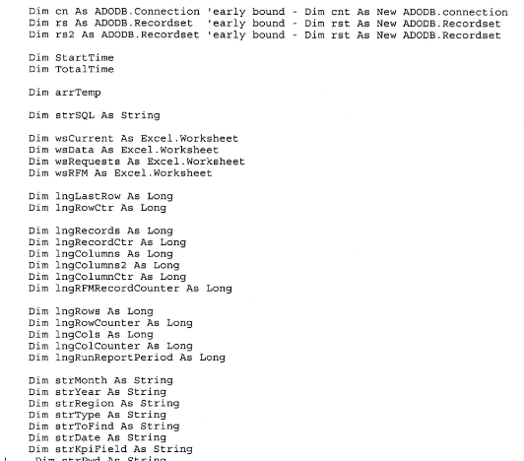

Function Level Variables

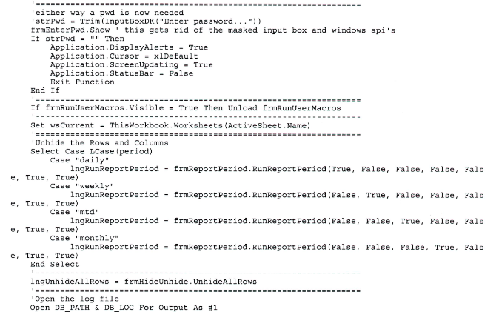

User enters Password to connect to Database

Function RunReportPeriod is called depending with different parameters based on a reporting period.

Opens Log File

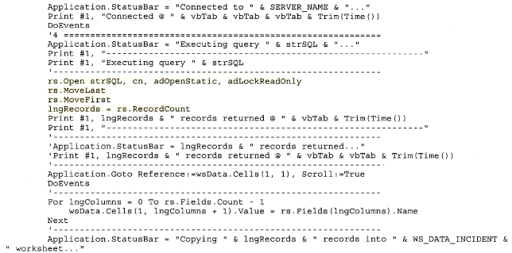

Database is open and lngRecords are returned

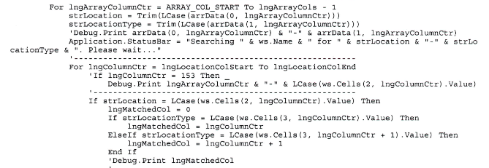

Dynamic Array and Counters based on how many records were returned

