Complete_n-tree_pre_insrt
4 Scenarios that ntree_insert traversal logic must address
1.
tree is NULL, so the tree is empty, so the List/Ntree to insert will become the root node.
Why is traversing an n-tree more difficult than traversing a tree or a linked list?
- You must traverse both down and across, in different contexts
- The "endpoints" for traversal logic are inconsistent.
tree |  |  |  |  |  |  |  |  |  | Key
&&Ntree |  |  |  |  |  |  |  |  |  | pointer relationship
 |  |  |  |  |  |  |  |  |  | Given struct Lists
&Ntree(*tree) |  |  |  |  |  |  |  |  |  | Given struct Ntrees
 |  |  |  |  |  |  |  |  |  | Given pointers tree and *tree

3.
next is NULL and children is not NULL
str (**tree)
= /
children
= &List

2.
next is not NULL and children is not NULL
next |  |  |  |  |  |  |  | next | next |  | next
= &List |  |  |  |  |  |  |  | = &List | = &List |  | = NULL
node |  |  |  |  |  |  |  | node | node |  | node
&Ntree |  |  |  |  |  |  |  | &Ntree | &Ntree |  | &Ntree
4.
next is not NULL and children is NULL
str |  |  |  |  |  |  |  | str | str |  | str
= dev |  |  |  |  |  |  |  | = Home | = mnt |  | = tmp
children |  |  |  |  |  |  |  | children | children |  | children
= &List |  |  |  |  |  |  |  | = &List | = &List |  | = &List

next | next | next | next | next | next | next |  | next | next | next | next | next | next
= &List | = &List | = &List | = &List | = &List | = &List | NULL |  | = NULL | = &List | = NULL | = &List | = &List | = NULL
node | node | node | node | node | node | node |  | node | node | node | node | node | node
&Ntree | &Ntree | &Ntree | &Ntree | &Ntree | &Ntree | &Ntree |  | &Ntree | &Ntree | &Ntree | &Ntree | &Ntree | &Ntree

str | str | str | str | str | str | str |  | str | str | str | str | str | str
= sdb3 | = sdb2 | = sdb1 | = sdb | = sda3 | = sda2 | = sda |  | = ubuntu | = HDD1 | = HDD2 | = temp_file3 | = tmp_file2 | = tmp_file
children | children | children | children | children | children | children |  | children | children | children | children | children | children
= NULL | = NULL | = NULL | = NULL | = NULL | = NULL | = NULL |  | = &List | = &List | = &List | = NULL | = NULL | = NULL

 |  |  |  |  |  |  |  |  | next
 |  |  |  |  |  |  |  |  | = NULL
 |  |  |  |  |  |  |  |  | node
 |  |  |  |  |  |  |  |  | &Ntree

 | next | next | next | next | next | next | next | next | str
 | = &List | = &List | = &List | = &List | = &List | = &List | = &List | = NULL | = Desktop
 | node | node | node | node | node | node | node | node | children
 | &Ntree | &Ntree | &Ntree | &Ntree | &Ntree | &Ntree | &Ntree | &Ntree | = &List

 | str | str | str | str | str | str | str | str | next
 | = Desktop | = Music | = Movies | = Pictures | = Templates | = Public | =Downloads | = Documents | = NULL
 | children | children | children | children | children | children | children | children | node
 | = NULL | = NULL | = NULL | = NULL | = NULL | = NULL | = NULL | = NULL | &Ntree

 |  |  |  |  |  |  |  |  | str
 |  |  |  |  |  |  |  |  | = Image.jpg
 |  |  |  |  |  |  |  |  | children
 |  |  |  |  |  |  |  |  | = NULL

NTree_insert.c
Insert a new node into the n-tree using : ntree_insert(&tree, (array = string_split("/ home ubuntu", ' ')), "Desktop");
Step 1.
Create a temp tmp_lst_ptr and new struct List to allow efficient traversal logic. &NTree comes from the given *tree(&NTree),below:

Step 2.
With tmp_list_ptr as an entry point, use the function insrt_lctn to traverse the n-tree to find the correct list pointer, ins_lst_ptr.
parents[0] = "/" = ins_lst_ptr->node->str So, traverse down in the n-tree.
.
 | tmp_list_ptr
 | = &List |  |  |  |  | ins_lst_ptr |  |  |  |  |  | Key
 |  |  |  |  |  | = &List | &List comes from tmp_lst_ptr |  |  |  |  | Transitory pointer relationship
 | next |  |  |  |  |  |  |  |  |  |  | Enduring pointer relationship
 | NULL |  |  |  |  |  |  |  |  |  |  | Given struct Lists
 | node |  |  |  |  |  |  |  |  |  |  | Given struct Ntrees
parents[1] = "Home" = ins_lst_ptr->node->str
So, traverse down in the -n-tree
 | &Ntree |  |  |  |  |  |  |  |  |  |  | Elements we create
 |  |  |  |  |  |  |  |  |  |  |  | Given pointers tree and *tree
 | str (**tree)
parents[1] = "Home" != ins_lst_ptr->node->str So, traverse right in the n-tree.`
 | = /
 | children
tree | = &List
&&Ntree
 | next |  |  |  |  |  |  |  |  | next | next |  | next
&Ntree(*tree) | = &List |  |  |  |  |  |  |  |  | = &List | = &List |  | = NULL
parents[2] = "ubuntu" = ins_lst_ptr->node->str
ins_lst_ptr is reassigned to the correct insertion List
 | node |  |  |  |  |  |  |  |  | node | node |  | node
 | &Ntree |  |  |  |  |  |  |  |  | &Ntree | &Ntree |  | &Ntree

 | str |  |  |  |  |  |  |  |  | str | str |  | str
 | = dev |  |  |  |  |  |  |  |  | = Home | = mnt |  | = tmp
 | children |  |  |  |  |  |  |  |  | children | children |  | children
 | = &List |  |  |  |  |  |  |  |  | = &List | = &List |  | = &List

 | next | next | next | next | next | next |  | next |  | next | next | next | next | next | next
 | = &List | = &List | = &List | = &List | = &List | = &List |  | NULL |  | = NULL | = &List | = NULL | = &List | = &List | = NULL
 | node | node | node | node | node | node |  | node |  | node | node | node | node | node | node
 | &Ntree | &Ntree | &Ntree | &Ntree | &Ntree | &Ntree |  | &Ntree |  | &Ntree | &Ntree | &Ntree | &Ntree | &Ntree | &Ntree

 | str | str | str | str | str | str |  | str |  | str | str | str | str | str | str
 | = sdb3 | = sdb2 | = sdb1 | = sdb | = sda3 | = sda2 |  | = sda |  | = ubuntu | = HDD1 | = HDD2 | = temp_file3 | = tmp_file2 | = tmp_file
 | children | children | children | children | children | children |  | children |  | children | children | children | children | children | children
 | = NULL | = NULL | = NULL | = NULL | = NULL | = NULL |  | = NULL |  | = &List | = &List | = &List | = NULL | = NULL | = NULL
Step 3.
At the end of our insertion point, ins_lst_ptr->children , and at the beginning of our linked List, create and populate a new List and NTree. Set the new List.next to the address of the prior first List element. Free tmp_lst_ptr.
Reassign ins_lst_ptr->node->str->children to address of a malloc'new List
Initialize List.next to address to the address at tmp_lst_ptr
Intialize ins_lst_ptr->node->str->children->node to address of a mallocd new NTree
 |  |  | tmp_ist_ptr2 |  |  |  |  |  |  |  | next
 |  |  | = &List |  |  |  |  |  |  |  | = NULL

ins_lst_ptr->node->str->children originally points here. Store this address in tmp_lst_ptr2, and set the "next" element of our new List to this address
 |  |  |  |  |  |  |  |  |  |  | node
 |  |  |  |  |  |  |  |  |  |  | &Ntree

 |  | next | next | next | next | next |  | next | next | next | str
 |  | = &List | = &List | = &List | = &List | = &List |  | = &List | = &List | = NULL | = Desktop
 |  | node | node | node | node | node |  | node | node | node | children
 |  | &Ntree | &Ntree | &Ntree | &Ntree | &Ntree |  | &Ntree | &Ntree | &Ntree | = &List

 |  | str | str | str | str | str |  | str | str | str | next
 |  | = Desktop | = Music | = Movies | = Pictures | = Templates |  | = Public | =Downloads | = Documents | = NULL
 |  | children | children | children | children | children |  | children | children | children | node
 |  | = NULL | = NULL | = NULL | = NULL | = NULL |  | = NULL | = NULL | = NULL | &Ntree

 |  |  |  |  |  |  |  |  |  |  | str
 |  |  |  |  |  |  |  |  |  |  | = Image.jpg
 |  |  |  |  |  |  |  |  |  |  | children
 |  |  |  |  |  |  |  |  |  |  | = NULL

NTree_insert_w_code
Insert a new node into the n-tree using : ntree_insert(&tree, (array = string_split("/ home ubuntu", ' ')), "Desktop");
Step 1.
Create a temp tmp_lst_ptr and new struct List to allow efficient traversal logic. &NTree comes from the given *tree(&NTree),below:
The basic logic:
- If there is not a List/NTree, create it.
- Create a temporary list pointer and struct List.
- Iterate through the parent elements and traverse the tree.
- If you find parents[i] in the tree, go down the tree.
- If you dont find parents[i] in the tree, go right in the tree.
- Repeat
- Handle the final element of parents with a separate logic.
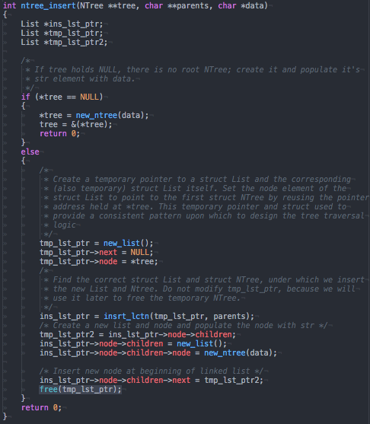
Step 2.
With tmp_list_ptr as an entry point, use the function insrt_lctn to traverse the n-tree to find the correct list pointer, ins_lst_ptr.
parents[0] = "/" = ins_lst_ptr->node->str So, traverse down in the n-tree.
.
 | tmp_list_ptr
 | = &List |  |  |  |  | ins_lst_ptr |  |  |  |  |  | Key
 |  |  |  |  |  | = &List | &List comes from tmp_lst_ptr |  |  |  |  | Transitory pointer relationship
 | next |  |  |  |  |  |  |  |  |  |  | Enduring pointer relationship
 | NULL |  |  |  |  |  |  |  |  |  |  | Given struct Lists
 | node |  |  |  |  |  |  |  |  |  |  | Given struct Ntrees
parents[1] = "Home" = ins_lst_ptr->node->str
So, traverse down in the -n-tree
 | &Ntree |  |  |  |  |  |  |  |  |  |  | Elements we create
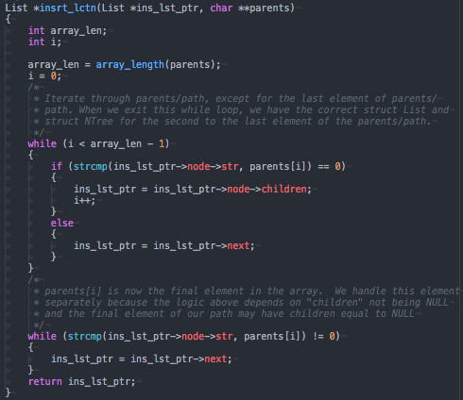
 |  |  |  |  |  |  |  |  |  |  |  | Given pointers tree and *tree
 | str (**tree)
parents[1] = "Home" != ins_lst_ptr->node->str So, traverse right in the n-tree.`
 | = /
 | children
tree | = &List
&&Ntree
 | next |  |  |  |  |  |  |  |  | next | next |  | next
&Ntree(*tree) | = &List |  |  |  |  |  |  |  |  | = &List | = &List |  | = NULL
parents[2] = "ubuntu" = ins_lst_ptr->node->str
ins_lst_ptr is reassigned to the correct insertion List
 | node |  |  |  |  |  |  |  |  | node | node |  | node
 | &Ntree |  |  |  |  |  |  |  |  | &Ntree | &Ntree |  | &Ntree

 | str |  |  |  |  |  |  |  |  | str | str |  | str
 | = dev |  |  |  |  |  |  |  |  | = Home | = mnt |  | = tmp
 | children |  |  |  |  |  |  |  |  | children | children |  | children
 | = &List |  |  |  |  |  |  |  |  | = &List | = &List |  | = &List

 | next | next | next | next | next | next |  | next |  | next | next | next | next | next | next
 | = &List | = &List | = &List | = &List | = &List | = &List |  | NULL |  | = NULL | = &List | = NULL | = &List | = &List | = NULL
 | node | node | node | node | node | node |  | node |  | node | node | node | node | node | node
 | &Ntree | &Ntree | &Ntree | &Ntree | &Ntree | &Ntree |  | &Ntree |  | &Ntree | &Ntree | &Ntree | &Ntree | &Ntree | &Ntree

 | str | str | str | str | str | str |  | str |  | str | str | str | str | str | str
 | = sdb3 | = sdb2 | = sdb1 | = sdb | = sda3 | = sda2 |  | = sda |  | = ubuntu | = HDD1 | = HDD2 | = temp_file3 | = tmp_file2 | = tmp_file
 | children | children | children | children | children | children |  | children |  | children | children | children | children | children | children
 | = NULL | = NULL | = NULL | = NULL | = NULL | = NULL |  | = NULL |  | = &List | = &List | = &List | = NULL | = NULL | = NULL
Step 3.
At the end of our insertion point, ins_lst_ptr->children , and at the beginning of our linked List, create and populate a new List and NTree. Set the new List.next to the address of the prior first List element. Free tmp_lst_ptr.
Reassign ins_lst_ptr->node->str->children to address of a malloc'd a new List
Initialize List.next to address to the address at tmp_lst_ptr
Intialize ins_lst_ptr->node->str->children->node to address of a mallocd a new NTree
 |  |  | tmp_ist_ptr2 |  |  |  |  |  |  |  | next
 |  |  | = &List |  |  |  |  |  |  |  | = NULL

ins_lst_ptr->node->str->children originally points here. Store this address in tmp_lst_ptr2, and set the "next" element of our new List to this address
 |  |  |  |  |  |  |  |  |  |  | node
 |  |  |  |  |  |  |  |  |  |  | &Ntree

 |  | next | next | next | next | next |  | next | next | next | str
 |  | = &List | = &List | = &List | = &List | = &List |  | = &List | = &List | = NULL | = Desktop
 |  | node | node | node | node | node |  | node | node | node | children
 |  | &Ntree | &Ntree | &Ntree | &Ntree | &Ntree |  | &Ntree | &Ntree | &Ntree | = &List

 |  | str | str | str | str | str |  | str | str | str | next
 |  | = Desktop | = Music | = Movies | = Pictures | = Templates |  | = Public | =Downloads | = Documents | = NULL
 |  | children | children | children | children | children |  | children | children | children | node
 |  | = NULL | = NULL | = NULL | = NULL | = NULL |  | = NULL | = NULL | = NULL | &Ntree

 |  |  |  |  |  |  |  |  |  |  | str
 |  |  |  |  |  |  |  |  |  |  | = Image.jpg
 |  |  |  |  |  |  |  |  |  |  | children
 |  |  |  |  |  |  |  |  |  |  | = NULL

path_exists.c
Determine if a path exists using: path_exists(tree, (array = string_split("/ home ubuntu Desktop", ' '))));

Step 1.
Create a temp cur_lst_ptr and new struct List to allow efficient traversal logic. &NTree comes from the given *tree(&NTree), left:
.
1.
cur_list_ptr->node->str = path[0] So, traverse down in the n-tree.
Step 2.
With cur_list_ptr as an entry point to the n-tree, use the function path_check to traverse the n-tree and verify each element of the path.
 |  |  |  |  |  | cur_lst_ptr
 |  |  |  |  |  | = &List
 |  |  |  |  |  |  |  |  |  | Key
 |  |  |  |  |  |  |  |  |  | Transitory pointer relationship
tree |  |  | next |  |  |  |  |  |  | pointer relationship
&&Ntree |  |  | NULL |  |  |  |  |  |  | Given struct Lists
 |  |  | node |  |  |  |  |  |  | Given struct Ntrees
3.
cur_list_ptr->node->str = path[1]
So, traverse down in the n-tree
&Ntree(*tree) |  |  | &Ntree |  |  |  |  |  |  | Elements we create
 |  |  |  |  |  |  |  |  |  | Given pointers tree and *tree
str (**tree)
= /
2.
cur_list_ptr->node->str not = path[1]
So, traverse right in the n-tree
children
= &List

5.
cur_list_ptr->node->str = path[3]
The full path does exist.
next |  |  |  |  |  |  |  | next | next |  | next
= &List |  |  |  |  |  |  |  | = &List | = &List |  | = NULL
node |  |  |  |  |  |  |  | node | node |  | node
&Ntree |  |  |  |  |  |  |  | &Ntree | &Ntree |  | &Ntree
4.
cur_list_ptr->node->str = path[2]
So, traverse down in the n-tree
str |  |  |  |  |  |  |  | str | str |  | str
= dev |  |  |  |  |  |  |  | = Home | = mnt |  | = tmp
children |  |  |  |  |  |  |  | children | children |  | children
= &List |  |  |  |  |  |  |  | = &List | = &List |  | = &List

next | next | next | next | next | next | next |  | next | next | next | next | next | next
= &List | = &List | = &List | = &List | = &List | = &List | NULL |  | = NULL | = &List | = NULL | = &List | = &List | = NULL
node | node | node | node | node | node | node |  | node | node | node | node | node | node
&Ntree | &Ntree | &Ntree | &Ntree | &Ntree | &Ntree | &Ntree |  | &Ntree | &Ntree | &Ntree | &Ntree | &Ntree | &Ntree

str | str | str | str | str | str | str |  | str | str | str | str | str | str
= sdb3 | = sdb2 | = sdb1 | = sdb | = sda3 | = sda2 | = sda |  | = ubuntu | = HDD1 | = HDD2 | = temp_file3 | = tmp_file2 | = tmp_file
children | children | children | children | children | children | children |  | children | children | children | children | children | children
= NULL | = NULL | = NULL | = NULL | = NULL | = NULL | = NULL |  | = &List | = &List | = &List | = NULL | = NULL | = NULL

 |  |  |  |  |  |  |  |  | next
 |  |  |  |  |  |  |  |  | = NULL
 |  |  |  |  |  |  |  |  | node
 |  |  |  |  |  |  |  |  | &Ntree

 | next | next | next | next | next | next | next | next | str
 | = &List | = &List | = &List | = &List | = &List | = &List | = &List | = NULL | = Desktop
 | node | node | node | node | node | node | node | node | children
 | &Ntree | &Ntree | &Ntree | &Ntree | &Ntree | &Ntree | &Ntree | &Ntree | = &List

 | str | str | str | str | str | str | str | str | next
 | = Desktop | = Music | = Movies | = Pictures | = Templates | = Public | =Downloads | = Documents | = NULL
 | children | children | children | children | children | children | children | children | node
 | = NULL | = NULL | = NULL | = NULL | = NULL | = NULL | = NULL | = NULL | &Ntree

 |  |  |  |  |  |  |  |  | str
 |  |  |  |  |  |  |  |  | = Image.jpg
 |  |  |  |  |  |  |  |  | children
 |  |  |  |  |  |  |  |  | = NULL

path_exists_w_code
Determine if a path exists using: path_exists(tree, (array = string_split("/ home ubuntu Desktop", ' '))));

Step 1.
Create a temp cur_lst_ptr and new struct List to allow efficient traversal logic. &NTree comes from the given *tree(&NTree), left:
The basic logic:
Iterate through the path elements and traverse the tree.
If you find path[i] in the tree, go down the tree.
If you dont find path[i] in the tree, go right in the tree.
If at any point you run out of places to go, the path does not exist!
.
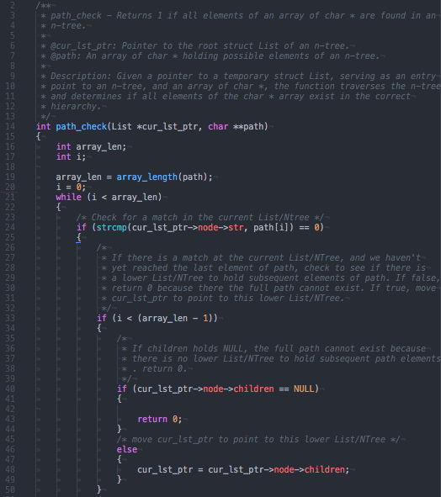
1.
cur_list_ptr->node->str = path[0] So, traverse down in the n-tree.
Step 2.
With cur_list_ptr as an entry point to the n-tree, use the function path_check to traverse the n-tree and verify each element of the path.
 |  |  |  |  |  | cur_lst_ptr
 |  |  |  |  |  | = &List
 |  |  |  |  |  |  |  |  |  | Key
 |  |  |  |  |  |  |  |  |  | Transitory pointer relationship
tree |  |  | next |  |  |  |  |  |  | pointer relationship
&&Ntree |  |  | NULL |  |  |  |  |  |  | Given struct Lists
 |  |  | node |  |  |  |  |  |  | Given struct Ntrees
3.
cur_list_ptr->node->str = path[1]
So, traverse down in the n-tree
&Ntree(*tree) |  |  | &Ntree |  |  |  |  |  |  | Elements we create
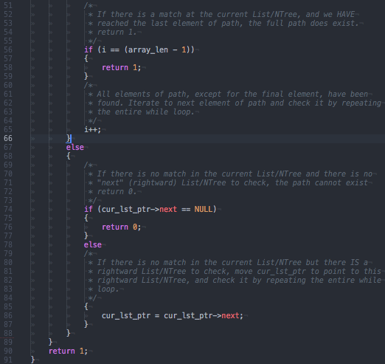
 |  |  |  |  |  |  |  |  |  | Given pointers tree and *tree
str (**tree)
= /
2.
cur_list_ptr->node->str not = path[1]
So, traverse right in the n-tree
children
= &List

5.
cur_list_ptr->node->str = path[3]
The full path does exist.
next |  |  |  |  |  |  |  | next | next |  | next
= &List |  |  |  |  |  |  |  | = &List | = &List |  | = NULL
node |  |  |  |  |  |  |  | node | node |  | node
&Ntree |  |  |  |  |  |  |  | &Ntree | &Ntree |  | &Ntree
4.
cur_list_ptr->node->str = path[2]
So, traverse down in the n-tree
str |  |  |  |  |  |  |  | str | str |  | str
= dev |  |  |  |  |  |  |  | = Home | = mnt |  | = tmp
children |  |  |  |  |  |  |  | children | children |  | children
= &List |  |  |  |  |  |  |  | = &List | = &List |  | = &List

next | next | next | next | next | next | next |  | next | next | next | next | next | next
= &List | = &List | = &List | = &List | = &List | = &List | NULL |  | = NULL | = &List | = NULL | = &List | = &List | = NULL
node | node | node | node | node | node | node |  | node | node | node | node | node | node
&Ntree | &Ntree | &Ntree | &Ntree | &Ntree | &Ntree | &Ntree |  | &Ntree | &Ntree | &Ntree | &Ntree | &Ntree | &Ntree

str | str | str | str | str | str | str |  | str | str | str | str | str | str
= sdb3 | = sdb2 | = sdb1 | = sdb | = sda3 | = sda2 | = sda |  | = ubuntu | = HDD1 | = HDD2 | = temp_file3 | = tmp_file2 | = tmp_file
children | children | children | children | children | children | children |  | children | children | children | children | children | children
= NULL | = NULL | = NULL | = NULL | = NULL | = NULL | = NULL |  | = &List | = &List | = &List | = NULL | = NULL | = NULL

 |  |  |  |  |  |  |  |  | next
 |  |  |  |  |  |  |  |  | = NULL
 |  |  |  |  |  |  |  |  | node
 |  |  |  |  |  |  |  |  | &Ntree

 | next | next | next | next | next | next | next | next | str
 | = &List | = &List | = &List | = &List | = &List | = &List | = &List | = NULL | = Desktop
 | node | node | node | node | node | node | node | node | children
 | &Ntree | &Ntree | &Ntree | &Ntree | &Ntree | &Ntree | &Ntree | &Ntree | = &List

 | str | str | str | str | str | str | str | str | next
 | = Desktop | = Music | = Movies | = Pictures | = Templates | = Public | =Downloads | = Documents | = NULL
 | children | children | children | children | children | children | children | children | node
 | = NULL | = NULL | = NULL | = NULL | = NULL | = NULL | = NULL | = NULL | &Ntree

 |  |  |  |  |  |  |  |  | str
 |  |  |  |  |  |  |  |  | = Image.jpg
 |  |  |  |  |  |  |  |  | children
 |  |  |  |  |  |  |  |  | = NULL

NTree_free-traversal
Free an n-tree using the function tree_free(tree);
2nd full recursive cycle free second from right and bottom-most List and Tree
1st full recursive cycle frees right-most and bottom-most List and Tree

tmp_list_ptr
= &List | 26 th free |  |  |  |  |  |  |  |  |  |  |  |  |  |  |  |  |  |  | Key
 |  |  |  |  |  |  |  |  |  |  |  |  |  |  |  |  |  |  |  | n-tree traversal path
next |  | tree |  |  |  |  |  |  |  |  |  |  |  |  |  |  |  |  |  | pointer relationship
NULL |  | &&Ntree |  |  |  |  |  |  |  |  |  |  |  |  |  |  |  |  |  | Given struct Lists
node |  |  |  |  |  |  |  |  |  |  |  |  |  |  |  |  |  |  |  | Given struct Ntrees
&Ntree |  | &Ntree(*tree) |  |  |  |  |  |  |  |  |  |  |  |  |  |  |  |  |  | Elements we create
 |  |  |  |  |  |  |  |  |  |  |  |  |  |  |  |  |  |  |  | Given pointers tree and *tree
str (**tree) |  |  |  |  |  |  |  |  |  |  |  |  |  |  |  |  |  |  |  | Freed Lists and NTrees
= /
children
= &List | 25 |  |  |  |  |  |  |  |  |  |  |  |  |  |  |  |  |  | 9 |  |  |  | 4

next |  |  |  |  |  |  |  |  |  |  |  |  |  |  |  | next |  | next |  |  |  | next
= &List |  |  |  |  |  |  |  |  |  |  |  |  |  |  |  | = &List |  | = &List |  |  |  | = NULL
node |  |  |  |  |  |  |  |  |  |  |  |  |  |  |  | node |  | node |  |  |  | node
&Ntree |  |  |  |  |  |  |  |  |  |  |  |  |  |  |  | &Ntree |  | &Ntree |  |  |  | &Ntree

str |  |  |  |  |  |  |  |  |  |  |  |  |  |  |  | str |  | str |  |  |  | str
= dev |  |  |  |  |  |  |  |  |  |  |  |  |  |  |  | = Home |  | = mnt |  |  |  | = tmp |  |  |  | 1 st free
children |  |  |  |  |  |  |  |  |  |  |  |  |  |  |  | children |  | children |  |  |  | children |  |  |  | cur_list_ptr
= &List | 24 |  | 23 |  | 22 |  | 21 |  | 20 |  | 19 |  | 18 |  |  | = &List |  | = &List | 8 |  | 5 | = &List | 3 |  | 2 | = &List
 |  |  |  |  |  |  |  |  |  |  |  |  |  |  |  |  |  |  |  |  |  | 3
next |  | next |  | next |  | next |  | next |  | next |  | next |  |  |  | next |  | next |  | next |  | next |  | next |  | next
= &List |  | = &List |  | = &List |  | = &List |  | = &List |  | = &List |  | NULL |  |  |  | = NULL |  | = &List |  | = NULL |  | = &List |  | = &List |  | = NULL
node |  | node |  | node |  | node |  | node |  | node |  | node |  |  |  | node |  | node |  | node |  | node |  | node |  | node
&Ntree |  | &Ntree |  | &Ntree |  | &Ntree |  | &Ntree |  | &Ntree |  | &Ntree |  |  |  | &Ntree |  | &Ntree |  | &Ntree |  | &Ntree |  | &Ntree |  | &Ntree

str |  | str |  | str |  | str |  | str |  | str |  | str |  |  |  | str |  | str |  | str |  | str |  | str |  | str
= sdb3 |  | = sdb2 |  | = sdb1 |  | = sdb |  | = sda3 |  | = sda2 |  | = sda |  |  |  | = ubuntu |  | = HDD1 |  | = HDD2 |  | = temp_file3 |  | = tmp_file2 |  | = tmp_file
children |  | children |  | children |  | children |  | children |  | children |  | children |  |  |  | children |  | children |  | children |  | children |  | children |  | children
= NULL |  | = NULL |  | = NULL |  | = NULL |  | = NULL |  | = NULL |  | = NULL |  |  |  | = &List |  | = &List | 7 | = &List |  | = NULL |  | = NULL |  | = NULL

cur_lst_ptr now points to this node.
next is NULL
and...
children is NULL
so...
free str
free NTree
free List
 |  |  |  |  |  |  |  |  |  |  |  |  |  |  |  |  |  | next
 |  |  |  |  |  |  |  |  |  |  |  |  |  |  |  |  |  | = NULL
 |  |  |  |  |  |  |  |  |  |  |  |  |  |  |  |  |  | node
 |  |  | 17 |  | 16 |  | 15 |  | 14 |  | 13 |  | 12 |  | 11 |  | 10 | &Ntree

 |  | next |  | next |  | next |  | next |  | next |  | next |  | next |  | next |  | str
 |  | = &List |  | = &List |  | = &List |  | = &List |  | = &List |  | = &List |  | = &List |  | = NULL |  | = Desktop
 |  | node |  | node |  | node |  | node |  | node |  | node |  | node |  | node |  | children
 |  | &Ntree |  | &Ntree |  | &Ntree |  | &Ntree |  | &Ntree |  | &Ntree |  | &Ntree |  | &Ntree |  | = &List | 6

 |  | str |  | str |  | str |  | str |  | str |  | str |  | str |  | str |  | next
 |  | = Desktop |  | = Music |  | = Movies |  | = Pictures |  | = Templates |  | = Public |  | =Downloads |  | = Documents |  | = NULL
 |  | children |  | children |  | children |  | children |  | children |  | children |  | children |  | children |  | node
 |  | = NULL |  | = NULL |  | = NULL |  | = NULL |  | = NULL |  | = NULL |  | = NULL |  | = NULL |  | &Ntree

 |  |  |  |  |  |  |  |  |  |  |  |  |  |  |  |  |  | str
 |  |  |  |  |  |  |  |  |  |  |  |  |  |  |  |  |  | = Image.jpg
 |  |  |  |  |  |  |  |  |  |  |  |  |  |  |  |  |  | children
 |  |  |  |  |  |  |  |  |  |  |  |  |  |  |  |  |  | = NULL

NTree_free_w_code
Free an n-tree using the function tree_free(tree);
2nd full recursive cycle free second from right and bottom-most List and Tree
The basic logic: - Whenever possible, recurse right
- Otherwise, recurse down
- When "next" is NULL and children is "NULL", you're at the bottom-right:
free the str, NTree, and List
1st full recursive cycle frees right-most and bottom-most List and Tree

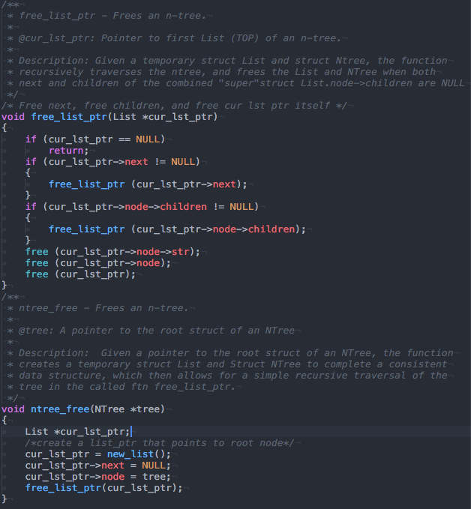
tmp_list_ptr
= &List | 26 th free |  |  |  |  |  |  |  |  |  |  |  |  |  |  |  |  |  |  | Key
 |  |  |  |  |  |  |  |  |  |  |  |  |  |  |  |  |  |  |  | n-tree traversal path
next |  | tree |  |  |  |  |  |  |  |  |  |  |  |  |  |  |  |  |  | pointer relationship
NULL |  | &&Ntree |  |  |  |  |  |  |  |  |  |  |  |  |  |  |  |  |  | Given struct Lists
node |  |  |  |  |  |  |  |  |  |  |  |  |  |  |  |  |  |  |  | Given struct Ntrees
&Ntree |  | &Ntree(*tree) |  |  |  |  |  |  |  |  |  |  |  |  |  |  |  |  |  | Elements we create
 |  |  |  |  |  |  |  |  |  |  |  |  |  |  |  |  |  |  |  | Given pointers tree and *tree
str (**tree) |  |  |  |  |  |  |  |  |  |  |  |  |  |  |  |  |  |  |  | Freed Lists and NTrees
= /
children
= &List | 25 |  |  |  |  |  |  |  |  |  |  |  |  |  |  |  |  |  | 9 |  |  |  | 4

next |  |  |  |  |  |  |  |  |  |  |  |  |  |  |  | next |  | next |  |  |  | next
= &List |  |  |  |  |  |  |  |  |  |  |  |  |  |  |  | = &List |  | = &List |  |  |  | = NULL
node |  |  |  |  |  |  |  |  |  |  |  |  |  |  |  | node |  | node |  |  |  | node
&Ntree |  |  |  |  |  |  |  |  |  |  |  |  |  |  |  | &Ntree |  | &Ntree |  |  |  | &Ntree

str |  |  |  |  |  |  |  |  |  |  |  |  |  |  |  | str |  | str |  |  |  | str
= dev |  |  |  |  |  |  |  |  |  |  |  |  |  |  |  | = Home |  | = mnt |  |  |  | = tmp |  |  |  | 1 st free
children |  |  |  |  |  |  |  |  |  |  |  |  |  |  |  | children |  | children |  |  |  | children |  |  |  | cur_list_ptr
= &List | 24 |  | 23 |  | 22 |  | 21 |  | 20 |  | 19 |  | 18 |  |  | = &List |  | = &List | 8 |  | 5 | = &List | 3 |  | 2 | = &List
 |  |  |  |  |  |  |  |  |  |  |  |  |  |  |  |  |  |  |  |  |  | 3
next |  | next |  | next |  | next |  | next |  | next |  | next |  |  |  | next |  | next |  | next |  | next |  | next |  | next
= &List |  | = &List |  | = &List |  | = &List |  | = &List |  | = &List |  | NULL |  |  |  | = NULL |  | = &List |  | = NULL |  | = &List |  | = &List |  | = NULL
node |  | node |  | node |  | node |  | node |  | node |  | node |  |  |  | node |  | node |  | node |  | node |  | node |  | node
&Ntree |  | &Ntree |  | &Ntree |  | &Ntree |  | &Ntree |  | &Ntree |  | &Ntree |  |  |  | &Ntree |  | &Ntree |  | &Ntree |  | &Ntree |  | &Ntree |  | &Ntree

str |  | str |  | str |  | str |  | str |  | str |  | str |  |  |  | str |  | str |  | str |  | str |  | str |  | str
= sdb3 |  | = sdb2 |  | = sdb1 |  | = sdb |  | = sda3 |  | = sda2 |  | = sda |  |  |  | = ubuntu |  | = HDD1 |  | = HDD2 |  | = temp_file3 |  | = tmp_file2 |  | = tmp_file
children |  | children |  | children |  | children |  | children |  | children |  | children |  |  |  | children |  | children |  | children |  | children |  | children |  | children
= NULL |  | = NULL |  | = NULL |  | = NULL |  | = NULL |  | = NULL |  | = NULL |  |  |  | = &List |  | = &List | 7 | = &List |  | = NULL |  | = NULL |  | = NULL

cur_lst_ptr now points to this node.
next is NULL, and children is NULL, so...
free str, free NTree, free List
 |  |  |  |  |  |  |  |  |  |  |  |  |  |  |  |  |  | next
 |  |  |  |  |  |  |  |  |  |  |  |  |  |  |  |  |  | = NULL
 |  |  |  |  |  |  |  |  |  |  |  |  |  |  |  |  |  | node
 |  |  | 17 |  | 16 |  | 15 |  | 14 |  | 13 |  | 12 |  | 11 |  | 10 | &Ntree

 |  | next |  | next |  | next |  | next |  | next |  | next |  | next |  | next |  | str
 |  | = &List |  | = &List |  | = &List |  | = &List |  | = &List |  | = &List |  | = &List |  | = NULL |  | = Desktop
 |  | node |  | node |  | node |  | node |  | node |  | node |  | node |  | node |  | children
 |  | &Ntree |  | &Ntree |  | &Ntree |  | &Ntree |  | &Ntree |  | &Ntree |  | &Ntree |  | &Ntree |  | = &List | 6

 |  | str |  | str |  | str |  | str |  | str |  | str |  | str |  | str |  | next
 |  | = Desktop |  | = Music |  | = Movies |  | = Pictures |  | = Templates |  | = Public |  | =Downloads |  | = Documents |  | = NULL
 |  | children |  | children |  | children |  | children |  | children |  | children |  | children |  | children |  | node
 |  | = NULL |  | = NULL |  | = NULL |  | = NULL |  | = NULL |  | = NULL |  | = NULL |  | = NULL |  | &Ntree

 |  |  |  |  |  |  |  |  |  |  |  |  |  |  |  |  |  | str
 |  |  |  |  |  |  |  |  |  |  |  |  |  |  |  |  |  | = Image.jpg
 |  |  |  |  |  |  |  |  |  |  |  |  |  |  |  |  |  | children
 |  |  |  |  |  |  |  |  |  |  |  |  |  |  |  |  |  | = NULL

