Sheet1
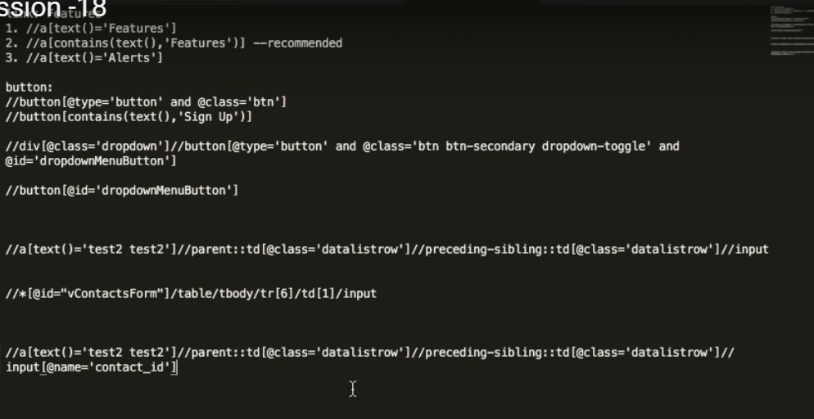

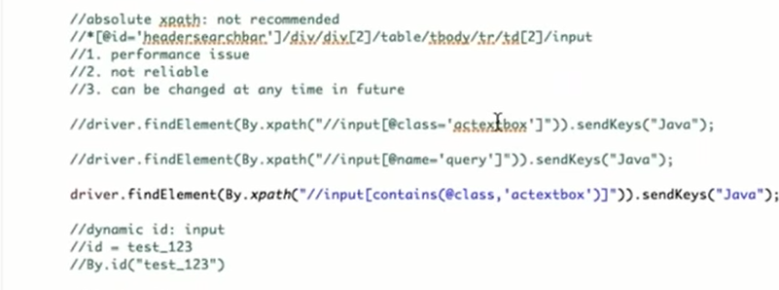

 | #3 keep adding AND to narrow down until there is only 1 |  | @FindBy(how = How.XPATH, using = "//input[@name='message_sender']")

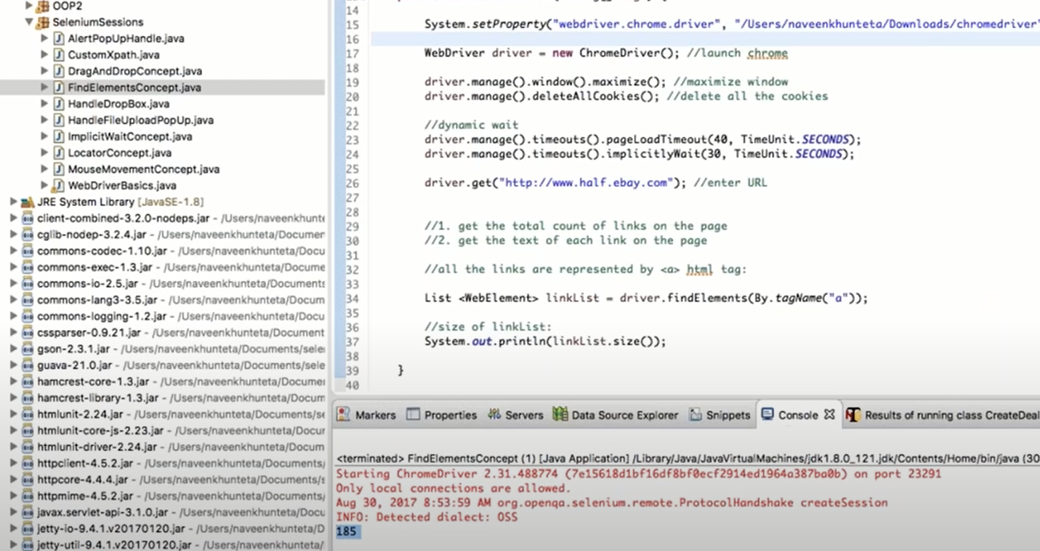

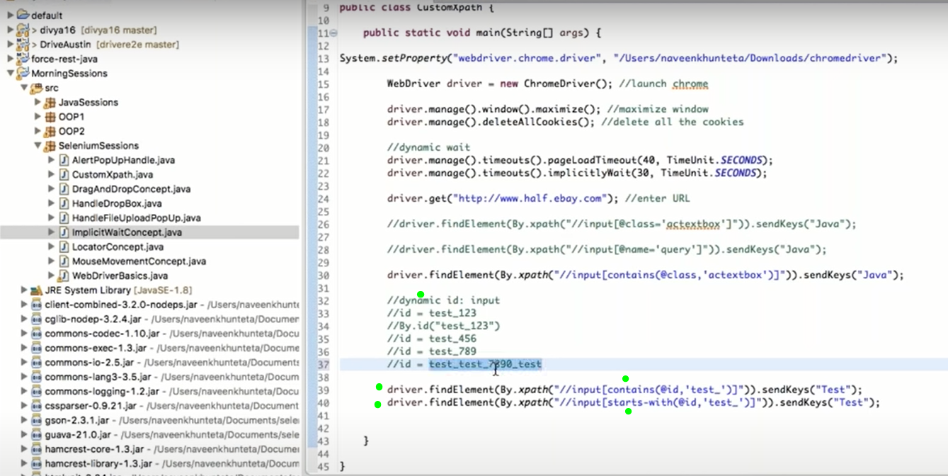

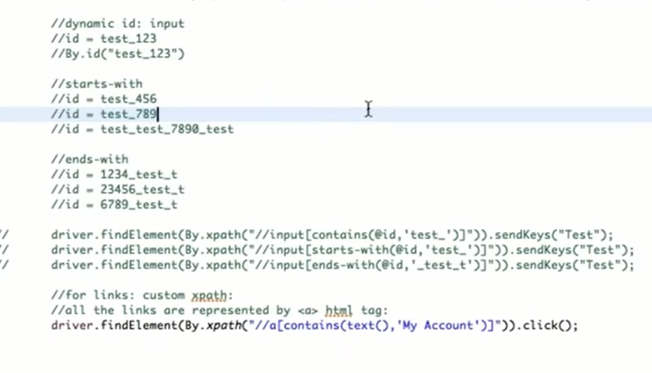

@FindBy(how = How.XPATH, using = "//input[@name='message_sender')

 |  | @FindBy(how = How.XPATH, using = "//input[@name='message_sender')

