Sheet1
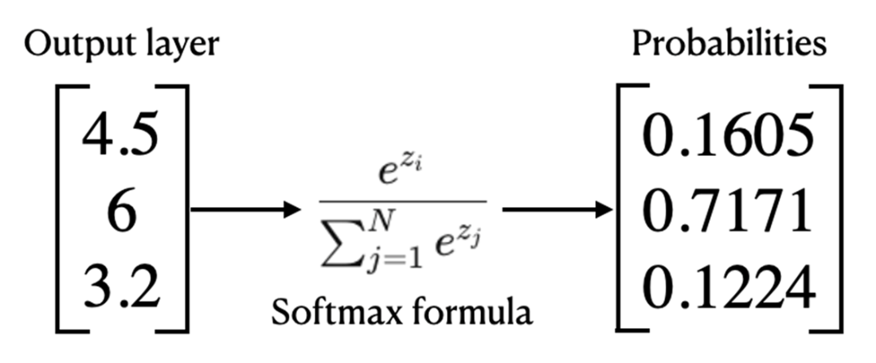
Chapter 3 |  |  |  | e= | 2.7182818285
Softmax function
Output layer | e^z | e^z/sum of all e^z | e^z rounded | e^z/sum of all e^z | e^z rounded | e^z/sum of all e^z
4.5 | 90.017131301 | 0.17378547396 | 90.02 | 0.17379049384 | 90.017131301 | 0.17378547396
6 | 403.42879349 | 0.77885245922 | 403.43 | 0.77885246535 | 403.42879349 | 0.77885245922
3.2 | 24.532530197 | 0.047362066821 | 24.53 | 0.047357040812 | 24.532530197 | 0.047362066821
 | 517.97845499 | 1 | 517.98 | 1 | 517.97845499 | 1

