Sheet1
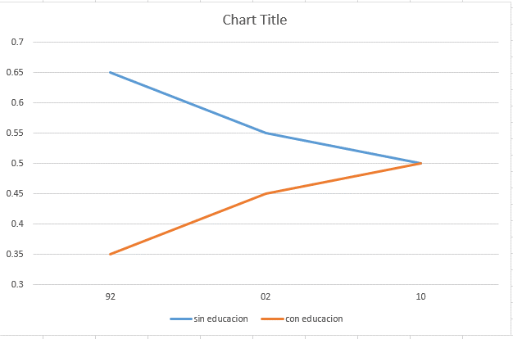
anho | Degree | No Degree
92 | 0.65 | 0.35
02 | 0.55 | 0.45
10 | 0.5 | 0.5

