Zendesk User Fields
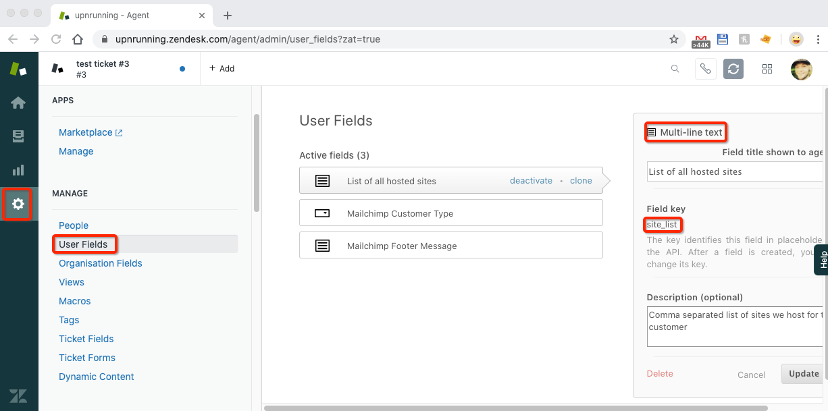 |  |  |  |  |  | [ { "field_label" : "List of sites hosted (comma Seperated)", "zendesk_field" : "site_list", "mailchimp_field" : "SITES_LIST", "type" : "text", "default_value" : "None" } ,{ "field_label" : "Mailchimp Footer Message", "zendesk_field" : "mailchimp_footer_message", "mailchimp_field" : "FOOTER_MSG", "type" : "text", "default_value" : "" } ]
Generate User Fields Config
Zenchimp Field Name | Zendesk Field Key | Zendesk Field Type | Mailchimp MERGE Tag | Mailchimp Field Type | Mailchimp Dafault Value | ZenChimp Field Type | Validation Notes | 4 | 5 | 6 | JSON | Delimiter
User's Name | - | Text | FNAME | Text |  | text | Valid
 |  |  | LNAME | Text |  | text | Valid
Customer Type | mailshot_customer_type | Drop-down list | ZD_CUSTYPE | Text |  | text | Valid
List of sites hosted (comma Seperated) | site_list | Text | SITES_LIST | Text | None | text | Valid |  |  |  | { "field_label" : "List of sites hosted (comma Seperated)", "zendesk_field" : "site_list", "mailchimp_field" : "SITES_LIST", "type" : "text", "default_value" : "None" }
Mailchimp Footer Message | mailchimp_footer_message | Multi-line text | FOOTER_MSG | Text |  | text | Valid |  |  |  | ,{ "field_label" : "Mailchimp Footer Message", "zendesk_field" : "mailchimp_footer_message", "mailchimp_field" : "FOOTER_MSG", "type" : "text", "default_value" : "" } | ,
Test Invalid LOOOONG Field | test_invalid_field | Numeric | BIRTHDAY | Radio Buttons |  | - | INVALID - FIELD EXCLUDED: Unsupported Field Type Combination |  |  |  |  | ,
sdfsdf | dsfsdf | Numeric | sdfsdfsdf | Birthday |  | - | INVALID - FIELD EXCLUDED: Syncing to Date fields is not yet supported by Zenchimp, use a Text field in Mailchimp or raise a feature request on github :) |  |  |  |  | ,
 |  |  |  |  |  |  |  |  |  |  |  | ,
 |  |  |  |  |  |  |  |  |  |  |  | ,
 |  |  |  |  |  |  |  |  |  |  |  | ,
 |  |  |  |  |  |  |  |  |  |  |  | ,
 |  |  |  |  |  |  |  |  |  |  |  | ,
 |  |  |  |  |  |  |  |  |  |  |  | ,
 |  |  |  |  |  |  |  |  |  |  |  | ,
 |  |  |  |  |  |  |  |  |  |  |  | ,

