Model
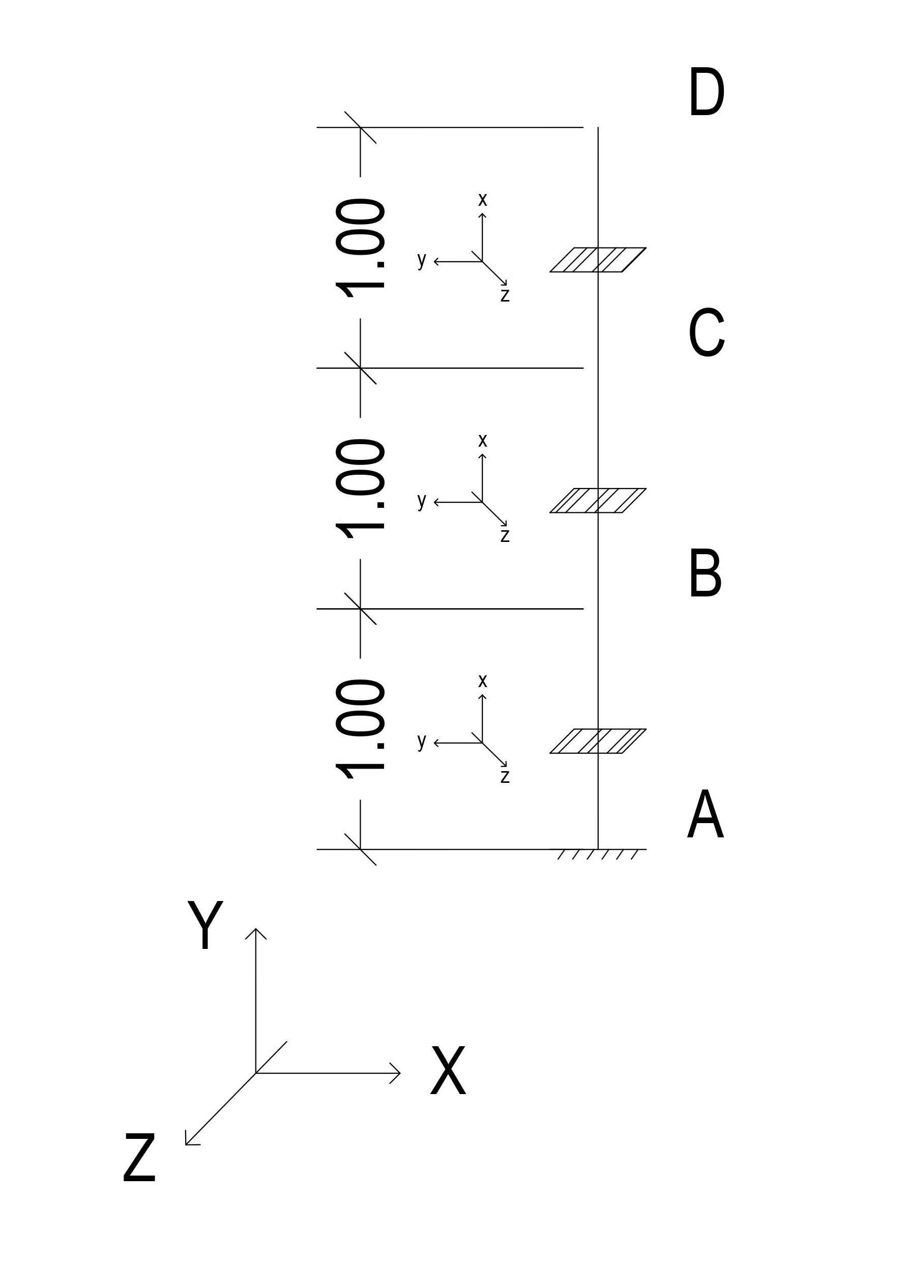

 | Global
Point | X(m) | Y(m) | Z(m) | Sectiontag
A | 0 | 0 | 0 | 1
B | 0 | 1 | 0 | 1
C | 0 | 2 | 0 | 1
D | 0 | 3 | 0 | 1

Section
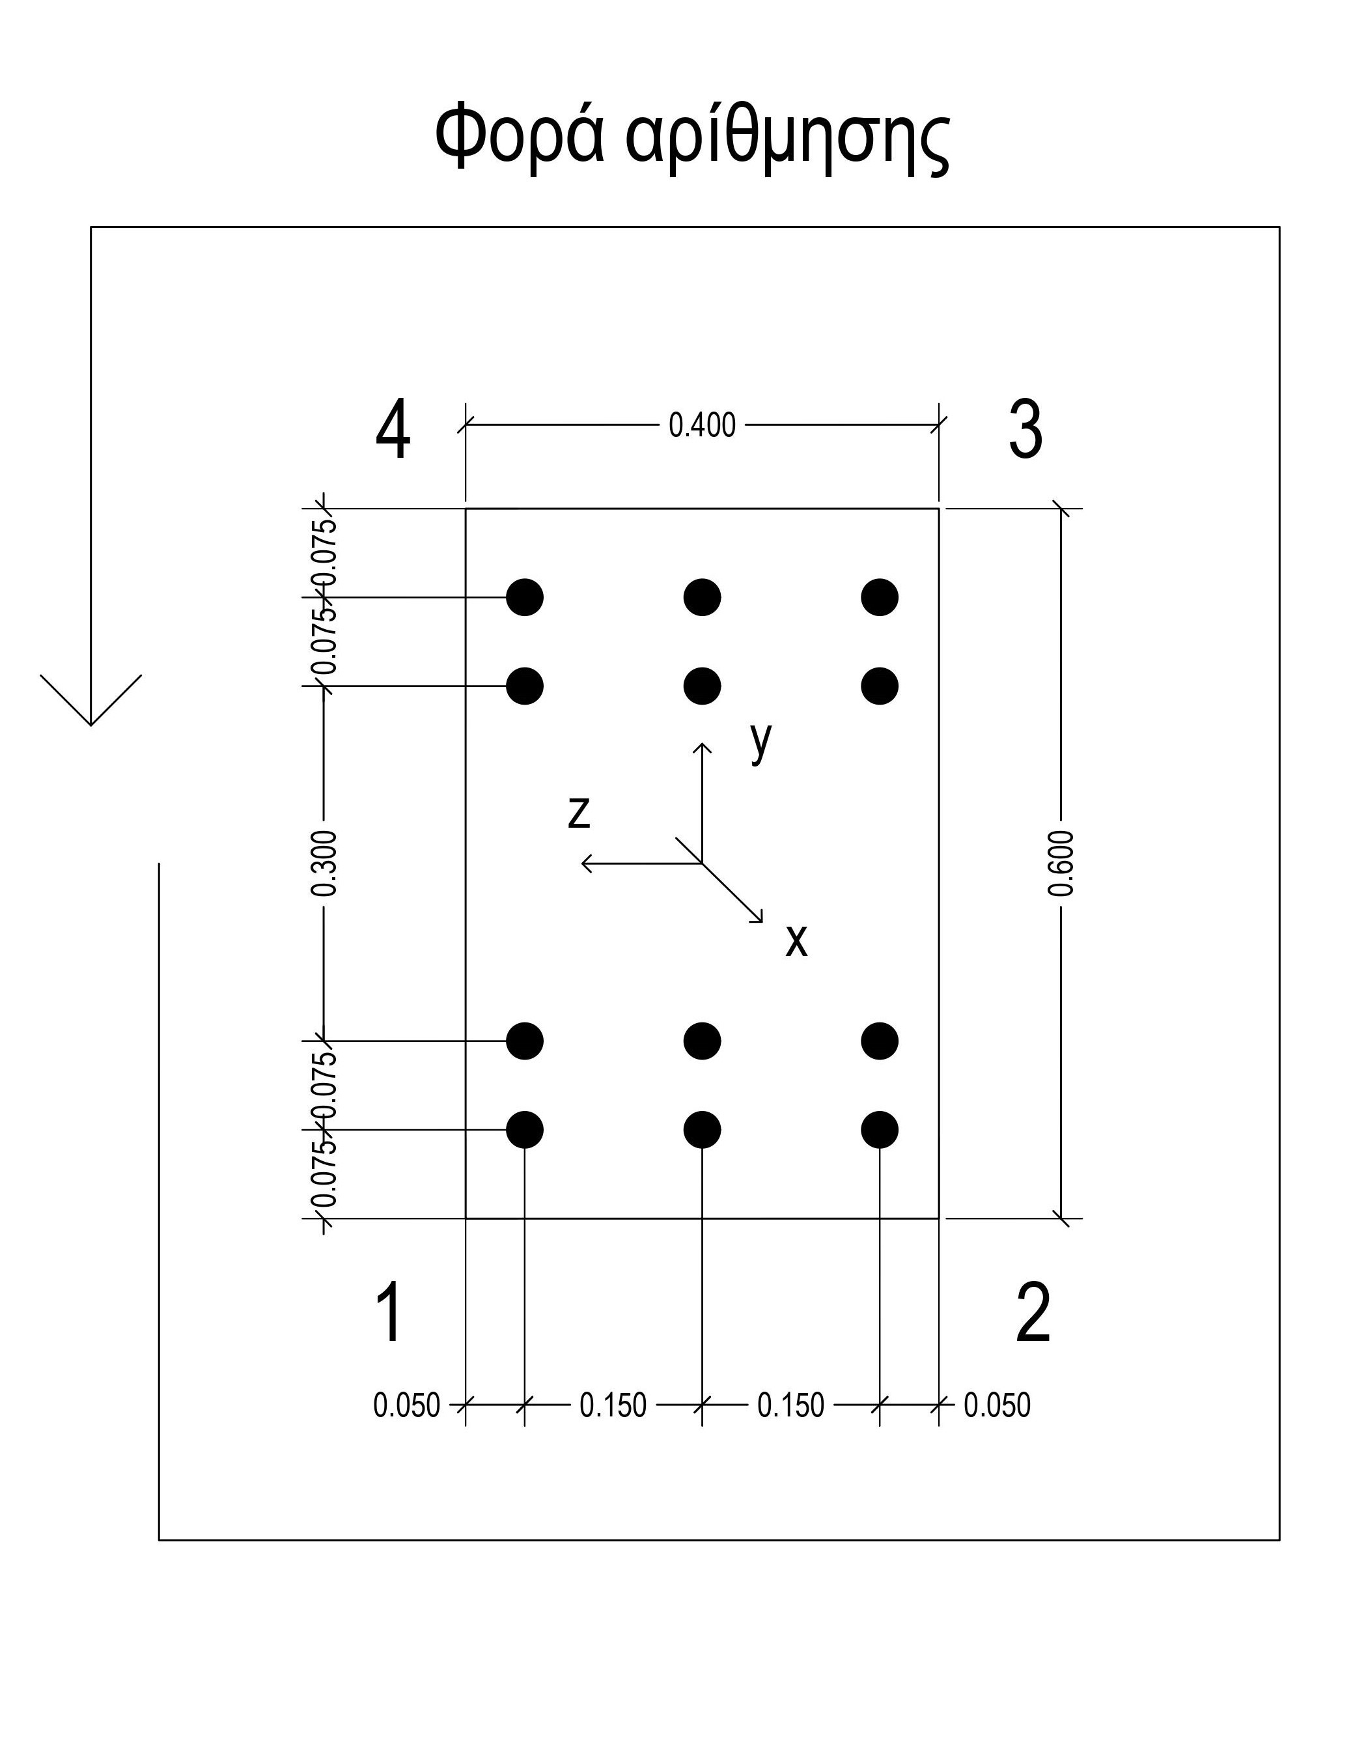
 | Material properties
 | Concrete
 | fc | 30 | MPa
 | Rebar |  |  |  |  | Vertices
 | Φ | 30 | mm |  |  | Points | z(mm) | y(mm)
 | Es | 200 | GPa |  |  | 1 | 200 | -300
 | fy | 350 | MPa |  |  | 2 | -200 | -300
 |  |  |  |  |  | 3 | -200 | 300
 |  |  |  |  |  | 4 | 200 | 300
 | Rebar
 | Coordinates
 | y_aux(mm) | y(mm) | z_aux(mm) | z(mm)
 | 0 | -300 | 0 | 200
-------> | 75 | -225 | 50 | 150 | <-------
-------> | 150 | -150 | 200 | 0 | <-------
-------> | 450 | 150 | 350 | -150 | <-------
-------> | 525 | 225 | 400 | -200
 | 600 | 300

