Images
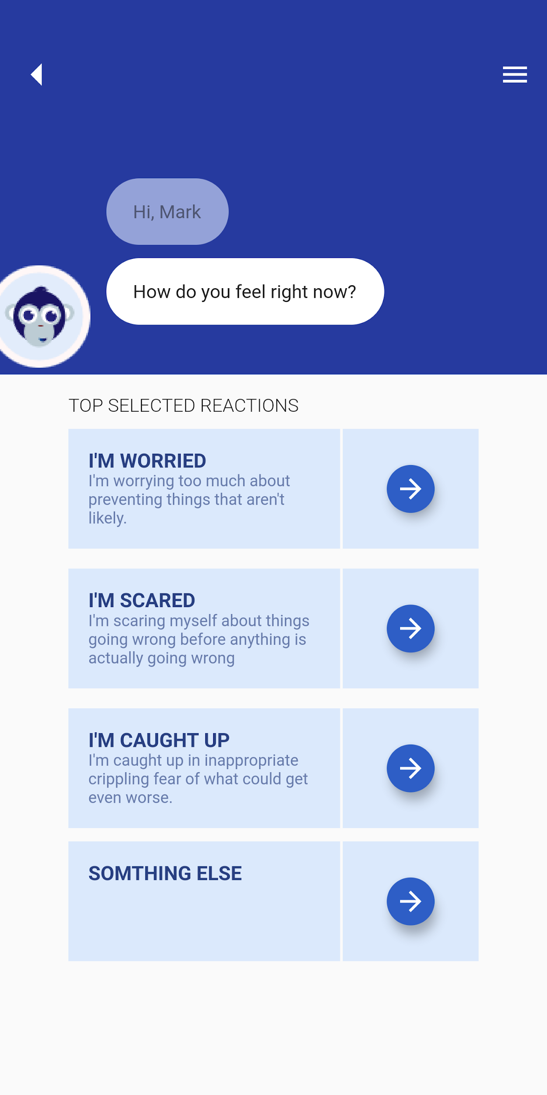
Image 1.1


image 1.2

Image 1.3

Image 1.4

Image 1.5

Image 1.6

Image 1.7

Image 1.8

Image 1.9

Image 1.10

Image 1.11

Image 1.12

Image 1.13

Image 1.14

Image 1.15

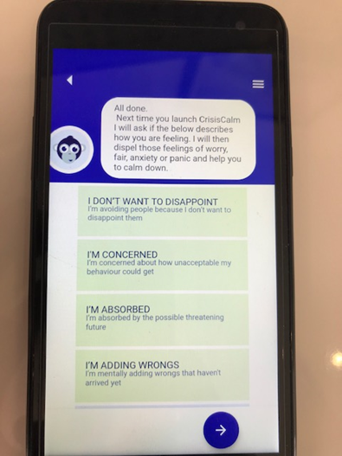
Image 1.16

