PSUMCP1727
Change R2 and and R1 IP
 |  |  |  |  | EM7455 supply spec
R2 | 30 | Change from 30K |  |  | operating V range
VOUT required | 3.75

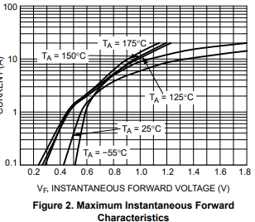
R1 optimum | 244.3902439 | Calculated |  | 220K fitted
 |  |  |  |  | FWD diode NRVTS245ESF
 |  |  |  |  | Assume 0.65V

R1 IP | 220 | Actual resistor
VOUT | 3.4166666667 | Calculated

OP V Tolerance 1% | 3.3483333333 |  | Min V out
 | 3.485 |  | Max V out

Drop out V test | 3.485 |  | V
FWD Diode | 0.65 |  | V
MCP1727 dropout V | 0.35 |  | V

Min IP V | 4.485
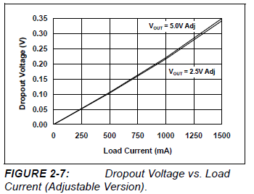
Spec min is | 4.75 |  | V |  | MCP1727 reg dropout

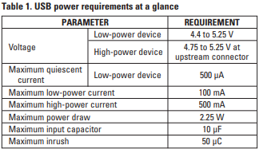
 |  |  |  |  | USB 2.0 power spec
 |  |  |  |  | From
 |  |  |  |  | http://www.ti.com/lit/an/slyt118/slyt118.pdf

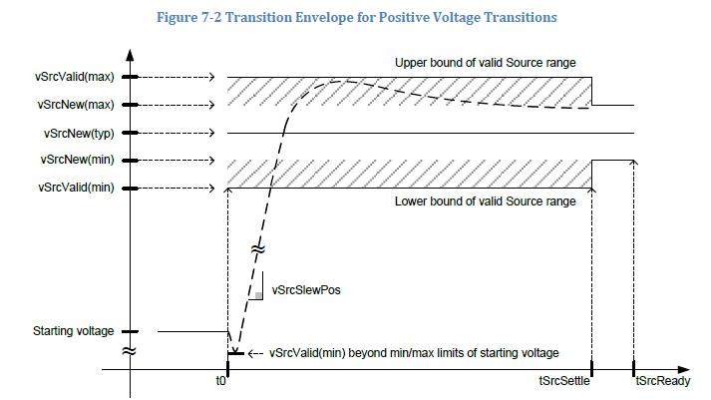
 |  |  |  |  | USB spec latest

 |  |  |  |  | From this we need vSrcNew(Max) and vSrcNew(Min)

 |  |  |  |  | Assume OP Voltage nom is 5V then min is | 4.75

