Sheet1
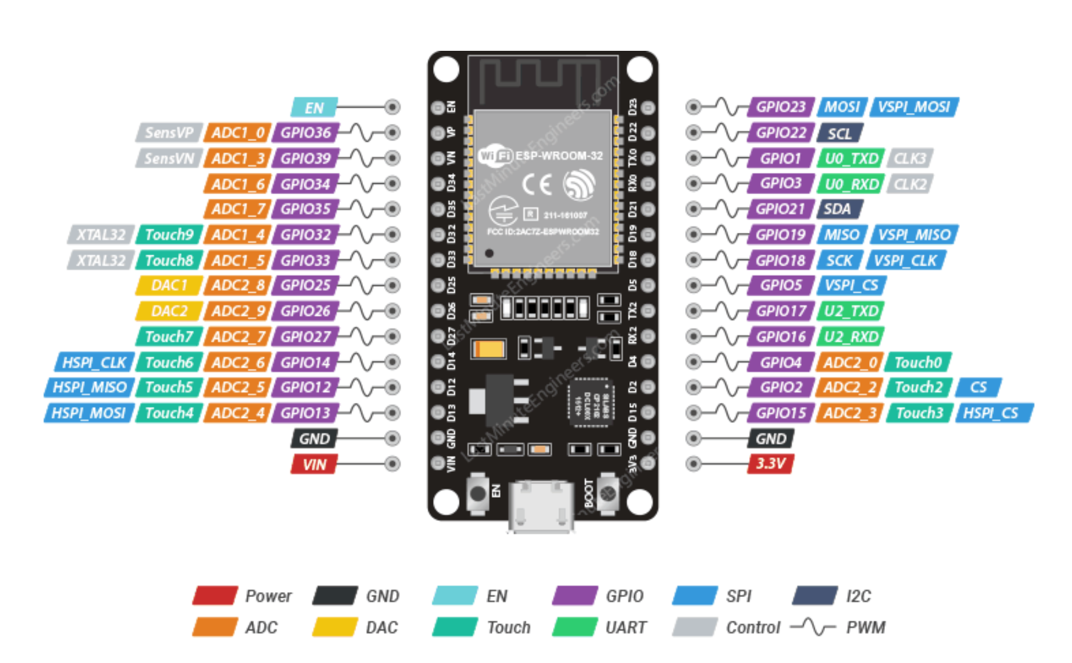
ESP32 Devkit V1 30 pin
Pin Label | GPIO | Safe? | Reason | Capabilities | Board place | Role on project
D0 | 0 |  | Must be high for boot and low for programming |  | ?
TX0 | 1 |  | Tx pin, used for flashing and debugging |  | RT
D2 | 2 |  | must be LOW during boot and also connected to the on-board LED |  | RB
RX0 | 3 |  | Rx pin, used for flashing and debugging |  | RT
D4 | 4 |  |  |  | RB | Tool stepper dir
D5 | 5 |  | must be HIGH during boot |  | RT
D6 | 6 |  | Onboard Flash |  | NA
D7 | 7 |  | Onboard Flash |  | NA
D8 | 8 |  | Onboard Flash |  | NA
D9 | 9 |  | Onboard Flash |  | NA
D10 | 10 |  | Onboard Flash |  | NA
D11 | 11 |  | Onboard Flash |  | NA
D12 | 12 |  | must be LOW during boot |  | LB
D13 | 13 |  |  |  | LB | TOF optional Interupt
D14 | 14 |  |  |  | RB
D15 | 15 |  | must be HIGH during boot, prevents startup log if pulled LOW |  | RB
RX2 | 16 |  |  |  | RB | (ALT) Step Step
TX2 | 17 |  |  |  | RB | (ALT) Step dir
D18 | 18 |  |  |  | RT | Tool stepper step
D19 | 19 |  |  |  | RT | Stepper enable?
D21 | 21 |  |  | SDA | RT | TOF Sensor I2C
D22 | 22 |  |  | SCL | RT | TOF Sensor I2C
D23 | 23 |  |  |  | RT | (ALT) Step en
D25 | 25 |  |  |  | LT | Home Switch input
D26 | 26 |  |  |  | LB | HB CW
D27 | 27 |  |  |  | LB | HB CCW
D32 | 32 |  |  |  | LT | HB en
D33 | 33 |  |  |  | LT
D34 | 34 |  | Input Only (NO PULLUP!) |  | LT | Current Sense
D35 | 35 |  | Input Only (NO PULLUP!) |  | LT
VP | 36 |  | Input Only (NO PULLUP!) |  | LT
VN | 39 |  | Input Only (NO PULLUP!) |  | LT

Board Placement
RB | Right Bottom
LT | Left Top

