Mind Map
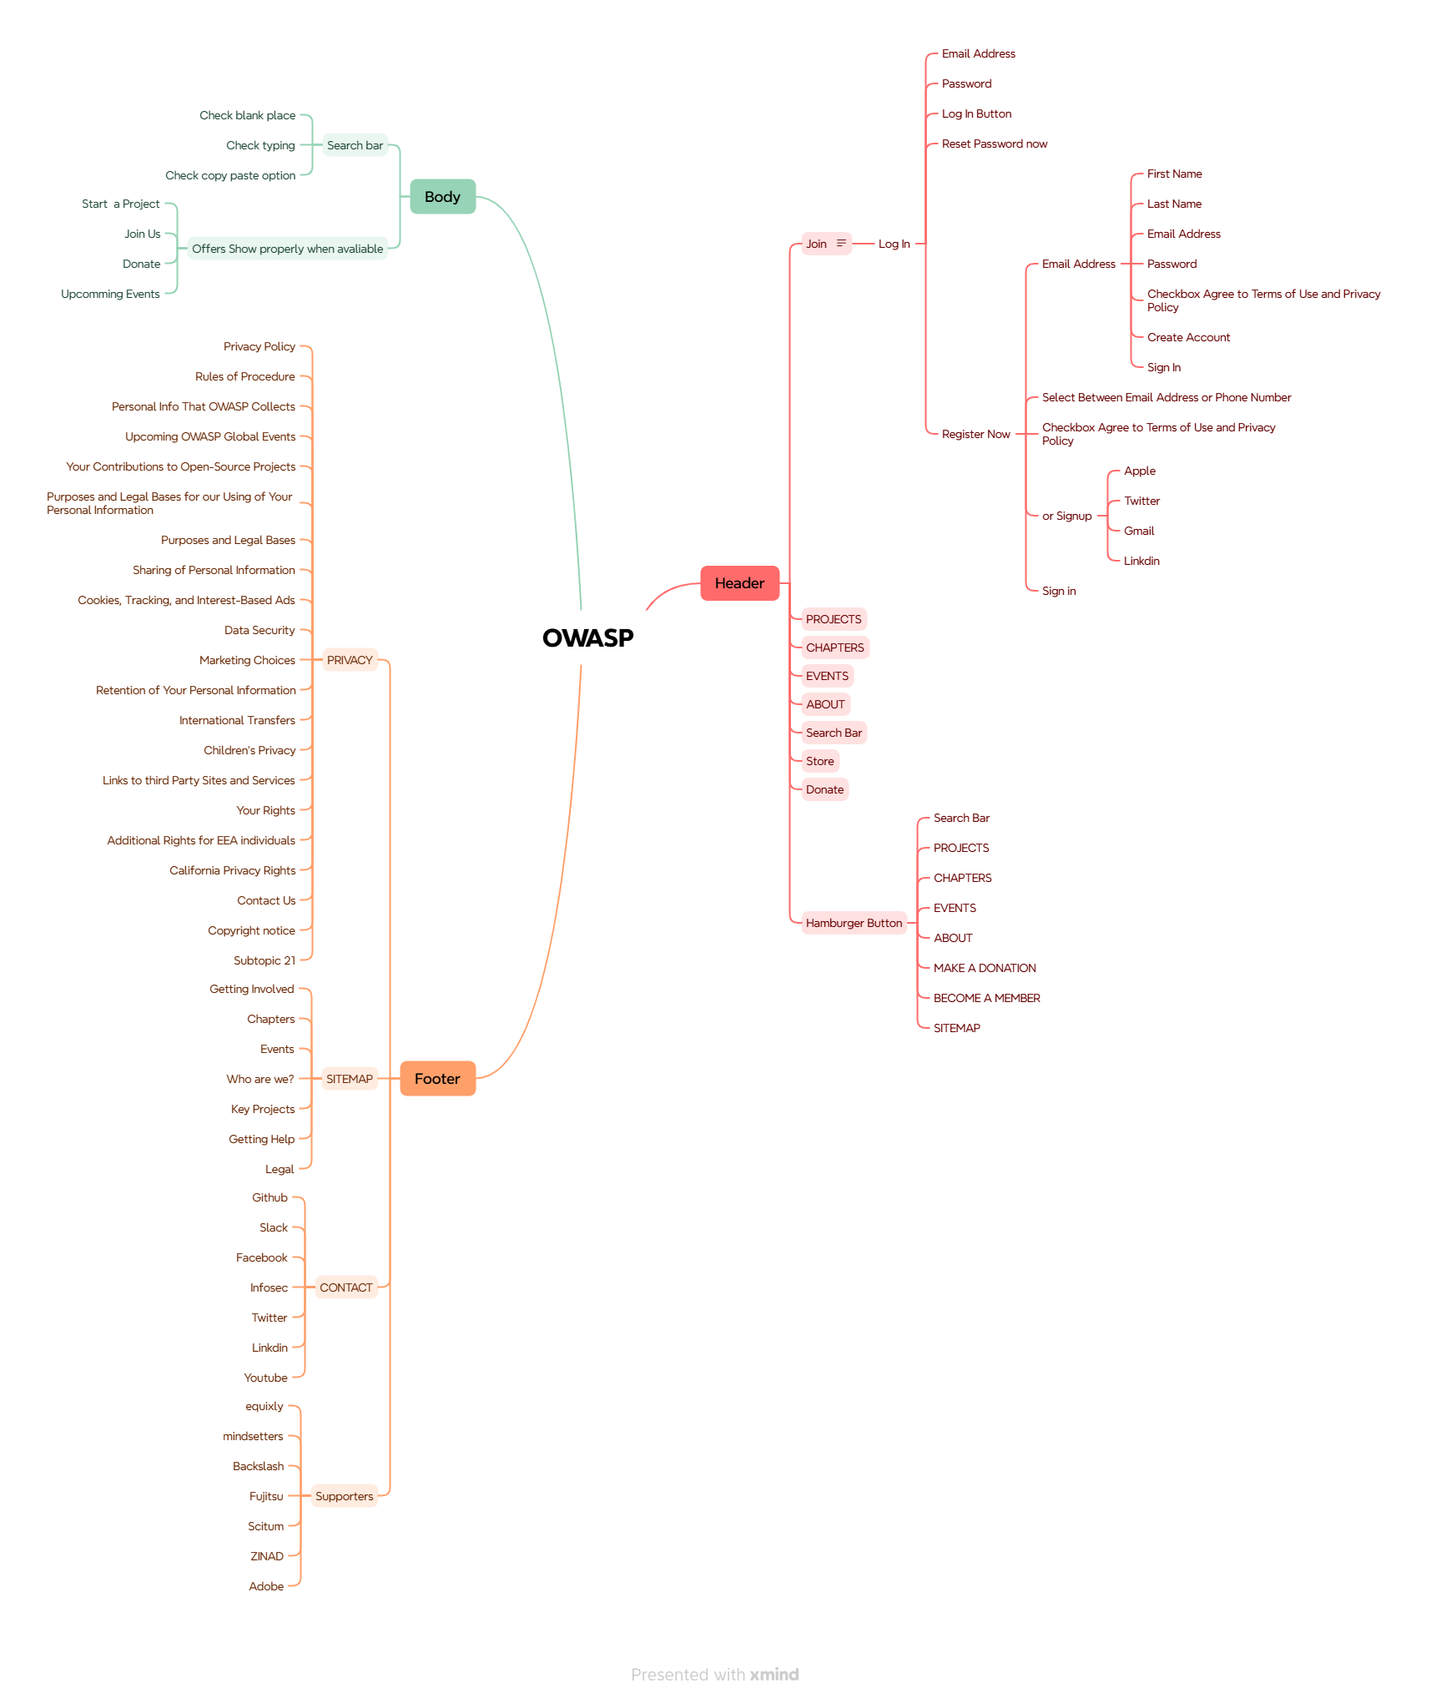
MIND MAP OF PICKY.COM.BD WEB APPLICATION

