3D Path
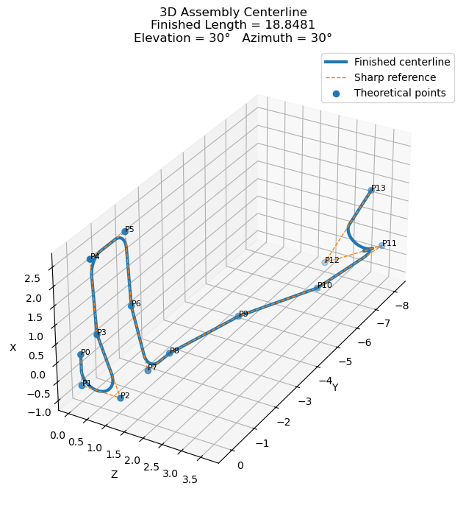
Point | X | Y | Z | Bend Radius
P0 | 0 | 0 | 0 |  | Measurement | Value | Elevation | Azimuth
P1 | -0.831 | 0 | 0 | 0.425 | Sharp Corner Length | 22.721576568 | 30 | 30
P2 | -0.831 | 0 | 1.046 | 0.425 | Straight Length Removed | 9.8542775413
P3 | 0.673 | 0 | 0.462 | 0.425 | Arc Length Added | 5.980773366
P4 | 2.588 | 0 | 0.346 | 0.425 | Finished Centerline Length | 18.848072393
P5 | 2.588 | -1.443 | 0.346 | 0.425
P6 | 0.673 | -1.443 | 0.462 | 0.425
P7 | -0.992 | -1.509 | 0.835 | 0.425
P8 | -0.941 | -2.34 | 0.915 | 0.425
P9 | -0.738 | -4.304 | 1.643 | 0.425
P10 | -0.473 | -6.006 | 2.851 | 0.425
P11 | 0.084 | -7.756 | 3.69 | 0.425
P12 | -1 | -8 | 2 | 0.425
P13 | 1.712 | -7.433 | 3.514

