(2) glm-tacticCount
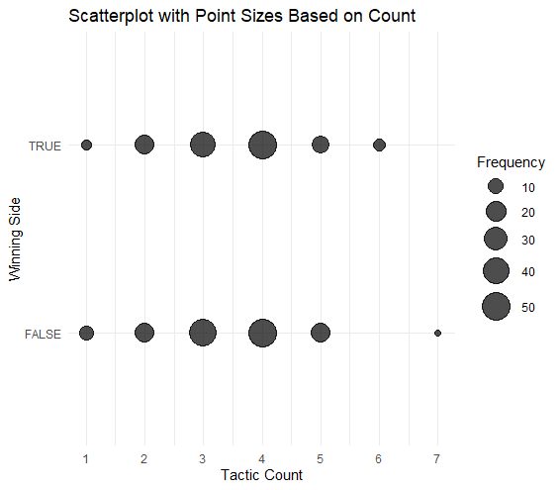
 | Dependent variable: winning Side
 | (1) | (2) | (3)
Tactics | -0.335 | 0.319 | -0.629
 | (0.303) | (1.789) | (0.724)
Tactics² |  | -0.096
 |  | (0.259)
1/Tactics |  |  | -2.642
 |  |  | (6.081)
Total HP | 0.065*** | 0.065*** | 0.065***
 | (0.011) | (0.011) | (0.011)
Distance Bombplace | -0.003*** | -0.003*** | -0.003***
 | (0.001) | (0.001) | (0.001)
Equipment Value | 0.000** | 0.000** | 0.000**
 | (0.000) | (0.000) | (0.000)
Constant | -3.297** | -4.303 | -1.397
 | (1.572) | (3.167) | (4.525)
Observations | 267 | 267 | 267
Log Likelihood | -41.494 | -41.419 | -41.378
Akaike Inf. Crit. | 92.988 | 94.838 | 94.757
Note: | *p<0.1; | **p<0.05; | ***p<0.01

(4) lm-dist
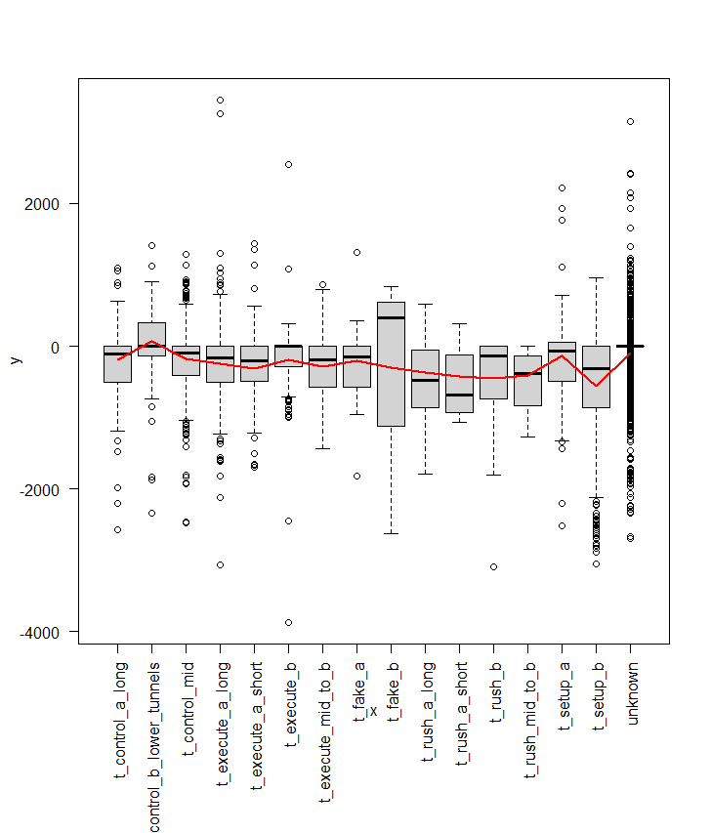
 | Dependent variable: Distance Bombplace Diff
 | (1) | (2) | (3) | (4)
Tactic: Setup B | -349.619*** | -354.365*** | -367.247*** | -361.321***
 | (41.787) | (41.972) | (42.238) | (42.459)
Tactic: Rush B | -232.208** | -236.691** | -257.089*** | -252.887***
 | (93.500) | (94.186) | (95.170) | (95.221)
Tactic: Execute Mid to B | -102.308** | -97.806* | -99.525* | -98.217*
 | (50.391) | (51.220) | (51.320) | (51.329)
Tactic: Control B Lower Tunnels | 255.553*** | 249.563*** | 261.480*** | 259.916***
 | (50.590) | (50.857) | (51.334) | (51.346)
HP Difference |  | 0.244 | 0.193 | 0.183
 |  | (0.158) | (0.158) | (0.158)
Spent Money |  | 0.000 | -0.000 | -0.000
 |  | (0.001) | (0.001) | (0.001)
Equipment Value |  | -0.001 | 0.001 | 0.001
 |  | (0.001) | (0.001) | (0.001)
lag(Distance Bombplace Diff, 1) |  |  |  | 0.020
 |  |  |  | (0.014)
Game Fixed Effect | No | No | Yes | Yes
Round Fixed Effect | No | No | Yes | Yes
Time Fixed Effect | Yes | Yes | Yes | Yes
Constant | -320.432*** | -300.854*** | -294.937*** | -289.191***
 | (31.491) | (37.059) | (44.436) | (44.639)
Observations | 4,838 | 4,838 | 4,838 | 4,837
R2 | 0.097 | 0.098 | 0.105 | 0.105
Adjusted R2 | 0.094 | 0.095 | 0.099 | 0.099
Residual Std. Error | 484.629 (df = 4821) | 484.618 (df = 4818) | 483.335 (df = 4808) | 483.335 (df = 4806)
F Statistic | 32.539*** (df = 16; 4821) | 27.572*** (df = 19; 4818) | 19.388*** (df = 29; 4808) | 18.765*** (df = 30; 4806)
Note: | *p<0.1; **p<0.05; ***p<0.01

(5) lm-tactiCount(dist)
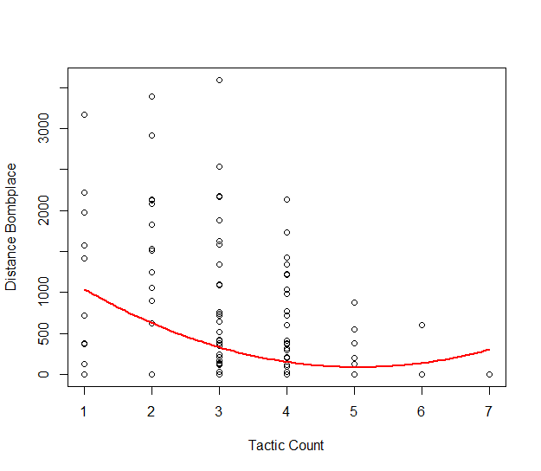
 | Dependent variable: Distance Bombplace
 | (1) | (2) | (3)
Tactics | -197.420*** | -603.370*** | -586.447***
 | (35.127) | (157.724) | (156.340)
Tactics² |  | 59.012*** | 57.999***
 |  | (22.365) | (22.158)
Total HP |  |  | -0.274
 |  |  | (0.292)
Equipment Value |  |  | -0.010**
 |  |  | (0.004)
Constant | 983.686*** | 1,613.968*** | 1,800.488***
 | (127.886) | (270.286) | (274.129)
Observations | 267 | 267 | 267
R2 | 0.107 | 0.129 | 0.158
Adjusted R2 | 0.103 | 0.123 | 0.145
Residual Std. Error | 615.108 (df = 265) | 608.303 (df = 264) | 600.575 (df = 262)
F Statistic | 31.587*** (df = 1; 265) | 19.630*** (df = 2; 264) | 12.279*** (df = 4; 262)
Note: | *p<0.1; **p<0.05; ***p<0.01

(8) did-binned
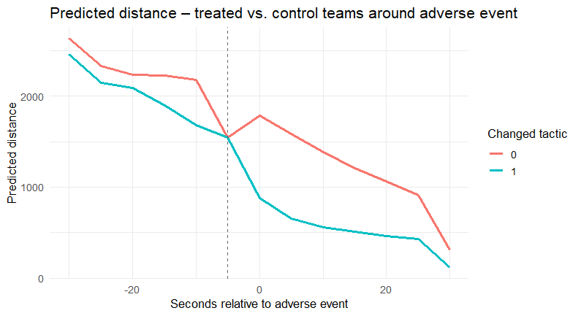
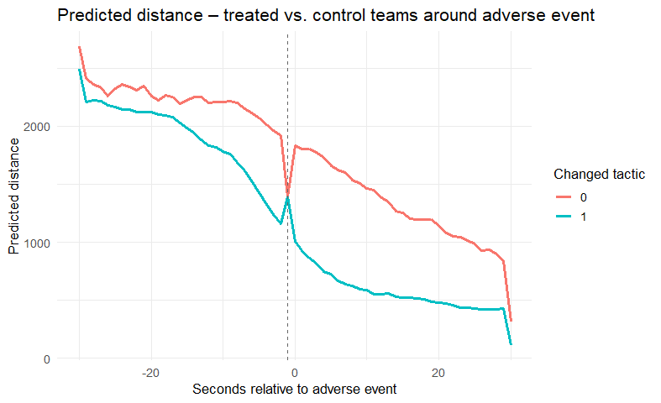
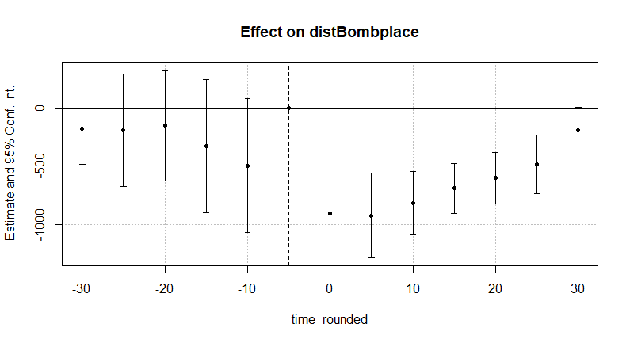
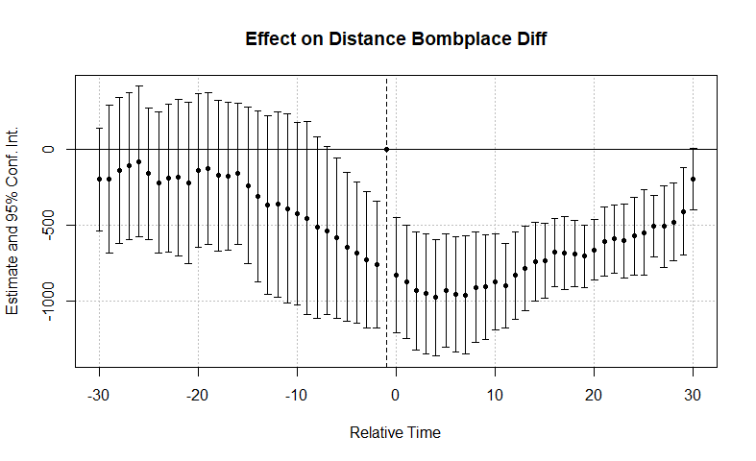
 | Dependent variable: Distance Bombplace
 | (1) | (2) | (3) | (4)
Relative Time (t-10) × changed_tactic | 292.216+ | -0.844 | -495.551+ | -70.273*
 | (151.744) | (11.621) | (255.680) | (27.099)
Relative Time (t-0) × changed_tactic | -506.354** | -52.742*** | -906.789*** | -76.971***
 | (128.024) | (6.510) | (167.604) | (13.574)
Relative Time (t+5) × changed_tactic | -729.210*** | -48.921*** | -926.577*** | -51.255**
 | (119.823) | (5.951) | (161.295) | (10.989)
Relative Time (t+10) × changed_tactic | -820.047*** | -50.218*** | -819.202*** | -45.268**
 | (104.054) | (8.109) | (121.010) | (11.442)
lag(Distance Bombplace Diff, 1) |  | 0.950*** |  | 0.934***
 |  | (0.004) |  | (0.006)
Game Fixed Effect | Yes | Yes | Yes | Yes
Round Fixed Effect | Yes | Yes | Yes | Yes
Time Trend Effect | No | No | Yes | Yes
Num.Obs. | 44196 | 44195 | 44196 | 44195
R2 | 0.298 | 0.940 | 0.433 | 0.941
AIC | 750319.4 | 641343.1 | 740921.6 | 640651.9
RMSE | 1174.33 | 342.31 | 1055.60 | 339.55

