Sheet1
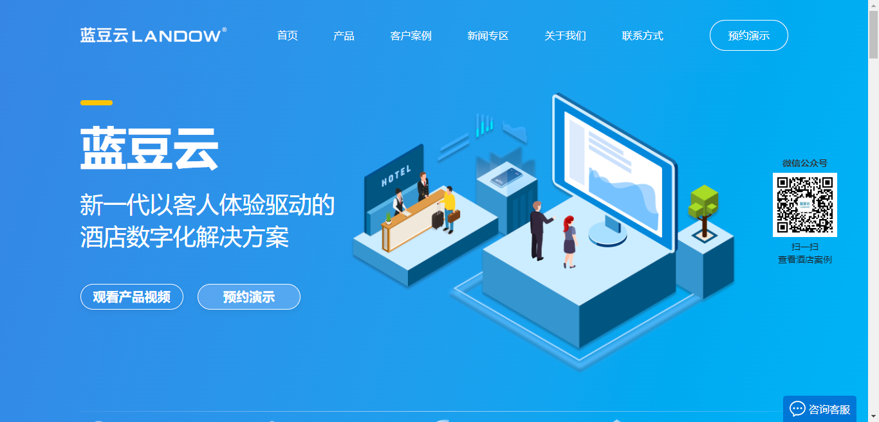 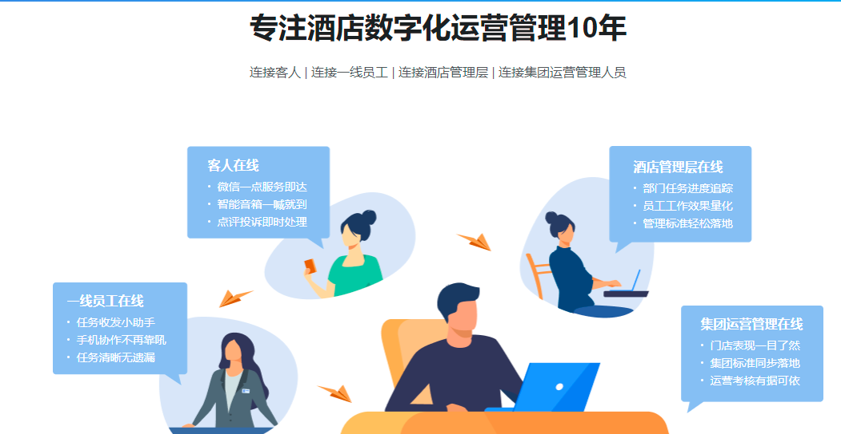 | 首页 | Home
 | 产品 | Product
 | 关于我们 | About Us
 | 新一代以客人体验驱动的酒店数字化解决方案 | A new guest experience driven digital solution of hotel
 | 观看产品视频 | WATCH VIDEO
 | 预约演示 | REQUEST A DEMO
 | 遍布全国50余个城市 | Distribute 50+ Cities
 | 服务超1000家酒店 | 1000+ Hotels
 | 支持30万间客房管理 | 300000+ Hotel Rooms Management
 | 每年1.6亿次服务保障 | Guarantee Over 16 Million Times of Service Every Year
 | 专注酒店数字化运营管理10年 | Focusing on hotel digital service operation for 10 years
 | 连接客人 | Connect With Guests
 | 连接一线员工 | Connect With Frontline Employees
 | 连接酒店管理层 | Connect With Management
 | 连接集团运营管理人员 | Connect With Group Operation Management
 | 客人在线 | Guest Online
 | 微信一点服务即达 | Service called by one click on WeChat
 | 智能音箱一喊就到 | Staff on-site by speaking to the smart speaker
 | 点评投诉即时处理 | Immediate response to comment and compliant
 | 一线员工在线 | Frontline Employee Online
 | 任务收发小助手 | Task transceiver helper
 | 手机协作不再靠吼 | No shouting during collaboration via mobile phone
 | 任务清晰无遗漏 | Clear task without omission
 | 酒店管理层在线 | Management Online
 | 部门任务进度追踪 | Tracking of department task progress
 | 员工工作效果量化 | Quantification of employee performance
 | 管理标准轻松落地 | Easy implementation of management standard
 | 集团运营管理在线 | Group Online
 | 门店表现一目了然 | Understanding of hotel operation by only one glance
 | 集团标准同步落地 | Synchronized implementation of group standard
 | 运营考核有据可依 | Evidence for operation assessment
 | 住客服务管家 | Customer Service Management
 | 客房管家 | Housekeeping Management
 | 工程管家 | Engineering Management
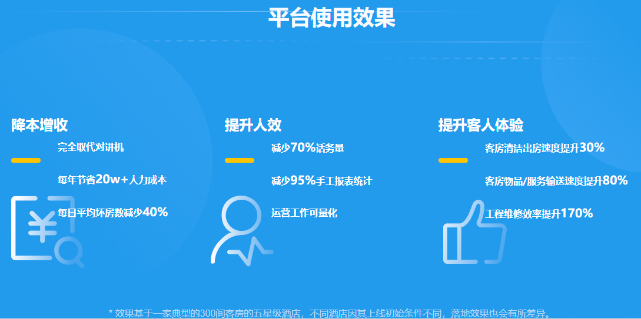 | 平台使用效果 | OMS BENEFITS
 | 降本提效 | Cost Saved & Efficiency Improved
 | 完全取代对讲机 | Completely replace intercom
 | 每年节省20w+人力成本 | 200,000+ RMB labor costs saved every year
 | 每日平均坏房数减少40% | Daily out-of-order rooms reduced by 40% on average
 | 提升人效 | Staff efficiency promoted
 | 减少70%话务量 | Phone traffic decreased by 70%
 | 减少95%手工报表统计 | Manual calculated report statistics reduced by 95%
 | 运营工作可量化 | Quantification of operation work
 | 提升客人体验 | Guest experience improved
 | 客房清洁出房速度提升30% | Room cleaning efficiency improved by 30%
 | 客房物品/服务输送速度提升80% | Room article/service delivery improved by 80%
 | 工程维修效率提升170% | Engineering repair efficiency improved by 170%
 | 效果基于一家典型的300间客房的五星级酒店，不同酒店因其上线初始条件不同，落地效果也会有所差异 | The above results are based on a typical 300-room five-star hotel. The implementation effect varies with different initial implementation conditions of different hotels.
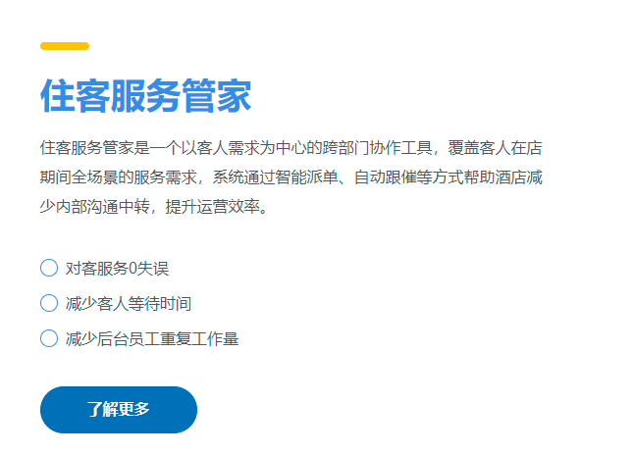 | 住客服务管家是一个以客人需求为中心的跨部门协作工具，覆盖客人在店期间全场景的服务需求，系统通过智能派单、自动跟催等方式帮助酒店减少内部沟通中转，提升运营效率。 | Customer Service Management System is a cross-departmental collaboration tool with focus on the guest requests, covering the service in all scenarios during guest stay in hotel. The system helps hotels reduce internal communication forwarding by means of intelligent order assignment and automatic follow-up, and therefore improve the operating efficiency.
 | 对客服务0失误 | Zero mistake in guest service
 | 服务需求用文字呈现杜绝信息错漏导致服务失误 | Service requirements are presented in words, so as to prevent service errors caused by information errors and omissions.
 | 减少客人等待时间 | Reduce waiting time of guest
 | 减少服务流程中转环节客人需求实时通知，服务智能跟催 | Reduce the transit links in the service process, inform guests of their needs in real time, and provide intelligent and prompt service.
 | 减少后台员工重复工作量 | Relieve the backoffice emplolyees of repeated workload
 | 工作量/服务用品等自动记录并生成统计减少重复中转/记录工作量 | Automatically record workload/service supplies, etc. and generate statistics to reduce repeated transit/recording workload.
 | 了解更多 | Learn More
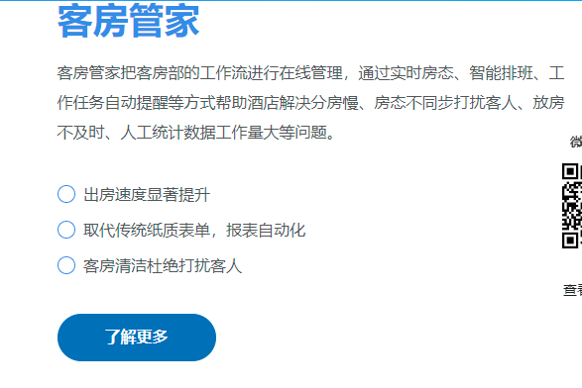 | 客房管家把客房部的工作流进行在线管理，通过实时房态、智能排班、工作任务自动提醒等方式帮助酒店解决分房慢、房态不同步打扰客人、放房不及时、人工统计数据工作量大等问题。 | Housekeeping Management System manages the guest room workflow online through real-time room status, intelligent staff shift scheduling and automatic task alert to speed up room allocation, synchronize room status to avoid disturbing guests, timely changing room status, and relieve manual data statistics.
 | 出房速度显著提升 | Remarkable improvement of room release speed
 | 系统智能排班，员工掌握实时房态清洁完成自动通知主管，移动查房改房态 | Intelligent scheduling system, employees can automatically notify the supervisor when real-time room cleaning is completed, and check the room status online.
 | 取代传统纸质表单，报表自动化 | Automatical generation of reports to replace traditional paper ones
 | 做房量、布草易耗品、报修、迷你吧消费等 在做房过程中自动生成报表并统计汇总 | Room volume, linen consumables, repair service, mini-bar consumption, etc. Automatically generate reports and collect statistics in the process of cleaning.
 | 客房清洁杜绝打扰客人 | Guest disturbing eliminated during cleaning
 | 工作量/房态实时更新，楼层员工移动查询未退房间延缓清洁，避免打扰客人 | The workload/room status is updated in real time, and the floor staff can inquire online; Rooms that haven't checked out will be delayed to avoid disturbing guests.
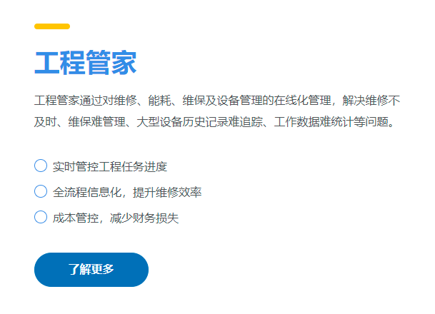 | 工程管家通过对维修、能耗、维保及设备管理的在线化管理，解决维修不及时、维保难管理、大型设备历史记录难追踪、工作数据难统计等问题。 | Engineering Management System manages online the repair, energy consumption, maintenance and equipment management to solve such problems as repair delay, and being difficult to manage maintenance, track large equipment repair history and to make statistics of work data.
 | 实时管控工程任务进度 | Real-time management and control of engineering task progress
 | 维修进度看板化，维保进度全面跟踪任务完成率、员工工单完成率一键掌握 | Maintenance progress visualization and can be tracked comprehensively.Employees can easily view task data.
 | 全流程信息化，提升维修效率 | Informatization of whole process to improve repair efficiency
 | 移动派单抢单、维修耗时及工作量透明化管理提升员工积极性及维修效率 | Mobile dispatching and grabbing orders, time-consuming maintenance and transparent management of workload can improve staff enthusiasm and maintenance efficiency.
 | 成本管控，减少财务损失 | Cost control to reduce financial losses
 | 工作量/耗材对应维修工单，掌握耗材使用明细 能耗报表自动生成，异常数据及时发现并止损 | The workload/consumables correspond to the maintenance order, and employees can master the details of consumables usage. Energy consumption report will be automatically generated, and abnormal data will be found in time and stop loss will be made.
 | 我们的客户 | OUR CLIENTS
 | 目前与超过1000多家酒店合作，包括国内外知名品牌及各地行业标杆。 | Cooporated with over 1000 hotels, including well known domestic/international brands
 | 客户的信任是蓝豆前进的动力 | Client trust is what we value the most
 | 合作伙伴 | Business Partners
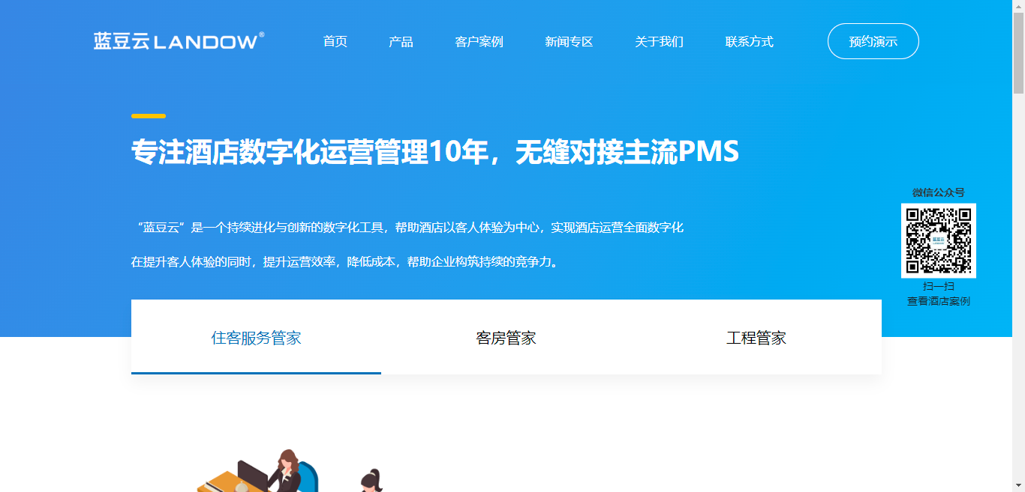 | 专注酒店数字化运营管理10年，无缝对接主流PMS | We have been focusing on hotel digital service operation for 10 years.Able to dock with common PMS seamlessly.
 | “蓝豆云”是一个持续进化与创新的数字化工具，帮助酒店以客人体验为中心，实现酒店运营全面数字化。在提升客人体验的同时，提升运营效率，降低成本，帮助企业构筑持续的竞争力。 | LANDOW, an Internet product engineered for the features of users in this era, has improved the hotel work efficiency and thus has promoted the overall staff efficiency and guest satisfaction.
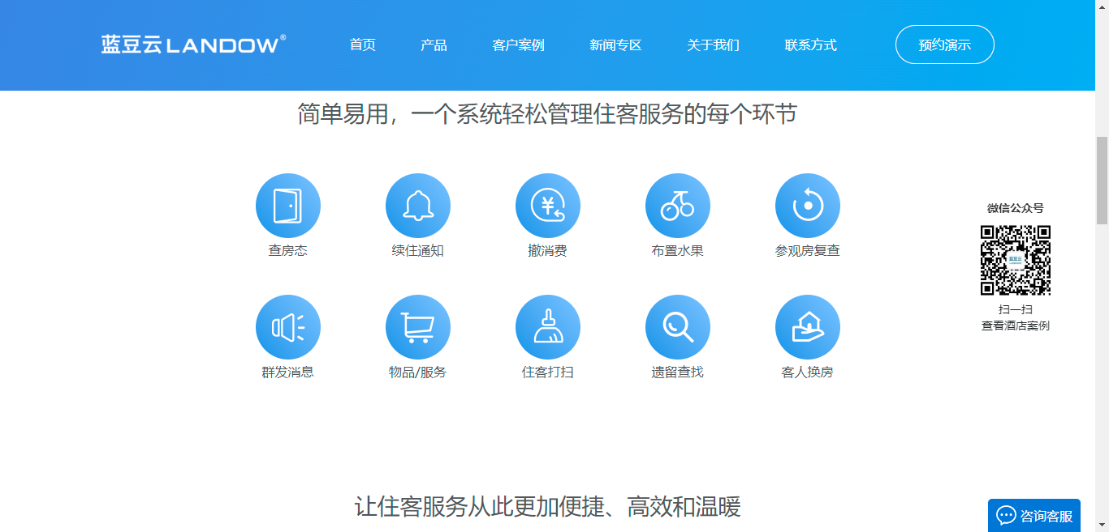 | 简单易用，一个系统轻松管理住客服务的每个环节 | Easy to use, allows you to manage every single part of the customer service.
 | 查房态 | Check Room Status
 | 续住通知 | Extension Notification
 | 撤消费 | Withdraw Mini-bar
 | 布置水果 | Prepare Fruits
 | 参观房复查 | Visit Room Reset
 | 群发消息 | Group Message
 | 物品/服务 | Articles/Services
 | 住客打扫 | Room Cleaning
 | 遗留查找 | Lost & Found
 | 客人换房 | Change Room
 | 让住客服务从此更加便捷、高效和温暖 | Make customer service more convenient, efficient, and warm.
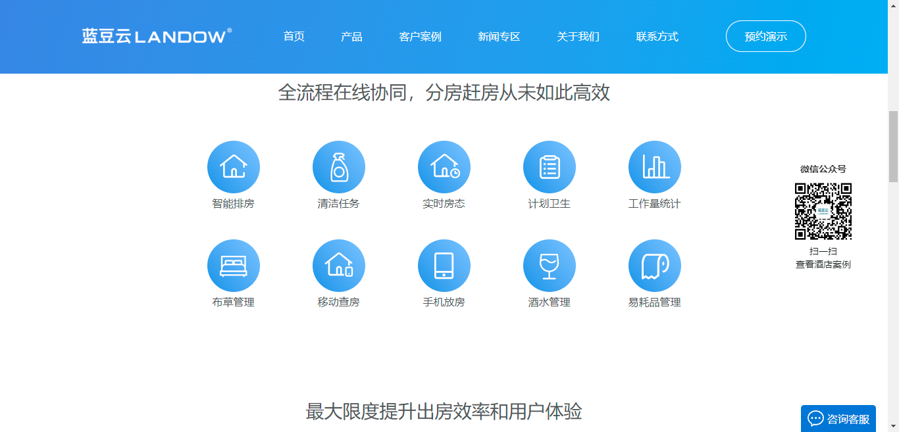 | 全流程在线协同，分房赶房从未如此高效 | Online collaboration through the whole process. Never been so efficient on room assignment and urgent room cleaning.
 | 智能排房 | Intelligent room allocation
 | 清洁任务 | Cleaning task
 | 实时房态 | Real-time room status
 | 计划卫生 | Planned cleaning
 | 工作量统计 | Workload statistics
 | 布草管理 | Linen management
 | 移动查房 | Mobile room check
 | 手机放房 | Room release via mobile phone
 | 酒水管理 | Beverage management
 | 易耗品管理 | Consumable management
 | 最大限度提升出房效率和用户体验 | Maximizing the room release efficiency and guest experience.
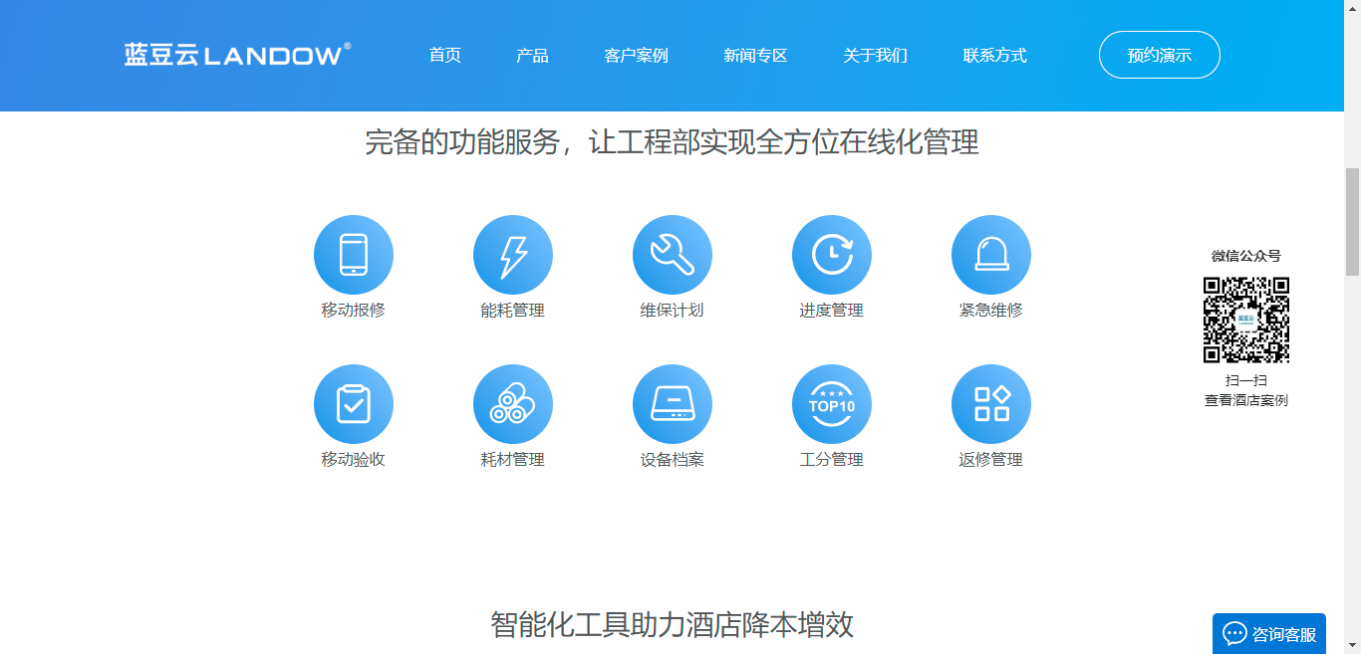 | 完备的功能服务，让工程部实现全方位在线化管理 | Comprehensive functions and service allow engineering team to manage and control all works online.
 | 移动报修 | Mobile repair order
 | 能耗管理 | Energy consumption management
 | 维保计划 | Maintenance plan
 | 进度管理 | Progress management
 | 紧急维修 | Urgent repair
 | 移动验收 | Mobile inspection
 | 耗材管理 | Consumable management
 | 设备档案 | Equipment files
 | 工分管理 | Work piont management
 | 返修管理 | Returned repair management
 | 智能化工具助力酒店降本增效 | Digital solution helps hotel to save cost and improve efficiency.
 | 品牌故事 | Brand story
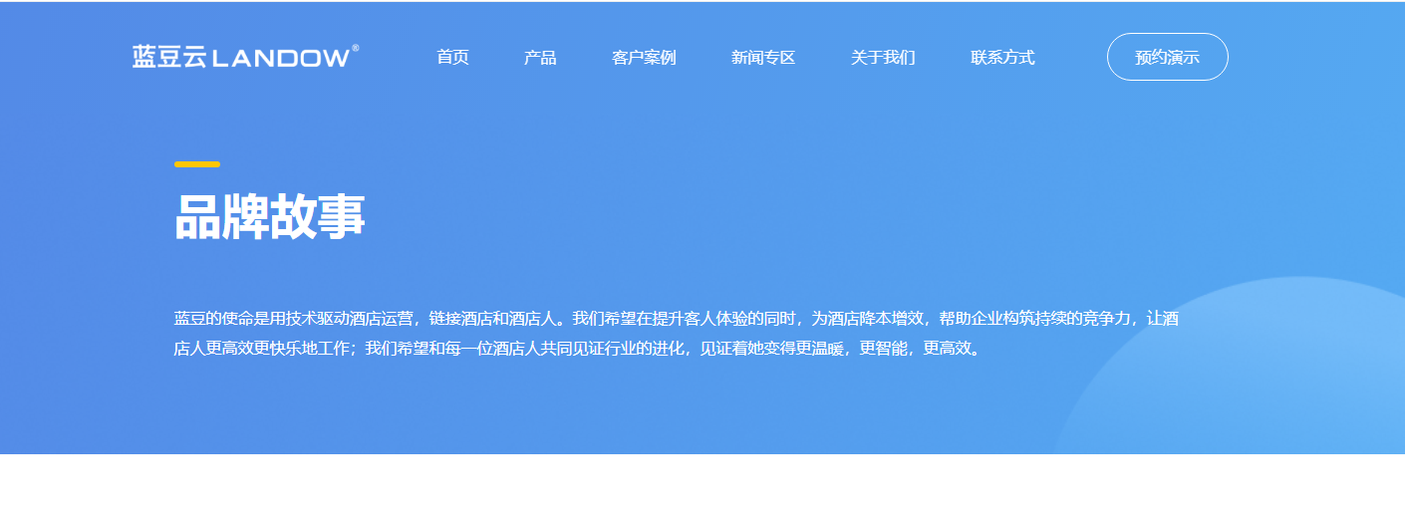 | 蓝豆的使命是用技术驱动酒店运营，链接酒店和酒店人。我们希望在提升客人体验的同时，为酒店降本增效，帮助企业构筑持续的竞争力，让酒店人更高效更快乐地工作；我们希望和每一位酒店人共同见证行业的进化，见证着她变得更温暖，更智能，更高效。 | Landow's mission is to use technology to drive hotel operations and link hotels and hotel people. We hope that while improving the guest experience, we can reduce the cost and increase the efficiency for the hotel, help enterprises to build sustainable competitiveness, and make hotel people work more efficiently and happily. We hope to witness the evolution of the industry together with every hotel person, and witness her becoming warmer, smarter and more efficient.
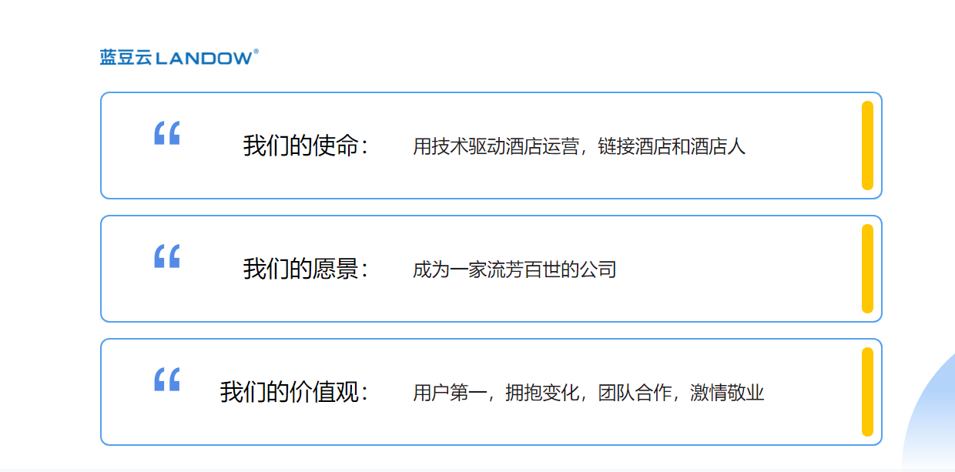 | 我们的使命： 用技术驱动酒店运营，链接酒店和酒店人 | Our mission: Use technology to drive hotel operation and link hotels and hotel people.
 | 我们的愿景： 成为一家流芳百世的公司 | Our vision: Become a company that will last forever.
 | 我们的价值观： 用户第一，拥抱变化，团队合作，激情敬业 | Our values: User first, embrace change, team work, passion and dedication.
 | 关于我们 | About Us
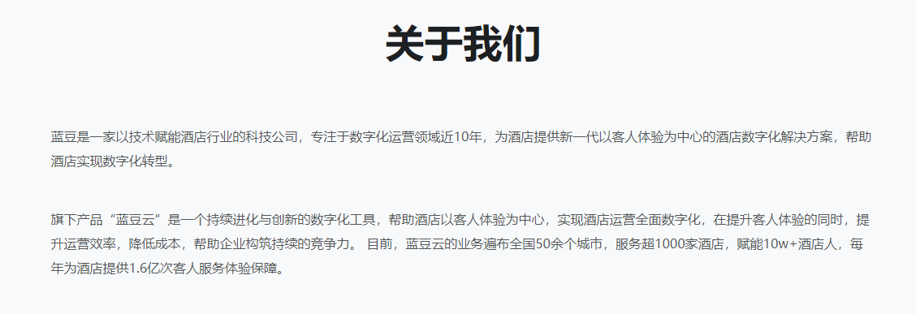 | 蓝豆是一家以技术赋能酒店行业的科技公司，专注于数字化运营领域近10年，为酒店提供新一代以客人体验为中心的酒店数字化解决方案，帮助酒店实现数字化转型。 旗下产品“蓝豆云”是一个持续进化与创新的数字化工具，帮助酒店以客人体验为中心，实现酒店运营全面数字化，在提升客人体验的同时，提升运营效率，降低成本，帮助企业构筑持续的竞争力。 目前，蓝豆云的业务遍布全国50余个城市，服务超1000家酒店，赋能10w+酒店人，每年为酒店提供1.6亿次客人服务体验保障。 | Landow is a technology company that empowers the hotel industry with technology, focusing on the digital operation field for nearly 10 years, providing a new generation of hotel digital solutions centered on guest experience for hotels, and helping hotels achieve digital transformation. Its product Landow Cloud is a digital tool of continuous evolution and innovation, which helps hotels to focus on the guest experience, realize all-round digitalization of hotel operations, improve the operating efficiency, reduce costs and help enterprises build sustainable competitiveness while improving the guest experience. At present, Landow Cloud's business covers more than 50 cities across the country, serving over 1,000 hotels, empowering 10w+ hotel people, and providing 160 million guest service experience guarantees for hotels every year.

