Sheet1
company name | May | June | July
Lime | 16.398 | 14.719 | 15.059
Lyft | 16.162 | 15.869 | 15.884
Bird | 13.512 | 13.4 | 13.302
SPIN | 34.026 | 24.718 | 20.687
Bolt | 20.363 | 22.355 | 27.403
Gotcha | 10.675 | 10.452 | 9.303
Jump | 43.856 | 56.172 | 26.252
The avaerage of riding time for each company(Mins)

Sheet2
Company name | May | June | July
Lime | 2347.904 | 5467.84 | 6339.252
Lyft | 6455.668 | 6494.7 | 6484.083
Bird | 4848.02 | 4212.539 | 3173.309
SPIN | 2863.623 | 3019.829 | 2775.96
Bolt | 7369.189 | 8119.467 | 8583.291
Gotcha | 1526.712 | 1702.945 | 38715.15
Jump | 5526.048 | 6012.011 | 6042.391

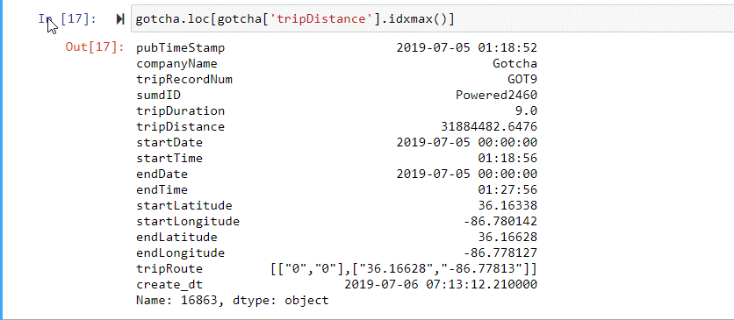
The avager of trip distance per company (feet)

