{worksheet}
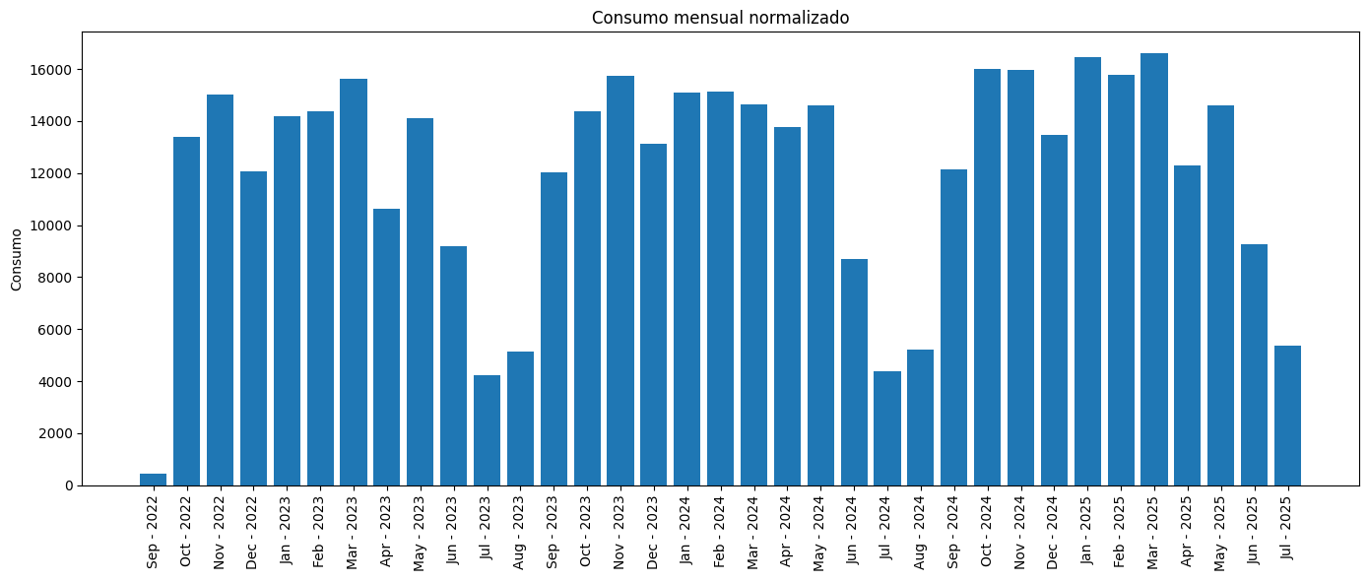

CUPS |  | CONSUMO TOTAL | P1 Activa | P2 Activa | P3 Activa | P4 Activa | P5 Activa | P6 Activa | P1 Maximetro | P2 Maximetro | P3 Maximetro | P4 Maximetro | P5 Maximetro | P6 Maximetro
ES0021000012858495MC |  | 423143 | 59707 | 76639 | 48803 | 67367 | 31083 | 139544 | 90.512 | 85.64 | 75.552 | 80.356 | 74.784 | 62.636
COLEGIO NUESTRA SEÑORA DEL HUERTO |  |  | 14.11% | 18.11% | 11.53% | 15.92% | 7.35% | 32.98% | AJUSTAR POTENCIAS
 |  |  | PRIORIZAR CONSUMO P6
13331 | 2022-09-30T00:00:00 | 2022-10-31T00:00:00 | 0 | 0 | 0 | 5852 | 3216 | 4263 | 0 | 0 | 0 | 72.408 | 60.568 | 38.004
15123 | 2022-10-31T00:00:00 | 2022-11-30T00:00:00 | 0 | 6948 | 3819 | 0 | 0 | 4356 | 0 | 81.712 | 66.632 | 0 | 0 | 37.16
12012 | 2022-11-30T00:00:00 | 2022-12-31T00:00:00 | 4889 | 2795 | 0 | 0 | 0 | 4328 | 77.924 | 73.572 | 0 | 0 | 0 | 49.32
14124 | 2022-12-31T00:00:00 | 2023-01-31T00:00:00 | 6372 | 3489 | 0 | 0 | 0 | 4263 | 85.836 | 68.712 | 0 | 0 | 0 | 42.996
14365 | 2023-01-31T00:00:00 | 2023-02-28T00:00:00 | 6686 | 3576 | 0 | 0 | 0 | 4103 | 83.1 | 69.06 | 0 | 0 | 0 | 40.708
15787 | 2023-02-28T00:00:00 | 2023-03-31T00:00:00 | 0 | 7469 | 4005 | 0 | 0 | 4313 | 0 | 85.64 | 75.552 | 0 | 0 | 45.548
10530 | 2023-03-31T00:00:00 | 2023-04-30T00:00:00 | 0 | 0 | 0 | 4326 | 2418 | 3786 | 0 | 0 | 0 | 64.468 | 52.66 | 35.692
14259 | 2023-04-30T00:00:00 | 2023-05-31T00:00:00 | 0 | 0 | 0 | 6466 | 3702 | 4091 | 0 | 0 | 0 | 78.164 | 63.312 | 33.552
9370 | 2023-05-31T00:00:00 | 2023-06-30T00:00:00 | 0 | 0 | 4083 | 2197 | 0 | 3090 | 0 | 0 | 74.328 | 55.316 | 0 | 38.448
4225 | 2023-06-30T00:00:00 | 2023-07-31T00:00:00 | 1183 | 810 | 0 | 0 | 0 | 2232 | 11.444 | 9.968 | 0 | 0 | 0 | 23.864
4917 | 2023-07-31T00:00:00 | 2023-08-31T00:00:00 | 0 | 0 | 1568 | 1002 | 0 | 2347 | 0 | 0 | 22.164 | 19.456 | 0 | 18.748
11950 | 2023-08-31T00:00:00 | 2023-09-30T00:00:00 | 0 | 0 | 5191 | 2678 | 0 | 4081 | 0 | 0 | 61.576 | 52.628 | 0 | 38.84
14307 | 2023-09-30T00:00:00 | 2023-10-31T00:00:00 | 0 | 0 | 0 | 6260 | 3483 | 4564 | 0 | 0 | 0 | 67.472 | 58.14 | 37.672
15824 | 2023-10-31T00:00:00 | 2023-11-30T00:00:00 | 0 | 6844 | 4116 | 0 | 0 | 4864 | 0 | 69.34 | 62.984 | 0 | 0 | 42.752
13079 | 2023-11-30T00:00:00 | 2023-12-31T00:00:00 | 4896 | 2923 | 0 | 0 | 0 | 5260 | 87.236 | 70.088 | 0 | 0 | 0 | 40.828
14468.03 | 2023-12-31T00:00:00 | 2024-01-30T00:00:00 | 6439.36 | 3885 | 0 | 0 | 0 | 4143.67 | 79.172 | 73.92 | 0 | 0 | 0 | 31.304
577.97 | 2024-01-30T00:00:00 | 2024-01-31T00:00:00 | 306.64 | 185 | 0 | 0 | 0 | 86.33 | 79.172 | 73.92 | 0 | 0 | 0 | 31.304
15184 | 2024-01-31T00:00:00 | 2024-02-29T00:00:00 | 6898 | 4076 | 0 | 0 | 0 | 4210 | 89.58 | 74.208 | 0 | 0 | 0 | 42.824
14666 | 2024-02-29T00:00:00 | 2024-03-31T00:00:00 | 0 | 6468 | 3606 | 0 | 0 | 4592 | 0 | 82.136 | 65.076 | 0 | 0 | 42.152
13750 | 2024-03-31T00:00:00 | 2024-04-30T00:00:00 | 0 | 0 | 0 | 6043 | 3539 | 4168 | 0 | 0 | 0 | 80.356 | 63.932 | 37.44
14776 | 2024-04-30T00:00:00 | 2024-05-31T00:00:00 | 0 | 0 | 0 | 6499 | 3781 | 4496 | 0 | 0 | 0 | 71.26 | 59.692 | 47.052
8858 | 2024-05-31T00:00:00 | 2024-06-30T00:00:00 | 0 | 0 | 3720 | 1940 | 0 | 3198 | 0 | 0 | 57.968 | 48.272 | 0 | 28.732
4344 | 2024-06-30T00:00:00 | 2024-07-31T00:00:00 | 1329 | 921 | 0 | 0 | 0 | 2094 | 25.068 | 22.884 | 0 | 0 | 0 | 11.344
4976 | 2024-07-31T00:00:00 | 2024-08-31T00:00:00 | 0 | 0 | 1508 | 963 | 0 | 2505 | 0 | 0 | 20.264 | 18.5 | 0 | 28.888
12034 | 2024-08-31T00:00:00 | 2024-09-30T00:00:00 | 0 | 0 | 5397 | 2702 | 0 | 3935 | 0 | 0 | 69.756 | 56.656 | 0 | 39.328
15994 | 2024-09-30T00:00:00 | 2024-10-31T00:00:00 | 0 | 0 | 0 | 7094 | 4197 | 4703 | 0 | 0 | 0 | 74.296 | 60.456 | 62.636
16080 | 2024-10-31T00:00:00 | 2024-11-30T00:00:00 | 0 | 6767 | 3969 | 0 | 0 | 5344 | 0 | 70.048 | 71.528 | 0 | 0 | 43.632
13355 | 2024-11-30T00:00:00 | 2024-12-31T00:00:00 | 5164 | 3132 | 0 | 0 | 0 | 5059 | 90.512 | 72.248 | 0 | 0 | 0 | 37.04
16428 | 2024-12-31T00:00:00 | 2025-01-31T00:00:00 | 7029 | 4204 | 0 | 0 | 0 | 5195 | 77.208 | 75.688 | 0 | 0 | 0 | 47.424
15801 | 2025-01-31T00:00:00 | 2025-02-28T00:00:00 | 6894 | 4068 | 0 | 0 | 0 | 4839 | 74.14 | 79.032 | 0 | 0 | 0 | 54.916
16729 | 2025-02-28T00:00:00 | 2025-03-31T00:00:00 | 0 | 6904 | 4054 | 0 | 0 | 5771 | 0 | 75.5 | 69.292 | 0 | 0 | 53.136
12237 | 2025-03-31T00:00:00 | 2025-04-30T00:00:00 | 0 | 0 | 0 | 5157 | 3053 | 4027 | 0 | 0 | 0 | 69.044 | 74.72 | 50.476
14746 | 2025-04-30T00:00:00 | 2025-05-31T00:00:00 | 0 | 0 | 0 | 6040 | 3694 | 5012 | 0 | 0 | 0 | 67.048 | 74.784 | 42.008
9398 | 2025-05-31T00:00:00 | 2025-06-30T00:00:00 | 0 | 0 | 3767 | 2148 | 0 | 3483 | 0 | 0 | 62.224 | 57.488 | 0 | 25.916
5538 | 2025-06-30T00:00:00 | 2025-07-31T00:00:00 | 1621 | 1175 | 0 | 0 | 0 | 2742 | 25.872 | 27.252 | 0 | 0 | 0 | 12.5

