Sheet1
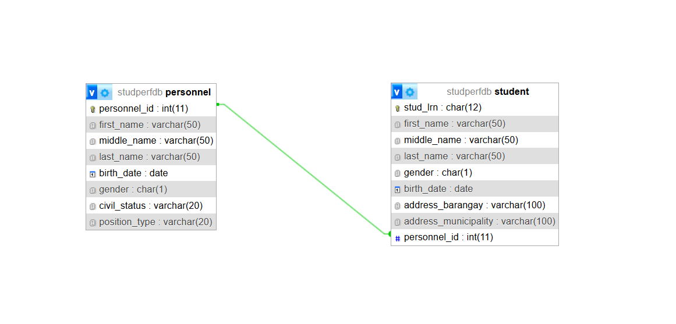

DNHS STUDENT PERFORMANCE SYSTEM Entity-Relationship Diagram

personnel |  | student
FIELD | DATA TYPE | FIELD | DATA TYPE
personnel_id | INT(11) | stud_lrn | CHAR(12)
first_name | VARCHAR(50) | first_name | VARCHAR(50)
middle_name | VARCHAR(50) | middle_name | VARCHAR(50)
last_name | VARCHAR(50) | last_name | VARCHAR(50)
birth_date | DATE | gender | CHAR(1)
gender | CHAR(1) | birth_date | DATE
civil_status | VARCHAR(20) | address_barangay | VARCHAR(100)
position_type | VARCHAR(20) | address_municipality | VARCHAR(100)
 |  | personnel_id | INT(11)
Relationship: Many-To-Many

PRIMARY_KEY | personnel_id | PRIMARY_KEY | stud_lrn
FOREIGN_KEY | N/A | FOREIGN_KEY | personnel_id

