Table 1
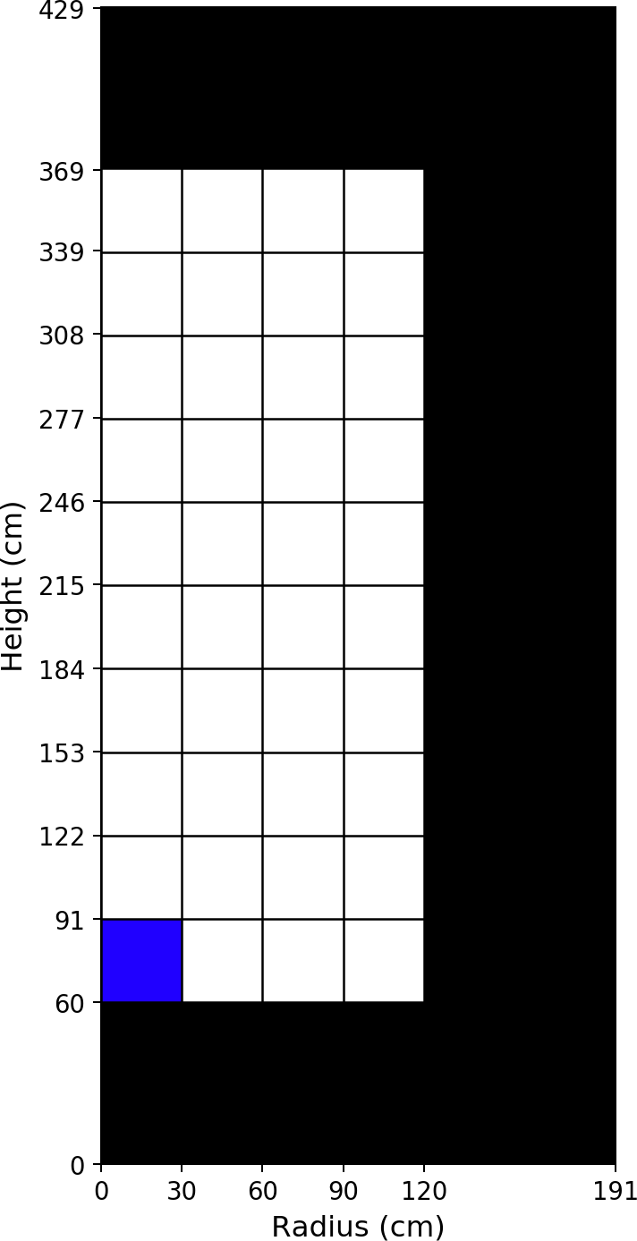
Public Release
Equilibrium Core Concentrations
Produced by: Kairos Power Core Design team
Please cite Kairos Power when using the following data for reactor physics method verification purposes.


Fuel Material: Axial Zone #1, Radial Zone #1
Isotope [ZZAAA] | Number Density [atom/b/cm]
6012 | 1.18212E-02
8016 | 3.54634E-02
36083 | 8.88952E-06
36084 | 2.05959E-05
36086 | 3.51593E-05
37085 | 2.01511E-05
37087 | 4.89367E-05
38088 | 6.65766E-05
38089 | 1.96928E-05
38090 | 1.07054E-04
39089 | 6.89426E-05
39091 | 2.78840E-05
40091 | 8.22274E-05
40092 | 1.16587E-04
40093 | 1.24330E-04
40094 | 1.30982E-04
40095 | 3.69442E-05
40096 | 1.30720E-04
41095 | 1.83244E-05
42095 | 7.44006E-05
42097 | 9.36001E-05
42098 | 1.25249E-04
42100 | 1.38601E-04
43099 | 1.17813E-04
44100 | 1.25912E-05
44101 | 1.12628E-04
44102 | 1.06213E-04
44103 | 1.64371E-05
44104 | 6.14785E-05
44106 | 2.17787E-05
45103 | 4.98215E-05
45105 | 4.54579E-07
46105 | 3.48267E-05
46106 | 1.42856E-05
46107 | 1.84179E-05
46108 | 1.18766E-05
47109 | 6.52784E-06
52130 | 4.12761E-05
53129 | 1.48726E-05
54131 | 4.82098E-05
54132 | 1.11099E-04
54133 | 4.28790E-06
54134 | 1.71268E-04
54135 | 5.02866E-08

Table 3
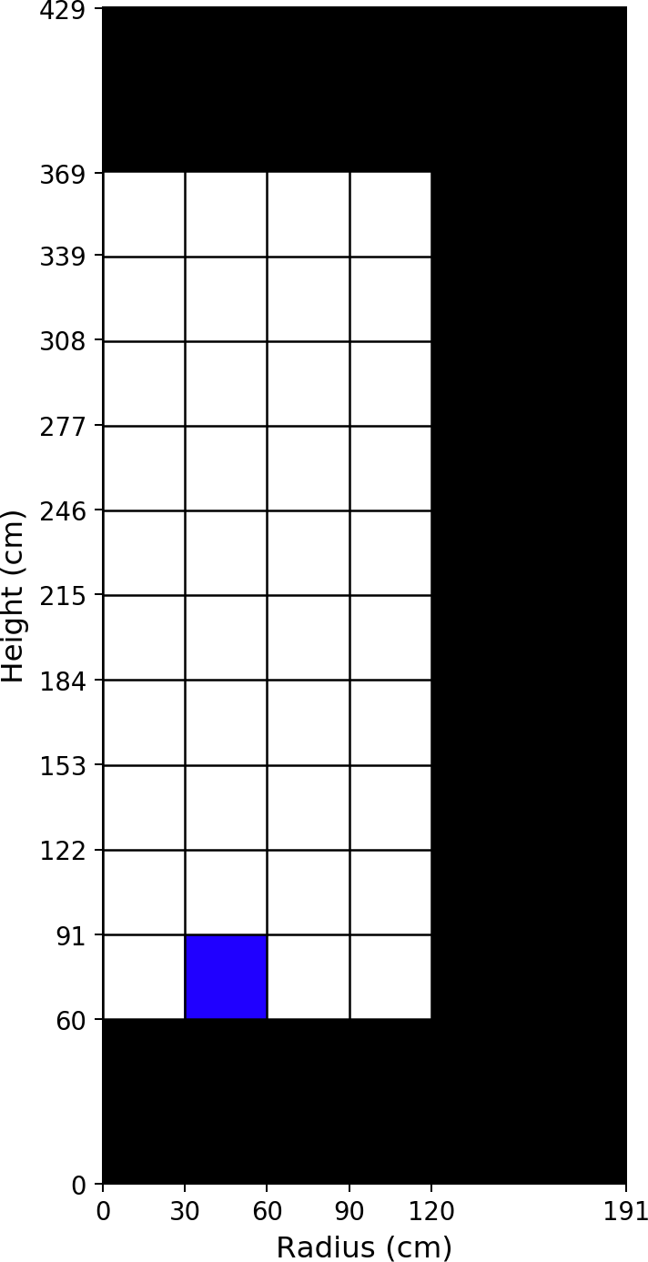
Fuel Material: Axial Zone #1, Radial Zone #2
Isotope [ZZAAA] | Number Density [atom/b/cm]
6012 | 1.18212E-02
8016 | 3.54634E-02
36083 | 8.87109E-06
36084 | 2.05474E-05
36086 | 3.50783E-05
37085 | 2.01069E-05
37087 | 4.88254E-05
38088 | 6.64274E-05
38089 | 1.95079E-05
38090 | 1.06806E-04
39089 | 6.89243E-05
39091 | 2.76709E-05
40091 | 8.22085E-05
40092 | 1.16332E-04
40093 | 1.24068E-04
40094 | 1.30679E-04
40095 | 3.66594E-05
40096 | 1.30417E-04
41095 | 1.83126E-05
42095 | 7.43977E-05
42097 | 9.34141E-05
42098 | 1.24957E-04
42100 | 1.38277E-04
43099 | 1.17699E-04
44100 | 1.25511E-05
44101 | 1.12367E-04
44102 | 1.05961E-04
44103 | 1.62548E-05
44104 | 6.13301E-05
44106 | 2.17075E-05
45103 | 4.98661E-05
45105 | 4.32858E-07
46105 | 3.47786E-05
46106 | 1.42534E-05
46107 | 1.83719E-05
46108 | 1.18455E-05
47109 | 6.51481E-06
52130 | 4.11796E-05
53129 | 1.48393E-05
54131 | 4.82163E-05
54132 | 1.10943E-04
54133 | 4.10103E-06
54134 | 1.70872E-04
54135 | 5.00036E-08

Table 5
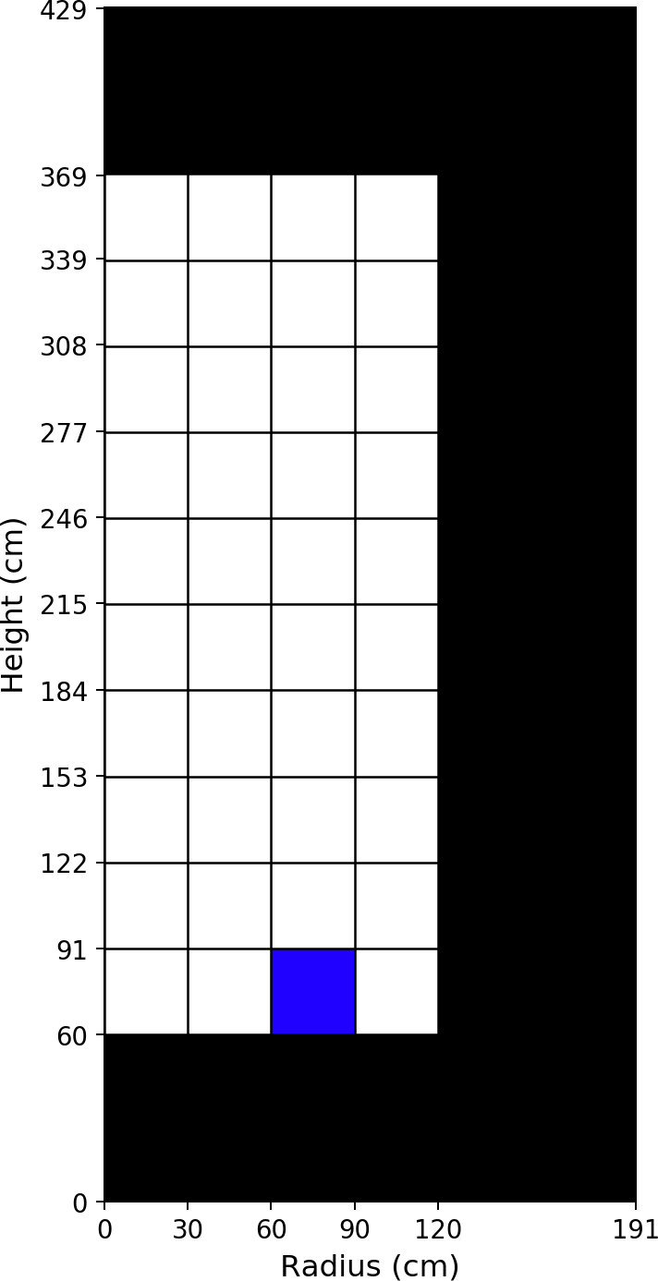
Fuel Material: Axial Zone #1, Radial Zone #3
Isotope [ZZAAA] | Number Density [atom/b/cm]
6012 | 1.18212E-02
8016 | 3.54634E-02
36083 | 8.83903E-06
36084 | 2.04611E-05
36086 | 3.49353E-05
37085 | 2.00294E-05
37087 | 4.86291E-05
38088 | 6.61650E-05
38089 | 1.91510E-05
38090 | 1.06367E-04
39089 | 6.89233E-05
39091 | 2.72608E-05
40091 | 8.22126E-05
40092 | 1.15881E-04
40093 | 1.23606E-04
40094 | 1.30138E-04
40095 | 3.61081E-05
40096 | 1.29872E-04
41095 | 1.82994E-05
42095 | 7.44342E-05
42097 | 9.30872E-05
42098 | 1.24428E-04
42100 | 1.37688E-04
43099 | 1.17516E-04
44100 | 1.24806E-05
44101 | 1.11893E-04
44102 | 1.05496E-04
44103 | 1.58863E-05
44104 | 6.10467E-05
44106 | 2.15637E-05
45103 | 4.99746E-05
45105 | 3.86518E-07
46105 | 3.46891E-05
46106 | 1.41910E-05
46107 | 1.82758E-05
46108 | 1.17826E-05
47109 | 6.48797E-06
52130 | 4.10038E-05
53129 | 1.47777E-05
54131 | 4.82469E-05
54132 | 1.10678E-04
54133 | 3.73164E-06
54134 | 1.70156E-04
54135 | 4.91888E-08

Table 7
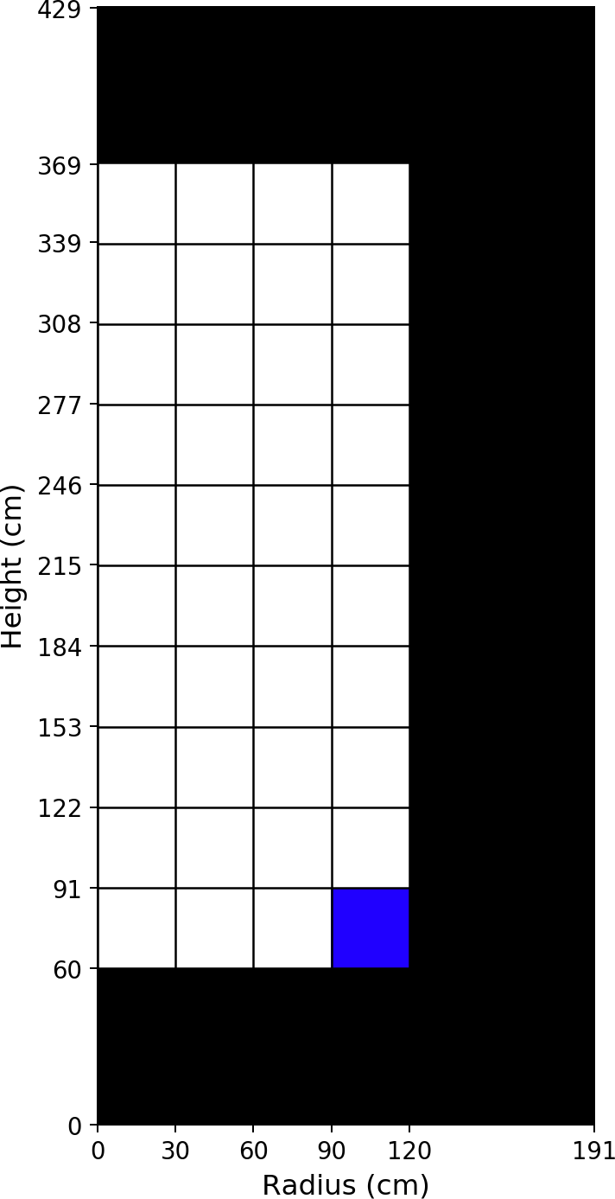
Fuel Material: Axial Zone #1, Radial Zone #4
Isotope [ZZAAA] | Number Density [atom/b/cm]
6012 | 1.18212E-02
8016 | 3.54634E-02
36083 | 8.82282E-06
36084 | 2.04092E-05
36086 | 3.48531E-05
37085 | 1.99852E-05
37087 | 4.85168E-05
38088 | 6.60138E-05
38089 | 1.89567E-05
38090 | 1.06115E-04
39089 | 6.89123E-05
39091 | 2.70367E-05
40091 | 8.22037E-05
40092 | 1.15620E-04
40093 | 1.23344E-04
40094 | 1.29820E-04
40095 | 3.58053E-05
40096 | 1.29559E-04
41095 | 1.82915E-05
42095 | 7.44618E-05
42097 | 9.28991E-05
42098 | 1.24119E-04
42100 | 1.37349E-04
43099 | 1.17485E-04
44100 | 1.23554E-05
44101 | 1.11649E-04
44102 | 1.05195E-04
44103 | 1.56816E-05
44104 | 6.08796E-05
44106 | 2.14799E-05
45103 | 5.01253E-05
45105 | 3.59655E-07
46105 | 3.46429E-05
46106 | 1.41455E-05
46107 | 1.82242E-05
46108 | 1.17465E-05
47109 | 6.48353E-06
52130 | 4.09019E-05
53129 | 1.47420E-05
54131 | 4.83502E-05
54132 | 1.10426E-04
54133 | 3.52888E-06
54134 | 1.69743E-04
54135 | 4.57483E-08

Table 9
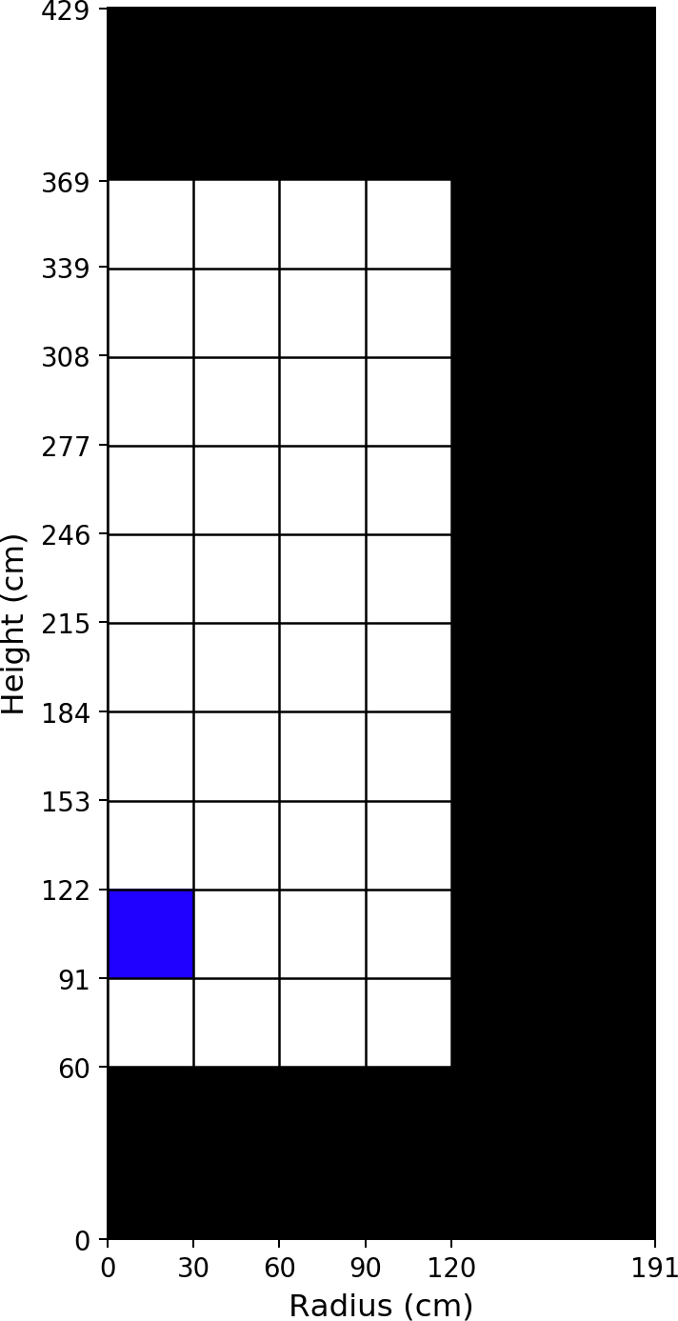
Fuel Material: Axial Zone #2, Radial Zone #1
Isotope [ZZAAA] | Number Density [atom/b/cm]
6012 | 1.18212E-02
8016 | 3.54634E-02
36083 | 9.14756E-06
36084 | 2.12858E-05
36086 | 3.62809E-05
37085 | 2.07953E-05
37087 | 5.04948E-05
38088 | 6.87011E-05
38089 | 2.07552E-05
38090 | 1.10449E-04
39089 | 7.06938E-05
39091 | 2.92968E-05
40091 | 8.43592E-05
40092 | 1.20358E-04
40093 | 1.28371E-04
40094 | 1.35260E-04
40095 | 3.86874E-05
40096 | 1.35003E-04
41095 | 1.85788E-05
42095 | 7.65283E-05
42097 | 9.67329E-05
42098 | 1.29423E-04
42100 | 1.43230E-04
43099 | 1.21385E-04
44100 | 1.33070E-05
44101 | 1.16326E-04
44102 | 1.09948E-04
44103 | 1.75139E-05
44104 | 6.37352E-05
44106 | 2.26612E-05
45103 | 5.06456E-05
45105 | 4.45986E-07
46105 | 3.60864E-05
46106 | 1.49555E-05
46107 | 1.91780E-05
46108 | 1.23852E-05
47109 | 6.77268E-06
52130 | 4.26673E-05
53129 | 1.53890E-05
54131 | 4.91140E-05
54132 | 1.15061E-04
54133 | 5.18156E-06
54134 | 1.76985E-04
54135 | 5.42760E-08

Table 11
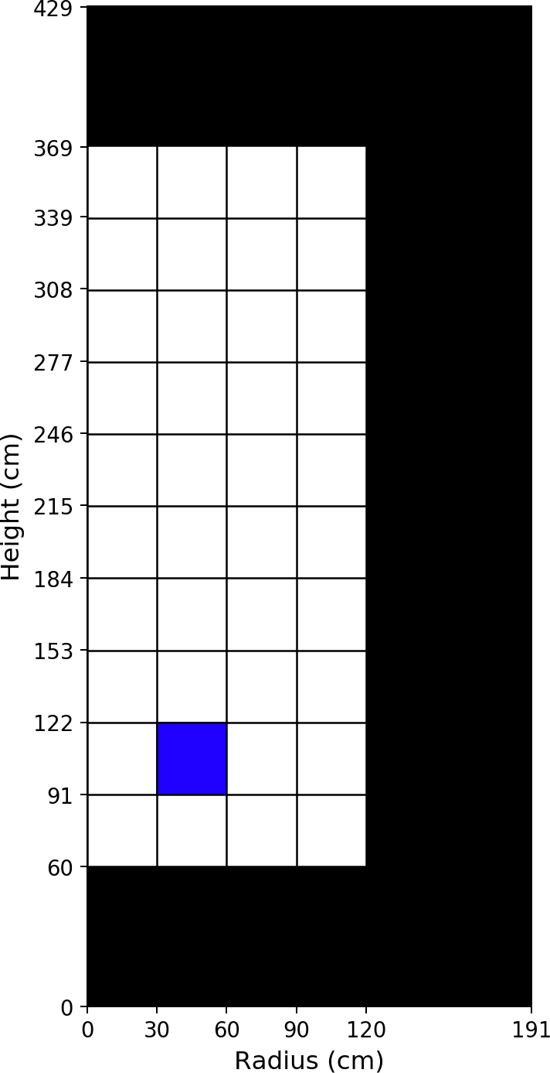
Fuel Material: Axial Zone #2, Radial Zone #2
Isotope [ZZAAA] | Number Density [atom/b/cm]
6012 | 1.18212E-02
8016 | 3.54634E-02
36083 | 9.11849E-06
36084 | 2.12031E-05
36086 | 3.61472E-05
37085 | 2.07210E-05
37087 | 5.03101E-05
38088 | 6.84515E-05
38089 | 2.04362E-05
38090 | 1.10039E-04
39089 | 7.06775E-05
39091 | 2.89095E-05
40091 | 8.43453E-05
40092 | 1.19923E-04
40093 | 1.27915E-04
40094 | 1.34752E-04
40095 | 3.81930E-05
40096 | 1.34494E-04
41095 | 1.85549E-05
42095 | 7.65532E-05
42097 | 9.63930E-05
42098 | 1.28929E-04
42100 | 1.42681E-04
43099 | 1.21106E-04
44100 | 1.32260E-05
44101 | 1.15885E-04
44102 | 1.09509E-04
44103 | 1.71915E-05
44104 | 6.34701E-05
44106 | 2.25289E-05
45103 | 5.07383E-05
45105 | 4.25028E-07
46105 | 3.59880E-05
46106 | 1.48835E-05
46107 | 1.90901E-05
46108 | 1.23239E-05
47109 | 6.74909E-06
52130 | 4.25028E-05
53129 | 1.53302E-05
54131 | 4.91083E-05
54132 | 1.14713E-04
54133 | 4.90815E-06
54134 | 1.76309E-04
54135 | 5.40700E-08

Table 13
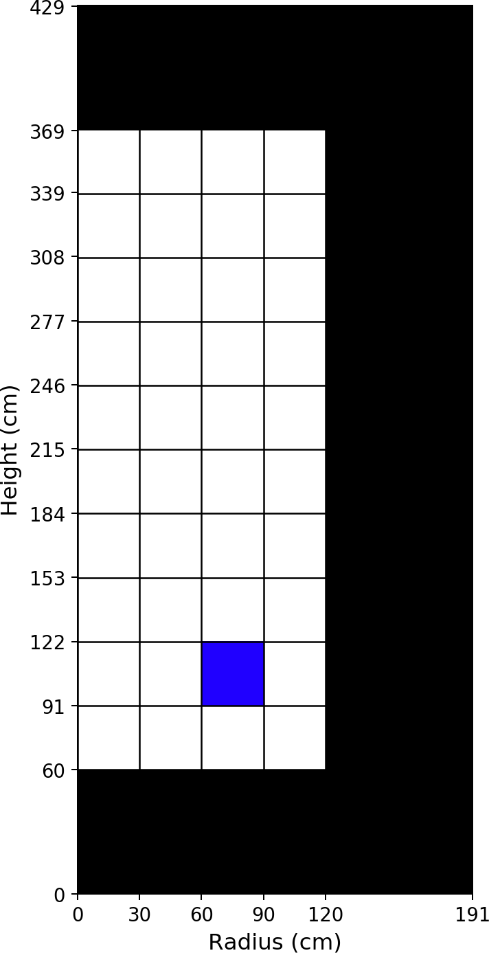
Fuel Material: Axial Zone #2, Radial Zone #3
Isotope [ZZAAA] | Number Density [atom/b/cm]
6012 | 1.18212E-02
8016 | 3.54634E-02
36083 | 9.05704E-06
36084 | 2.10380E-05
36086 | 3.58764E-05
37085 | 2.05707E-05
37087 | 4.99361E-05
38088 | 6.79465E-05
38089 | 1.98086E-05
38090 | 1.09208E-04
39089 | 7.06267E-05
39091 | 2.81417E-05
40091 | 8.42988E-05
40092 | 1.19040E-04
40093 | 1.26988E-04
40094 | 1.33724E-04
40095 | 3.72077E-05
40096 | 1.33461E-04
41095 | 1.84883E-05
42095 | 7.66070E-05
42097 | 9.57033E-05
42098 | 1.27924E-04
42100 | 1.41566E-04
43099 | 1.20513E-04
44100 | 1.30700E-05
44101 | 1.14991E-04
44102 | 1.08619E-04
44103 | 1.65459E-05
44104 | 6.29303E-05
44106 | 2.22563E-05
45103 | 5.09090E-05
45105 | 3.83191E-07
46105 | 3.57765E-05
46106 | 1.47490E-05
46107 | 1.89079E-05
46108 | 1.22036E-05
47109 | 6.69513E-06
52130 | 4.21689E-05
53129 | 1.52097E-05
54131 | 4.90796E-05
54132 | 1.13992E-04
54133 | 4.38184E-06
54134 | 1.74940E-04
54135 | 5.30815E-08

Table 15
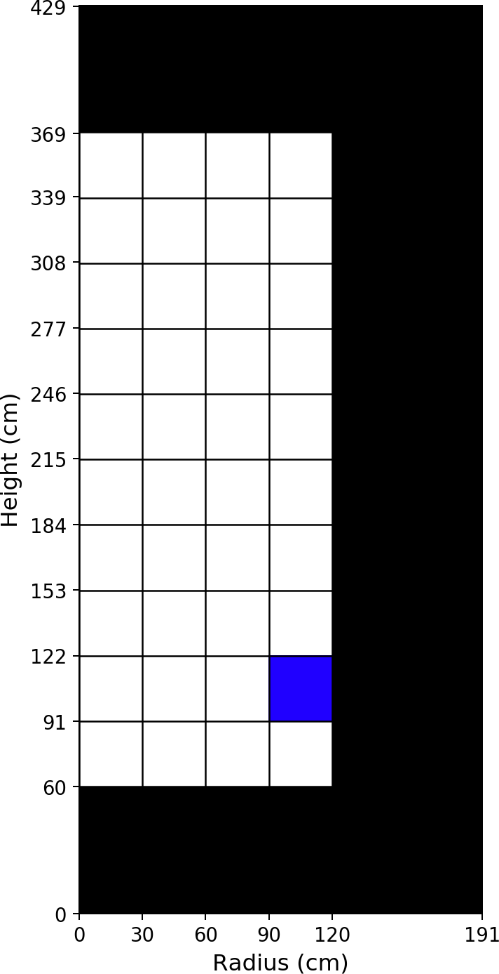
Fuel Material: Axial Zone #2, Radial Zone #4
Isotope [ZZAAA] | Number Density [atom/b/cm]
6012 | 1.18212E-02
8016 | 3.54634E-02
36083 | 9.04142E-06
36084 | 2.09783E-05
36086 | 3.57874E-05
37085 | 2.05216E-05
37087 | 4.98142E-05
38088 | 6.77788E-05
38089 | 1.96038E-05
38090 | 1.08937E-04
39089 | 7.06099E-05
39091 | 2.78813E-05
40091 | 8.42873E-05
40092 | 1.18740E-04
40093 | 1.26685E-04
40094 | 1.33363E-04
40095 | 3.68766E-05
40096 | 1.33115E-04
41095 | 1.84663E-05
42095 | 7.66841E-05
42097 | 9.54622E-05
42098 | 1.27574E-04
42100 | 1.41185E-04
43099 | 1.20483E-04
44100 | 1.27975E-05
44101 | 1.14759E-04
44102 | 1.08226E-04
44103 | 1.63147E-05
44104 | 6.27250E-05
44106 | 2.21482E-05
45103 | 5.12173E-05
45105 | 3.73420E-07
46105 | 3.57099E-05
46106 | 1.46718E-05
46107 | 1.88469E-05
46108 | 1.21587E-05
47109 | 6.70038E-06
52130 | 4.20524E-05
53129 | 1.51661E-05
54131 | 4.92921E-05
54132 | 1.13477E-04
54133 | 4.22124E-06
54134 | 1.74469E-04
54135 | 4.76033E-08

Table 17
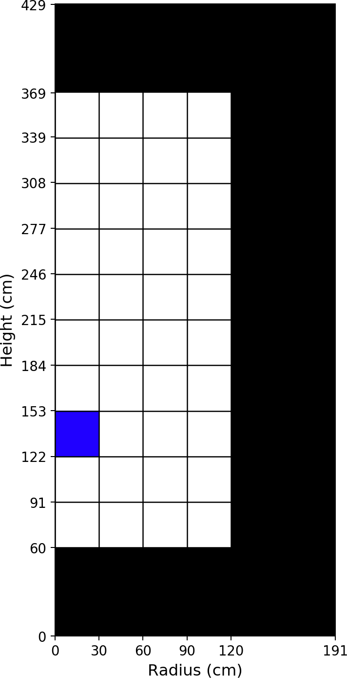
Fuel Material: Axial Zone #3, Radial Zone #1
Isotope [ZZAAA] | Number Density [atom/b/cm]
6012 | 1.18211E-02
8016 | 3.54634E-02
36083 | 9.40873E-06
36084 | 2.19996E-05
36086 | 3.74346E-05
37085 | 2.14551E-05
37087 | 5.20945E-05
38088 | 7.08791E-05
38089 | 2.17682E-05
38090 | 1.13936E-04
39089 | 7.25706E-05
39091 | 3.06361E-05
40091 | 8.66352E-05
40092 | 1.24224E-04
40093 | 1.32504E-04
40094 | 1.39681E-04
40095 | 4.04097E-05
40096 | 1.39434E-04
41095 | 1.89235E-05
42095 | 7.87200E-05
42097 | 9.99331E-05
42098 | 1.33758E-04
42100 | 1.48043E-04
43099 | 1.25132E-04
44100 | 1.40842E-05
44101 | 1.20161E-04
44102 | 1.13862E-04
44103 | 1.85890E-05
44104 | 6.61259E-05
44106 | 2.36182E-05
45103 | 5.15446E-05
45105 | 4.67748E-07
46105 | 3.73921E-05
46106 | 1.56714E-05
46107 | 2.00022E-05
46108 | 1.29358E-05
47109 | 7.03890E-06
52130 | 4.41164E-05
53129 | 1.59292E-05
54131 | 5.02086E-05
54132 | 1.19309E-04
54133 | 5.60272E-06
54134 | 1.82921E-04
54135 | 5.45785E-08

Table 19
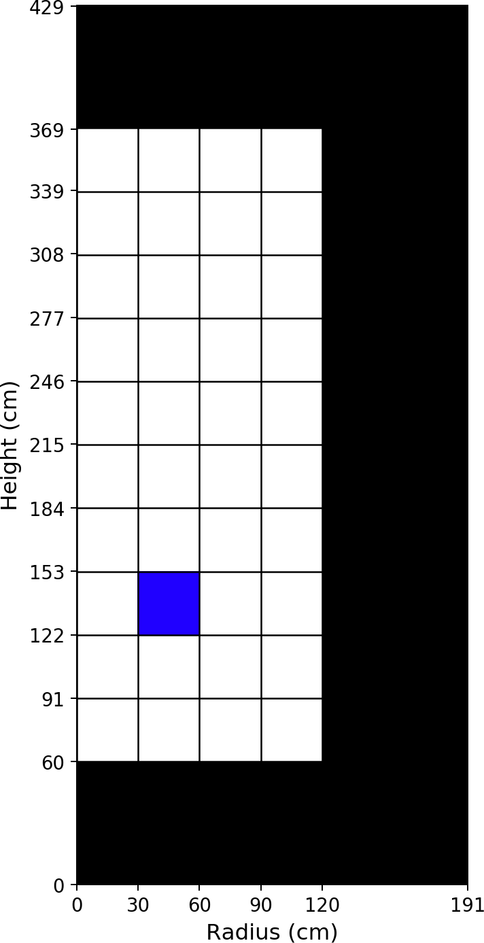
Fuel Material: Axial Zone #3, Radial Zone #2
Isotope [ZZAAA] | Number Density [atom/b/cm]
6012 | 1.18211E-02
8016 | 3.54634E-02
36083 | 9.36696E-06
36084 | 2.18812E-05
36086 | 3.72437E-05
37085 | 2.13484E-05
37087 | 5.18306E-05
38088 | 7.05213E-05
38089 | 2.13353E-05
38090 | 1.13351E-04
39089 | 7.25253E-05
39091 | 3.00972E-05
40091 | 8.65916E-05
40092 | 1.23596E-04
40093 | 1.31841E-04
40094 | 1.38952E-04
40095 | 3.97269E-05
40096 | 1.38705E-04
41095 | 1.88638E-05
42095 | 7.87558E-05
42097 | 9.94304E-05
42098 | 1.33048E-04
42100 | 1.47253E-04
43099 | 1.24652E-04
44100 | 1.39648E-05
44101 | 1.19531E-04
44102 | 1.13223E-04
44103 | 1.81478E-05
44104 | 6.57392E-05
44106 | 2.34233E-05
45103 | 5.16513E-05
45105 | 4.47445E-07
46105 | 3.72395E-05
46106 | 1.55610E-05
46107 | 1.98711E-05
46108 | 1.28469E-05
47109 | 7.00111E-06
52130 | 4.38795E-05
53129 | 1.58432E-05
54131 | 5.01529E-05
54132 | 1.18739E-04
54133 | 5.31146E-06
54134 | 1.81946E-04
54135 | 5.43546E-08

Table 21
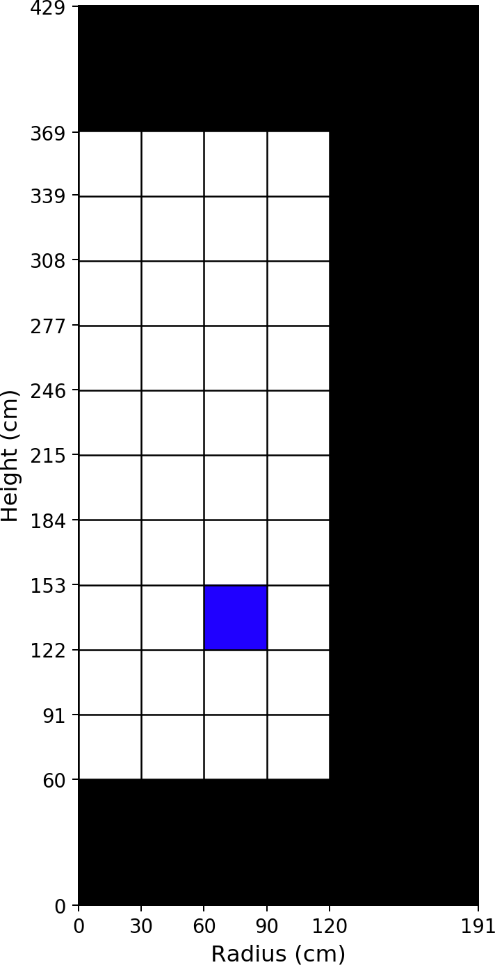
Fuel Material: Axial Zone #3, Radial Zone #3
Isotope [ZZAAA] | Number Density [atom/b/cm]
6012 | 1.18212E-02
8016 | 3.54634E-02
36083 | 9.28154E-06
36084 | 2.16444E-05
36086 | 3.68603E-05
37085 | 2.11342E-05
37087 | 5.13005E-05
38088 | 6.98035E-05
38089 | 2.04874E-05
38090 | 1.12177E-04
39089 | 7.24134E-05
39091 | 2.90381E-05
40091 | 8.64810E-05
40092 | 1.22332E-04
40093 | 1.30504E-04
40094 | 1.37488E-04
40095 | 3.83765E-05
40096 | 1.37234E-04
41095 | 1.87329E-05
42095 | 7.88218E-05
42097 | 9.84191E-05
42098 | 1.31611E-04
42100 | 1.45657E-04
43099 | 1.23678E-04
44100 | 1.37188E-05
44101 | 1.18255E-04
44102 | 1.11935E-04
44103 | 1.72671E-05
44104 | 6.49501E-05
44106 | 2.30222E-05
45103 | 5.18669E-05
45105 | 4.05934E-07
46105 | 3.69132E-05
46106 | 1.53490E-05
46107 | 1.95992E-05
46108 | 1.26661E-05
47109 | 6.91877E-06
52130 | 4.34001E-05
53129 | 1.56677E-05
54131 | 5.00381E-05
54132 | 1.17568E-04
54133 | 4.74282E-06
54134 | 1.79980E-04
54135 | 5.35066E-08

Table 23
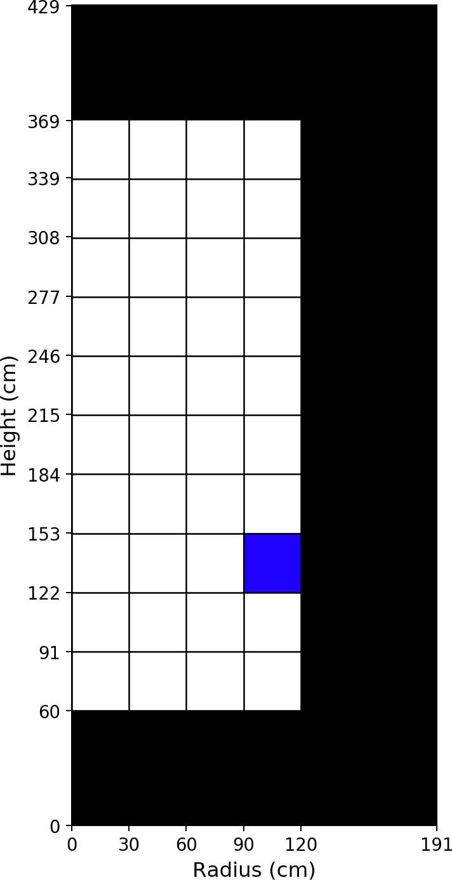
Fuel Material: Axial Zone #3, Radial Zone #4
Isotope [ZZAAA] | Number Density [atom/b/cm]
6012 | 1.18212E-02
8016 | 3.54634E-02
36083 | 9.26834E-06
36084 | 2.15802E-05
36086 | 3.67704E-05
37085 | 2.10851E-05
37087 | 5.11785E-05
38088 | 6.96340E-05
38089 | 2.03130E-05
38090 | 1.11906E-04
39089 | 7.23665E-05
39091 | 2.88059E-05
40091 | 8.64359E-05
40092 | 1.22019E-04
40093 | 1.30194E-04
40094 | 1.37099E-04
40095 | 3.80671E-05
40096 | 1.36866E-04
41095 | 1.86952E-05
42095 | 7.89145E-05
42097 | 9.81550E-05
42098 | 1.31223E-04
42100 | 1.45236E-04
43099 | 1.23725E-04
44100 | 1.32852E-05
44101 | 1.18040E-04
44102 | 1.11439E-04
44103 | 1.70235E-05
44104 | 6.46888E-05
44106 | 2.28758E-05
45103 | 5.23136E-05
45105 | 3.94645E-07
46105 | 3.68259E-05
46106 | 1.52379E-05
46107 | 1.95148E-05
46108 | 1.26020E-05
47109 | 6.93058E-06
52130 | 4.32684E-05
53129 | 1.56146E-05
54131 | 5.03677E-05
54132 | 1.16814E-04
54133 | 4.65460E-06
54134 | 1.79462E-04
54135 | 4.74644E-08

Table 25

Fuel Material: Axial Zone #4, Radial Zone #1
Isotope [ZZAAA] | Number Density [atom/b/cm]
6012 | 1.18211E-02
8016 | 3.54634E-02
36083 | 9.65684E-06
36084 | 2.26859E-05
36086 | 3.85370E-05
37085 | 2.20876E-05
37087 | 5.36232E-05
38088 | 7.29627E-05
38089 | 2.25615E-05
38090 | 1.17261E-04
39089 | 7.45361E-05
39091 | 3.17324E-05
40091 | 8.90147E-05
40092 | 1.27938E-04
40093 | 1.36488E-04
40094 | 1.43929E-04
40095 | 4.18379E-05
40096 | 1.43698E-04
41095 | 1.93333E-05
42095 | 8.09650E-05
42097 | 1.03049E-04
42098 | 1.37944E-04
42100 | 1.52693E-04
43099 | 1.28883E-04
44100 | 1.48671E-05
44101 | 1.23862E-04
44102 | 1.17672E-04
44103 | 1.94775E-05
44104 | 6.84814E-05
44106 | 2.45658E-05
45103 | 5.25650E-05
45105 | 4.67359E-07
46105 | 3.87187E-05
46106 | 1.63926E-05
46107 | 2.08313E-05
46108 | 1.34913E-05
47109 | 7.31438E-06
52130 | 4.55203E-05
53129 | 1.64591E-05
54131 | 5.14286E-05
54132 | 1.23594E-04
54133 | 5.68602E-06
54134 | 1.88657E-04
54135 | 5.44181E-08

Table 27
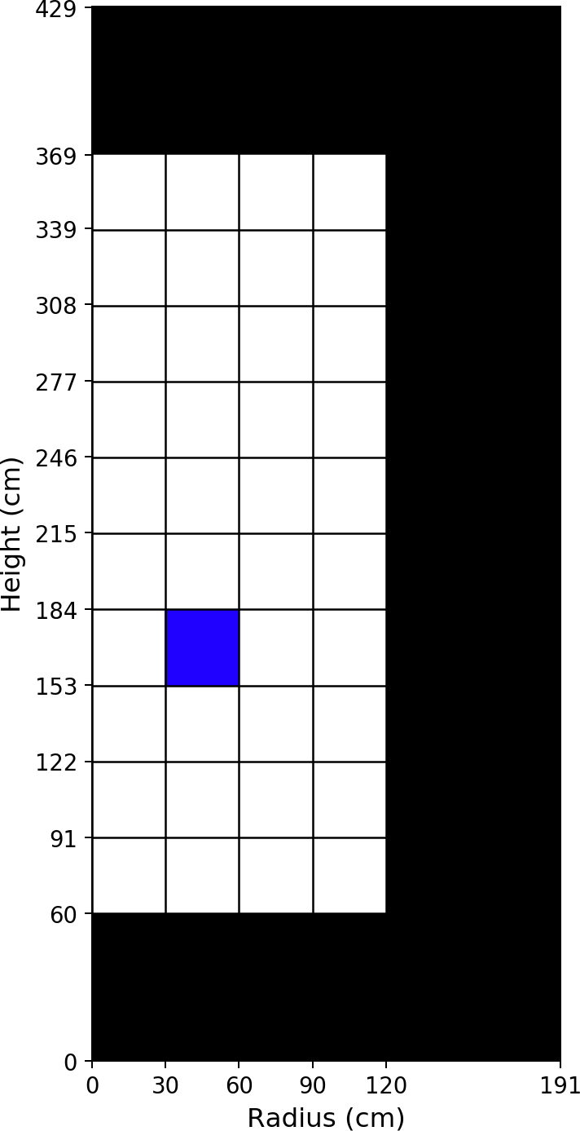
Fuel Material: Axial Zone #4, Radial Zone #2
Isotope [ZZAAA] | Number Density [atom/b/cm]
6012 | 1.18211E-02
8016 | 3.54634E-02
36083 | 9.60188E-06
36084 | 2.25315E-05
36086 | 3.82884E-05
37085 | 2.19481E-05
37087 | 5.32794E-05
38088 | 7.24958E-05
38089 | 2.20345E-05
38090 | 1.16500E-04
39089 | 7.44407E-05
39091 | 3.10654E-05
40091 | 8.89168E-05
40092 | 1.27115E-04
40093 | 1.35615E-04
40094 | 1.42976E-04
40095 | 4.09910E-05
40096 | 1.42742E-04
41095 | 1.92291E-05
42095 | 8.09934E-05
42097 | 1.02381E-04
42098 | 1.37011E-04
42100 | 1.51655E-04
43099 | 1.28197E-04
44100 | 1.47065E-05
44101 | 1.23036E-04
44102 | 1.16828E-04
44103 | 1.89329E-05
44104 | 6.79647E-05
44106 | 2.43038E-05
45103 | 5.26712E-05
45105 | 4.46684E-07
46105 | 3.85055E-05
46106 | 1.62419E-05
46107 | 2.06526E-05
46108 | 1.33707E-05
47109 | 7.25807E-06
52130 | 4.52082E-05
53129 | 1.63443E-05
54131 | 5.13087E-05
54132 | 1.22790E-04
54133 | 5.39786E-06
54134 | 1.87375E-04
54135 | 5.42425E-08

Table 29
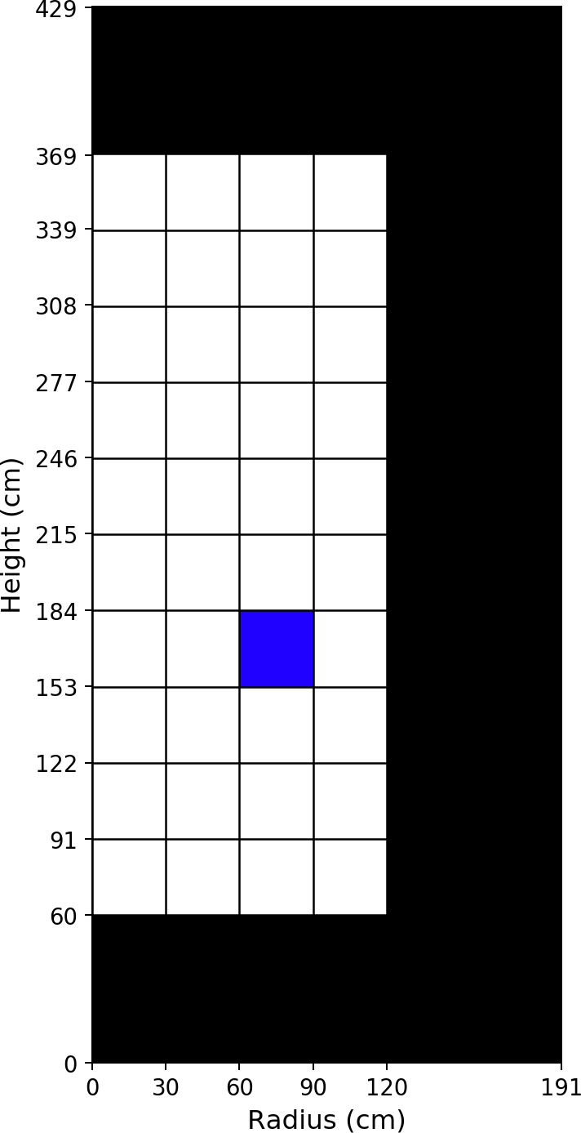
Fuel Material: Axial Zone #4, Radial Zone #3
Isotope [ZZAAA] | Number Density [atom/b/cm]
6012 | 1.18211E-02
8016 | 3.54634E-02
36083 | 9.49475E-06
36084 | 2.22298E-05
36086 | 3.78034E-05
37085 | 2.16763E-05
37087 | 5.26086E-05
38088 | 7.15860E-05
38089 | 2.10127E-05
38090 | 1.15016E-04
39089 | 7.42493E-05
39091 | 2.97695E-05
40091 | 8.87206E-05
40092 | 1.25506E-04
40093 | 1.33906E-04
40094 | 1.41115E-04
40095 | 3.93381E-05
40096 | 1.40871E-04
41095 | 1.90178E-05
42095 | 8.10627E-05
42097 | 1.01072E-04
42098 | 1.35177E-04
42100 | 1.49616E-04
43099 | 1.26864E-04
44100 | 1.43737E-05
44101 | 1.21409E-04
44102 | 1.15169E-04
44103 | 1.78609E-05
44104 | 6.69386E-05
44106 | 2.37788E-05
45103 | 5.28946E-05
45105 | 4.06058E-07
46105 | 3.80667E-05
46106 | 1.59558E-05
46107 | 2.02927E-05
46108 | 1.31307E-05
47109 | 7.14769E-06
52130 | 4.45946E-05
53129 | 1.61171E-05
54131 | 5.10890E-05
54132 | 1.21185E-04
54133 | 4.83854E-06
54134 | 1.84860E-04
54135 | 5.34180E-08

Table 31
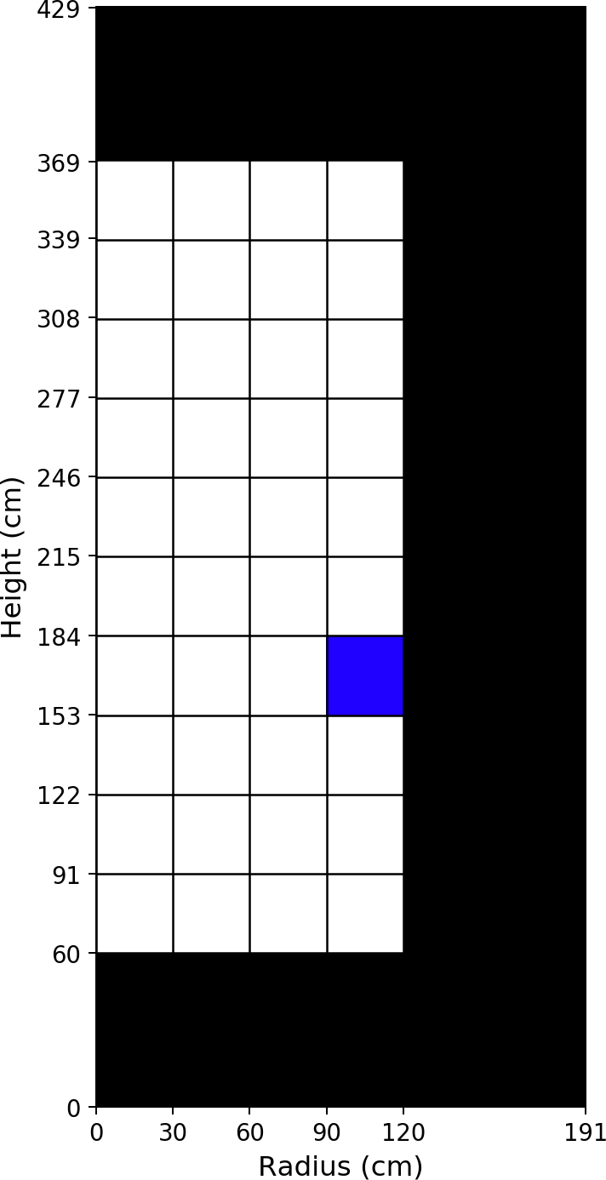
Fuel Material: Axial Zone #4, Radial Zone #4
Isotope [ZZAAA] | Number Density [atom/b/cm]
6012 | 1.18211E-02
8016 | 3.54634E-02
36083 | 9.48821E-06
36084 | 2.21722E-05
36086 | 3.77312E-05
37085 | 2.16378E-05
37087 | 5.25128E-05
38088 | 7.14508E-05
38089 | 2.08913E-05
38090 | 1.14805E-04
39089 | 7.41974E-05
39091 | 2.95952E-05
40091 | 8.86722E-05
40092 | 1.25242E-04
40093 | 1.33654E-04
40094 | 1.40760E-04
40095 | 3.90788E-05
40096 | 1.40543E-04
41095 | 1.89697E-05
42095 | 8.11984E-05
42097 | 1.00831E-04
42098 | 1.34807E-04
42100 | 1.49217E-04
43099 | 1.27062E-04
44100 | 1.37856E-05
44101 | 1.21260E-04
44102 | 1.14614E-04
44103 | 1.76095E-05
44104 | 6.66385E-05
44106 | 2.35932E-05
45103 | 5.34876E-05
45105 | 3.92013E-07
46105 | 3.79627E-05
46106 | 1.58196E-05
46107 | 2.01854E-05
46108 | 1.30476E-05
47109 | 7.16451E-06
52130 | 4.44649E-05
53129 | 1.60590E-05
54131 | 5.15582E-05
54132 | 1.20261E-04
54133 | 4.80037E-06
54134 | 1.84374E-04
54135 | 4.68708E-08

Table 33
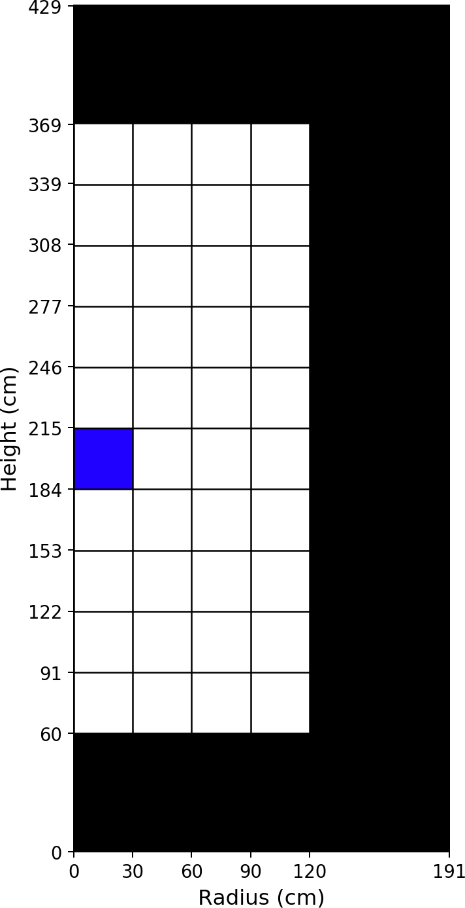
Fuel Material: Axial Zone #5, Radial Zone #1
Isotope [ZZAAA] | Number Density [atom/b/cm]
6012 | 1.18211E-02
8016 | 3.54634E-02
36083 | 9.88277E-06
36084 | 2.33223E-05
36086 | 3.95523E-05
37085 | 2.26712E-05
37087 | 5.50308E-05
38088 | 7.48816E-05
38089 | 2.31023E-05
38090 | 1.20316E-04
39089 | 7.65334E-05
39091 | 3.25229E-05
40091 | 9.14331E-05
40092 | 1.31371E-04
40093 | 1.40178E-04
40094 | 1.47862E-04
40095 | 4.29036E-05
40096 | 1.47651E-04
41095 | 1.97752E-05
42095 | 8.32272E-05
42097 | 1.05955E-04
42098 | 1.41840E-04
42100 | 1.57024E-04
43099 | 1.32431E-04
44100 | 1.56257E-05
44101 | 1.27310E-04
44102 | 1.21245E-04
44103 | 2.01318E-05
44104 | 7.07174E-05
44106 | 2.54616E-05
45103 | 5.36912E-05
45105 | 4.56488E-07
46105 | 4.00099E-05
46106 | 1.70935E-05
46107 | 2.16344E-05
46108 | 1.40312E-05
47109 | 7.58287E-06
52130 | 4.68310E-05
53129 | 1.69587E-05
54131 | 5.26863E-05
54132 | 1.27698E-04
54133 | 5.53781E-06
54134 | 1.93997E-04
54135 | 5.38321E-08

Table 35
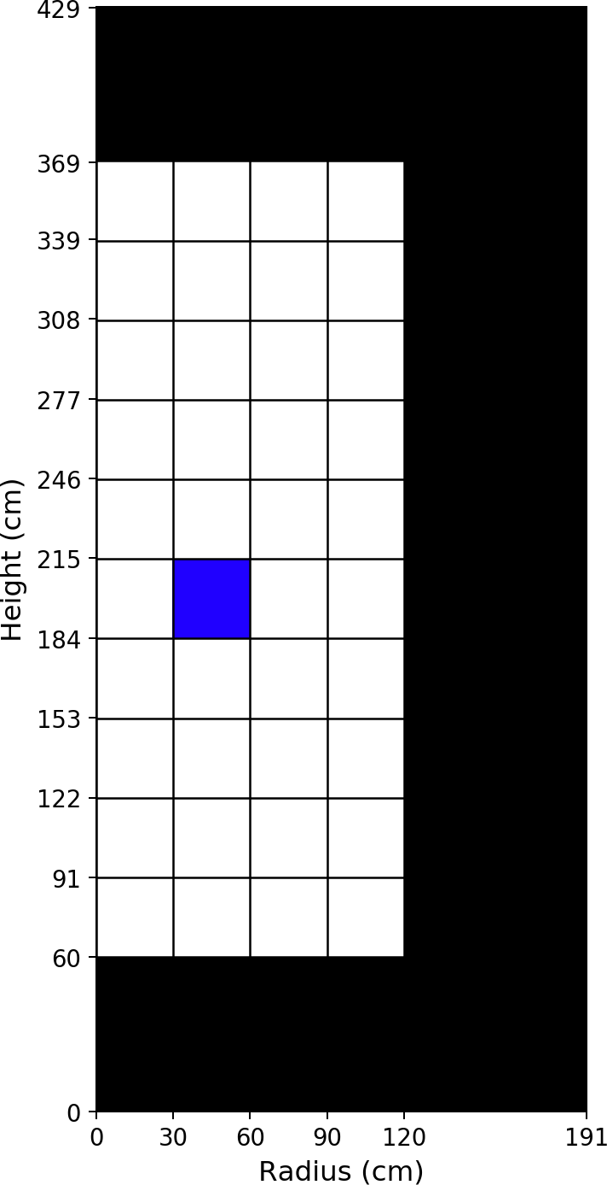
Fuel Material: Axial Zone #5, Radial Zone #2
Isotope [ZZAAA] | Number Density [atom/b/cm]
6012 | 1.18211E-02
8016 | 3.54634E-02
36083 | 9.81883E-06
36084 | 2.31424E-05
36086 | 3.92633E-05
37085 | 2.25088E-05
37087 | 5.46311E-05
38088 | 7.43386E-05
38089 | 2.25010E-05
38090 | 1.19432E-04
39089 | 7.64119E-05
39091 | 3.17527E-05
40091 | 9.13102E-05
40092 | 1.30409E-04
40093 | 1.39156E-04
40094 | 1.46750E-04
40095 | 4.19225E-05
40096 | 1.46534E-04
41095 | 1.96246E-05
42095 | 8.32876E-05
42097 | 1.05167E-04
42098 | 1.40745E-04
42100 | 1.55806E-04
43099 | 1.31598E-04
44100 | 1.54296E-05
44101 | 1.26339E-04
44102 | 1.20250E-04
44103 | 1.95046E-05
44104 | 7.01008E-05
44106 | 2.51440E-05
45103 | 5.38035E-05
45105 | 4.36242E-07
46105 | 3.97513E-05
46106 | 1.69105E-05
46107 | 2.14175E-05
46108 | 1.38851E-05
47109 | 7.51181E-06
52130 | 4.64642E-05
53129 | 1.68226E-05
54131 | 5.25216E-05
54132 | 1.26710E-04
54133 | 5.26309E-06
54134 | 1.92491E-04
54135 | 5.36429E-08

Table 37
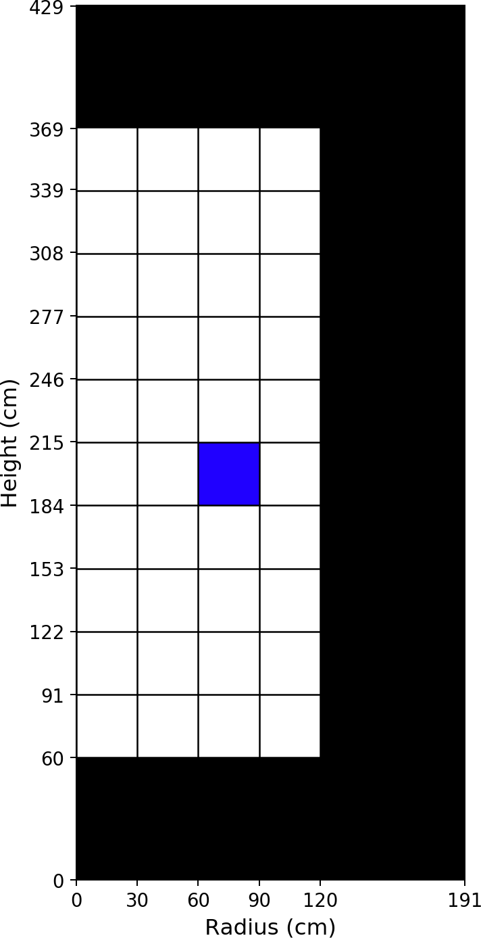
Fuel Material: Axial Zone #5, Radial Zone #3
Isotope [ZZAAA] | Number Density [atom/b/cm]
6012 | 1.18211E-02
8016 | 3.54634E-02
36083 | 9.69224E-06
36084 | 2.27793E-05
36086 | 3.86837E-05
37085 | 2.21833E-05
37087 | 5.38293E-05
38088 | 7.32501E-05
38089 | 2.13402E-05
38090 | 1.17660E-04
39089 | 7.61236E-05
39091 | 3.02621E-05
40091 | 9.10086E-05
40092 | 1.28478E-04
40093 | 1.37099E-04
40094 | 1.44515E-04
40095 | 4.00138E-05
40096 | 1.44285E-04
41095 | 1.93210E-05
42095 | 8.33495E-05
42097 | 1.03579E-04
42098 | 1.38536E-04
42100 | 1.53348E-04
43099 | 1.29929E-04
44100 | 1.50113E-05
44101 | 1.24382E-04
44102 | 1.18236E-04
44103 | 1.82739E-05
44104 | 6.88450E-05
44106 | 2.44973E-05
45103 | 5.40111E-05
45105 | 3.95877E-07
46105 | 3.92003E-05
46106 | 1.65534E-05
46107 | 2.09705E-05
46108 | 1.35857E-05
47109 | 7.37302E-06
52130 | 4.57230E-05
53129 | 1.65455E-05
54131 | 5.21837E-05
54132 | 1.24695E-04
54133 | 4.73089E-06
54134 | 1.89459E-04
54135 | 5.28190E-08

Table 39
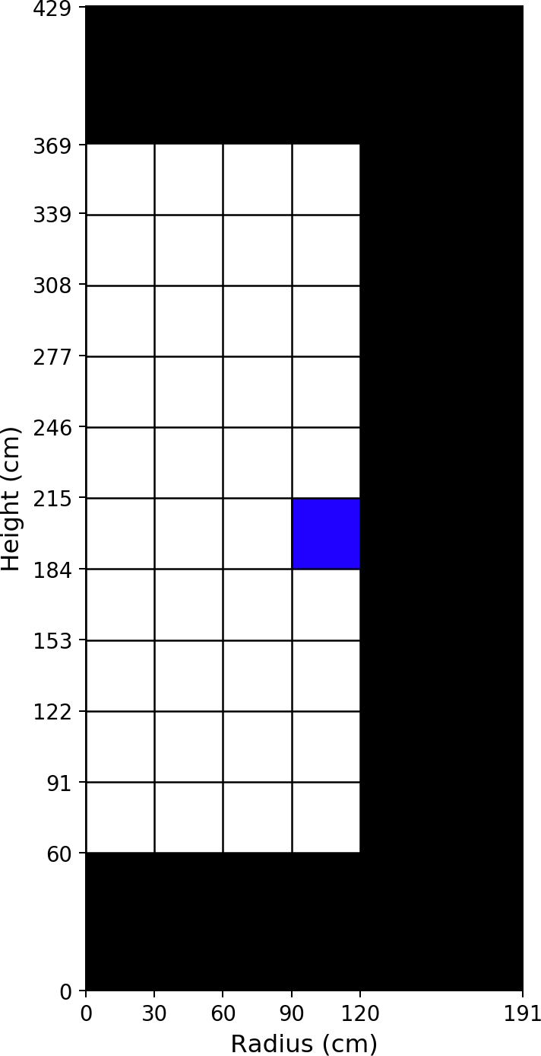
Fuel Material: Axial Zone #5, Radial Zone #4
Isotope [ZZAAA] | Number Density [atom/b/cm]
6012 | 1.18211E-02
8016 | 3.54634E-02
36083 | 9.69094E-06
36084 | 2.27267E-05
36086 | 3.86262E-05
37085 | 2.21539E-05
37087 | 5.37557E-05
38088 | 7.31441E-05
38089 | 2.12798E-05
38090 | 1.17499E-04
39089 | 7.60518E-05
39091 | 3.01574E-05
40091 | 9.09371E-05
40092 | 1.28252E-04
40093 | 1.36891E-04
40094 | 1.44179E-04
40095 | 3.98119E-05
40096 | 1.43978E-04
41095 | 1.92658E-05
42095 | 8.34964E-05
42097 | 1.03346E-04
42098 | 1.38161E-04
42100 | 1.52943E-04
43099 | 1.30263E-04
44100 | 1.42731E-05
44101 | 1.24272E-04
44102 | 1.17597E-04
44103 | 1.80095E-05
44104 | 6.84799E-05
44106 | 2.42571E-05
45103 | 5.47211E-05
45105 | 3.78581E-07
46105 | 3.90579E-05
46106 | 1.63868E-05
46107 | 2.08250E-05
46108 | 1.34740E-05
47109 | 7.38748E-06
52130 | 4.55861E-05
53129 | 1.64773E-05
54131 | 5.27879E-05
54132 | 1.23588E-04
54133 | 4.72023E-06
54134 | 1.88972E-04
54135 | 4.59726E-08

Table 41
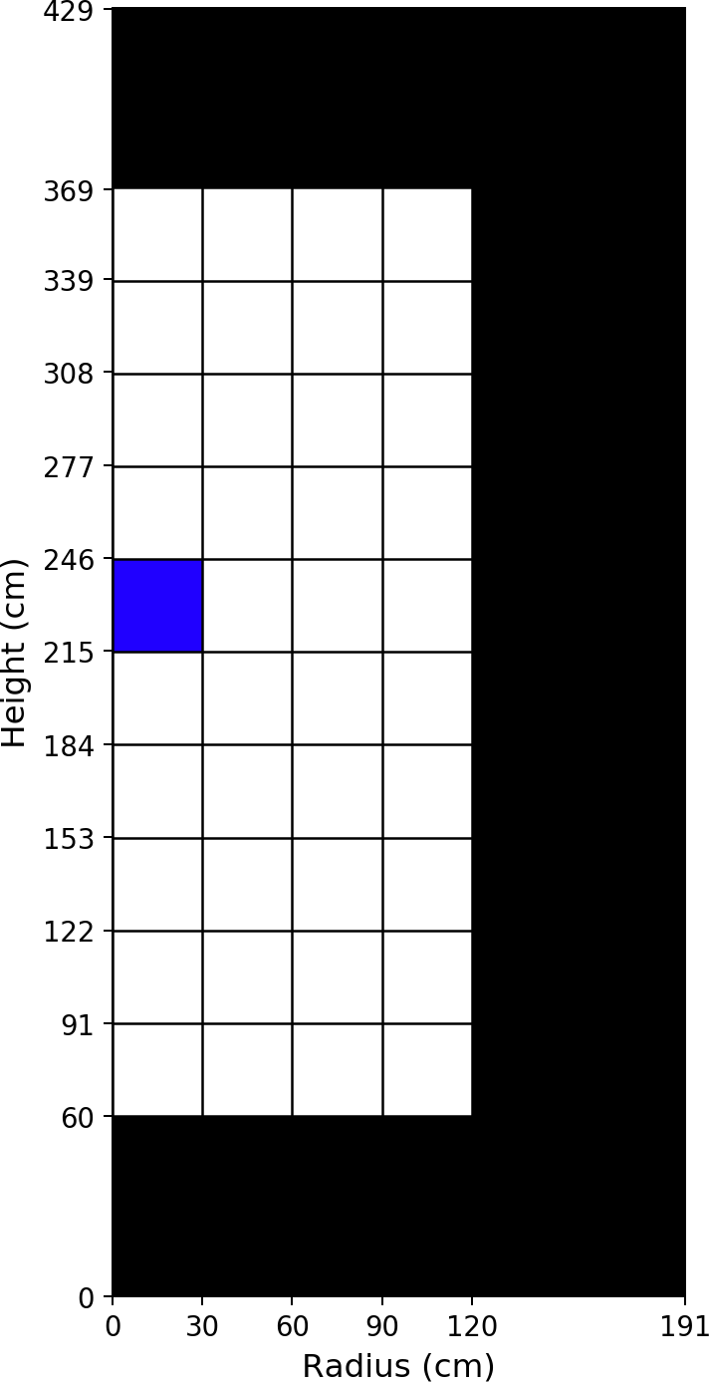
Fuel Material: Axial Zone #6, Radial Zone #1
Isotope [ZZAAA] | Number Density [atom/b/cm]
6012 | 1.18211E-02
8016 | 3.54634E-02
36083 | 1.00841E-05
36084 | 2.38999E-05
36086 | 4.04672E-05
37085 | 2.31987E-05
37087 | 5.62988E-05
38088 | 7.66113E-05
38089 | 2.33352E-05
38090 | 1.23058E-04
39089 | 7.85848E-05
39091 | 3.29343E-05
40091 | 9.39238E-05
40092 | 1.34476E-04
40093 | 1.43526E-04
40094 | 1.51425E-04
40095 | 4.35054E-05
40096 | 1.51236E-04
41095 | 2.02169E-05
42095 | 8.55988E-05
42097 | 1.08613E-04
42098 | 1.45386E-04
42100 | 1.60969E-04
43099 | 1.35738E-04
44100 | 1.63406E-05
44101 | 1.30448E-04
44102 | 1.24524E-04
44103 | 2.04804E-05
44104 | 7.27908E-05
44106 | 2.62730E-05
45103 | 5.49655E-05
45105 | 4.30968E-07
46105 | 4.12532E-05
46106 | 1.77633E-05
46107 | 2.23939E-05
46108 | 1.45440E-05
47109 | 7.83917E-06
52130 | 4.80280E-05
53129 | 1.74196E-05
54131 | 5.39562E-05
54132 | 1.31549E-04
54133 | 5.19994E-06
54134 | 1.98858E-04
54135 | 5.29262E-08

Table 43
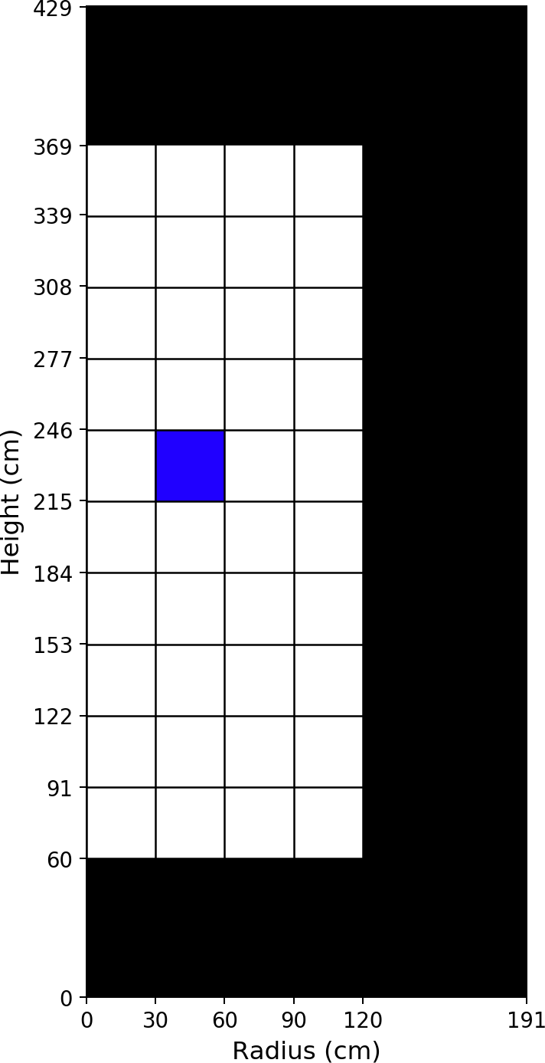
Fuel Material: Axial Zone #6, Radial Zone #2
Isotope [ZZAAA] | Number Density [atom/b/cm]
6012 | 1.18211E-02
8016 | 3.54634E-02
36083 | 1.00141E-05
36084 | 2.36994E-05
36086 | 4.01474E-05
37085 | 2.30188E-05
37087 | 5.58566E-05
38088 | 7.60102E-05
38089 | 2.26924E-05
38090 | 1.22081E-04
39089 | 7.84287E-05
39091 | 3.21015E-05
40091 | 9.37646E-05
40092 | 1.33408E-04
40093 | 1.42387E-04
40094 | 1.50188E-04
40095 | 4.24400E-05
40096 | 1.49991E-04
41095 | 2.00226E-05
42095 | 8.56656E-05
42097 | 1.07727E-04
42098 | 1.44163E-04
42100 | 1.59607E-04
43099 | 1.34782E-04
44100 | 1.61105E-05
44101 | 1.29364E-04
44102 | 1.23400E-04
44103 | 1.98019E-05
44104 | 7.20878E-05
44106 | 2.59065E-05
45103 | 5.50661E-05
45105 | 4.12554E-07
46105 | 4.09518E-05
46106 | 1.75500E-05
46107 | 2.21415E-05
46108 | 1.43720E-05
47109 | 7.75618E-06
52130 | 4.76166E-05
53129 | 1.72655E-05
54131 | 5.37454E-05
54132 | 1.30402E-04
54133 | 4.95223E-06
54134 | 1.97173E-04
54135 | 5.27390E-08

Table 45
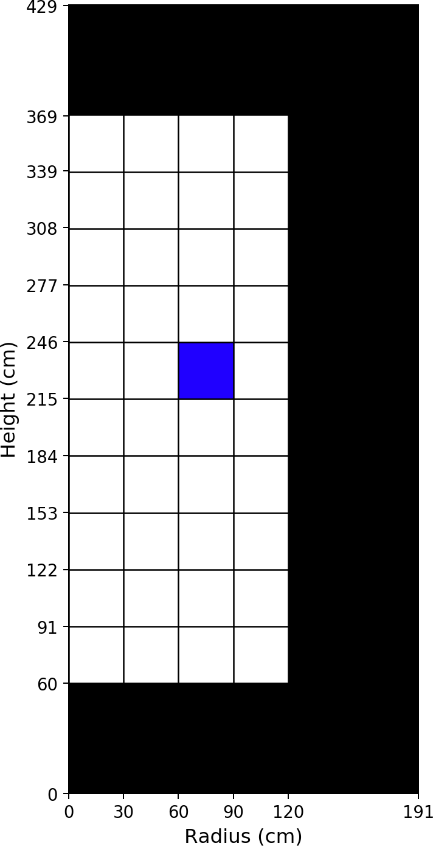
Fuel Material: Axial Zone #6, Radial Zone #3
Isotope [ZZAAA] | Number Density [atom/b/cm]
6012 | 1.18211E-02
8016 | 3.54634E-02
36083 | 9.86720E-06
36084 | 2.32724E-05
36086 | 3.94695E-05
37085 | 2.26374E-05
37087 | 5.49189E-05
38088 | 7.47363E-05
38089 | 2.14371E-05
38090 | 1.20012E-04
39089 | 7.79906E-05
39091 | 3.04704E-05
40091 | 9.32916E-05
40092 | 1.31141E-04
40093 | 1.39965E-04
40094 | 1.47563E-04
40095 | 4.03385E-05
40096 | 1.47349E-04
41095 | 1.96215E-05
42095 | 8.56459E-05
42097 | 1.05845E-04
42098 | 1.41557E-04
42100 | 1.56708E-04
43099 | 1.32756E-04
44100 | 1.55990E-05
44101 | 1.27055E-04
44102 | 1.21010E-04
44103 | 1.84552E-05
44104 | 7.05843E-05
44106 | 2.51343E-05
45103 | 5.52059E-05
45105 | 3.73772E-07
46105 | 4.02689E-05
46106 | 1.71159E-05
46107 | 2.15979E-05
46108 | 1.40079E-05
47109 | 7.58478E-06
52130 | 4.67405E-05
53129 | 1.69351E-05
54131 | 5.32768E-05
54132 | 1.27939E-04
54133 | 4.46211E-06
54134 | 1.93595E-04
54135 | 5.18769E-08

Table 47
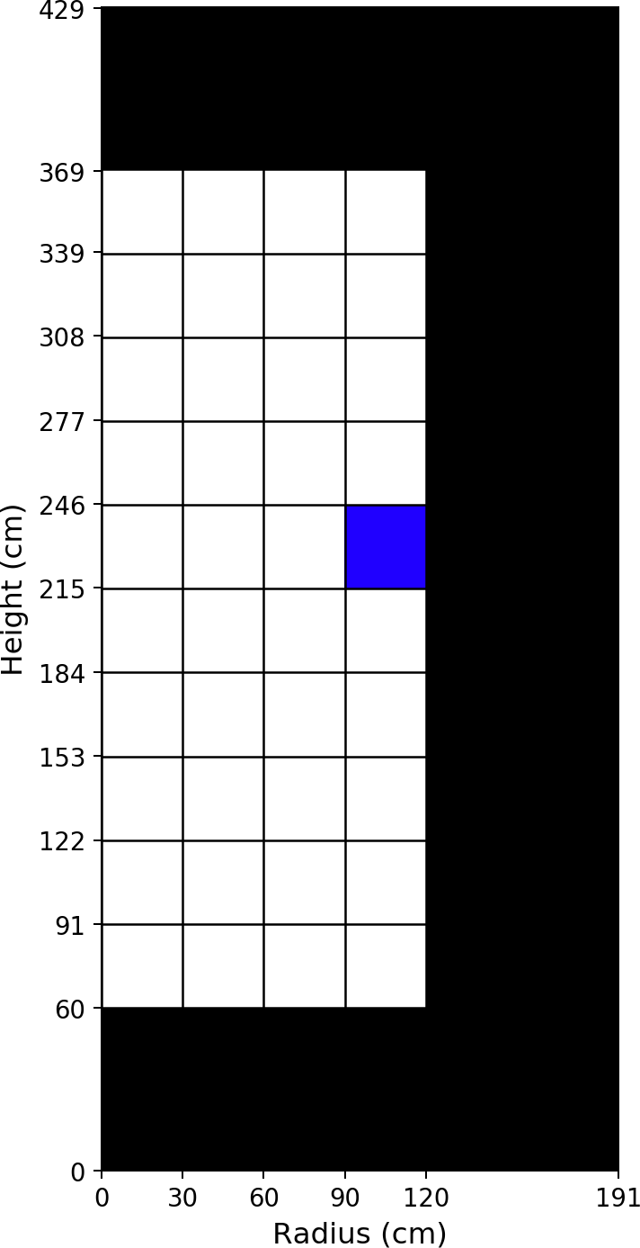
Fuel Material: Axial Zone #6, Radial Zone #4
Isotope [ZZAAA] | Number Density [atom/b/cm]
6012 | 1.18211E-02
8016 | 3.54634E-02
36083 | 9.87340E-06
36084 | 2.32329E-05
36086 | 3.94388E-05
37085 | 2.26242E-05
37087 | 5.48845E-05
38088 | 7.46828E-05
38089 | 2.14296E-05
38090 | 1.19938E-04
39089 | 7.79376E-05
39091 | 3.04274E-05
40091 | 9.32438E-05
40092 | 1.30994E-04
40093 | 1.39846E-04
40094 | 1.47291E-04
40095 | 4.01847E-05
40096 | 1.47107E-04
41095 | 1.95644E-05
42095 | 8.58516E-05
42097 | 1.05655E-04
42098 | 1.41221E-04
42100 | 1.56345E-04
43099 | 1.33263E-04
44100 | 1.47292E-05
44101 | 1.27020E-04
44102 | 1.20331E-04
44103 | 1.81723E-05
44104 | 7.01771E-05
44106 | 2.48458E-05
45103 | 5.60426E-05
45105 | 3.54318E-07
46105 | 4.00968E-05
46106 | 1.69300E-05
46107 | 2.14215E-05
46108 | 1.38716E-05
47109 | 7.59789E-06
52130 | 4.66108E-05
53129 | 1.68617E-05
54131 | 5.40209E-05
54132 | 1.26719E-04
54133 | 4.46021E-06
54134 | 1.93170E-04
54135 | 4.48781E-08

Table 49
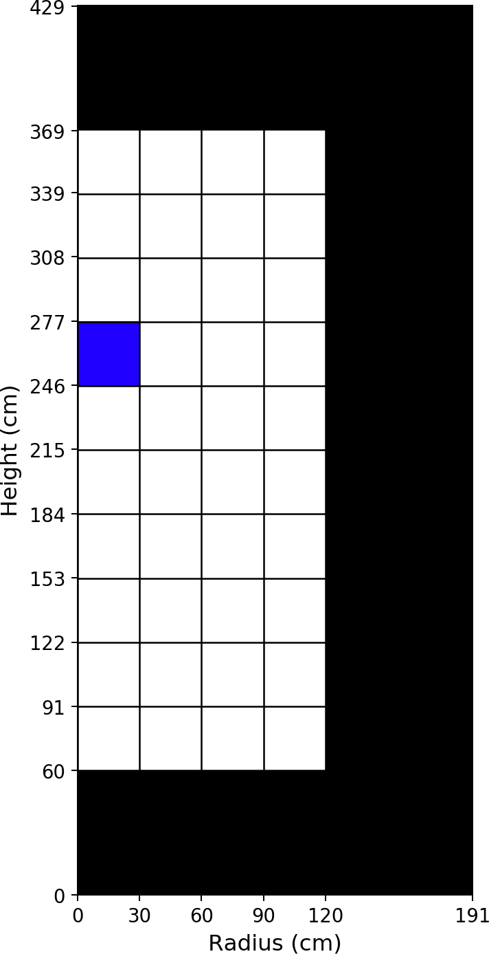
Fuel Material: Axial Zone #7, Radial Zone #1
Isotope [ZZAAA] | Number Density [atom/b/cm]
6012 | 1.18211E-02
8016 | 3.54634E-02
36083 | 1.02534E-05
36084 | 2.43889E-05
36086 | 4.12390E-05
37085 | 2.36453E-05
37087 | 5.73685E-05
38088 | 7.80714E-05
38089 | 2.32730E-05
38090 | 1.25364E-04
39089 | 8.05731E-05
39091 | 3.29717E-05
40091 | 9.63434E-05
40092 | 1.37105E-04
40093 | 1.46366E-04
40094 | 1.54441E-04
40095 | 4.36416E-05
40096 | 1.54275E-04
41095 | 2.06323E-05
42095 | 8.79365E-05
42097 | 1.10880E-04
42098 | 1.48398E-04
42100 | 1.64322E-04
43099 | 1.38618E-04
44100 | 1.69611E-05
44101 | 1.33113E-04
44102 | 1.27323E-04
44103 | 2.05118E-05
44104 | 7.45735E-05
44106 | 2.69431E-05
45103 | 5.63124E-05
45105 | 3.95782E-07
46105 | 4.23641E-05
46106 | 1.83556E-05
46107 | 2.30544E-05
46108 | 1.49885E-05
47109 | 8.06396E-06
52130 | 4.90472E-05
53129 | 1.78153E-05
54131 | 5.51629E-05
54132 | 1.34904E-04
54133 | 4.73072E-06
54134 | 2.02987E-04
54135 | 5.17777E-08

Table 51
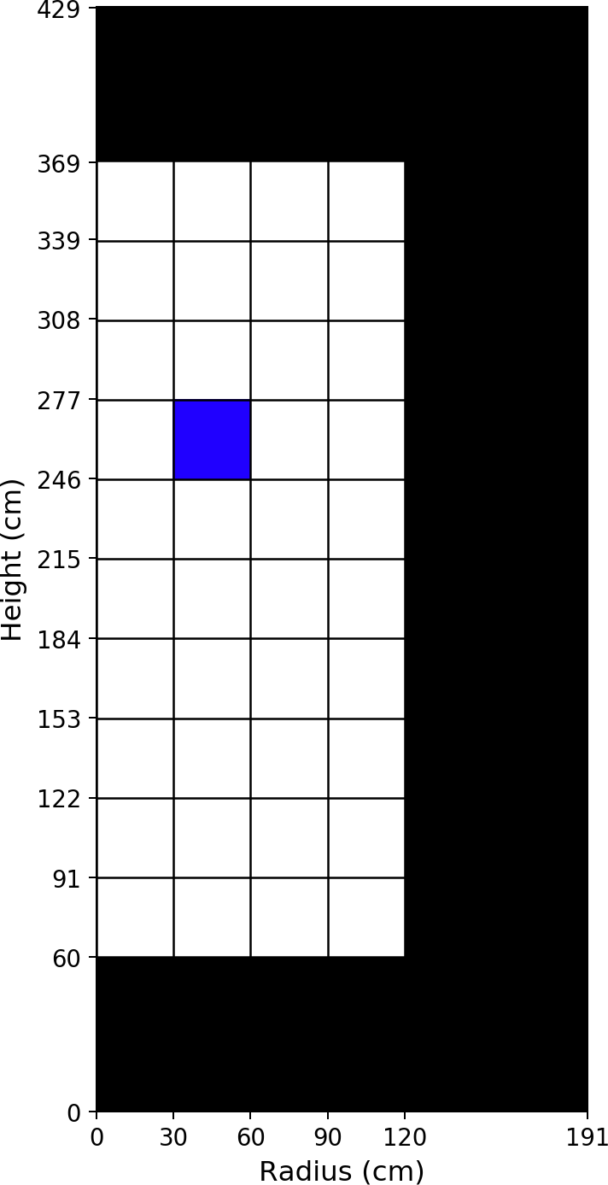
Fuel Material: Axial Zone #7, Radial Zone #2
Isotope [ZZAAA] | Number Density [atom/b/cm]
6012 | 1.18211E-02
8016 | 3.54634E-02
36083 | 1.01792E-05
36084 | 2.41766E-05
36086 | 4.09005E-05
37085 | 2.34550E-05
37087 | 5.69004E-05
38088 | 7.74346E-05
38089 | 2.25956E-05
38090 | 1.24328E-04
39089 | 8.04047E-05
39091 | 3.20843E-05
40091 | 9.61781E-05
40092 | 1.35972E-04
40093 | 1.45156E-04
40094 | 1.53130E-04
40095 | 4.25009E-05
40096 | 1.52955E-04
41095 | 2.03852E-05
42095 | 8.80579E-05
42097 | 1.09937E-04
42098 | 1.47101E-04
42100 | 1.62877E-04
43099 | 1.37586E-04
44100 | 1.67135E-05
44101 | 1.31964E-04
44102 | 1.26129E-04
44103 | 1.97956E-05
44104 | 7.38247E-05
44106 | 2.65430E-05
45103 | 5.64117E-05
45105 | 3.78012E-07
46105 | 4.20431E-05
46106 | 1.81343E-05
46107 | 2.27847E-05
46108 | 1.48059E-05
47109 | 7.97518E-06
52130 | 4.86103E-05
53129 | 1.76510E-05
54131 | 5.49103E-05
54132 | 1.33670E-04
54133 | 4.51039E-06
54134 | 2.01198E-04
54135 | 5.14953E-08

Table 53
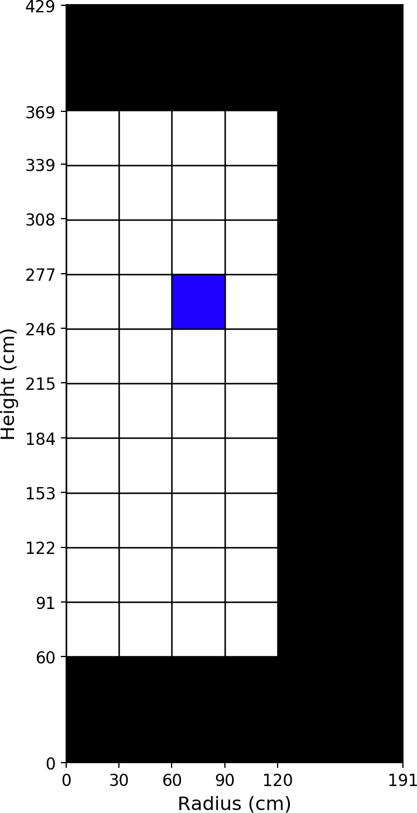
Fuel Material: Axial Zone #7, Radial Zone #3
Isotope [ZZAAA] | Number Density [atom/b/cm]
6012 | 1.18211E-02
8016 | 3.54634E-02
36083 | 1.00210E-05
36084 | 2.37098E-05
36086 | 4.01634E-05
37085 | 2.30401E-05
37087 | 5.58810E-05
38088 | 7.60494E-05
38089 | 2.12792E-05
38090 | 1.22080E-04
39089 | 7.98815E-05
39091 | 3.03572E-05
40091 | 9.56122E-05
40092 | 1.33500E-04
40093 | 1.42512E-04
40094 | 1.50265E-04
40095 | 4.02645E-05
40096 | 1.50067E-04
41095 | 1.98949E-05
42095 | 8.80332E-05
42097 | 1.07871E-04
42098 | 1.44246E-04
42100 | 1.59699E-04
43099 | 1.35334E-04
44100 | 1.61341E-05
44101 | 1.29437E-04
44102 | 1.23494E-04
44103 | 1.83742E-05
44104 | 7.21544E-05
44106 | 2.56786E-05
45103 | 5.65121E-05
45105 | 3.41483E-07
46105 | 4.12699E-05
46106 | 1.76490E-05
46107 | 2.21731E-05
46108 | 1.43952E-05
47109 | 7.78041E-06
52130 | 4.76484E-05
53129 | 1.72857E-05
54131 | 5.43531E-05
54132 | 1.30905E-04
54133 | 4.06862E-06
54134 | 1.97277E-04
54135 | 5.05713E-08

Table 55
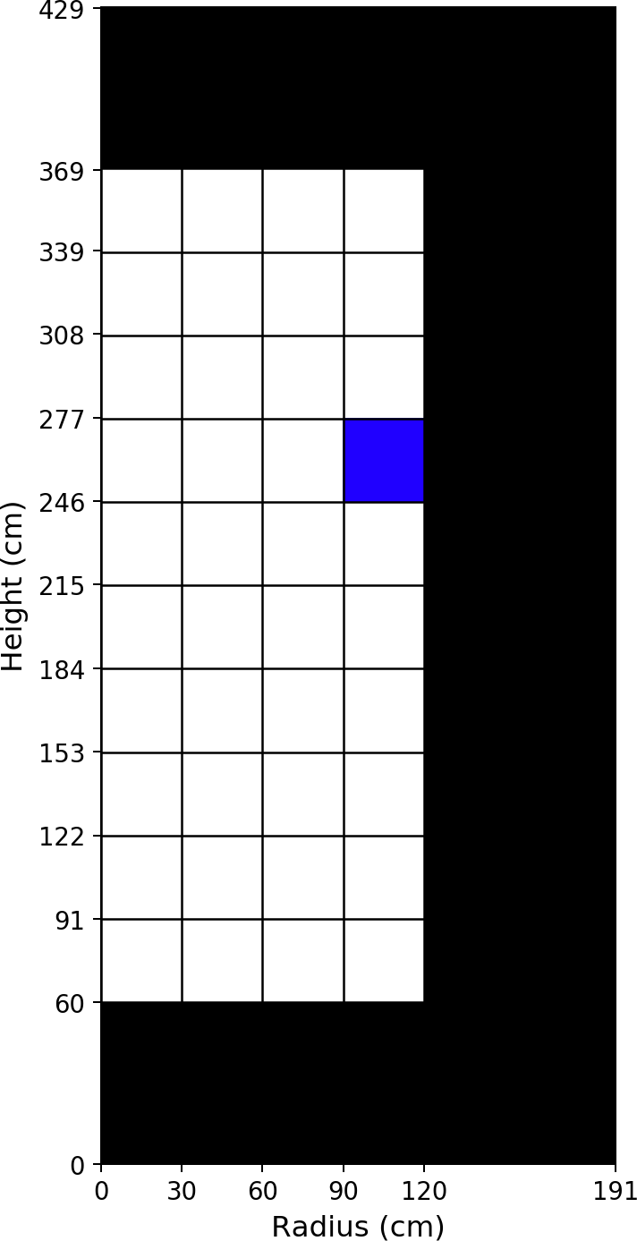
Fuel Material: Axial Zone #7, Radial Zone #4
Isotope [ZZAAA] | Number Density [atom/b/cm]
6012 | 1.18211E-02
8016 | 3.54634E-02
36083 | 1.00317E-05
36084 | 2.36764E-05
36086 | 4.01481E-05
37085 | 2.30364E-05
37087 | 5.58699E-05
38088 | 7.60269E-05
38089 | 2.13217E-05
38090 | 1.22059E-04
39089 | 7.98215E-05
39091 | 3.03736E-05
40091 | 9.55545E-05
40092 | 1.33394E-04
40093 | 1.42437E-04
40094 | 1.50013E-04
40095 | 4.01566E-05
40096 | 1.49845E-04
41095 | 1.98396E-05
42095 | 8.82488E-05
42097 | 1.07688E-04
42098 | 1.43903E-04
42100 | 1.59326E-04
43099 | 1.35959E-04
44100 | 1.51395E-05
44101 | 1.29429E-04
44102 | 1.22734E-04
44103 | 1.80732E-05
44104 | 7.16763E-05
44106 | 2.53315E-05
45103 | 5.74358E-05
45105 | 3.21445E-07
46105 | 4.10458E-05
46106 | 1.74353E-05
46107 | 2.19530E-05
46108 | 1.42263E-05
47109 | 7.78598E-06
52130 | 4.75101E-05
53129 | 1.72007E-05
54131 | 5.52092E-05
54132 | 1.29540E-04
54133 | 4.06810E-06
54134 | 1.96848E-04
54135 | 4.36182E-08

Table 57
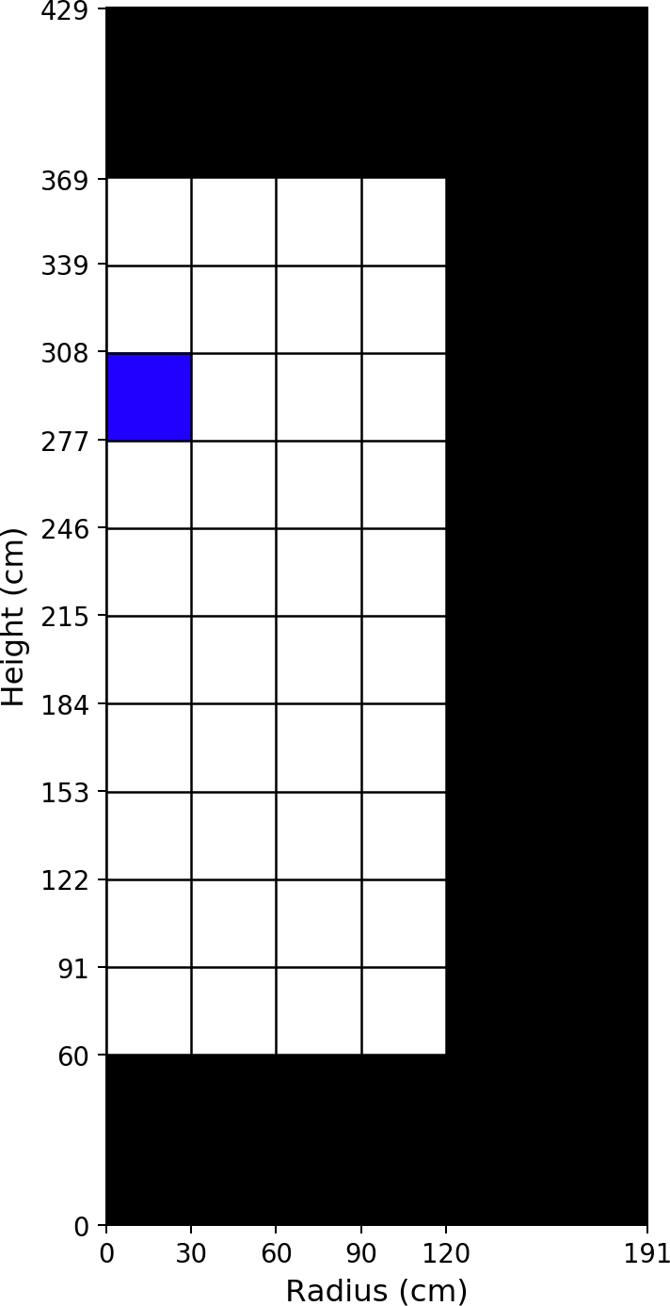
Fuel Material: Axial Zone #8, Radial Zone #1
Isotope [ZZAAA] | Number Density [atom/b/cm]
6012 | 1.18211E-02
8016 | 3.54634E-02
36083 | 1.04050E-05
36084 | 2.48387E-05
36086 | 4.19426E-05
37085 | 2.40544E-05
37087 | 5.83431E-05
38088 | 7.94021E-05
38089 | 2.29066E-05
38090 | 1.27452E-04
39089 | 8.26930E-05
39091 | 3.26179E-05
40091 | 9.89415E-05
40092 | 1.39509E-04
40093 | 1.48969E-04
40094 | 1.57206E-04
40095 | 4.32932E-05
40096 | 1.57063E-04
41095 | 2.09922E-05
42095 | 9.05662E-05
42097 | 1.12972E-04
42098 | 1.51174E-04
42100 | 1.67413E-04
43099 | 1.41299E-04
44100 | 1.75586E-05
44101 | 1.35568E-04
44102 | 1.29923E-04
44103 | 2.02253E-05
44104 | 7.62458E-05
44106 | 2.75262E-05
45103 | 5.78595E-05
45105 | 3.51676E-07
46105 | 4.34471E-05
46106 | 1.89509E-05
46107 | 2.36859E-05
46108 | 1.54157E-05
47109 | 8.27772E-06
52130 | 4.99888E-05
53129 | 1.81839E-05
54131 | 5.63630E-05
54132 | 1.38061E-04
54133 | 4.17431E-06
54134 | 2.06788E-04
54135 | 5.02663E-08

Table 59
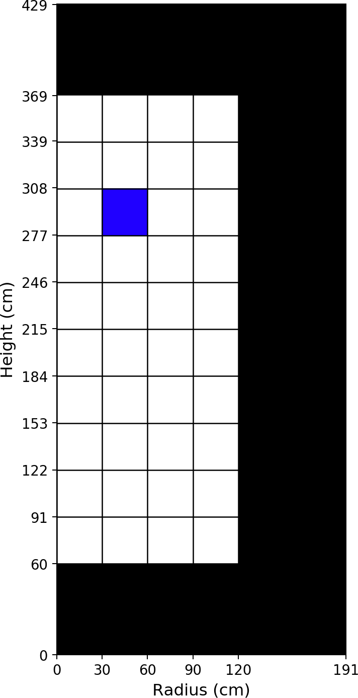
Fuel Material: Axial Zone #8, Radial Zone #2
Isotope [ZZAAA] | Number Density [atom/b/cm]
6012 | 1.18211E-02
8016 | 3.54634E-02
36083 | 1.03209E-05
36084 | 2.45897E-05
36086 | 4.15500E-05
37085 | 2.38331E-05
37087 | 5.78005E-05
38088 | 7.86638E-05
38089 | 2.22225E-05
38090 | 1.26255E-04
39089 | 8.23976E-05
39091 | 3.17127E-05
40091 | 9.86232E-05
40092 | 1.38190E-04
40093 | 1.47558E-04
40094 | 1.55676E-04
40095 | 4.21185E-05
40096 | 1.55521E-04
41095 | 2.07016E-05
42095 | 9.05581E-05
42097 | 1.11865E-04
42098 | 1.49651E-04
42100 | 1.65716E-04
43099 | 1.40077E-04
44100 | 1.72468E-05
44101 | 1.34221E-04
44102 | 1.28508E-04
44103 | 1.94916E-05
44104 | 7.53491E-05
44106 | 2.70598E-05
45103 | 5.78742E-05
45105 | 3.35673E-07
46105 | 4.30400E-05
46106 | 1.86761E-05
46107 | 2.33557E-05
46108 | 1.51912E-05
47109 | 8.17106E-06
52130 | 4.94747E-05
53129 | 1.79887E-05
54131 | 5.60207E-05
54132 | 1.36581E-04
54133 | 3.98089E-06
54134 | 2.04691E-04
54135 | 4.99939E-08

Table 61

Fuel Material: Axial Zone #8, Radial Zone #3
Isotope [ZZAAA] | Number Density [atom/b/cm]
6012 | 1.18211E-02
8016 | 3.54634E-02
36083 | 1.01501E-05
36084 | 2.40803E-05
36086 | 4.07488E-05
37085 | 2.33818E-05
37087 | 5.66927E-05
38088 | 7.71578E-05
38089 | 2.08777E-05
38090 | 1.23815E-04
39089 | 8.17440E-05
39091 | 2.99294E-05
40091 | 9.79089E-05
40092 | 1.35497E-04
40093 | 1.44673E-04
40094 | 1.52552E-04
40095 | 3.97947E-05
40096 | 1.52370E-04
41095 | 2.01188E-05
42095 | 9.04671E-05
42097 | 1.09599E-04
42098 | 1.46530E-04
42100 | 1.62241E-04
43099 | 1.37581E-04
44100 | 1.65965E-05
44101 | 1.31460E-04
44102 | 1.25613E-04
44103 | 1.80306E-05
44104 | 7.35031E-05
44106 | 2.61042E-05
45103 | 5.78920E-05
45105 | 3.02056E-07
46105 | 4.21645E-05
46106 | 1.81391E-05
46107 | 2.26729E-05
46108 | 1.47316E-05
47109 | 7.95231E-06
52130 | 4.84211E-05
53129 | 1.75863E-05
54131 | 5.53604E-05
54132 | 1.33495E-04
54133 | 3.59306E-06
54134 | 2.00403E-04
54135 | 4.89406E-08

Table 63
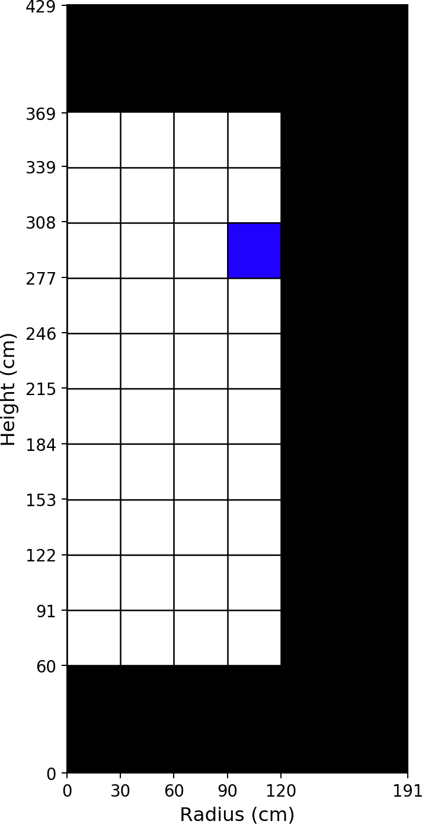
Fuel Material: Axial Zone #8, Radial Zone #4
Isotope [ZZAAA] | Number Density [atom/b/cm]
6012 | 1.18211E-02
8016 | 3.54634E-02
36083 | 1.01631E-05
36084 | 2.40493E-05
36086 | 4.07418E-05
37085 | 2.33834E-05
37087 | 5.66948E-05
38088 | 7.71530E-05
38089 | 2.09551E-05
38090 | 1.23824E-04
39089 | 8.16741E-05
39091 | 2.99884E-05
40091 | 9.78362E-05
40092 | 1.35409E-04
40093 | 1.44618E-04
40094 | 1.52296E-04
40095 | 3.97148E-05
40096 | 1.52142E-04
41095 | 2.00667E-05
42095 | 9.06795E-05
42097 | 1.09408E-04
42098 | 1.46157E-04
42100 | 1.61832E-04
43099 | 1.38290E-04
44100 | 1.54915E-05
44101 | 1.31453E-04
44102 | 1.24760E-04
44103 | 1.77079E-05
44104 | 7.29452E-05
44106 | 2.56974E-05
45103 | 5.88780E-05
45105 | 2.81604E-07
46105 | 4.18806E-05
46106 | 1.78972E-05
46107 | 2.24065E-05
46108 | 1.45298E-05
47109 | 7.94689E-06
52130 | 4.82666E-05
53129 | 1.74872E-05
54131 | 5.63092E-05
54132 | 1.31984E-04
54133 | 3.58473E-06
54134 | 1.99938E-04
54135 | 4.21119E-08

Table 65
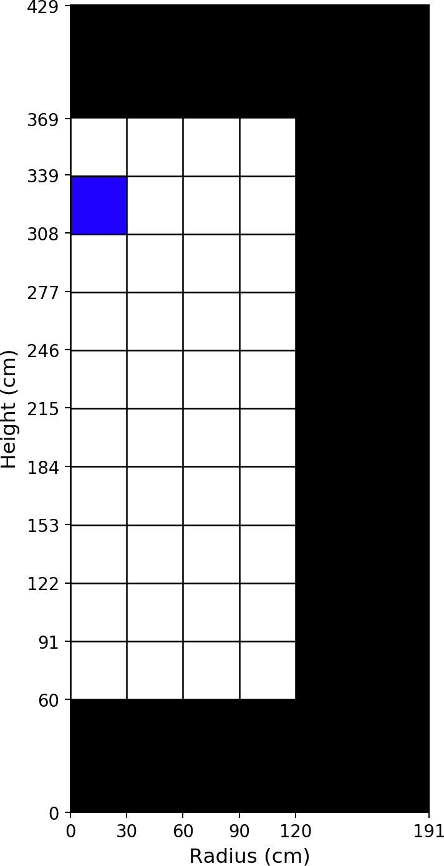
Fuel Material: Axial Zone #9, Radial Zone #1
Isotope [ZZAAA] | Number Density [atom/b/cm]
6012 | 1.18211E-02
8016 | 3.54634E-02
36083 | 1.05218E-05
36084 | 2.51858E-05
36086 | 4.24845E-05
37085 | 2.43716E-05
37087 | 5.90940E-05
38088 | 8.04279E-05
38089 | 2.22947E-05
38090 | 1.29050E-04
39089 | 8.46548E-05
39091 | 3.19387E-05
40091 | 1.01357E-04
40092 | 1.41366E-04
40093 | 1.50985E-04
40094 | 1.59340E-04
40095 | 4.25249E-05
40096 | 1.59217E-04
41095 | 2.12739E-05
42095 | 9.30927E-05
42097 | 1.14602E-04
42098 | 1.53321E-04
42100 | 1.69806E-04
43099 | 1.43443E-04
44100 | 1.80243E-05
44101 | 1.37472E-04
44102 | 1.31937E-04
44103 | 1.96510E-05
44104 | 7.75497E-05
44106 | 2.79263E-05
45103 | 5.94131E-05
45105 | 3.03776E-07
46105 | 4.43330E-05
46106 | 1.94509E-05
46107 | 2.41814E-05
46108 | 1.57497E-05
47109 | 8.45043E-06
52130 | 5.07186E-05
53129 | 1.84717E-05
54131 | 5.74036E-05
54132 | 1.40581E-04
54133 | 3.58168E-06
54134 | 2.09728E-04
54135 | 4.83465E-08

Table 67
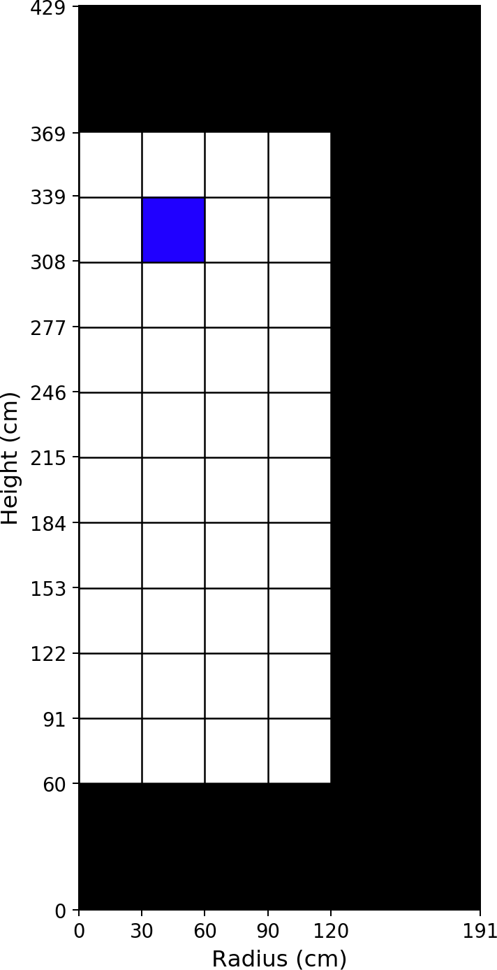
Fuel Material: Axial Zone #9, Radial Zone #2
Isotope [ZZAAA] | Number Density [atom/b/cm]
6012 | 1.18211E-02
8016 | 3.54634E-02
36083 | 1.04340E-05
36084 | 2.49211E-05
36086 | 4.20695E-05
37085 | 2.41377E-05
37087 | 5.85206E-05
38088 | 7.96476E-05
38089 | 2.16079E-05
38090 | 1.27786E-04
39089 | 8.43070E-05
39091 | 3.10210E-05
40091 | 1.00979E-04
40092 | 1.39970E-04
40093 | 1.49489E-04
40094 | 1.57719E-04
40095 | 4.13263E-05
40096 | 1.57581E-04
41095 | 2.09411E-05
42095 | 9.30589E-05
42097 | 1.13423E-04
42098 | 1.51702E-04
42100 | 1.68001E-04
43099 | 1.42137E-04
44100 | 1.76832E-05
44101 | 1.36037E-04
44102 | 1.30429E-04
44103 | 1.89114E-05
44104 | 7.65860E-05
44106 | 2.74245E-05
45103 | 5.93863E-05
45105 | 2.88209E-07
46105 | 4.38862E-05
46106 | 1.91561E-05
46107 | 2.38230E-05
46108 | 1.55072E-05
47109 | 8.33407E-06
52130 | 5.01710E-05
53129 | 1.82625E-05
54131 | 5.70195E-05
54132 | 1.38985E-04
54133 | 3.41095E-06
54134 | 2.07498E-04
54135 | 4.78573E-08

Table 69
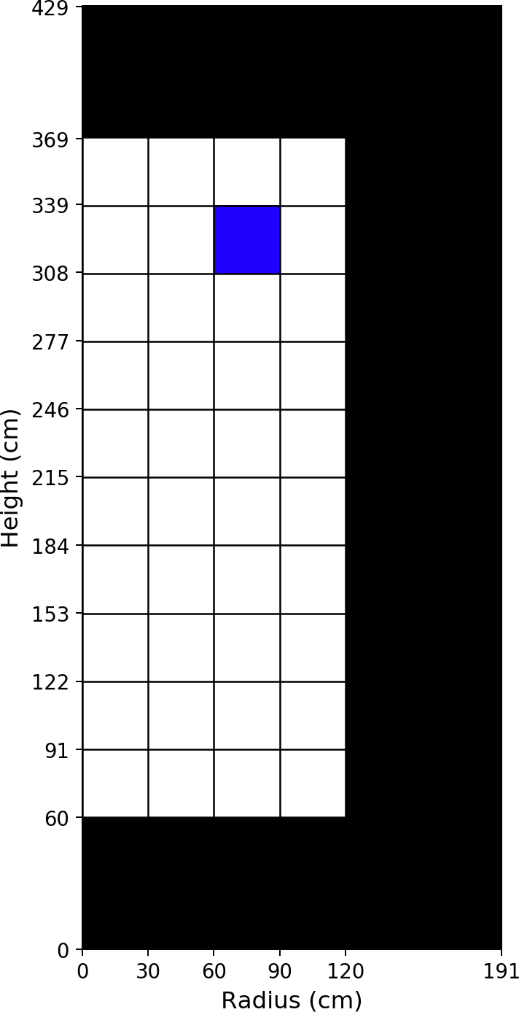
Fuel Material: Axial Zone #9, Radial Zone #3
Isotope [ZZAAA] | Number Density [atom/b/cm]
6012 | 1.18211E-02
8016 | 3.54634E-02
36083 | 1.02542E-05
36084 | 2.43807E-05
36086 | 4.12222E-05
37085 | 2.36601E-05
37087 | 5.73492E-05
38088 | 7.80548E-05
38089 | 2.02550E-05
38090 | 1.25206E-04
39089 | 8.35475E-05
39091 | 2.92106E-05
40091 | 1.00145E-04
40092 | 1.37117E-04
40093 | 1.46430E-04
40094 | 1.54406E-04
40095 | 3.89538E-05
40096 | 1.54239E-04
41095 | 2.02754E-05
42095 | 9.29229E-05
42097 | 1.11013E-04
42098 | 1.48386E-04
42100 | 1.64306E-04
43099 | 1.39463E-04
44100 | 1.69789E-05
44101 | 1.33104E-04
44102 | 1.27340E-04
44103 | 1.74413E-05
44104 | 7.46081E-05
44106 | 2.63996E-05
45103 | 5.93208E-05
45105 | 2.57693E-07
46105 | 4.29298E-05
46106 | 1.85824E-05
46107 | 2.30859E-05
46108 | 1.50101E-05
47109 | 8.09582E-06
52130 | 4.90499E-05
53129 | 1.78325E-05
54131 | 5.62777E-05
54132 | 1.35659E-04
54133 | 3.07214E-06
54134 | 2.02942E-04
54135 | 4.67038E-08

Table 71
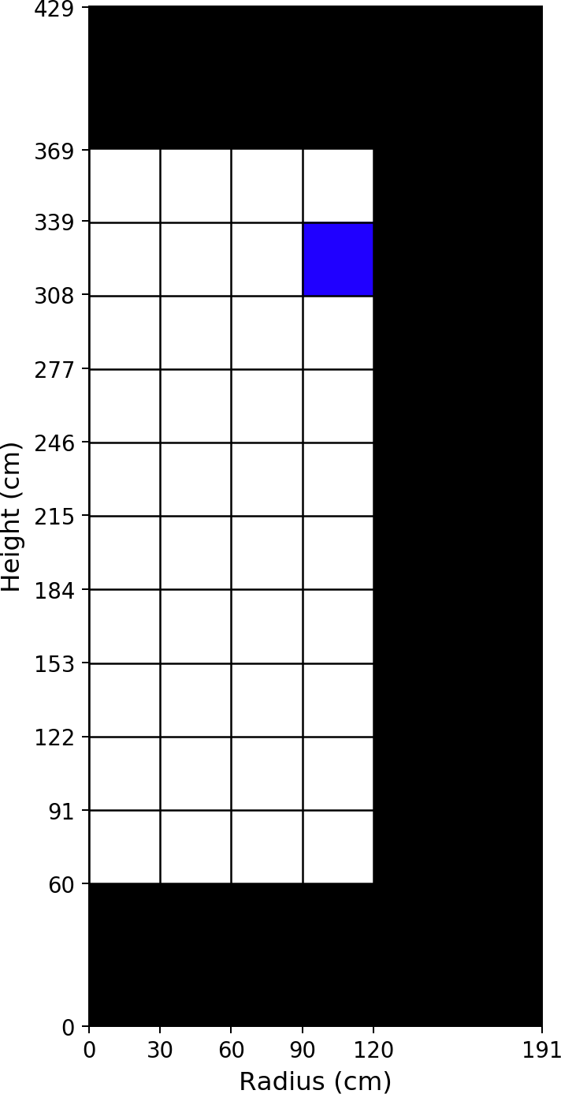
Fuel Material: Axial Zone #9, Radial Zone #4
Isotope [ZZAAA] | Number Density [atom/b/cm]
6012 | 1.18211E-02
8016 | 3.54634E-02
36083 | 1.02708E-05
36084 | 2.43567E-05
36086 | 4.12295E-05
37085 | 2.36708E-05
37087 | 5.73727E-05
38088 | 7.80791E-05
38089 | 2.03415E-05
38090 | 1.25263E-04
39089 | 8.35080E-05
39091 | 2.92819E-05
40091 | 1.00108E-04
40092 | 1.37070E-04
40093 | 1.46419E-04
40094 | 1.54176E-04
40095 | 3.88705E-05
40096 | 1.54034E-04
41095 | 2.02268E-05
42095 | 9.31845E-05
42097 | 1.10836E-04
42098 | 1.48016E-04
42100 | 1.63900E-04
43099 | 1.40272E-04
44100 | 1.57885E-05
44101 | 1.33123E-04
44102 | 1.26436E-04
44103 | 1.70886E-05
44104 | 7.39998E-05
44106 | 2.59460E-05
45103 | 6.03837E-05
45105 | 2.36590E-07
46105 | 4.26048E-05
46106 | 1.83263E-05
46107 | 2.27865E-05
46108 | 1.47841E-05
47109 | 8.08337E-06
52130 | 4.88914E-05
53129 | 1.77253E-05
54131 | 5.73175E-05
54132 | 1.34063E-04
54133 | 3.04408E-06
54134 | 2.02487E-04
54135 | 4.02027E-08

Table 73
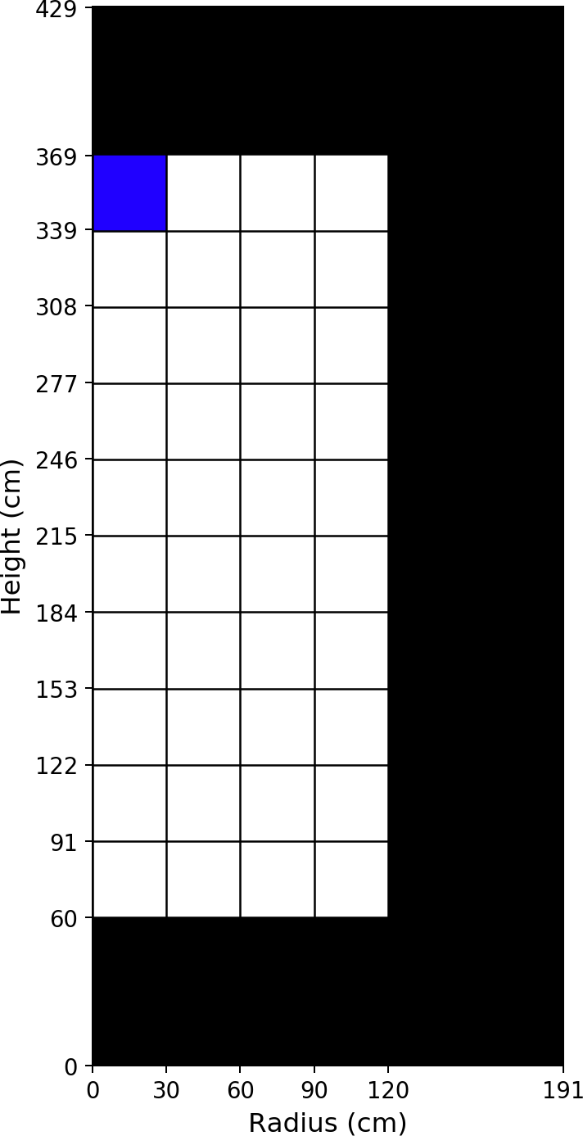
Fuel Material: Axial Zone #10, Radial Zone #1
Isotope [ZZAAA] | Number Density [atom/b/cm]
6012 | 1.18211E-02
8016 | 3.54634E-02
36083 | 1.06421E-05
36084 | 2.55378E-05
36086 | 4.30376E-05
37085 | 2.46940E-05
37087 | 5.98594E-05
38088 | 8.14698E-05
38089 | 2.16614E-05
38090 | 1.30679E-04
39089 | 8.66656E-05
39091 | 3.11958E-05
40091 | 1.03846E-04
40092 | 1.43245E-04
40093 | 1.53018E-04
40094 | 1.61514E-04
40095 | 4.17055E-05
40096 | 1.61420E-04
41095 | 2.14811E-05
42095 | 9.58116E-05
42097 | 1.16227E-04
42098 | 1.55516E-04
42100 | 1.72255E-04
43099 | 1.45533E-04
44100 | 1.84002E-05
44101 | 1.39449E-04
44102 | 1.33967E-04
44103 | 1.90743E-05
44104 | 7.88850E-05
44106 | 2.83291E-05
45103 | 6.10998E-05
45105 | 2.92432E-07
46105 | 4.52173E-05
46106 | 1.99544E-05
46107 | 2.46977E-05
46108 | 1.60980E-05
47109 | 8.63665E-06
52130 | 5.14651E-05
53129 | 1.87644E-05
54131 | 5.84411E-05
54132 | 1.42901E-04
54133 | 3.20610E-06
54134 | 2.12728E-04
54135 | 4.36955E-08

Table 75
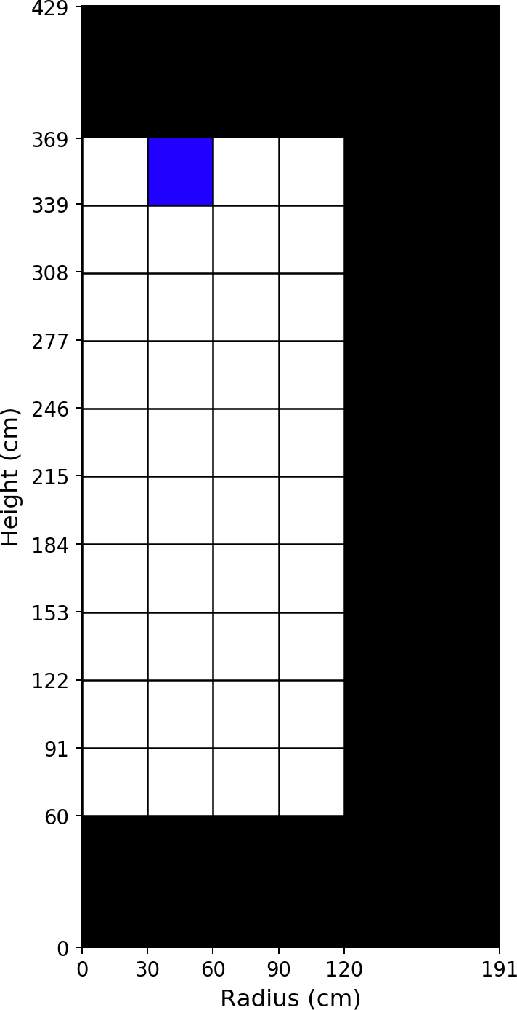
Fuel Material: Axial Zone #10, Radial Zone #2
Isotope [ZZAAA] | Number Density [atom/b/cm]
6012 | 1.18211E-02
8016 | 3.54634E-02
36083 | 1.05417E-05
36084 | 2.52363E-05
36086 | 4.25646E-05
37085 | 2.44270E-05
37087 | 5.92058E-05
38088 | 8.05803E-05
38089 | 2.09673E-05
38090 | 1.29240E-04
39089 | 8.61805E-05
39091 | 3.02592E-05
40091 | 1.03306E-04
40092 | 1.41652E-04
40093 | 1.51311E-04
40094 | 1.59665E-04
40095 | 4.04688E-05
40096 | 1.59553E-04
41095 | 2.10968E-05
42095 | 9.56468E-05
42097 | 1.14881E-04
42098 | 1.53667E-04
42100 | 1.70194E-04
43099 | 1.44024E-04
44100 | 1.80177E-05
44101 | 1.37810E-04
44102 | 1.32246E-04
44103 | 1.83200E-05
44104 | 7.77830E-05
44106 | 2.77641E-05
45103 | 6.09666E-05
45105 | 2.76286E-07
46105 | 4.46881E-05
46106 | 1.96225E-05
46107 | 2.42864E-05
46108 | 1.58202E-05
47109 | 8.50046E-06
52130 | 5.08396E-05
53129 | 1.85249E-05
54131 | 5.79708E-05
54132 | 1.41074E-04
54133 | 3.04341E-06
54134 | 2.10184E-04
54135 | 4.33744E-08

Table 77
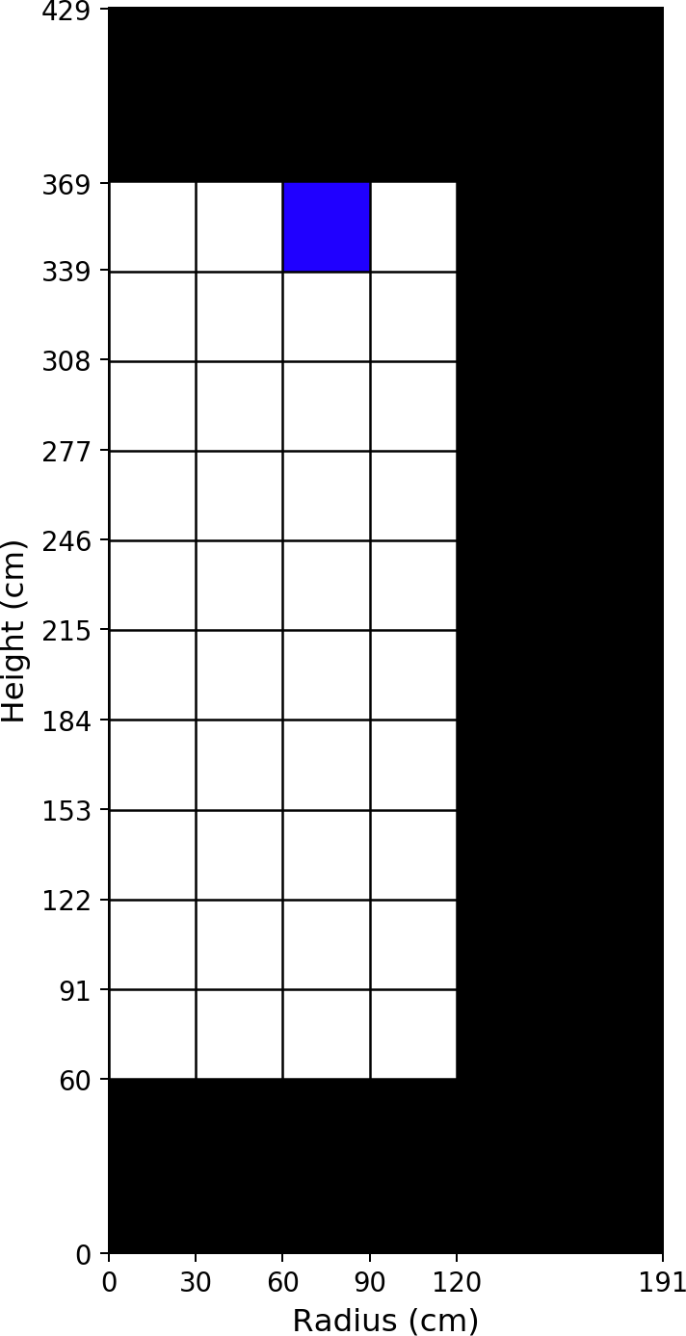
Fuel Material: Axial Zone #10, Radial Zone #3
Isotope [ZZAAA] | Number Density [atom/b/cm]
6012 | 1.18211E-02
8016 | 3.54634E-02
36083 | 1.03520E-05
36084 | 2.46602E-05
36086 | 4.16643E-05
37085 | 2.39195E-05
37087 | 5.79616E-05
38088 | 7.88886E-05
38089 | 1.96042E-05
38090 | 1.26502E-04
39089 | 8.53005E-05
39091 | 2.84232E-05
40091 | 1.02332E-04
40092 | 1.38618E-04
40093 | 1.48056E-04
40094 | 1.56136E-04
40095 | 3.80455E-05
40096 | 1.55990E-04
41095 | 2.03577E-05
42095 | 9.54274E-05
42097 | 1.12308E-04
42098 | 1.50125E-04
42100 | 1.66246E-04
43099 | 1.41160E-04
44100 | 1.72633E-05
44101 | 1.34673E-04
44102 | 1.28937E-04
44103 | 1.68338E-05
44104 | 7.56504E-05
44106 | 2.66609E-05
45103 | 6.08034E-05
45105 | 2.43844E-07
46105 | 4.36389E-05
46106 | 1.90050E-05
46107 | 2.34838E-05
46108 | 1.52779E-05
47109 | 8.24145E-06
52130 | 4.96402E-05
53129 | 1.80631E-05
54131 | 5.71449E-05
54132 | 1.37505E-04
54133 | 2.72149E-06
54134 | 2.05318E-04
54135 | 4.23498E-08

Table 79
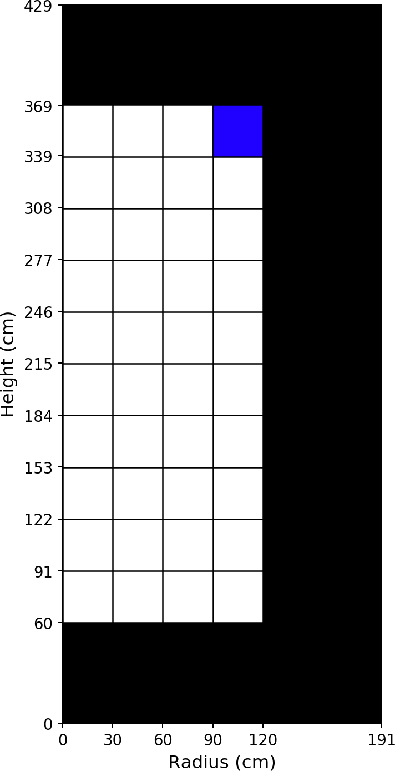
Fuel Material: Axial Zone #10, Radial Zone #4
Isotope [ZZAAA] | Number Density [atom/b/cm]
6012 | 1.18211E-02
8016 | 3.54634E-02
36083 | 1.03612E-05
36084 | 2.46145E-05
36086 | 4.16391E-05
37085 | 2.39130E-05
37087 | 5.79417E-05
38088 | 7.88550E-05
38089 | 1.96232E-05
38090 | 1.26464E-04
39089 | 8.52507E-05
39091 | 2.84158E-05
40091 | 1.02280E-04
40092 | 1.38460E-04
40093 | 1.47925E-04
40094 | 1.55753E-04
40095 | 3.78363E-05
40096 | 1.55626E-04
41095 | 2.03048E-05
42095 | 9.56830E-05
42097 | 1.12025E-04
42098 | 1.49579E-04
42100 | 1.65641E-04
43099 | 1.41928E-04
44100 | 1.59985E-05
44101 | 1.34543E-04
44102 | 1.27835E-04
44103 | 1.63675E-05
44104 | 7.48901E-05
44106 | 2.61125E-05
45103 | 6.18926E-05
45105 | 2.08992E-07
46105 | 4.32206E-05
46106 | 1.87188E-05
46107 | 2.31117E-05
46108 | 1.50015E-05
47109 | 8.20387E-06
52130 | 4.94175E-05
53129 | 1.79254E-05
54131 | 5.82188E-05
54132 | 1.35734E-04
54133 | 2.60067E-06
54134 | 2.04629E-04
54135 | 3.71562E-08

