References
Keyword | Reference
SDG Target | https://unstats.un.org/sdgs/metadata/
Hot topics
Public-private partnership | A cooperative arrangement between two or more public and private sectors, typically of a long-term nature
Nature-based solution | sustainable management and use of nature for tackling socio-environmental challenges.
Leaving no one behind | UNDP's target beneficiaries to ensure no one is left behind and reach furthest behind geographically, socio-economically and due to shocks and fragility (e.g. minorities, unemployed, people with HIVs, malarias or other fatal disease)
Sectors
Agriculture | Including sustainable agriculture
Forestry and other land use | LULUCF, FOLU
---Metals and Mining | Including chemicals
Tourism | Include eco-tourism
Other sectors | E.g. hunting
PROTOCOLS_PLANS | Multilateral environment agreements
Montreal protocols | E.g. HFCs
Strategic Action Programme | For Water team
Cartagena Protocol on Biosafety (LMOs, GMOs) | For Living Modified Organism, Genetic modified organism
Nagoya protocol (ABS) | For access and benefit sharing
Technical areas
Mainstreaming_Biodiversity | Including National Biodiversity Strategy Setting and Implementation, Capacity Building and Advocacy (In the portal, we have "Strategy" tags to differentiate these finer categories).
Access and Benefit Sharing | an agreement that defines the fair and equitable sharing of benefits arising from the use of genetic resources
[Energy Program] | Don't select this tag, select finer categories under it
---Cooling | remeber to choose the cooling efficiency strategy under "Technology_Innovation"
---On-grid rooftop | Solar panel
Ozone_Depleting_Substances | Chlorofluorocarbons (CFCs) and hydrochlorofluorocarbons (HCFCs) were developed in the US in the early 20th century and became widely used as refrigerants and for making plastic foams producing refrigerators and freezers until the early 1990s, when it was found that these chlorinated gases damaged the ozone layer
HFCs | https://www.ccacoalition.org/fr/slcps/hydrofluorocarbons-hfc
---Hazardous_chemical_waste | e.g. legacy_waste
Cooling_Alternatives | Choose the cooling strategy under Strategy>Technology_Innovation>Cooling
---HFOs | HFO refrigerants are categorized as having zero ozone depletion potential (ODP) and low global warming potential (GWP) and so offer a more environmentally friendly alternative to CFCs, HCFCs, and HFCs.
---Not-in-kind technology | Alternative cooling systems, e.g. heat pumps, district cooling
---Clean cooking | Biomass, electric cook
Landscapes
Marine and Coastal Protected Areas | e.g. protected forests/ nature reserves
------Important Bird and Biodiversity Areas (IBAs) | All existing IBAs qualify as KBAs
---Productive Landscapes/Seascapes | Biodiverse production landscapes and seascapes that lie outside the protected area estate provide people with goods and services like food, pollination services, water, wood, energy and minerals.
---Exclusive economic zone | An exclusive economic zone is a sea zone prescribed by the 1982 United Nations Convention on the Law of the Sea over which a sovereign state has special rights regarding the exploration and use of marine resources, including energy production from water and wind.
---Areas beyond National Jurisdiction | High sea (the areas beyond the national exclusive economic zone) or the seabed which lies beyond the limits of the continental shelf
Grassland | https://www.britannica.com/science/grassland | Prairies/ shrublands, select temperate grassland
Strategy
Governance | the strategic task of setting the organisation's goals, direction, limitations and accountability frameworks, e.g. Institutional mechanisms
Laws/ Policy formulation | legal framework
Laws enforcement/ Regulation | Including enforcement of policies, regulations, guidelines, and laws
Surveillance & Compliance | (e.g. detecting trading rule violations)
Nature finance | The practice of raising and managing capital to support land, water, and resource conservation
Energy finance | Financing EE, RE and ST projects to mainly save on energy - and consequently contribute to GHG emission reductions. This includes projects on, or have components on, supporting the financing of renewable energy projects, and focusing on: (1) Financial Schemes & Mechanisms (e.g., Residential RE Projects, Commercial, Industrial and Agricultural RE Projects); and, (2) Renewable Energy Service Companies/RESCOs (e.g., Residential & Commercial Buildings RE Projects; Industrial and Agricultural RE Projects).
Circular economy | A circular economy is a systemic approach to economic development designed to benefit businesses, society, and the environment. In contrast to the 'take-make-waste' linear model, a circular economy is regenerative by design and aims to gradually decouple growth from the consumption of finite resources.
Blue economy | sustainable use of ocean resources for economic growth, improved livelihoods, and jobs while preserving the health of ocean ecosystem
Green economy | Economy that aims at making issues of reducing environmental risks and ecological scarcities, and that aims for sustainable development without degrading the environment.
Accounting | The measurement, processing, and communication of financial and non financial information about economic entities such as businesses and corporations
Financial screening | To investigate stocks for potential investment according to a predetermined set of criteria. For example, an investor may screen stocks according to the lowest price, the most market capitalization, the most favorable price-earnings ratio, or any number of other variables.
Spatial monitoring/analysis | Areal survey, satellie, drones and other new tech like drones for tracking species
Management_Operation | the allocation of resources and overseeing the day-to-day operations of the organisation
---Sustainable agriculture/rangeland/pasture | A conservation and rehabilitation approach to food and farming systems. It focuses on topsoil regeneration, increasing biodiversity,[1] improving the water cycle,[2] enhancing ecosystem services, supporting biosequestration, increasing resilience to climate change, and strengthening the health and vitality of farm soil.
---High carbon stock forest | The High Carbon Stock (HCS) Approach is a methodology that distinguishes forest areas for protection from degraded lands with low carbon and biodiversity values that may be developed.
Ecosystem and ecosystem services conservation/restoration | Including nutrient cycling
---Illegal wildlife trade/trafficking | IWT
Management effectiveness (METT) | Mainly for protected areas
Species adaptation | Conservation actions that increase resilience of species
Awareness raising | e.g. leading to behavior change; e.g. information dissemination
FACS | Food and agricultural commodity strategy
Market development | Identifies and develops new market segments for current products
Green supply chain | Green supply chain management can be defined as integrating environmental thinking into supply-chain management, including product design, material sourcing and selection, manufacturing processes, delivery of the final product as well as end-of-life management of the product after its useful life.
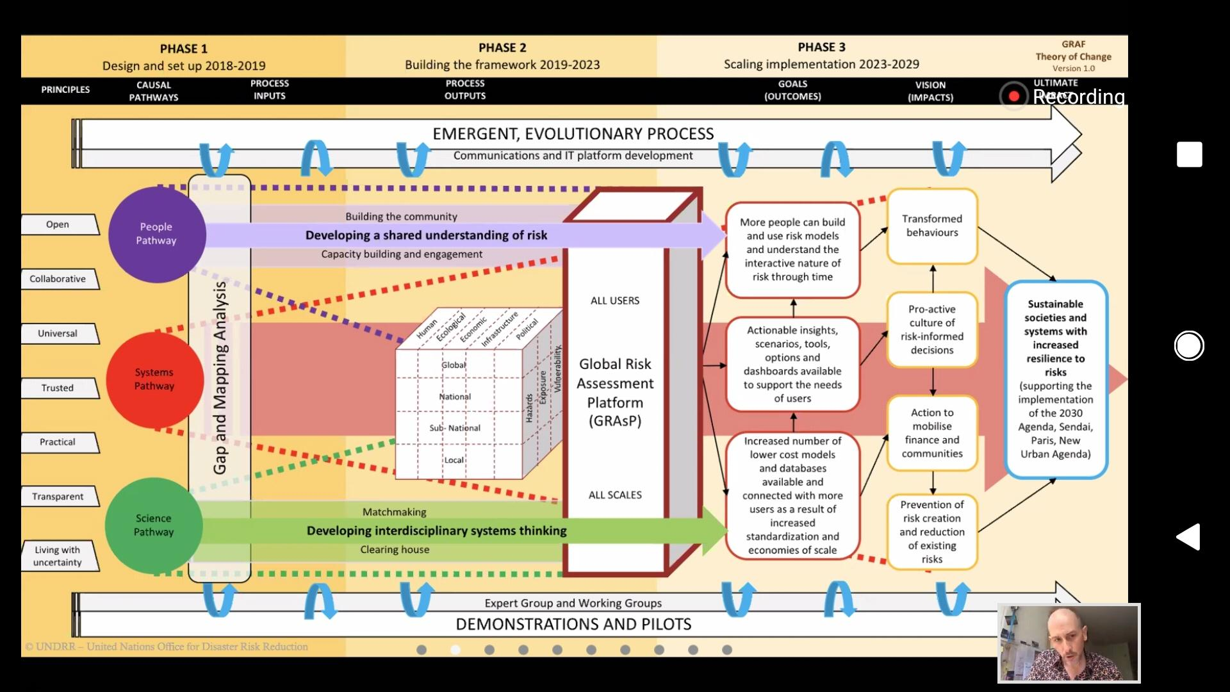
---Agroforestry | agriculture incorporating the cultivation and conservation of trees.
Risk reduction target | https://gar.undrr.org/sites/default/files/chapter/2019-05/Chapter_2.pdf [Global Assessment Report 2019, Chapter 2]
Pathways | Gibson, T. D., & Pelling, M. (2015). Pathways of Transformation: Disaster Risk Management to Enhance Development Goals. Background Paper, prepared for the. | Also see figure on the right
Social_Inclusion
Artisanal miners | AGSM

